Dashboard
Keyword Rank | 1/15/26

 | battery bank | power bank 50000mah | power bank usb c
2026/5/1 | 84 | 60 | 50
2026/5/2 | 82 | 58 | 49
2026/5/3 | 80 | 56 | 48
2026/5/4 | 78 | 54 | 47
2026/5/5 | 76 | 52 | 46
2026/5/6 | 74 | 50 | 45
2026/5/7 | 72 | 48 | 44
2026/5/8 | 70 | 46 | 43
2026/5/9 | 68 | 44 | 42
2026/5/10 | 66 | 42 | 41
2026/5/11 | 64 | 40 | 40
2026/5/12 | 62 | 38 | 39
2026/5/13 | 60 | 36 | 38
2026/5/14 | 84 | 60 | 50
2026/5/15 | 82 | 58 | 49
2026/5/16 | 80 | 56 | 48
2026/5/17 | 78 | 54 | 47
2026/5/18 | 76 | 52 | 46
2026/5/19 | 74 | 50 | 45
2026/5/20 | 72 | 48 | 44
2026/5/21 | 70 | 46 | 43
2026/5/22 | 68 | 44 | 42
2026/5/23 | 66 | 42 | 41
2026/5/24 | 64 | 40 | 40
2026/5/25 | 62 | 38 | 39
2026/5/26 | 60 | 36 | 38
2026/5/27 | 84 | 60 | 50
2026/5/28 | 82 | 58 | 49
2026/5/29 | 80 | 56 | 48
2026/5/30 | 78 | 54 | 47
2026/5/31 | 76 | 52 | 46
2026/6/1 | 74 | 50 | 45
2026/6/2 | 72 | 48 | 44
2026/6/3 | 70 | 46 | 43
2026/6/4 | 68 | 44 | 42
2026/6/5 | 66 | 42 | 41
2026/6/6 | 64 | 40 | 40
2026/6/7 | 62 | 38 | 39
2026/6/8 | 60 | 36 | 38
2026/6/9 | 84 | 60 | 50
2026/6/10 | 82 | 58 | 49
2026/6/11 | 80 | 56 | 48
2026/6/12 | 78 | 54 | 47
2026/6/13 | 76 | 52 | 46
2026/6/14 | 74 | 50 | 45
2026/6/15 | 72 | 48 | 44
2026/6/16 | 70 | 46 | 43
2026/6/17 | 68 | 44 | 42
2026/6/18 | 66 | 42 | 41
2026/6/19 | 64 | 40 | 40
...

操作说明
提高效率篇——如何每天只花5分钟跟踪自己产品的关键词排名
一、安装Google 插件：https://chrome.google.com/webstore/detail/amazon-kw-index-and-rank/dehlblnjjkkbapjemjbeafjhjpjoifii 首次使用需要登录账号，推荐用Google账号，后续使用不FAN墙，本人测试下来FAN墙更慢；界面如下图：
二、提前准备好需要跟踪的keyword，复制keyword和asin到插件中，点击蓝色按钮“Check Ranking”，等待爬取，一般1分钟之内可完成；
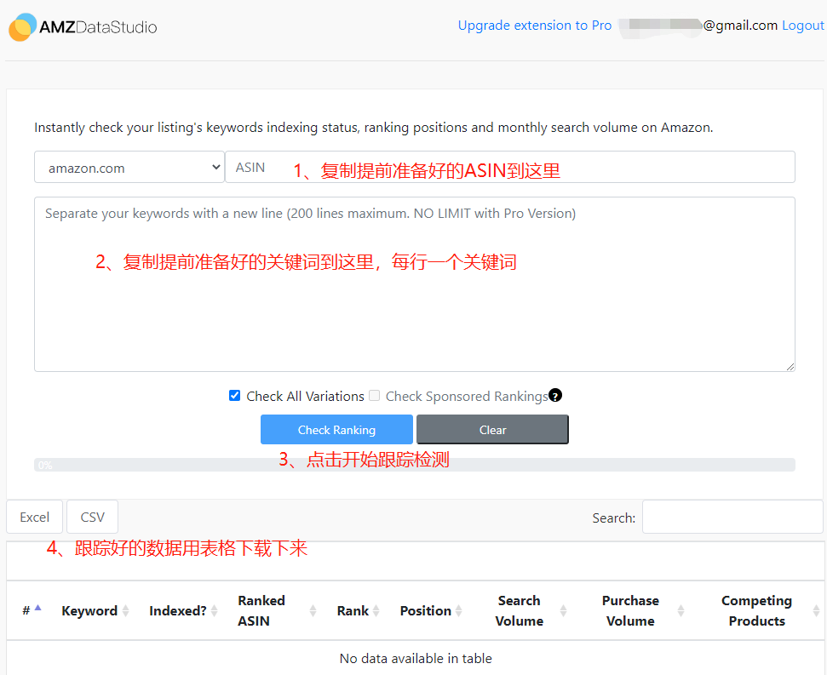

三、表格下载下来之后，打开并复制"Rank"这列的数据，粘贴到 ASIN 跟踪表中；

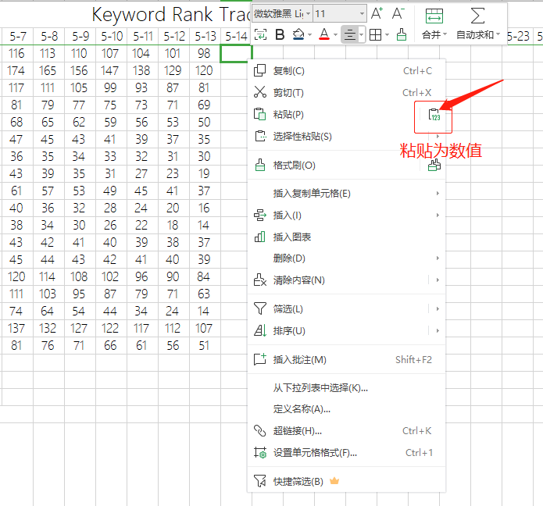

四、数据添加后，找到表导航栏“数据”——“全部刷新”，这样透视表及曲线图就会全部更新了；
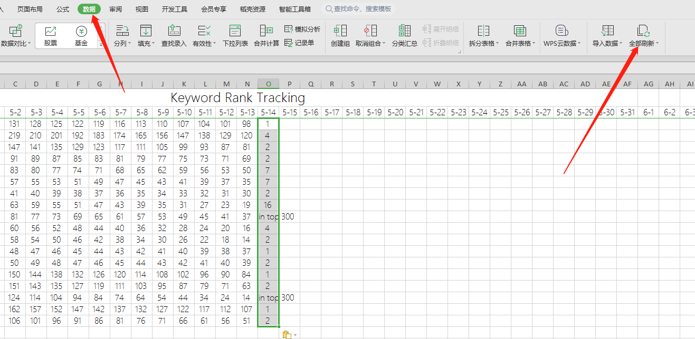

五、表格中出现“Not in top 300”，说明关键词排位在6页（按照每页48个自然位）之后了，跟踪不到实时排名，数据会以0结果取代； 按照以上方法，可以跟踪多个ASIN，用切片器查看不同数据源结果，从此每天上班早上利用5分钟跟踪产品关键词排名不是梦；

