Sheet1
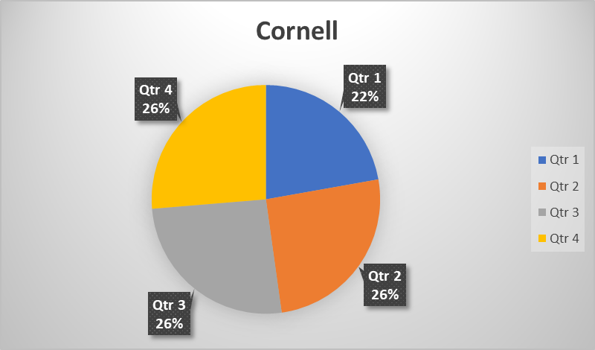
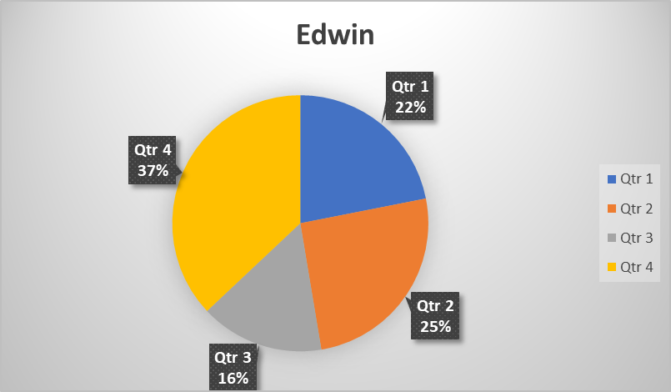
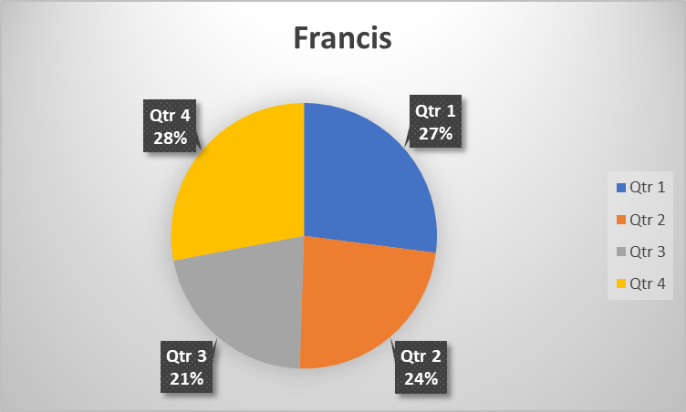
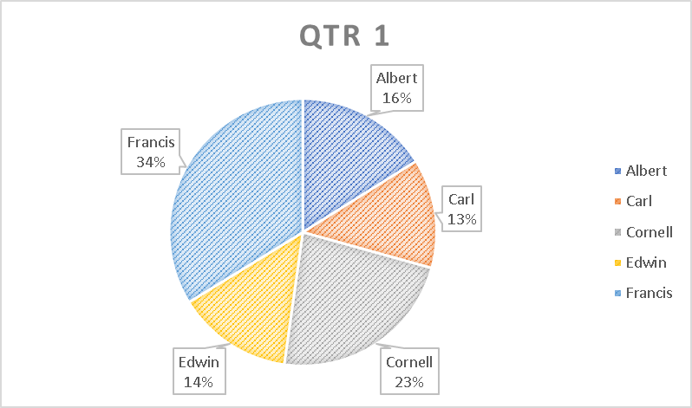
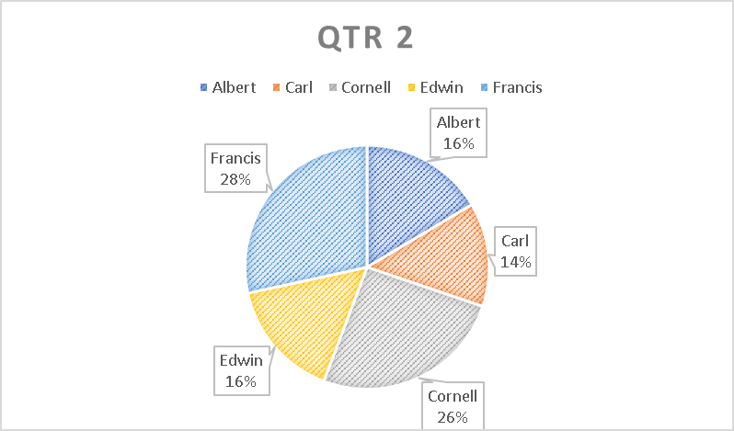
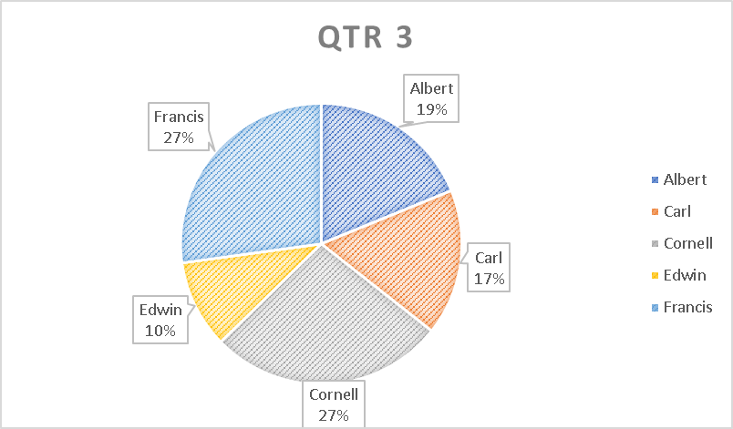
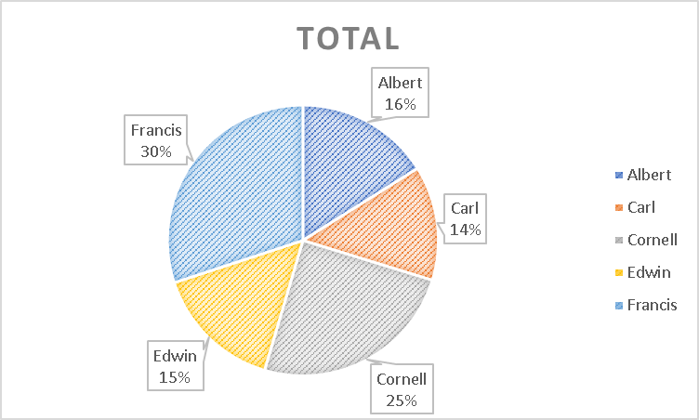
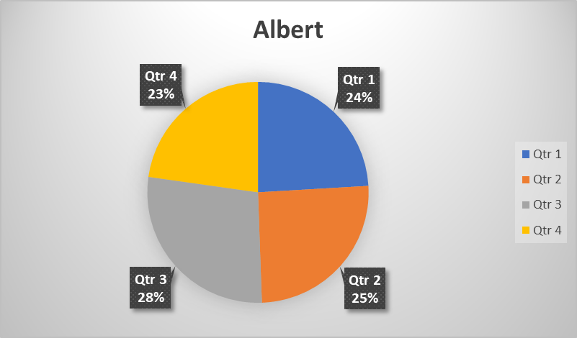
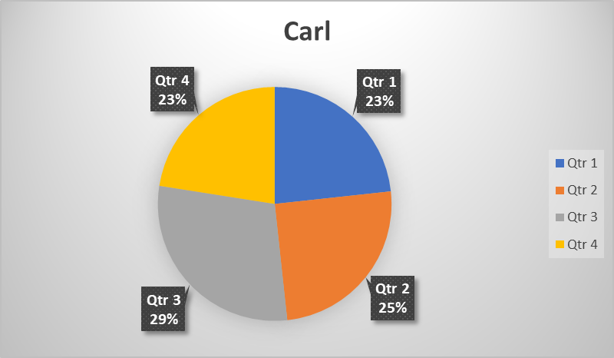
ABC Company Sales Performance Report

Salesman | Qtr 1 | Qtr 2 | Qtr 3 | Qtr 4 | Total
Albert | 148 | 156 | 171 | 140 | 615
Carl | 122 | 131 | 153 | 118 | 524
Cornell | 211 | 243 | 246 | 250 | 950
Edwin | 129 | 150 | 92 | 218 | 589
Francis | 311 | 270 | 247 | 322 | 1150

