Sayfa1
Specs |  | Unit
N1 | 3450 | turns
N2 | 40 | turns
V1 | 34500 | V
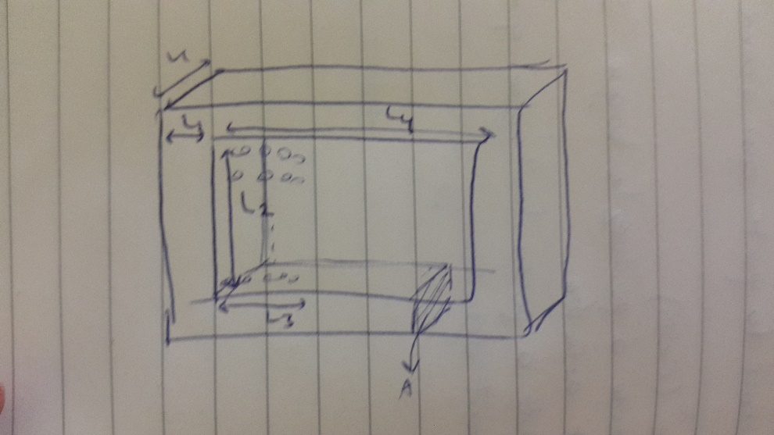
V2 | 400 | V
S | 1000000 | VA
J | 3 | A/mm^2
I | 28.985507246 | A
fill factor | 0.6
B | 1.5 | T
cross_section | 0.03003003003 | m^2
L1 | 0.1732917483 | m
d_wire | 3.5073966628 | mm
L2 | 0.40335061622 | m
L3 | 0.29228305523 | m
L4 | 0.64302272151 | m
core_volume | 0.48277585027 | m^3
core_mass | 3789.7904246 | kg
wire_length | 5960.5329793 | m | dimensions
cu_cond | 1.70E-08 | ohm.m
R1 | 10.487557777 | ohm
R2 | 0.0014097956264 | ohm
Pcu | 17622.44533 | W
Pcore | 3789.7904246 | W
Eff | 97.903663672 | %
cu_volume | 0.11517938124 | m^3
cu_mass | 1029.7036683 | kg
core_cost | 11369.371274 | usd
cu_cost | 10297.036683 | usd
total_cost | 21666.407957 | usd

