Sheet1
2 | 12.294125 | 11.887915 | 0.004757 | 0.002285
3 | 22.503406 | 15.635694 | 0.004505 | 0.002042
4 | 23.448471 | 19.352656 | 0.001963 | 0.001961
5 | 12.979819 | 12.783911 | 0.001986 | 0.001968
6 | 14.869277 | 12.578922 | 0.004549 | 0.002019
7 | 13.836713 | 13.229898 | 0.001967 | 0.004188
8 | 15.549553 | 15.396406 | 0.001791 | 0.001981
9 | 14.521003 | 13.893906 | 0.001837 | 0.001851
10 | 15.481695 | 12.332554 | 0.001802 | 0.001847
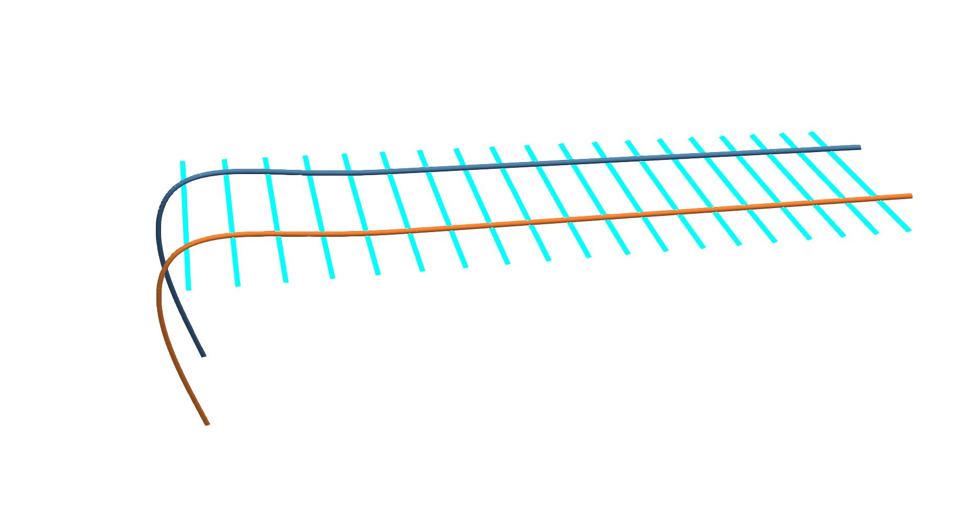
11 | 16.109458 | 13.684725 | 0.275177 | 0.243319
12 | 16.282346 | 13.795701 | 0.41581 | 0.326472
13 | 19.200742 | 15.557374 | 0.48584 | 0.359195
Simulation time for each time step using 19 supports
Total simulation time w.r.t number of supports
14 | 18.748474 | 15.522519 | 0.43244 | 0.355084
15 | 22.918572 | 17.637723 | 0.485346 | 0.434699
16 | 22.566975 | 17.589193 | 0.547032 | 0.492609
17 | 25.8473 | 19.099771 | 0.590655 | 0.423337
18 | 25.109326 | 19.951199 | 0.590882 | 0.464749
19 | 28.432066 | 21.135599 | 0.507909 | 0.481892
20 | 28.346886 | 20.615521 | 0.5112 | 0.421334
21 | 34.59027 | 45.168216 | 0.482271 | 0.431701
22 | 30.84728 | 23.949958 | 0.536186 | 0.407602
23 | 31.159696 | 23.570126 | 0.620763 | 0.476652
24 | 64.523615 | 67.444643 | 0.586654 | 0.478203
25 | 34.323306 | 27.050961 | 0.513793 | 0.443627
26 | 31.195565 | 24.635962 | 0.546586 | 0.462321
27 | 32.992702 | 23.031457 | 0.570241 | 0.461428
28 | 57.535678 | 54.756768 | 0.480588 | 0.412429
29 | 58.073742 | 59.4307 | 1.048918 | 0.470265
30 | 38.382072 | 30.078776 | 0.528221 | 0.401987
 |  |  | 0.492947 | 0.326326
 |  |  | 0.454966 | 0.388872
 |  |  | 0.371149 | 0.313226
 |  |  | 0.347479 | 0.309191
 |  |  | 0.439175 | 0.274662
 |  |  | 0.451129 | 0.279018
 |  |  | 0.164433 | 0.037792
 |  |  | 0.528696 | 0.266893
 |  |  | 0.397365 | 0.271865
 |  |  | 0.095455 | 0.22987
 |  |  | 0.30145 | 0.185293
 |  |  | 0.221303 | 0.153067
 |  |  | 0.164876 | 0.150314
 |  |  | 0.266988 | 0.158733
 |  |  | 0.186388 | 0.192711
 |  |  | 0.373538 | 0.068897
 |  |  | 0.322927 | 0.174905
 |  |  | 0.116961 | 0.202134
 |  |  | 0.450059 | 0.370037
 |  |  | 0.1673 | 0.084534
 |  |  | 0.265899 | 0.262214
 |  |  | 0.487583 | 0.274405
 |  |  | 0.375149 | 0.244372
 |  |  | 0.793425 | 0.285524
 |  |  | 0.485582 | 0.336068
 |  |  | 0.188534 | 0.06571
 |  |  | 0.6239 | 0.288706
 |  |  | 0.24303 | 0.312906
 |  |  | 0.479166 | 0.217487
 |  |  | 0.411927 | 0.279016
 |  |  | 0.098105 | 0.288536
 |  |  | 0.246318 | 0.01924
 |  |  | 0.082461 | 0.301603
 |  |  | 0.341542 | 0.072979
 |  |  | 0.076131 | 0.070975
 |  |  | 0.138574 | 0.239524
 |  |  | 0.106719 | 0.2894
 |  |  | 0.06269 | 0.25255
 |  |  | 0.326886 | 0.107511
 |  |  | 0.159372 | 0.323355
 |  |  | 0.442951 | 0.111802
 |  |  | 0.487809 | 0.251082
 |  |  | 0.482794 | 0.360202
 |  |  | 0.233082 | 0.017792
 |  |  | 0.044943 | 0.02191
 |  |  | 0.017714 | 0.131495
 |  |  | 0.03891 | 0.22772
 |  |  | 0.08507 | 0.015523
 |  |  | 0.39956 | 0.071049
 |  |  | 0.017652 | 0.032209
 |  |  | 0.042757 | 0.197286
 |  |  | 0.025078 | 0.021241
 |  |  | 0.039942 | 0.064397
 |  |  | 0.508412 | 0.01277
 |  |  | 0.04569 | 0.11682
 |  |  | 0.046139 | 0.034641
 |  |  | 0.315666 | 0.025184
 |  |  | 0.017016 | 0.106444
 |  |  | 0.046365 | 0.016168
 |  |  | 0.087971 | 0.031344
 |  |  | 0.087988 | 0.010915
 |  |  | 0.078817 | 0.247206
 |  |  | 0.167575 | 0.024033
 |  |  | 0.09459 | 0.02195
 |  |  | 0.018423 | 0.100711
 |  |  | 0.20406 | 0.035688
 |  |  | 0.053646 | 0.096171
 |  |  | 0.022763 | 0.020056
 |  |  | 0.028847 | 0.009795
 |  |  | 0.112891 | 0.141999
 |  |  | 0.09699 | 0.058962
 |  |  | 0.042543 | 0.015038
 |  |  | 0.240088 | 0.016983
 |  |  | 0.007792 | 0.243598
 |  |  | 0.008341 | 0.026028
 |  |  | 0.005623 | 0.006034
 |  |  | 0.005608 | 0.026512
 |  |  | 0.042757 | 0.049789
 |  |  | 0.015034 | 0.033447
 |  |  | 0.037804 | 0.081941
 |  |  | 0.00771 | 0.014386
 |  |  | 0.007398 | 0.025993
 |  |  | 0.015412 | 0.00606
 |  |  | 0.011294 | 0.026074
 |  |  | 0.024994 | 0.044536
 |  |  | 0.0306 | 0.035394
 |  |  | 0.020593 | 0.007761
 |  |  | 0.114495 | 0.007656
 |  |  | 0.008757 | 0.005851
 |  |  | 0.005573 | 0.007437
 |  |  | 0.005397 | 0.005811
 |  |  | 0.006421 | 0.009592
 |  |  | 0.006346 | 0.012963
 |  |  | 0.005404 | 0.016169
 |  |  | 0.005238 | 0.033457
 |  |  | 0.005198 | 0.007603
 |  |  | 0.005152 | 0.007394
 |  |  | 0.004077 | 0.006064
 |  |  | 0.003304 | 0.00609
 |  |  | 0.003874 | 0.006138
 |  |  | 0.003318 | 0.006245
 |  |  | 0.003373 | 0.003875
 |  |  | 0.003361 | 0.003852
 |  |  | 0.004088 | 0.003913
 |  |  | 0.003588 | 0.004532
 |  |  | 0.003461 | 0.004101
 |  |  | 0.003943 | 0.003975
 |  |  | 0.003958 | 0.003569
 |  |  | 0.003999 | 0.003543
 |  |  | 0.003491 | 0.003566
 |  |  | 0.003513 | 0.003675
 |  |  | 0.003635 | 0.003835
 |  |  | 0.003536 | 0.003565
 |  |  | 0.003494 | 0.003478
 |  |  | 0.003582 | 0.003548
 |  |  | 0.0035 | 0.003966
 |  |  | 0.003519 | 0.004123
 |  |  | 0.003399 | 0.004069
 |  |  | 0.003434 | 0.003972
 |  |  | 0.003484 | 0.00399
 |  |  | 0.003414 | 0.004217
 |  |  | 0.003524 | 0.004027
 |  |  | 0.003509 | 0.004012
 |  |  | 0.003533 | 0.004066
 |  |  | 0.003533 | 0.004038
 |  |  | 0.003528 | 0.003966
 |  |  | 0.003496 | 0.004003
 |  |  | 0.003591 | 0.004021
 |  |  | 0.003586 | 0.004134
 |  |  | 0.003519 | 0.004089
 |  |  | 0.003523 | 0.003844
 |  |  | 0.003535 | 0.003671
 |  |  | 0.003526 | 0.004495
 |  |  | 0.003486 | 0.003573
 |  |  | 0.003527 | 0.004175
 |  |  | 0.00353 | 0.004235
 |  |  | 0.004615 | 0.004606
 |  |  | 0.003496 | 0.003659
 |  |  | 0.003489 | 0.003636
 |  |  | 0.003541 | 0.003639
 |  |  | 0.003546 | 0.003651
 |  |  | 0.003498 | 0.004382
 |  |  | 0.003511 | 0.003776
 |  |  | 0.003492 | 0.003688
 |  |  | 0.003546 | 0.00357
 |  |  | 0.003528 | 0.003561
 |  |  | 0.003515 | 0.0036
 |  |  | 0.003578 | 0.003758
 |  |  | 0.003574 | 0.004118
 |  |  | 0.003463 | 0.003539
 |  |  | 0.003594 | 0.003608
 |  |  | 0.003442 | 0.003576
 |  |  | 0.003496 | 0.003707
 |  |  | 0.004681 | 0.003599
 |  |  | 0.003459 | 0.004067
 |  |  | 0.003434 | 0.003603
 |  |  | 0.003424 | 0.003584
 |  |  | 0.003343 | 0.003702
 |  |  | 0.003337 | 0.003547
 |  |  | 0.00341 | 0.003574
 |  |  | 0.003491 | 0.003548
 |  |  | 0.003406 | 0.003667
 |  |  | 0.00347 | 0.003491
 |  |  | 0.003367 | 0.003517
 |  |  | 0.003316 | 0.003434
 |  |  | 0.003367 | 0.003449
 |  |  | 0.003368 | 0.003473
 |  |  | 0.00333 | 0.00391
 |  |  | 0.003292 | 0.00354
 |  |  | 0.003427 | 0.00403

