Report
2
20-Sep-2024 10:20:49 (GMT+02:00)
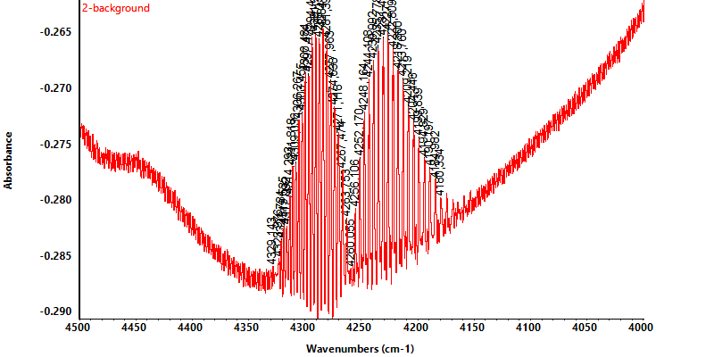

Peak Results

Region 1
Start Frequency: 4259.522 End Frequency: 4331.590 Sensitivity: 50 Threshold: -0.291
Region 2
Start Frequency: 4178.241 End Frequency: 4259.193 Sensitivity: 24 Threshold: -0.291
Peak Position | Peak Intensity
4260.06 | -0.29
4263.75 | -0.28
4267.47 | -0.28
4271.12 | -0.27
4274.64 | -0.27
4277.96 | -0.27
4281.4 | -0.27
4284.84 | -0.26
4288.14 | -0.27
4291.25 | -0.27
4294.46 | -0.27
4297.48 | -0.27
4300.48 | -0.27
4303.46 | -0.27
4306.27 | -0.27
4309.04 | -0.28
4311.82 | -0.28
4314.29 | -0.28
4317.09 | -0.28
4319.54 | -0.28
4321.78 | -0.28
4323.98 | -0.29
4329.14 | -0.29
4180.33 | -0.28
4184.98 | -0.28
4190.2 | -0.28
4194.83 | -0.28
4199.84 | -0.27
4204.45 | -0.27
4209.22 | -0.27
4213.76 | -0.27
4218.3 | -0.27
4222.81 | -0.27
4227.18 | -0.27
4231.49 | -0.27
4235.78 | -0.27
4239.99 | -0.27
4244.11 | -0.27
4248.16 | -0.27
4252.17 | -0.28
4256.11 | -0.28

