FEATURES
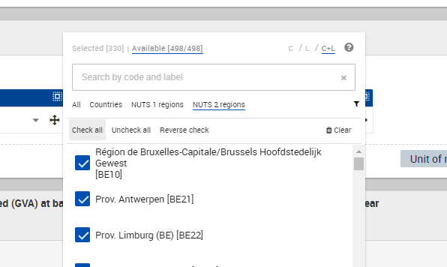
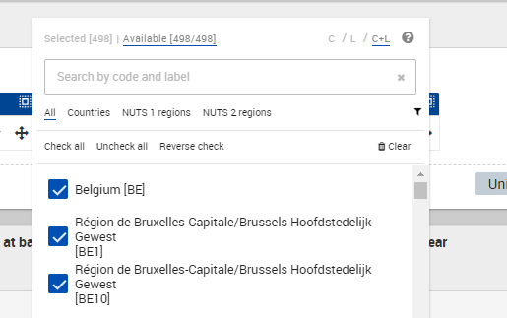
# | Categoria Feature | Nome Feature | A carico di | A carico di pt.2 | Commenti Parte 2 | LINK AL FILE UTILIZZATO | DONE | sommabile (o tipo di dato) | NOTE E PROBLEMI
1 | Economy | Gross domestic product (GDP) at current market prices by NUTS 2 regions [NAMA_10R_2GDP] | ALESSIO | ALESSIO |  | https://polimi365-my.sharepoint.com/:x:/g/personal/10560090_polimi_it/EXpRopQyUt5KolIVDa6z-skBHbPllUgTgowo-l5S4mbDMA?e=misQbZ | ok | SOMMABILE (credo) | millions of euro
3 | Economy | Compensation of employees by NUTS 2 regions | Claudia |  |  | https://ec.europa.eu/eurostat/databrowser/view/nama_10r_2coe/default/table?lang=en | OK | SOMMABILE
5 | Economy | unenployment_rate_percntg_of_econ_active_nuts2 | FEDERICO | ALESSIO |  | https://polimi365-my.sharepoint.com/:x:/g/personal/10560090_polimi_it/Ed7ZttNN0T1OgMJPi_rLTKsBOZMgScfgzqVcU6oVQ7eWHQ?e=EF9ycj | ok |  | piccole mancanze da verificare (4/5 casi max)
4 | Economy | Employment (thousand hours worked) by NUTS 2 regions | Leonardo |  |  | https://polimi365-my.sharepoint.com/:x:/r/personal/10560090_polimi_it/_layouts/15/Doc.aspx?sourcedoc=%7BA9679C0A-BAED-49D5-B5A6-1F29FEF62CD3%7D&file=Employment%20(thousand%20hours%20worked)%20by%20NUTS%202%20regions.xlsx&action=default&mobileredirect=true | Ok
2 | Economy | Real growth rate of regional gross value added (GVA) at basic prices by NUTS 2 regions | Luigi |  |  | OK |  | NON SOMMABILE | DATI DI CRESCITA DI OGNI DINGOLA REGIONE NUTS2
9 | Education | Early leavers from education and training by sex and NUTS 2 regions | Claudia |  |  | https://ec.europa.eu/eurostat/databrowser/view/edat_lfse_16/default/table?lang=en | ok | percentuale (non sommabile)
7 | Education | Students enrolled in tertiary education by education level, programme orientation, sex and NUTS2 regions | Leonardo |  |  | https://polimi365-my.sharepoint.com/:x:/r/personal/10560090_polimi_it/_layouts/15/Doc.aspx?sourcedoc=%7B4A2796E8-CB4B-461F-9792-BA33CB53E51A%7D&file=Students%20enrolled%20in%20tertiary%20education%20by%20education%20level%2C%20programme%20orientation%2C%20sex%20and%20NUTS2%20regions.xlsx&action=default&mobileredirect=true | Ok
10 | Education | Young people neither in employment nor in education and training by sex and NUTS 2 regions (NEET rates) | Leonardo |  |  | https://polimi365-my.sharepoint.com/:x:/r/personal/10560090_polimi_it/_layouts/15/Doc.aspx?sourcedoc=%7B80980A3B-F731-4F6D-B103-94D1B08A017F%7D&file=Young%20people%20neither%20in%20employment%20nor%20in%20education%20and%20training%20by%20sex%20and%20NUTS%202%20regions%20(NEET%20rates).xlsx&action=default&mobileredirect=true | Ok
6 | Education | Participation rate in education and training (last 4 weeks) by NUTS 2 regions [TRNG_LFSE_04] | LUIGI | ALESSIO |  | https://polimi365-my.sharepoint.com/:x:/g/personal/10560090_polimi_it/Edfh47RmqyVDoLkOx35wovUBVs-KBGk1CEnuiYr4pWBJFg?e=k8ppbV |  | non sommabile | descrive la percentuale di persone che hanno avuto accesso a corsi di istruzione nelle ultime 4 settimane (potrebbe essere proxy di contatto in luoghi di apprendimento, 18+ come target di persone, quindi scuole non comprese fino alle fine delle superiori)
8 | Education | Pupils and students enrolled by sex, age and NUTS2 regions | Luigi |  |  | https://polimi365-my.sharepoint.com/:x:/g/personal/10560090_polimi_it/Eag7sgMVV69Agg2TAKoH7XwBiNsUe4j5DLh66Cv23mWdYw?e=JCMM9q | OK | SOMMABILE
12 | Healthcare | hospital_discharges_pneumonia_j12_to_j18_nuts2 | CHRISTIAN
13 | Healthcare | hospital_discharges_resp_diseases_j00_to_j99_nuts2 | CLAUDIA | ALESSIO |  | https://polimi365-my.sharepoint.com/:u:/g/personal/10560090_polimi_it/EbxN5j9rzOBNpWaqMzcAY6wBeGGIESUjUpXzUXyv-ylCxw?e=ngElFK | Ok | SOMMABILE | Ho messo alcuni / perché granularità diversa
14 | Healthcare | longterm_care_beds_per_hundred_thousand_inhabitants_nuts2 | LEONARDO | ALESSIO |  | https://polimi365-my.sharepoint.com/:x:/r/personal/10560090_polimi_it/_layouts/15/Doc.aspx?sourcedoc=%7BCCB7250C-E1D7-4302-BF92-3AA84B10E22C%7D&file=Longterm%20care%20beds.xlsx&action=default&mobileredirect=true | ok | Non sommabile | Dati relativi a poche regioni e anche non recenti (2015). Nel caso di dati assenti, la casella è rosa
11 | Healthcare | available_hospital_beds_number_nuts2 | LUIGI | ALESSIO |  | https://polimi365-my.sharepoint.com/:x:/g/personal/10560090_polimi_it/EaSJkf3vDl1Ho8BxL6JfEQ4B2crx_Pep0c9oZEF-uvIRGg?e=ckZUaR | ok | non sommabile | dati per 100000 abitanti
15 | Healthcare |  | Luigi |  |  | https://polimi365-my.sharepoint.com/:x:/g/personal/10560090_polimi_it/EUHMyKTHc75KgPhZLIULpDsBaEQq3H_tEMj-N0Z_7nw2cQ?e=uvSb9c | OK | NON SOMMABILE | dati per 100000 abitanti
16 | Mobility | air_transport_passengers_in_thousands_passengers_nuts2 | ALESSIO | FEDERICO | OK, molto bene | https://polimi365-my.sharepoint.com/:x:/g/personal/10560090_polimi_it/EbUVWvRiiPlEjD7vYPyEw1ABcK6EPk0pkBT5d7PAxnj2tg?e=vbxzGr | ok | sommabile
17 | Mobility | Stock of vehicles by category and NUTS 2 regions | Leonardo |  |  | https://polimi365-my.sharepoint.com/:x:/r/personal/10560090_polimi_it/_layouts/15/Doc.aspx?sourcedoc=%7B0ECCFA9D-A5CB-4412-B21B-F467F12EDFEA%7D&file=Stock%20of%20vehicles%20by%20category%20and%20NUTS%202%20regions.xlsx&action=default&mobileredirect=true | Ok
18 | Mobility | Railway transport - national and international railway passengers transport by loading/unloading NUTS 2 region |  | FEDERICO | Non va bene | https://ec.europa.eu/eurostat/databrowser/view/tran_r_rapa/default/table?lang=en
22 | population | population nuts 2 | Claudia |  |  | https://ec.europa.eu/eurostat/databrowser/view/demo_r_d2jan/default/table?lang=en | ok | sommabile
20 | Population | life_expectancy_age_nuts2 | FEDERICO | FEDERICO | Ok | https://polimi365-my.sharepoint.com/:x:/g/personal/10560090_polimi_it/EaPeQt9Su95OnUbvFMgHVtIBBnEf-WFKNtasp3Wuvsjf4A?e=g4n9Tm | OK
23 | Population | Causes of death - crude death rate by NUTS 2 regions of residence, 3 year average | Claudia |  | ok | https://polimi365-my.sharepoint.com/:x:/g/personal/10560090_polimi_it/EdPyCa7UFlhAmoP01zC3n2EBOWY13Qr-ZXL2lXeOGWq7CA?e=7m2fCD
19 | Population | deaths_num_person_nuts2 | SOFIA | FEDERICO | Ok, molto bene | https://polimi365-my.sharepoint.com/:u:/r/personal/10560090_polimi_it/Documents/PoliMi/A.A.%202019-2020/Alta%20Scuola%20Politecnica/Project/Covid@Lombardy/Data/dati_17dicembre/dati/deaths_num_person_nuts2.tsv?csf=1&web=1&e=1snBhM | ok |  | Alcuni nuts li ho dovuti ripetere oppure metterli nella stessa casella
21 | Population | population_density_person_per_square_km_nuts2 | SOFIA | FEDERICO | Ok, molto bene | https://polimi365-my.sharepoint.com/:u:/r/personal/10560090_polimi_it/Documents/PoliMi/A.A.%202019-2020/Alta%20Scuola%20Politecnica/Project/Covid@Lombardy/Data/dati_17dicembre/dati/population_density_person_per_square_km_nuts2.tsv?csf=1&web=1&e=s75Xb4 | ok |  | densità di popolazione calcolata per km2,
24 | Primary sector | Eurofarm indicators: hold: Total number of holdings | CHRISTIAN
25 | Primary sector | Eurofarm indicators: ha: Utilised agricultural area | CLAUDIA | FEDERICO | Ok, bene | https://polimi365-my.sharepoint.com/:x:/g/personal/10560090_polimi_it/EWzU4f2wGmBIp5AGOxJe6-0Bnf2cwXt8qQw2oXPUEMvyjA?e=oCjDOF | ok
26 | Primary sector | Eurofarm indicators: LSU of the holdings with livestock | FEDERICO
27 | Primary sector | Eurofarm indicators: AWU: Total: Labour force directly employed by the holding | LEONARDO | FEDERICO | Ok, bene | https://polimi365-my.sharepoint.com/:x:/r/personal/10560090_polimi_it/_layouts/15/Doc.aspx?sourcedoc=%7BFDE1D46C-1AB0-4860-A790-063B125EEBED%7D&file=all%20data%20about%20farms%2C%20nuts%202.xlsx&action=default&mobileredirect=true | ok | - | Ci sono solo dei problemi su poche regioni in cui non avevamo il nuts 2 o comunque dei problemi ad identificarli, ma, a mio avviso possono essere saltate nell'analisi (si parla veramente di briciole)

