Sheet1

Criticality Eigenvalues |  |  |  |  | Materials
Creator | Chris |  | Benchmark PDF (MCNP) |  | Plutonium Pit
Code | Serpent 2 |  | MCNP |  | Overall Mass Density (g/cm3) | 15.4757
Cross-section library | ENDF-7 |  | ENDF-5 |  | Name | Atom Density (atoms/cm3)
Name | Value | Uncertainty | Value | Uncertainty | Pu-239 | 3.3930E-02
ANA_KEFF | 9.95879E-01 | 0.00224 | 1.0012 | 0.0007 | Pu-240 | 3.5043E-03
 | 9.93984E-01 | 0.00220 |  |  | Pu-241 | 3.9189E-04
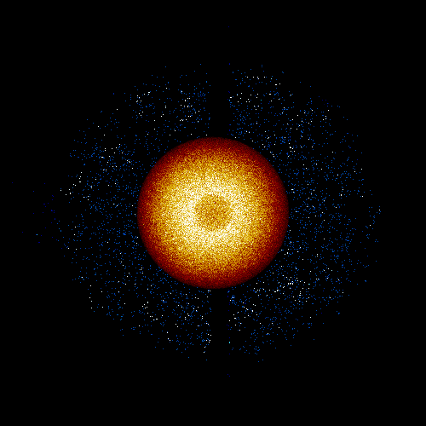
 | 2.13653E-03 | 0.05315 |  |  | Ga | 2.2105E-03
IMP_KEFF | 9.99836E-01 | 0.00138 |  |  | C | 3.0246E-04
COL_KEFF | 1.00269E+00 | 0.00153 |  |  | Fe | 3.2525E-04
ABS_KEFF | 9.99836E-01 | 0.00138 |  |  | W | 7.4100E-05
ABS_KINF | 3.15913E+00 | 0.00076 |  |  | Ni | 1.4187E-03
GEOM_ALBEDO | 1.00000E+00 | 0.0E+00 |  |  | Beryllium Reflector
 | 1.00000E+00 | 0.0E+00 |  |  | Overall Mass Density (g/cm3) | 1.8169
 | 1.00000E+00 | 0.0E+00 |  |  | Name | Atom Density (atoms/cm3)
 |  |  |  |  | Be-9 | 1.2081E-01
Neutron Settings |  |  |  |  | O-16 | 8.2064E-05
Creator | Chris |  | Benchmark PDF (MCNP) |  | C | 1.0020E-04
Code | Serpent 2 |  | MCNP |  | Fe | 5.0939E-05
Setting | Value |  | Value |  | Steel Diaphragm & Shaft
Neutrons per cycle | 5000 |  | 1000 |  | Overall Mass Density (g/cm3) | 7.5278
Cycles | 100 |  | 1010 |  | Name | Atom Density (atoms/cm3)
Inactive cycles | 20 |  | 10 |  | Fe (99.05% density) | 8.1174E-02
Total neutrons | 400000 |  | 1000000 |  | Steel Diaphragm & Shaft
 |  |  |  |  | Overall Mass Density (g/cm3) | 8.6913
 |  |  |  |  | Name | Atom Density (atoms/cm3)
 |  |  |  |  | Fe (99.9% density) | 8.2365E-02

