Sheet1
 | Queries and their outputs used for Rockbuster report

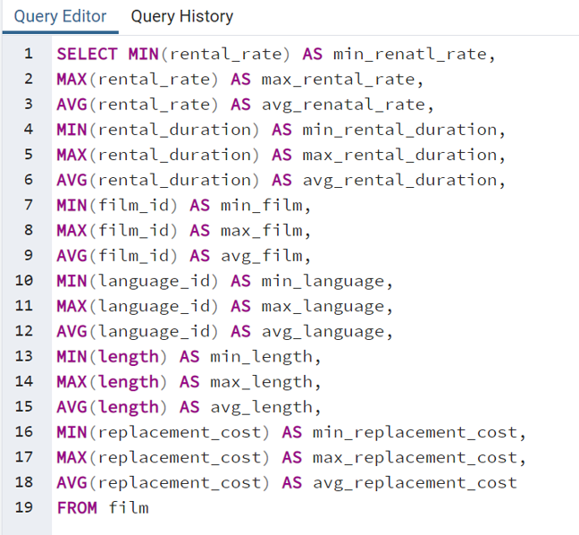
 | Film table statistics query
Query

 |  |  |  |  | Film table numeric
Output | min_renatl_rate | max_rental_rate | avg_renatal_rate | min_rental_duration | max_rental_duration | avg_rental_duration | min_film | max_film | avg_film | min_language | max_language | avg_language
 | 0.99 | 4.99 | 2.98 | 3 | 7 | 4.985 | 1 | 1000 | 500.5 | 1 | 1 | 1
 |  |  |  |  | Film table numeric
 | min_length | max_length | avg_length | min_replacement_cost | max_replacement_cost | avg_replacement_cost
 | 46 | 185 | 115.272 | 9.99 | 29.99 | 19.984

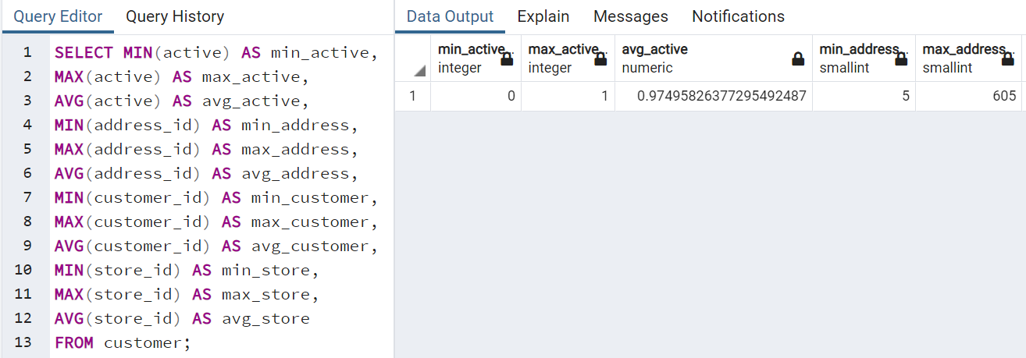
 | Customer table statistics query
Query

 |  |  |  |  | Customer Table numeric
Output | min_active | max_active | avg_active | min_address | max_address | avg_address | min_customer | max_customer | avg_customer | min_store | max_store | avg_store
 | 0 | 1 | 0.97495826377 | 5 | 605 | 304.7245409 | 1 | 599 | 300 | 1 | 2 | 1.4557595993

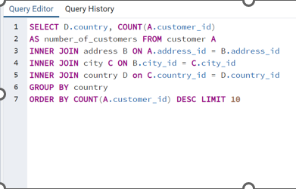
 | Steps for 3.7
 | top 10 countries for rockbuster customer numbers |  |  | **Ran also for all country customer counts by removing "DESC LIMIT 10" from the end of the query**
Query

Output | Country | Number of Customers
 | India | 60
 | China | 53
 | United States | 36
 | Japan | 31
 | Mexico | 30
 | Brazil | 28
 | Russian Federation | 28
 | Philippines | 20
 | Turkey | 15
 | Indonesia | 14

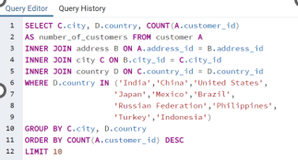
 | top 10 cities in top 10 countries |  |  | **Ran for all cities but didn’t make sense to include given context**
Query

Output | City | Customer Count
 | Aurora | 2
 | Shimoga | 1
 | Aparecida de Goinia | 1
 | Emeishan | 1
 | Pontianak | 1
 | Tarsus | 1
 | Atlixco | 1
 | Zalantun | 1
 | Rio Claro | 1
 | Tokat | 1

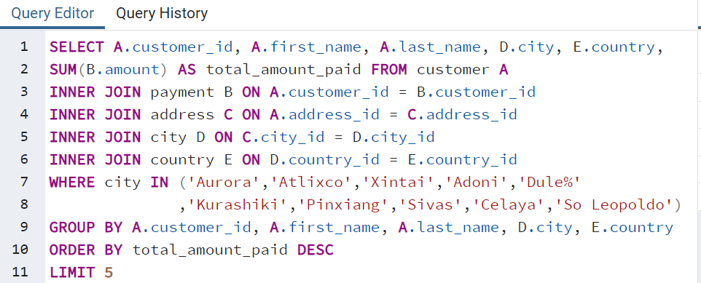
 | Top 5 customers in top 10 cities
Query

 |  |  |  |  |  | **removed the limiter of top 5 customers but just limited to top cities customers**
Output

Bonus table | Current cost of other streaming platforms |  | **No Query, online data collection** Link to data source in power point
 | Platform | Cost per month
 | Netflix | 8.99
 | Hulu | 5.99
 | Amazon Prime | 8.99
 | Disney Plus | 7.99
 | Apple TV | 4.99

