Summary
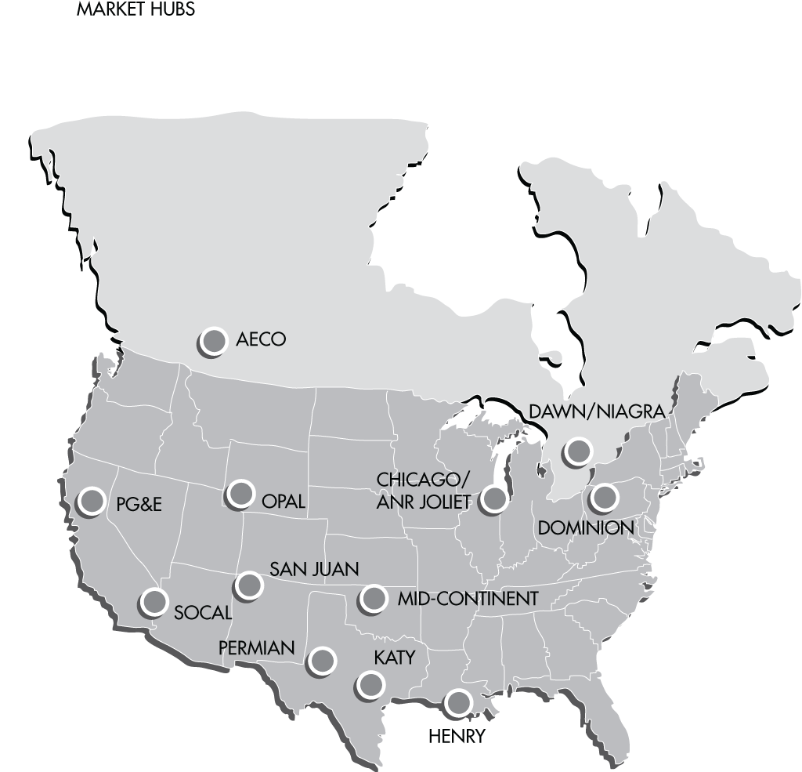
 | Henry USD/MMBtu | AECO 5A USD/MMBtu | AECO 5A Cad/GJ
2018-01-01 | 3.58 | 2.8248 | 3.3518
2018-01-02 | 3.58 | 1.7509 | 2.0754
2018-01-03 | 6.625 | 1.5555 | 1.848
2018-01-04 | 6.875 | 1.5478 | 1.8377
2018-01-05 | 4.42 | 1.3134 | 1.5431
2018-01-06 | 2.9 | 1.3134 | 1.5431
2018-01-07 | 2.9 | 1.3134 | 1.5431
2018-01-08 | 2.9 | 1.2697 | 1.4953
2018-01-09 | 2.88 | 1.6434 | 1.9407
2018-01-10 | 2.9 | 1.799 | 2.129
2018-01-11 | 3.105 | 2.4851 | 2.9506
2018-01-12 | 3.235 | 1.6301 | 1.9342
2018-01-13 | 4.015 | 1.6301 | 1.9342
2018-01-14 | 4.015 | 1.6301 | 1.9342
2018-01-15 | 4.015 | 1.6301 | 1.9342
2018-01-16 | 4.015 | 1.5458 | 1.8201
2018-01-17 | 5.095 | 1.6316 | 1.9235
2018-01-18 | 3.865 | 1.4791 | 1.7443
2018-01-19 | 3.375 | 1.5386 | 1.8165
2018-01-20 | 3.18 | 1.5386 | 1.8165
2018-01-21 | 3.18 | 1.5386 | 1.8165
2018-01-22 | 3.18 | 1.6459 | 1.9442
2018-01-23 | 3.13 | 1.6979 | 2.0044
2018-01-24 | 3.365 | 1.7728 | 2.0767
2018-01-25 | 3.555 | 1.8257 | 2.1311
2018-01-26 | 3.57 | 1.9484 | 2.2754
2018-01-27 | 3.51 | 1.9484 | 2.2754
2018-01-28 | 3.51 | 1.9484 | 2.2754
2018-01-29 | 3.51 | 1.8702 | 2.1876
2018-01-30 | 3.555 | 1.8232 | 2.1326
2018-01-31 | 3.595 | 1.86 | 2.1671
2018-02-01 | 3.205 | 1.8941 | 2.2047
2018-02-02 | 3.015 | 1.5548 | 1.8265
2018-02-03 | 2.855 | 1.5548 | 1.8265
2018-02-04 | 2.855 | 1.5548 | 1.8265
2018-02-05 | 2.855 | 1.5863 | 1.877
2018-02-06 | 2.79 | 1.5484 | 1.84
2018-02-07 | 2.745 | 1.5693 | 1.8663
2018-02-08 | 2.725 | 1.7824 | 2.1296
2018-02-09 | 2.715 | 1.7242 | 2.0598
2018-02-10 | 2.61 | 1.7242 | 2.0598
2018-02-11 | 2.61 | 1.7242 | 2.0598
2018-02-12 | 2.61 | 1.5577 | 1.8621
2018-02-13 | 2.56 | 1.6053 | 1.9173
2018-02-14 | 2.575 | 1.6073 | 1.9141
2018-02-15 | 2.505 | 1.6872 | 2.002
2018-02-16 | 2.49 | 1.626 | 1.9318
2018-02-17 | 2.475 | 1.626 | 1.9318
2018-02-18 | 2.475 | 1.626 | 1.9318
2018-02-19 | 2.475 | 1.626 | 1.9318
2018-02-20 | 2.475 | 1.7376 | 2.0787
2018-02-21 | 2.615 | 1.8779 | 2.2568
2018-02-22 | 2.645 | 1.687 | 2.0317
2018-02-23 | 2.6 | 1.6257 | 1.9505
2018-02-24 | 2.55 | 1.6257 | 1.9505
2018-02-25 | 2.55 | 1.6257 | 1.9505
2018-02-26 | 2.55 | 1.5553 | 1.8712
2018-02-27 | 2.585 | 1.6279 | 1.9673
2018-02-28 | 2.595 | 1.4472 | 1.7568
2018-03-01 | 2.61 | 1.5428 | 1.8774
2018-03-02 | 2.61 | 1.579 | 1.9281
2018-03-03 | 2.63 | 1.579 | 1.9281
2018-03-04 | 2.63 | 1.579 | 1.9281
2018-03-05 | 2.63 | 1.5018 | 1.8479
2018-03-06 | 2.665 | 1.5226 | 1.8607
2018-03-07 | 2.73 | 1.5525 | 1.912
2018-03-08 | 2.77 | 1.6044 | 1.9672
2018-03-09 | 2.71 | 1.547 | 1.8803
2018-03-10 | 2.685 | 1.547 | 1.8803
2018-03-11 | 2.685 | 1.547 | 1.8803
2018-03-12 | 2.685 | 1.6382 | 1.9929
2018-03-13 | 2.765 | 1.5706 | 1.9246
2018-03-14 | 2.765 | 1.6319 | 2.0025
2018-03-15 | 2.655 | 1.6141 | 1.9975
2018-03-16 | 2.665 | 1.5703 | 1.9491
2018-03-17 | 2.61 | 1.5703 | 1.9491
2018-03-18 | 2.61 | 1.5703 | 1.9491
2018-03-19 | 2.61 | 1.5603 | 1.9359
2018-03-20 | 2.625 | 1.4772 | 1.8321
2018-03-21 | 2.66 | 1.4701 | 1.8054
2018-03-22 | 2.7 | 1.582 | 1.9393
2018-03-23 | 2.62 | 1.5357 | 1.8731
2018-03-24 | 2.565 | 1.5357 | 1.8731
2018-03-25 | 2.565 | 1.5357 | 1.8731
2018-03-26 | 2.565 | 1.4882 | 1.8149
2018-03-27 | 2.58 | 1.6459 | 2.0036
2018-03-28 | 2.6 | 1.6863 | 2.0597
2018-03-29 | 2.64 | 1.6892 | 2.0656
2018-03-30 | 2.64 | 1.6892 | 2.0656
2018-03-31 | 2.64 | 1.6892 | 2.0656
2018-04-01 | 2.755 | 1.6892 | 2.0656
2018-04-02 | 2.755 | 1.6618 | 2.0347
2018-04-03 | 2.72 | 1.4265 | 1.7303
2018-04-04 | 2.695 | 1.6312 | 1.9799
2018-04-05 | 2.77 | 1.6714 | 2.0245
2018-04-06 | 2.765 | 1.6845 | 2.0378
2018-04-07 | 2.775 | 1.6845 | 2.0378
2018-04-08 | 2.775 | 1.6845 | 2.0378
2018-04-09 | 2.775 | 0.5104 | 0.6145
2018-04-10 | 2.715 | 1.1195 | 1.3381
2018-04-11 | 2.69 | 1.2205 | 1.4555
2018-04-12 | 2.695 | 0.6407 | 0.7642
2018-04-13 | 2.71 | 0.6221 | 0.7433
2018-04-14 | 2.77 | 0.6221 | 0.7433
2018-04-15 | 2.77 | 0.6221 | 0.7433
2018-04-16 | 2.77 | 1.0534 | 1.2562
2018-04-17 | 2.82 | 1.0887 | 1.2946
2018-04-18 | 2.83 | 0.5849 | 0.7003
2018-04-19 | 2.845 | 0.4772 | 0.5717
2018-04-20 | 2.77 | 0.9922 | 1.1984
2018-04-21 | 2.72 | 0.9922 | 1.1984
2018-04-22 | 2.72 | 0.9922 | 1.1984
2018-04-23 | 2.72 | 0.4755 | 0.5789
2018-04-24 | 2.74 | 0.6811 | 0.8279
2018-04-25 | 2.77 | 1.4019 | 1.7103
2018-04-26 | 2.79 | 1.557 | 1.899
2018-04-27 | 2.805 | 1.5198 | 1.8527
2018-04-28 | 2.77 | 1.5198 | 1.8527
2018-04-29 | 2.77 | 1.5198 | 1.8527
2018-04-30 | 2.77 | 0.3537 | 0.4297
2018-05-01 | 2.68 | 0.1292 | 0.1576
2018-05-02 | 2.75 | 0.1057 | 0.1287
2018-05-03 | 2.735 | 0.1142 | 0.1394
2018-05-04 | 2.69 | -0.0461 | -0.0562
2018-05-05 | 2.685 | -0.0461 | -0.0562
2018-05-06 | 2.685 | -0.0461 | -0.0562
2018-05-07 | 2.685 | 0.4586 | 0.5586
2018-05-08 | 2.71 | 0.493 | 0.6058
2018-05-09 | 2.715 | 0.5471 | 0.6664
2018-05-10 | 2.725 | 0.5133 | 0.6222
2018-05-11 | 2.735 | 0.21 | 0.2544
2018-05-12 | 2.755 | 0.21 | 0.2544
2018-05-13 | 2.755 | 0.21 | 0.2544
2018-05-14 | 2.755 | 0.1238 | 0.1498
2018-05-15 | 2.825 | 0.7374 | 0.8994
2018-05-16 | 2.835 | 1.5274 | 1.8572
2018-05-17 | 2.775 | 1.5708 | 1.908
2018-05-18 | 2.72 | 1.3712 | 1.675
2018-05-19 | 2.755 | 1.3712 | 1.675
2018-05-20 | 2.755 | 1.3712 | 1.675
2018-05-21 | 2.755 | 1.3712 | 1.675
2018-05-22 | 2.77 | 1.0239 | 1.2399
2018-05-23 | 2.785 | 1.6263 | 1.9859
2018-05-24 | 2.86 | 1.5842 | 1.9382
2018-05-25 | 2.87 | 1.3662 | 1.6795
2018-05-26 | 2.89 | 1.3662 | 1.6795
2018-05-27 | 2.89 | 1.3662 | 1.6795
2018-05-28 | 2.89 | 1.3662 | 1.6795
2018-05-29 | 2.89 | 1.4516 | 1.7924
2018-05-30 | 2.825 | 1.4817 | 1.8035
2018-05-31 | 2.83 | 1.5459 | 1.9002
2018-06-01 | 2.885 | 1.0674 | 1.31
2018-06-02 | 2.895 | 1.0674 | 1.31
2018-06-03 | 2.895 | 1.0674 | 1.31
2018-06-04 | 2.895 | -0.017 | -0.0208
2018-06-05 | 2.905 | 0.4182 | 0.5156
2018-06-06 | 2.865 | 0.8571 | 1.0486
2018-06-07 | 2.85 | 0.806 | 0.9922
2018-06-08 | 2.93 | 0.5238 | 0.6434
2018-06-09 | 2.86 | 0.5238 | 0.6434
2018-06-10 | 2.86 | 0.5238 | 0.6434
2018-06-11 | 2.86 | 0.2774 | 0.3414
2018-06-12 | 2.95 | 0.715 | 0.8802
2018-06-13 | 2.92 | 1.0412 | 1.2793
2018-06-14 | 2.94 | 0.7514 | 0.9309
2018-06-15 | 2.955 | 0.5213 | 0.6507
2018-06-16 | 2.975 | 0.5213 | 0.6507
2018-06-17 | 2.975 | 0.5213 | 0.6507
2018-06-18 | 2.975 | -0.0248 | -0.0311
2018-06-19 | 2.97 | 0.2669 | 0.3356
2018-06-20 | 2.905 | 0.7029 | 0.8857
2018-06-21 | 2.95 | 1.1375 | 1.4366
2018-06-22 | 3 | 1.2846 | 1.6217
2018-06-23 | 2.94 | 1.2846 | 1.6217
2018-06-24 | 2.94 | 1.2846 | 1.6217
2018-06-25 | 2.94 | 1.2864 | 1.6233
2018-06-26 | 2.93 | 0.7632 | 0.9615
2018-06-27 | 2.93 | 0.5689 | 0.7171
2018-06-28 | 2.995 | 0.9143 | 1.1487
2018-06-29 | 2.965 | 1.2909 | 1.608
2018-06-30 | 2.965 | 1.2909 | 1.608
2018-07-01 | 2.9 | 1.2909 | 1.608
2018-07-02 | 2.9 | 1.2909 | 1.608
2018-07-03 | 2.87 | 0.9766 | 1.2176
2018-07-04 | 2.865 | 0.9766 | 1.2176
2018-07-05 | 2.865 | 1.1079 | 1.3784
2018-07-06 | 2.86 | 0.877 | 1.0881
2018-07-07 | 2.85 | 0.877 | 1.0881
2018-07-08 | 2.85 | 0.877 | 1.0881
2018-07-09 | 2.85 | 0.9785 | 1.216
2018-07-10 | 2.855 | 1.2895 | 1.6035
2018-07-11 | 2.845 | 1.4072 | 1.7511
2018-07-12 | 2.835 | 1.3078 | 1.6312
2018-07-13 | 2.84 | 1.0059 | 1.2557
2018-07-14 | 2.8 | 1.0059 | 1.2557
2018-07-15 | 2.8 | 1.0059 | 1.2557
2018-07-16 | 2.8 | 0.7082 | 0.8814
2018-07-17 | 2.74 | 0.9571 | 1.1973
2018-07-18 | 2.785 | 1.2119 | 1.5168
2018-07-19 | 2.725 | 1.0761 | 1.3538
2018-07-20 | 2.715 | 0.6993 | 0.872
2018-07-21 | 2.76 | 0.6993 | 0.872
2018-07-22 | 2.76 | 0.6993 | 0.872
2018-07-23 | 2.76 | 1.214 | 1.513
2018-07-24 | 2.705 | 1.3348 | 1.6656
2018-07-25 | 2.72 | 1.2607 | 1.5659
2018-07-26 | 2.775 | 1.1467 | 1.4219
2018-07-27 | 2.775 | 0.604 | 0.7475
2018-07-28 | 2.78 | 0.604 | 0.7475
2018-07-29 | 2.78 | 0.604 | 0.7475
2018-07-30 | 2.78 | 1.1107 | 1.37
2018-07-31 | 2.755 | 1.0619 | 1.3104
2018-08-01 | 2.815 | 0.9465 | 1.1669
2018-08-02 | 2.8 | 1.0325 | 1.2727
2018-08-03 | 2.79 | 0.642 | 0.7896
2018-08-04 | 2.84 | 0.642 | 0.7896
2018-08-05 | 2.84 | 0.642 | 0.7896
2018-08-06 | 2.84 | 0.642 | 0.7896
2018-08-07 | 2.865 | 1.0975 | 1.3541
2018-08-08 | 2.925 | 0.624 | 0.7726
2018-08-09 | 2.97 | 1.0743 | 1.3282
2018-08-10 | 2.985 | 0.8049 | 1.0013
2018-08-11 | 2.92 | 0.8049 | 1.0013
2018-08-12 | 2.92 | 0.8049 | 1.0013
2018-08-13 | 2.92 | 0.8978 | 1.118
2018-08-14 | 2.92 | 1.1325 | 1.407
2018-08-15 | 2.975 | 1.2186 | 1.5195
2018-08-16 | 3.01 | 1.0349 | 1.2895
2018-08-17 | 2.985 | 0.2657 | 0.3294
2018-08-18 | 2.965 | 0.2657 | 0.3294
2018-08-19 | 2.965 | 0.2657 | 0.3294
2018-08-20 | 2.965 | 0.6579 | 0.8157
2018-08-21 | 2.985 | 0.3343 | 0.4134
2018-08-22 | 3.01 | 1.0498 | 1.2949
2018-08-23 | 2.99 | 0.9016 | 1.1157
2018-08-24 | 2.965 | 0.1492 | 0.1841
2018-08-25 | 2.965 | 0.1492 | 0.1841
2018-08-26 | 2.965 | 0.1492 | 0.1841
2018-08-27 | 2.965 | 0.8968 | 1.1022
2018-08-28 | 2.95 | 0.7261 | 0.8892
2018-08-29 | 2.93 | 0.6152 | 0.7546
2018-08-30 | 2.96 | 0.1658 | 0.2042
2018-08-31 | 2.9 | 0.4921 | 0.6098
2018-09-01 | 2.93 | 0.4921 | 0.6098
2018-09-02 | 2.93 | 0.4921 | 0.6098
2018-09-03 | 2.93 | 0.4921 | 0.6098
2018-09-04 | 2.93 | 0.8492 | 1.061
2018-09-05 | 2.96 | 0.8831 | 1.1038
2018-09-06 | 2.945 | 0.7767 | 0.9728
2018-09-07 | 2.875 | 0.2495 | 0.3115
2018-09-08 | 2.835 | 0.2495 | 0.3115
2018-09-09 | 2.835 | 0.2495 | 0.3115
2018-09-10 | 2.835 | 0.9363 | 1.168
2018-09-11 | 2.85 | 0.746 | 0.9288
2018-09-12 | 2.89 | 1.0858 | 1.3384
2018-09-13 | 2.93 | 1.138 | 1.403
2018-09-14 | 2.93 | 1.2271 | 1.5164
2018-09-15 | 2.855 | 1.2271 | 1.5164
2018-09-16 | 2.855 | 1.2271 | 1.5164
2018-09-17 | 2.855 | 0.8059 | 0.9943
2018-09-18 | 2.905 | 0.817 | 1.0052
2018-09-19 | 2.97 | 1.1778 | 1.4443
2018-09-20 | 3.055 | 1.0967 | 1.343
2018-09-21 | 3 | 1.1248 | 1.3767
2018-09-22 | 3.02 | 1.1248 | 1.3767
2018-09-23 | 3.02 | 1.1248 | 1.3767
2018-09-24 | 3.02 | 1.3088 | 1.6046
2018-09-25 | 3.04 | 1.4908 | 1.8289
2018-09-26 | 3.13 | 1.6735 | 2.0562
2018-09-27 | 3.13 | 1.8805 | 2.3232
2018-09-28 | 3.07 | 1.8367 | 2.2498
2018-09-29 | 3.07 | 1.8367 | 2.2498
2018-09-30 | 3.07 | 1.8367 | 2.2498
2018-10-01 | 2.99 | 1.8516 | 2.2462
2018-10-02 | 3.105 | 2.095 | 2.5448
...

