Datasets
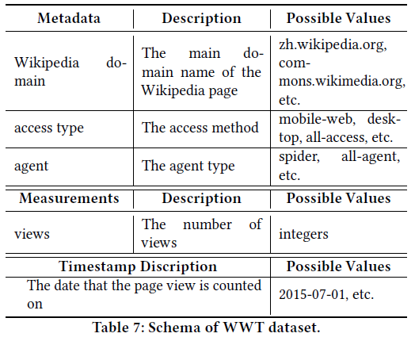
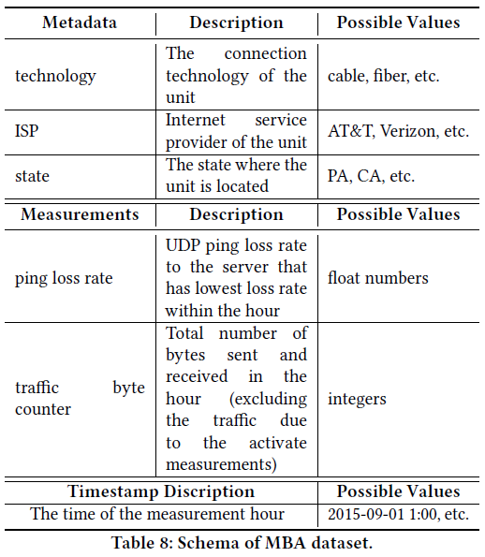
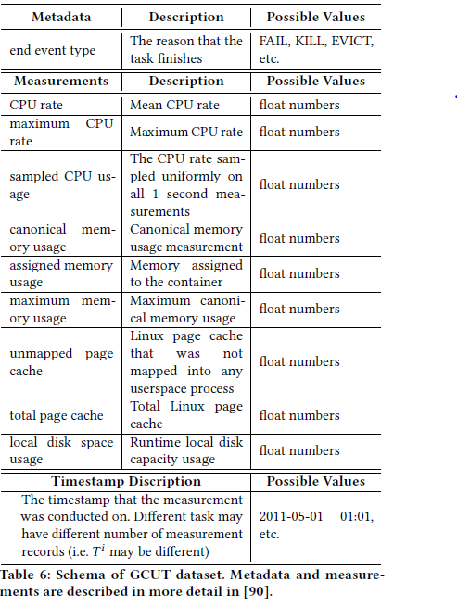
 | web |  |  | FCC_MBA |  |  | google
 | DIM | TYPE | NORMALIZATION | DIM | TYPE | NORMALIZATION | DIM | TYPE | NORMALIZATION
ATTRIBUTES
attribute_0 | 9 | DISCRETE | None | 15 | DISCRETE | None | 4 | DISCRETE | None
attribute_1 | 3 | DISCRETE | None | 5 | DISCRETE | None
attribute_2 | 2 | DISCRETE | None | 53 | DISCRETE | None

FEATURES
feature_0 | 1 | CONTINUOUS | MINUSONE_ONE | 1 | CONTINUOUS | ZERO_ONE | 1 | CONTINUOUS | ZERO_ONE
feature_1 |  |  |  | 1 | CONTINUOUS | ZERO_ONE | 1 | CONTINUOUS | ZERO_ONE
feature_2 |  |  |  |  |  |  | 1 | CONTINUOUS | ZERO_ONE
feature_3 |  |  |  |  |  |  | 1 | CONTINUOUS | ZERO_ONE
feature_4 |  |  |  |  |  |  | 1 | CONTINUOUS | ZERO_ONE
feature_5 |  |  |  |  |  |  | 1 | CONTINUOUS | ZERO_ONE
feature_6 |  |  |  |  |  |  | 1 | CONTINUOUS | ZERO_ONE
feature_7 |  |  |  |  |  |  | 1 | CONTINUOUS | ZERO_ONE
feature_8 |  |  |  |  |  |  | 1 | CONTINUOUS | ZERO_ONE

Average Autocorrelation
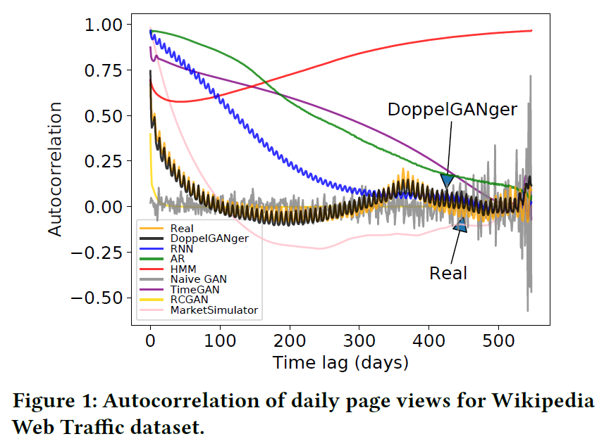
 | web |  |  | FCC_MBA |  |  | google
 | possible | reproducable1 | satisfaction | possible | reproducable1 | satisfaction | possible | reproducable1 | satisfaction
feature_0
feature_1
feature_2
feature_3
feature_4
feature_5
feature_6
feature_7
feature_8

1if described in paper

Sequence Length
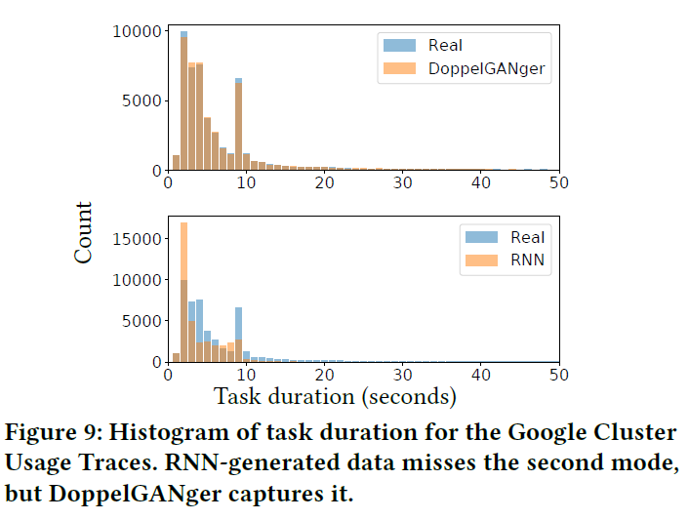
 | web |  |  | FCC_MBA |  |  | google
 | possible | reproducable1 | satisfaction | possible | reproducable1 | satisfaction | possible | reproducable1 | satisfaction
gen_flag

Measurement Distribution
 | web |  |  | FCC_MBA |  |  | google
 | possible | reproducable1 | satisfaction | possible | reproducable1 | satisfaction | possible | reproducable1 | satisfaction
feature_0
feature_1
feature_2
feature_3
feature_4
feature_5
feature_6
feature_7
feature_8
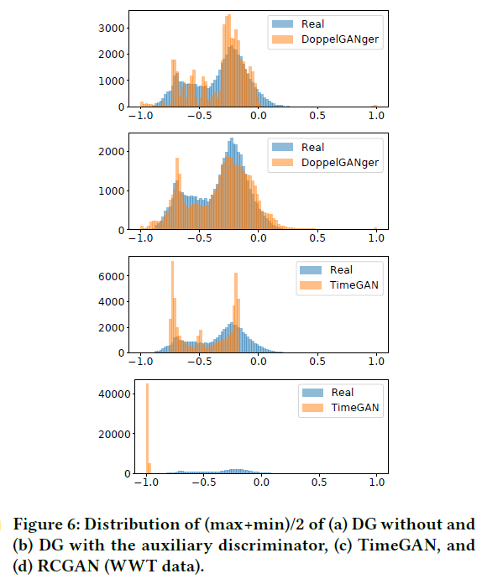
1if described in paper

Metadata Distribution
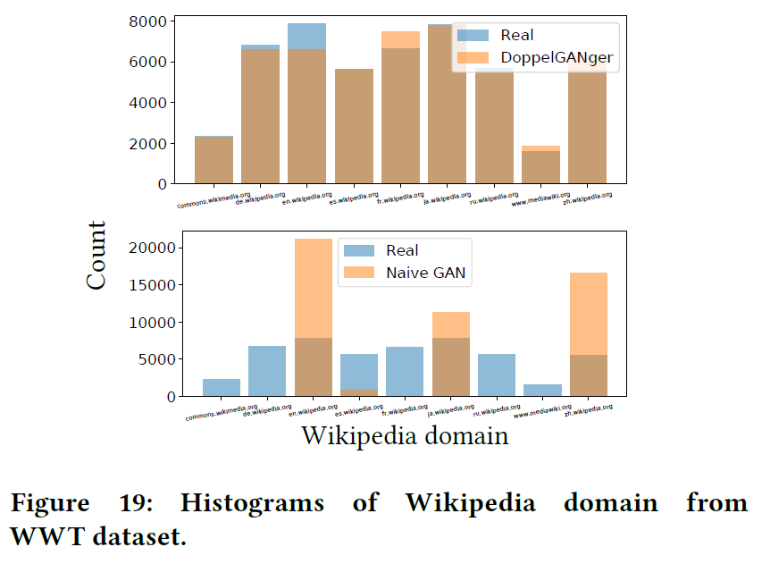
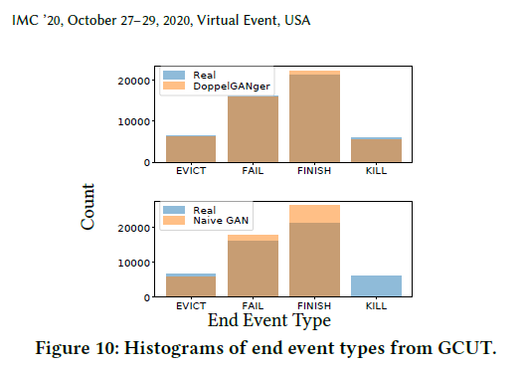
 | web |  |  | FCC_MBA |  |  | google
 | possible | reproducable1 | satisfaction | possible | reproducable1 | satisfaction | possible | reproducable1 | satisfaction
attribute_0
attribute_1
attribute_2

1if described in paper

Meas-Meta Correlation
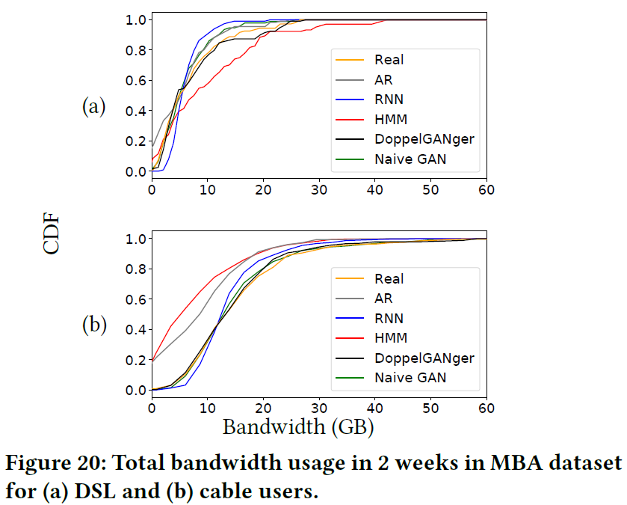
web |  |  |  | FCC_MBA |  |  |  | google
features / attributes | possible | reproducable1 | satisfaction | features / attributes | possible | reproducable1 | satisfaction | features / attributes | possible | reproducable1 | satisfaction

Nearest Neighbor
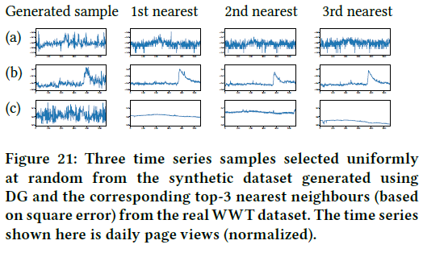
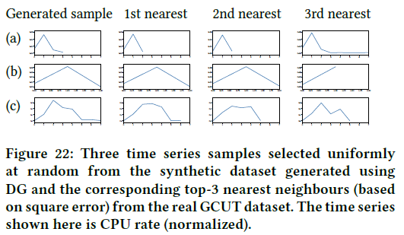
 | web |  |  | FCC_MBA |  |  | google
 | possible | reproducable1 | satisfaction | possible | reproducable1 | satisfaction | possible | reproducable1 | satisfaction
feature_0
feature_1
feature_2
feature_3
feature_4
feature_5
feature_6
feature_7
feature_8

Resource Costs
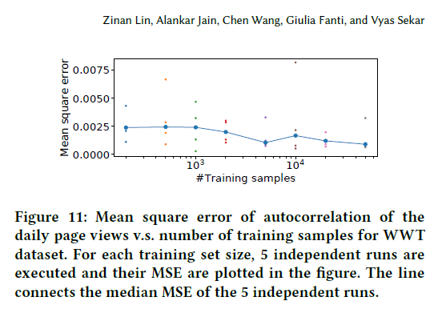
MSE_AUTOCORRELATION | web |  |  | FCC_MBA |  |  | google
 | possible | reproducable1 | satisfaction | possible | reproducable1 | satisfaction | possible | reproducable1 | satisfaction
feature_0
feature_1
feature_2
feature_3
feature_4
feature_5
feature_6
feature_7
feature_8

