test1
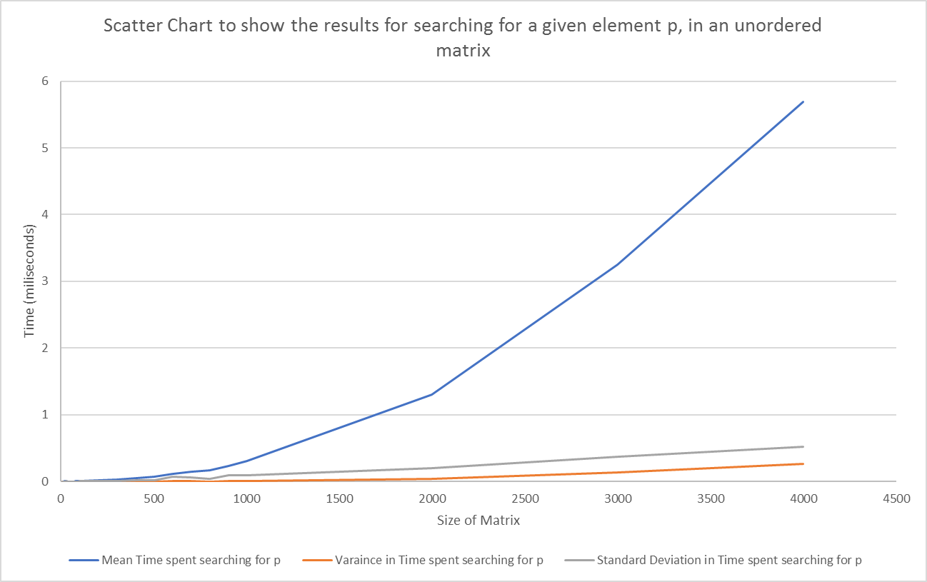
Scatter Chart to show the results for searching for a given element p, in an unordered matrix
Matrix Size | Mean Time spent searching for p | Varaince in Time spent searching for p | Standard Deviation in Time spent searching for p
10 | 0.001434 | 0.000004 | 0.002103
20 | 0.002433 | 0 | 0.000522
30 | 0.002926 | 0.000066 | 0.008152
40 | 0.000471 | 0 | 0.000159
50 | 0.000671 | 0 | 0.000521
60 | 0.001052 | 0.000001 | 0.000976
70 | 0.001262 | 0 | 0.000515
80 | 0.002273 | 0.000001 | 0.001221
90 | 0.002756 | 0.000005 | 0.002167
100 | 0.003752 | 0.00001 | 0.003153
200 | 0.013868 | 0.000064 | 0.00798
300 | 0.027725 | 0.000083 | 0.009119
400 | 0.051114 | 0.000352 | 0.018759
500 | 0.072541 | 0.000378 | 0.019447
600 | 0.119092 | 0.005251 | 0.072464
700 | 0.145551 | 0.004198 | 0.064795
800 | 0.17142 | 0.002025 | 0.045005
900 | 0.233588 | 0.00859 | 0.092681
1000 | 0.304151 | 0.009689 | 0.098434
2000 | 1.307639 | 0.04191 | 0.20472
3000 | 3.248233 | 0.141074 | 0.375598
4000 | 5.68691 | 0.269383 | 0.519021

