test2
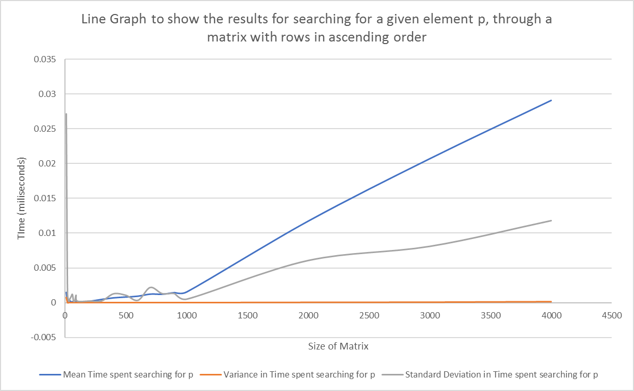
Size of Matrix | Mean Time spent searching for p | Variance in Time spent searching for p | Standard Deviation in Time spent searching for p
10 | 0.001512 | 0.000736 | 0.027134
20 | 0.000252 | 0.000001 | 0.001144
30 | 0.000258 | 0 | 0.000196
40 | 0.00031 | 0 | 0.000537
50 | 0.000141 | 0.000001 | 0.000856
60 | 0.000185 | 0.000001 | 0.001161
70 | 0.000128 | 0 | 0.000187
80 | 0.000127 | 0 | 0.000187
Line Graph to show the results for searching for a given element p, through a matrix with rows in ascending order
90 | 0.000195 | 0.000001 | 0.001047
100 | 0.000138 | 0 | 0.000197
200 | 0.000239 | 0 | 0.000201
300 | 0.000503 | 0 | 0.000228
400 | 0.000738 | 0.000002 | 0.00126
500 | 0.000852 | 0.000001 | 0.001036
600 | 0.000975 | 0 | 0.000317
700 | 0.001269 | 0.000005 | 0.00216
800 | 0.001251 | 0.000002 | 0.001271
900 | 0.001487 | 0.000002 | 0.001286
1000 | 0.001571 | 0 | 0.000476
2000 | 0.011742 | 0.000037 | 0.006043
3000 | 0.020697 | 0.000065 | 0.008072
4000 | 0.029075 | 0.000139 | 0.011777

