Instructions
Instructions |  | Sheets Key

To Add an ID |  | Instructions | Explains how to use this excel
 |  | Bug Total | View all IPS data
1 | Type the project ID into the 'Project Number' column on the page (shown below in the red outline). | QA Revamp | Adam - QA Revamp team's page
 |  | Turks | Bektas and the Young Turks team's page
2 | Right click the project 'Filter' column (shown below in the yellow outline) and click 'Refresh'. | Gregarious | The Gregarious 7 team's page
 |  | Operations | Operation Cake Icing team's page
3 | Your new ID should appear in this box and can now be used in the table.
 |  | EXCEPTION: Certain project numbers may not be pulled especially if their project numbers are unique (still working through this)
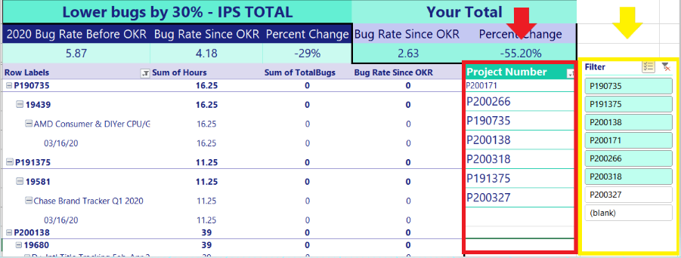

To Remove an ID

1 | Delete the ID from the 'Project Number' column (shown above in the red outline).

2 | Make sure there are no spaces between IDs. If there is a space in the middle of the column, you can highlight the IDs below the empty cell, and cut and paste them in the empty cell (replacing the space).

3 | Check to make sure the green corner marker (highlighted below in yellow) doesn’t end on an empty space because this will cause an error.

4 | If your green corner marker is in the wrong spot, you can drag this marker by clicking on it.

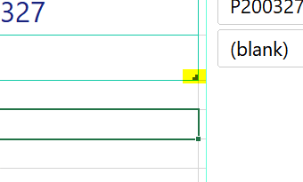

To Filter the Table

1 | Click the 'Multicheck' button ( ) to select multiple items at once within the Filter box. Toggle on = Allows multiple tables | Toggle off = One Table

2 | Click the 'Clear Filter' button ( ) to clear the filter.

3 | When a project ID within the Filter is teal, it means that it is included in the filter and will show up in the table.

4 | When a project ID within the Filter is white, it means that it is not included in the filter and will not show up in the table.

5 | The '(blank)' button means no filter. When selected, it will show all projects in the dataset.

Bug Total
 |  | Lower bugs by 30%
 |  | Bug Rate | 2020 Bug Rate Before OKR | Bug Rate Since OKR
 |  | 7.2 | 5.87 | 4.18
-29%
Percent Change
Row Labels | Bug Rate
2018 | 8.87
2019 | 7.66
2020 | 4.96
Grand Total | 7.2

