Summary
Count NaNs | 0
Count Diffs | 4

Differences | TUK11033571, TUK63028451, TUK76137551, TUK76137552
 | Each of the above has a A*3201

Except from HLA Ligand Reference Data
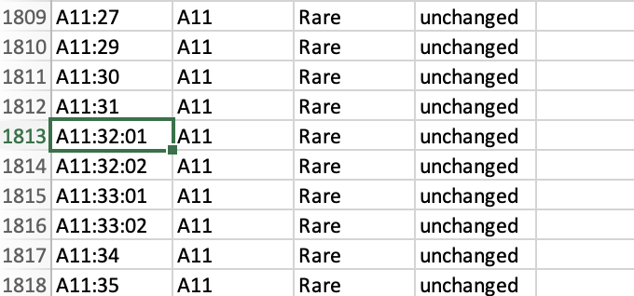

Bw4 is not captured in this Reference Table

