Gel 8-30-24
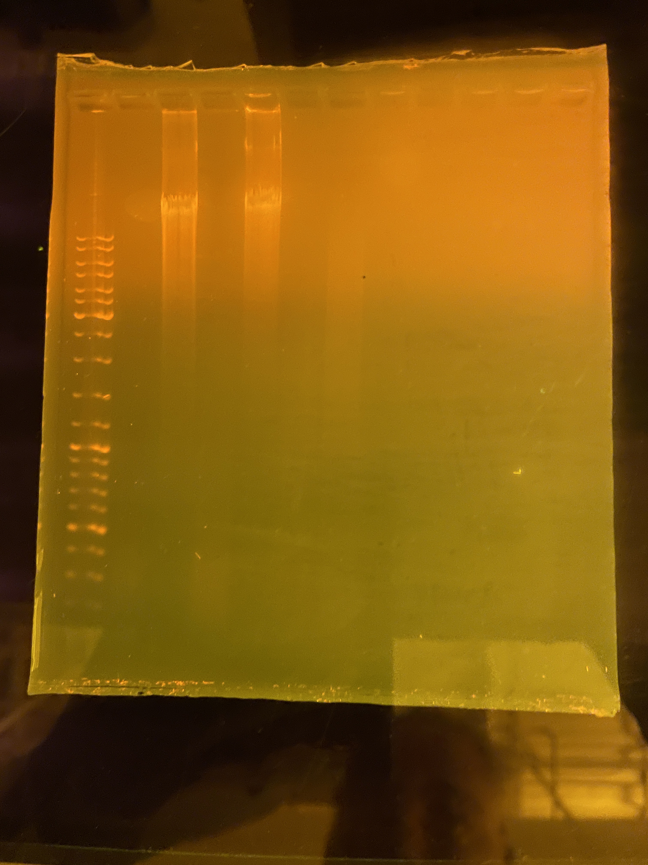
Total run time | 2.5 hours
Voltage | 100v

