Sheet1
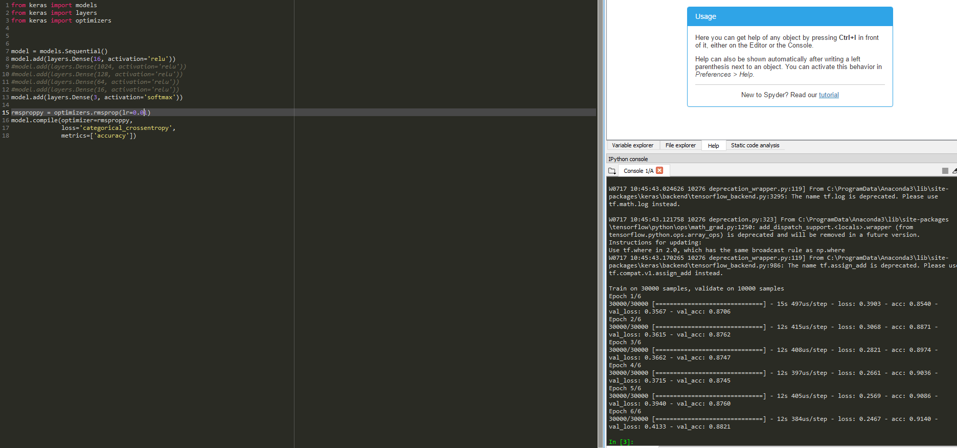

Note: Accuracy wasn't perfect but it ran the fastest overall
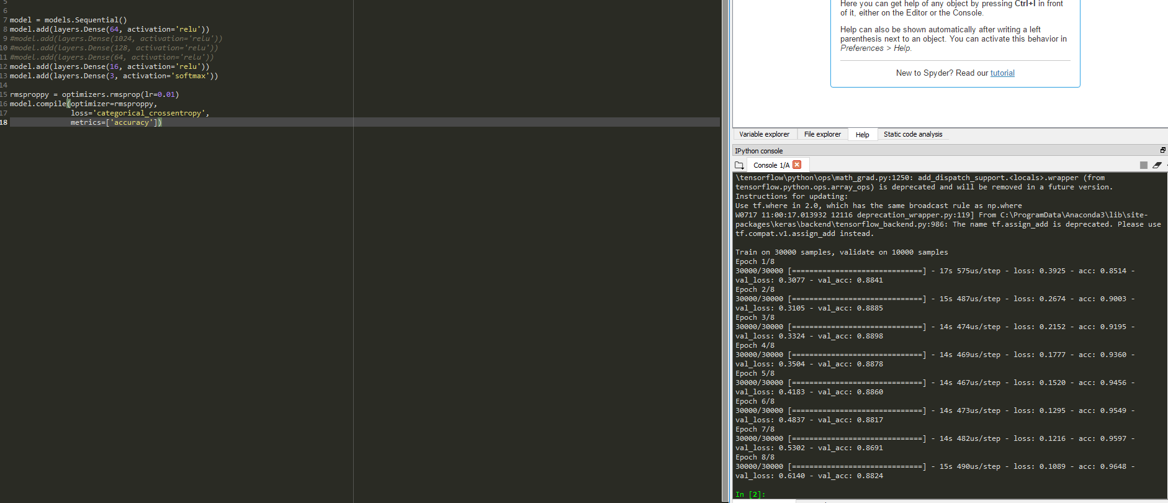

3 Layers a good job overall but notice the dip in accuracy on epoch 7

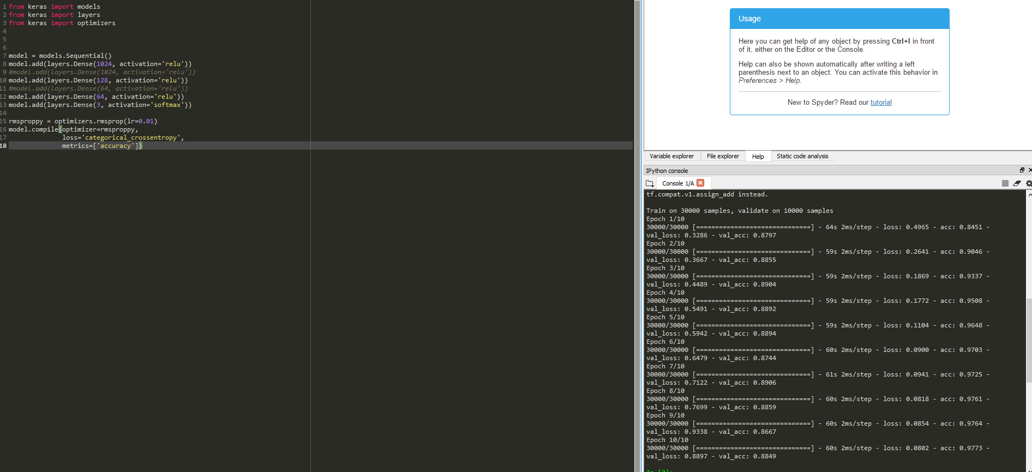

Notes: Too many hidden layers costs too much in performance for little gain in accuracy
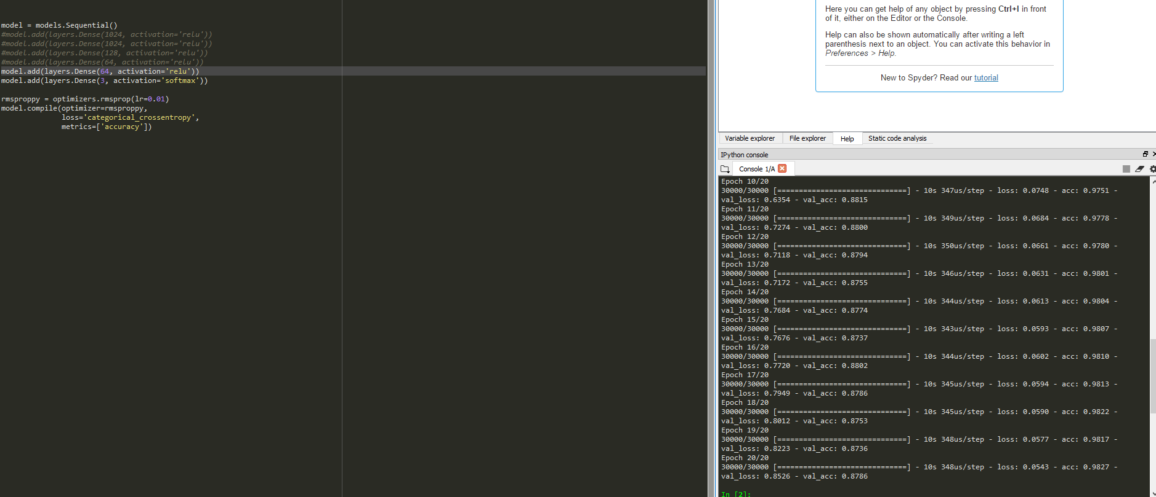

Note: Produced around same accuracy as first test case, just more epochs.


Note: 40,000 Samples using the SGD Optimizer.

SGD Optimizer: Intially has bad accruacy but slightly faster per epoch. 20+ epochs would be needed, however, for accuracy to level out.

4GB Memory on 30,000 Trained: 77%
4GB Memory on 35,000 Trained: 81%
4GB Memory on 40,000 Trained: 85%

For best results:
Optimizer = RMSProp
LR = 0.01
Layers = 3
Max Hidden Layers = 64
Epochs: 10+
Accuracy: ~88%
Time Per Epoch: 9-10s

Conclusion: By decreasing trained size, it increases performance becasuse it does not have to train on so much data. It also frees up memory use. This comes at a cost of around 2-2.5% accuracy decrease, but a substantial 120% increase in time per epoch.
Training on more data would be ideal if you have more RAM or a better GPU to utilize the Tensorflow-GPU package.

