Sheet1
2-year Printer Cost Analysis | For - Mrs Susan |  | By - Chris Nzoka-okoye | 2-year Printer Cost Analysis | For - Mr Tim |  | By - Chris Nzoka-okoye
2-Year Cost Analysis
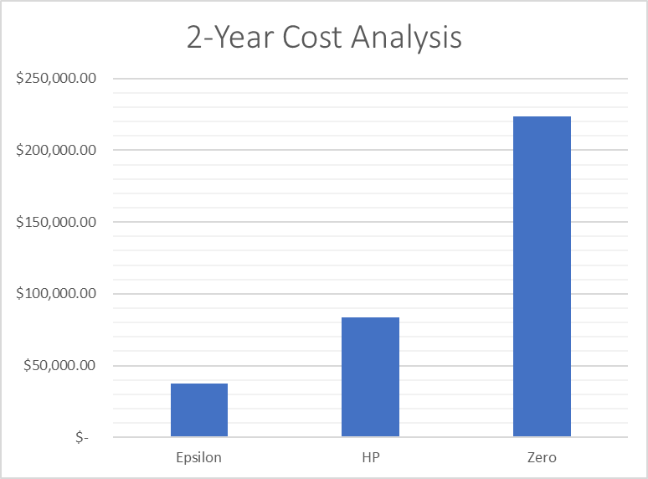
2-Year Cost Analysis
 | Epsilon | HP | Zero |  | Epsilon | HP | Zero
Purchase Price | $29.00 | $149.00 | $549.00 | Purchase Price | $29.00 | $149.00 | $549.00

Color Cattridge Cost | $40.00 | $90.00 | $370.00 | Color Cattridge Cost | $40.00 | $90.00 | $370.00
No. of Page-print per Cattridge Set | 200 | 1000 | 11000 | No. of Page-print per Cattridge Set | 200 | 1000 | 11000
Cost per Page | $5.00 | $11.11 | $29.73 | Cost per Page | $5.00 | $11.11 | $29.73

Expected Pages per Day | 15 | 15 | 15 | Expected Pages per Day | 500 | 500 | 500
Working Days in Week | 5 | 5 | 5 | Working Days in Week | 5 | 5 | 5
Working Weeks in Year | 50 | 50 | 50 | Working Weeks in Year | 50 | 50 | 50
Total Expected Pages per Year | 3750 | 3750 | 3750 | Total Expected Pages per Year | 125000 | 125000 | 125000

Cost of Printing per Year | $18,750.00 | $41,666.67 | $111,486.49 | Cost of Printing per Year | $625,000.00 | $1,388,888.89 | $3,716,216.22
No. of Years | 2 | 2 | 2 | No. of Years | 2 | 2 | 2
Total Printing Cost | $37,500.00 | $83,333.33 | $222,972.97 | Total Printing Cost | $1,250,000.00 | $2,777,777.78 | $7,432,432.43

 | Epsilon | HP | Zero |  | Epsilon | HP | Zero
Total Cost | $37,529.00 | $83,482.33 | $223,521.97 | Total Cost | $1,250,029.00 | $2,777,926.78 | $7,432,981.43

