Sheet4
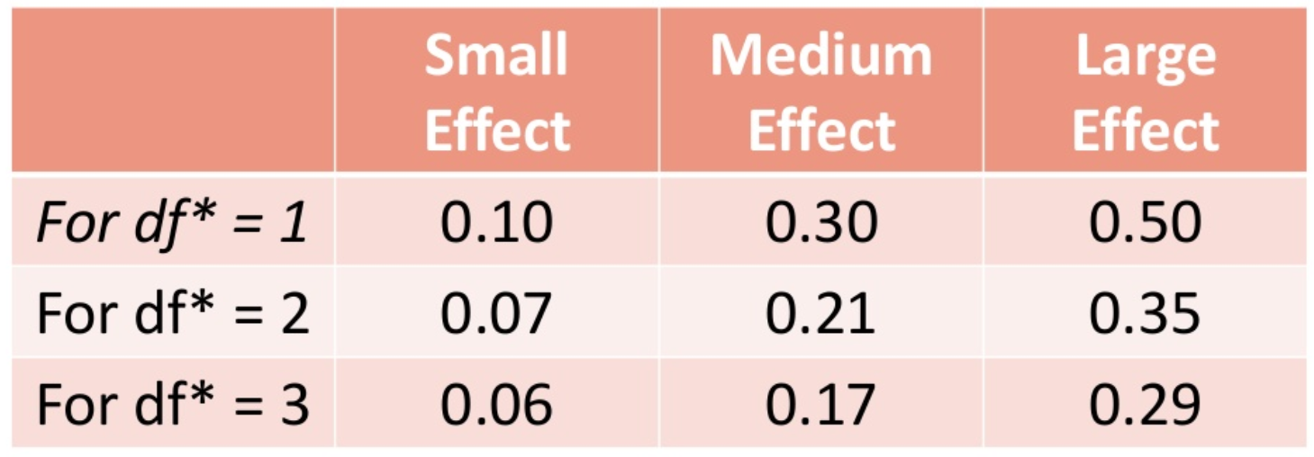
 |  |  |  |  |  | https://www.slideshare.net/jasondroesch/gw-e8ch15

Group | <= 4 | > 4 | Total
Survived | 188 | 37 | 81
Expected | 169 | 56 | 81
Not survived | 42 | 39 | 225
Expected | 61 | 20 | 225
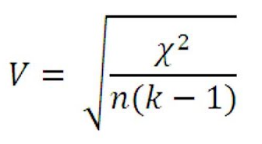
Total | 230 | 76 | 306
Diff Calculations | 2.11 | 6.38
 | 5.86 | 17.72
Chi-Squared | 32.07

Chi-Critical at 0.05 | 3.841
at 0.01 | 6.635

n | 306
k | 2
Cramer's V, Phi | 0.324

2-tailed P value | < 0.0001

Chi 2 =32.07 DF=1
The two-tailed P value is less than 0.0001
By conventional criteria, this difference is considered to be extremely statistically significant.

 |  |  |  | Group | Chi-Square | Cramer's V | Effect
 |  |  |  | <= 1 > | 27.14 | 0.298 | Small
 |  |  |  | <= 2 > | 29.72 | 0.312 | Medium
 |  |  |  | <= 3 > | 27.68 | 0.301 | Medium
 |  |  |  | <= 4 > | 32.07 | 0.324 | Medium
 |  |  |  | <= 5 > | 25.82 | 0.290 | Small
 |  |  |  | <= 6 > | 24.11 | 0.281 | Small
 |  |  |  | <= 7 > | 25.86 | 0.291 | Small

