Description
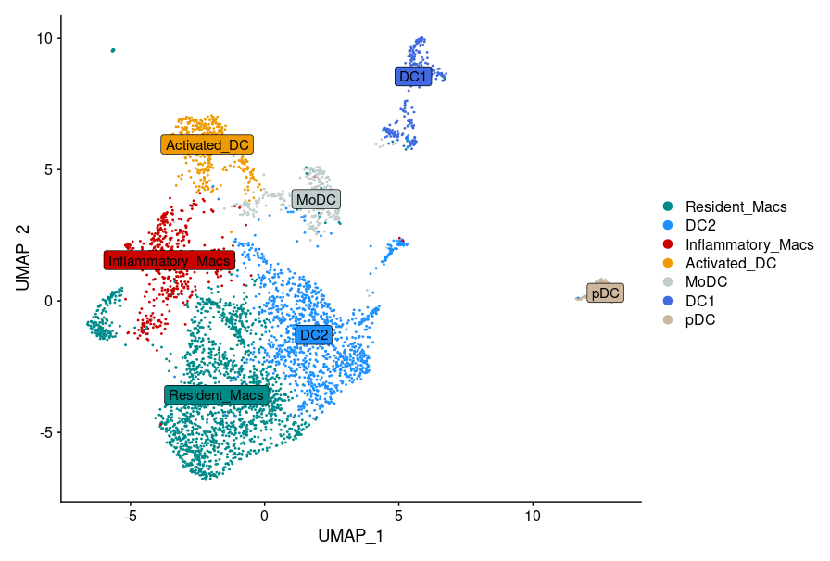
Macrophage signatures (Marker genes of human data)
Column name | Full name | Threshold
p_val | Pvalue | 0.01
avg_logFC | average log Fold Change | 0.25
pct.1 | Percentage of expression in the first group (cluster of interest) | 0.25 (25%)
pct.2 | Percentage of expression in the second group (rest of the clusters)
p_val_adj | Adjusted Pvalue | -
cluster | The name of the cluster | -
gene | The name of the gene | -

*Sheet1: Top50 marker genes of Inflammatory and Resident Macrophages used in the violin plots in Fig. 2K. Genes were converted to mouse homolgs before the calculation of signature scores in our dataset.
**Sheet2: Marker gene analysis results of the human data. Top50 marker genes shown in sheet1 are selected from this table by ranking the genes in decreasing order based on their avgLogFC values and keeping the first 50.

Marker genes were identified using a two-tailed, unpaired Wilcoxon rank sum test, as implemented in the FindAllMarkers() function of the Seurat package. In each comparison, the experimental group consisted of cells from the cluster of interest, while the control group included cells from all other clusters. Multiple testing correction was performed using the Bonferroni method.

