Description
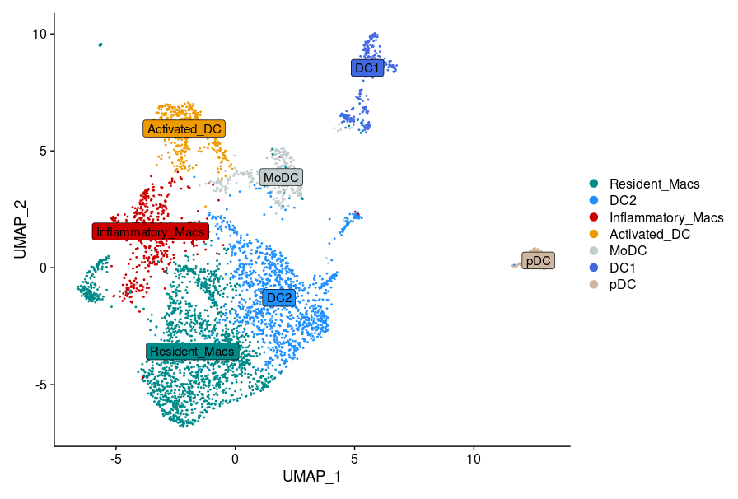
Macrophage signatures (Marker genes of human data)
Column name | Full name | Threshold
p_val | Pvalue | 0.01
avg_logFC | average log Fold Change | 0.25
pct.1 | Percentage of expression in the first group (cluster of interest) | 0.25 (25%)
pct.2 | Percentage of expression in the second group (rest of the clusters)
p_val_adj | Adjusted Pvalue | -
cluster | The name of the cluster | -
gene | The name of the gene | -

*Sheet1: Top50 marker genes of Inflammatory and Resident Macrophages used in the violin plots in Fig. 2K. Genes were converted to mouse homolgs before the calculation of signature scores in our dataset.
**Sheet2: Marker gene analysis results of the human data. Top50 marker genes shown in sheet1 are selected from this table by ranking the genes in decreasing order based on their avgLogFC values and keeping the first 50.

