IEEE 123bus
Bus data
 | Vmax(p.u.) | 1.05
 | Vmin(p.u.) | 0.95

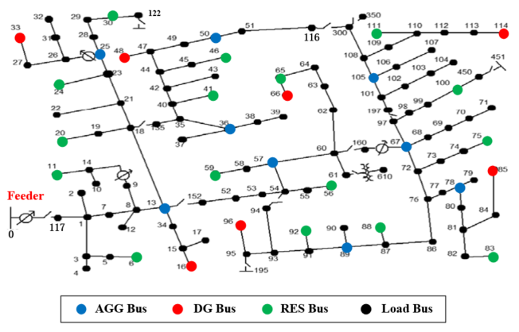
Branch data
 | No | from | to | r(p.u.) | x(p.u.)
 | 1 | 0 | 117 | 0.0020 | 0.0047
 | 2 | 117 | 1 | 0.0020 | 0.0047
 | 3 | 1 | 2 | 0.0025 | 0.0026
 | 4 | 1 | 3 | 0.0036 | 0.0037
 | 5 | 1 | 7 | 0.0015 | 0.0035
 | 6 | 3 | 4 | 0.0029 | 0.0029
 | 7 | 3 | 5 | 0.0047 | 0.0048
 | 8 | 5 | 6 | 0.0036 | 0.0037
 | 9 | 7 | 8 | 0.0010 | 0.0024
 | 10 | 8 | 12 | 0.0033 | 0.0033
 | 11 | 8 | 9 | 0.0033 | 0.0033
 | 12 | 8 | 13 | 0.0015 | 0.0035
 | 13 | 9 | 14 | 0.0062 | 0.0063
 | 14 | 13 | 34 | 0.0022 | 0.0022
 | 15 | 13 | 18 | 0.0042 | 0.0095
 | 16 | 14 | 11 | 0.0036 | 0.0037
 | 17 | 14 | 10 | 0.0036 | 0.0037
 | 18 | 15 | 16 | 0.0055 | 0.0055
 | 19 | 15 | 17 | 0.0051 | 0.0052
 | 20 | 18 | 19 | 0.0036 | 0.0037
 | 21 | 18 | 21 | 0.0015 | 0.0034
 | 22 | 18 | 115 | 0.0015 | 0.0034
 | 23 | 19 | 20 | 0.0047 | 0.0048
 | 24 | 21 | 22 | 0.0076 | 0.0077
 | 25 | 21 | 23 | 0.0013 | 0.0029
 | 26 | 23 | 24 | 0.0080 | 0.0081
 | 27 | 23 | 25 | 0.0014 | 0.0032
 | 28 | 25 | 26 | 0.0018 | 0.0041
 | 29 | 25 | 28 | 0.0010 | 0.0023
 | 30 | 26 | 27 | 0.0014 | 0.0032
 | 31 | 26 | 31 | 0.0033 | 0.0033
 | 32 | 27 | 33 | 0.0073 | 0.0074
 | 33 | 28 | 29 | 0.0015 | 0.0034
 | 34 | 29 | 30 | 0.0018 | 0.0040
 | 35 | 30 | 122 | 0.0010 | 0.0023
 | 36 | 31 | 32 | 0.0044 | 0.0044
 | 37 | 34 | 15 | 0.0015 | 0.0015
 | 38 | 35 | 36 | 0.0033 | 0.0077
 | 39 | 35 | 40 | 0.0013 | 0.0029
 | 40 | 36 | 37 | 0.0044 | 0.0044
 | 41 | 36 | 38 | 0.0036 | 0.0037
 | 42 | 38 | 39 | 0.0047 | 0.0048
 | 43 | 40 | 41 | 0.0047 | 0.0048
 | 44 | 40 | 42 | 0.0013 | 0.0029
 | 45 | 42 | 43 | 0.0073 | 0.0074
 | 46 | 42 | 44 | 0.0010 | 0.0024
 | 47 | 44 | 45 | 0.0029 | 0.0029
 | 48 | 44 | 47 | 0.0013 | 0.0029
 | 49 | 45 | 46 | 0.0044 | 0.0044
 | 50 | 47 | 48 | 0.0008 | 0.0017
 | 51 | 47 | 49 | 0.0013 | 0.0029
 | 52 | 49 | 50 | 0.0013 | 0.0029
 | 53 | 50 | 51 | 0.0013 | 0.0029
 | 54 | 51 | 116 | 0.0013 | 0.0029
 | 55 | 52 | 53 | 0.0010 | 0.0024
 | 56 | 53 | 54 | 0.0006 | 0.0015
 | 57 | 54 | 55 | 0.0014 | 0.0032
 | 58 | 54 | 57 | 0.0018 | 0.0041
 | 59 | 55 | 56 | 0.0014 | 0.0032
 | 60 | 57 | 58 | 0.0036 | 0.0037
 | 61 | 57 | 60 | 0.0038 | 0.0087
 | 62 | 58 | 59 | 0.0036 | 0.0037
 | 63 | 60 | 62 | 0.0042 | 0.0021
 | 64 | 60 | 61 | 0.0032 | 0.0016
 | 65 | 60 | 118 | 0.0032 | 0.0016
 | 66 | 62 | 63 | 0.0029 | 0.0014
 | 67 | 63 | 64 | 0.0058 | 0.0029
 | 68 | 64 | 65 | 0.0071 | 0.0035
 | 69 | 65 | 66 | 0.0054 | 0.0027
 | 70 | 67 | 68 | 0.0029 | 0.0029
 | 71 | 67 | 72 | 0.0014 | 0.0032
 | 72 | 67 | 97 | 0.0013 | 0.0029
 | 73 | 68 | 69 | 0.0040 | 0.0041
 | 74 | 69 | 70 | 0.0047 | 0.0048
 | 75 | 70 | 71 | 0.0040 | 0.0041
 | 76 | 72 | 73 | 0.0040 | 0.0041
 | 77 | 72 | 76 | 0.0010 | 0.0023
 | 78 | 73 | 74 | 0.0051 | 0.0052
 | 79 | 74 | 75 | 0.0058 | 0.0059
 | 80 | 76 | 77 | 0.0020 | 0.0047
 | 81 | 76 | 86 | 0.0035 | 0.0082
 | 82 | 77 | 78 | 0.0005 | 0.0012
 | 83 | 78 | 79 | 0.0011 | 0.0027
 | 84 | 78 | 80 | 0.0024 | 0.0056
 | 85 | 80 | 81 | 0.0024 | 0.0056
 | 86 | 81 | 82 | 0.0013 | 0.0029
 | 87 | 81 | 84 | 0.0098 | 0.0100
 | 88 | 82 | 83 | 0.0013 | 0.0029
 | 89 | 84 | 85 | 0.0069 | 0.0070
 | 90 | 86 | 87 | 0.0023 | 0.0053
 | 91 | 87 | 88 | 0.0025 | 0.0026
 | 92 | 87 | 89 | 0.0014 | 0.0032
 | 93 | 89 | 90 | 0.0033 | 0.0033
 | 94 | 89 | 91 | 0.0011 | 0.0027
 | 95 | 91 | 92 | 0.0044 | 0.0044
 | 96 | 91 | 93 | 0.0011 | 0.0027
 | 97 | 93 | 94 | 0.0040 | 0.0041
 | 98 | 93 | 95 | 0.0015 | 0.0035
 | 99 | 95 | 96 | 0.0029 | 0.0029
 | 100 | 97 | 98 | 0.0014 | 0.0032
 | 101 | 97 | 119 | 0.0014 | 0.0032
 | 102 | 98 | 99 | 0.0028 | 0.0064
 | 103 | 99 | 100 | 0.0015 | 0.0035
 | 104 | 100 | 121 | 0.0040 | 0.0090
 | 105 | 101 | 102 | 0.0033 | 0.0033
 | 106 | 101 | 105 | 0.0014 | 0.0032
 | 107 | 102 | 103 | 0.0047 | 0.0048
 | 108 | 103 | 104 | 0.0102 | 0.0103
 | 109 | 105 | 106 | 0.0033 | 0.0033
 | 110 | 105 | 108 | 0.0016 | 0.0038
 | 111 | 106 | 107 | 0.0084 | 0.0085
 | 112 | 108 | 109 | 0.0065 | 0.0066
 | 113 | 108 | 120 | 0.0050 | 0.0070
 | 114 | 109 | 110 | 0.0044 | 0.0044
 | 115 | 110 | 111 | 0.0084 | 0.0085
 | 116 | 110 | 112 | 0.0018 | 0.0018
 | 117 | 112 | 113 | 0.0076 | 0.0077
 | 118 | 113 | 114 | 0.0047 | 0.0048
 | 119 | 115 | 35 | 0.0019 | 0.0044
 | 120 | 117 | 52 | 0.0020 | 0.0047
 | 121 | 118 | 67 | 0.0018 | 0.0041
 | 122 | 119 | 101 | 0.0013 | 0.0029

bus load data
 | Node | P% | Q%
 | 1 | 0.00% | 0.00%
 | 2 | 0.00% | 0.00%
 | 3 | 0.16% | 0.17%
 | 4 | 0.41% | 0.41%
 | 5 | 0.41% | 0.41%
 | 6 | 0.16% | 0.17%
 | 7 | 0.16% | 0.17%
 | 8 | 1.23% | 1.24%
 | 9 | 0.16% | 0.17%
 | 10 | 0.00% | 0.00%
 | 11 | 0.00% | 0.00%
 | 12 | 0.41% | 0.41%
 | 13 | 1.23% | 1.24%
 | 14 | 0.41% | 0.41%
 | 15 | 0.41% | 0.41%
 | 16 | 0.41% | 0.41%
 | 17 | 2.45% | 2.47%
 | 18 | 0.00% | 0.00%
 | 19 | 0.00% | 0.00%
 | 20 | 0.16% | 0.17%
 | 21 | 1.23% | 1.24%
 | 22 | 0.00% | 0.00%
 | 23 | 1.23% | 1.24%
 | 24 | 0.00% | 0.00%
 | 25 | 0.00% | 0.00%
 | 26 | 2.45% | 2.47%
 | 27 | 1.23% | 1.24%
 | 28 | 0.00% | 0.00%
 | 29 | 1.23% | 1.24%
 | 30 | 0.00% | 0.00%
 | 31 | 0.00% | 0.00%
 | 32 | 2.45% | 2.47%
 | 33 | 0.00% | 0.00%
 | 34 | 2.45% | 2.47%
 | 35 | 0.00% | 0.00%
 | 36 | 0.16% | 0.17%
 | 37 | 0.82% | 0.82%
 | 38 | 0.00% | 0.00%
 | 39 | 0.33% | 0.33%
 | 40 | 0.00% | 0.00%
 | 41 | 1.23% | 1.24%
 | 42 | 0.00% | 0.00%
 | 43 | 0.00% | 0.00%
 | 44 | 0.82% | 0.82%
 | 45 | 0.82% | 0.82%
 | 46 | 0.82% | 0.82%
 | 47 | 0.00% | 0.00%
 | 48 | 2.04% | 2.06%
 | 49 | 2.45% | 2.47%
 | 50 | 0.00% | 0.00%
 | 51 | 2.04% | 2.06%
 | 52 | 1.23% | 1.24%
 | 53 | 1.63% | 0.82%
 | 54 | 0.00% | 0.00%
 | 55 | 0.00% | 0.00%
 | 56 | 0.41% | 0.41%
 | 57 | 0.00% | 0.00%
 | 58 | 0.00% | 0.00%
 | 59 | 2.45% | 2.47%
 | 60 | 0.00% | 0.00%
 | 61 | 0.00% | 0.00%
 | 62 | 0.16% | 0.17%
 | 63 | 0.00% | 0.00%
 | 64 | 0.00% | 0.00%
 | 65 | 2.45% | 2.47%
 | 66 | 3.68% | 3.71%
 | 67 | 0.82% | 0.82%
 | 68 | 1.63% | 1.65%
 | 69 | 0.82% | 0.82%
 | 70 | 0.00% | 0.00%
 | 71 | 0.82% | 0.82%
 | 72 | 2.45% | 2.47%
 | 73 | 0.00% | 0.00%
 | 74 | 0.16% | 0.17%
 | 75 | 0.74% | 0.74%
 | 76 | 1.23% | 1.24%
 | 77 | 2.45% | 2.47%
 | 78 | 0.00% | 0.00%
 | 79 | 0.00% | 0.00%
 | 80 | 0.82% | 0.82%
 | 81 | 0.00% | 0.00%
 | 82 | 2.45% | 2.47%
 | 83 | 1.23% | 1.24%
 | 84 | 3.68% | 3.71%
 | 85 | 0.00% | 0.00%
 | 86 | 0.16% | 0.17%
 | 87 | 2.45% | 2.47%
 | 88 | 1.23% | 1.24%
 | 89 | 1.06% | 1.07%
 | 90 | 0.41% | 0.41%
 | 91 | 0.41% | 0.41%
 | 92 | 0.41% | 0.41%
 | 93 | 0.00% | 0.00%
 | 94 | 1.80% | 1.81%
 | 95 | 0.00% | 0.00%
 | 96 | 2.45% | 2.47%
 | 97 | 0.00% | 0.00%
 | 98 | 0.82% | 0.82%
 | 99 | 0.00% | 0.00%
 | 100 | 0.16% | 0.17%
 | 101 | 0.25% | 0.25%
 | 102 | 0.00% | 0.00%
 | 103 | 2.04% | 2.06%
 | 104 | 0.00% | 0.00%
 | 105 | 4.90% | 4.94%
 | 106 | 2.45% | 2.47%
 | 107 | 0.16% | 0.17%
 | 108 | 0.00% | 0.00%
 | 109 | 0.41% | 0.41%
 | 110 | 2.45% | 2.47%
 | 111 | 0.41% | 0.41%
 | 112 | 0.82% | 0.82%
 | 113 | 1.23% | 1.24%
 | 114 | 1.23% | 1.24%
 | 115 | 1.23% | 1.24%
 | 116 | 0.16% | 0.17%
 | 117 | 1.06% | 1.07%
 | 118 | 0.00% | 0.00%
 | 119 | 1.80% | 1.81%
 | 120 | 1.06% | 1.07%
 | 121 | 1.06% | 1.07%
 | 122 | 1.06% | 1.07%
 | 123 | 1.63% | 1.65%

DG parameter
 | DG_index | Maximum active output(MW) | Minimum active output(MW) | Maximum reactive output(MVar) | Minimum reactive output(MVar)
 | DG 1 | 3 | 0.5 | 3 | 0
 | DG 2 | 4 | 0.5 | 4 | 0
 | DG 3 | 5 | 0.5 | 5 | 0
 | DG 4 | 3 | 0.5 | 3 | 0
 | DG 5 | 4 | 0.5 | 4 | 0
 | DG 6 | 5 | 0.5 | 5 | 0
 | DG 7 | 3 | 0.5 | 3 | 0

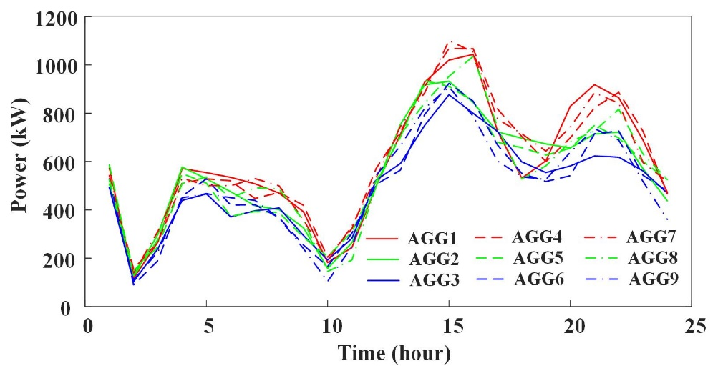
 |  |  |  |  |  |  |  |  |  |  | Fig. R4-1. Simulated power of aggregated power under M4
TCL parameter
 | parameters | distr. | Mean | Dev | min | max |  | user-defined temperature | 21~23°C
 | Cth (kWh/°C) | GD | 3.6:4.5 | 0.2
 | Rth (°C/kW) | GD | 4 | 0.3
 | Pm(kW) | UD | 4.0:5.0 |  | 3.5:4.5 | 4.5:5.5
 | COP（Coefficient of Performance，yita） | UD | 2.5 |  | 2 | 3
 |  | Location | Number of TCLs |  | Location | Number of TCLs |  | Location | Number of TCLs
 | Agg1 | 13 | 550 | Agg4 | 550 | 550 | Agg7 | 78 | 550
 | Agg2 | 25 | 500 | Agg5 | 500 | 500 | Agg8 | 89 | 500
 | Agg3 | 36 | 450 | Agg6 | 450 | 450 | Agg9 | 105 | 450

Forecasting RES output(kW)
 |  | 1:00:00 | 2:00:00 | 3:00:00 | 4:00:00 | 5:00:00 | 6:00:00 | 7:00:00 | 8:00:00 | 9:00:00 | 10:00:00 | 11:00:00 | 12:00:00 | 13:00:00 | 14:00:00 | 15:00:00 | 16:00:00 | 17:00:00 | 18:00:00 | 19:00:00 | 20:00:00 | 21:00:00 | 22:00:00 | 23:00:00 | 0:00:00
 | WT1 | 781 | 740 | 636 | 584 | 622 | 613 | 452 | 493 | 493 | 288 | 256 | 452 | 282 | 271 | 412 | 354 | 535 | 518 | 673 | 772 | 823 | 854 | 824 | 838
 | WT2 | 875 | 835 | 875 | 733 | 695 | 596 | 547 | 582 | 575 | 425 | 463 | 463 | 270 | 239 | 425 | 265 | 254 | 385 | 331 | 502 | 486 | 631 | 724 | 772
 | WT3 | 870 | 832 | 870 | 730 | 691 | 594 | 545 | 580 | 572 | 422 | 461 | 461 | 269 | 238 | 422 | 264 | 253 | 384 | 330 | 499 | 484 | 629 | 720 | 768
 | WT4 | 683 | 653 | 683 | 572 | 542 | 467 | 428 | 455 | 449 | 331 | 361 | 361 | 211 | 187 | 331 | 206 | 199 | 301 | 259 | 392 | 380 | 493 | 565 | 604
 | WT5 | 713 | 746 | 625 | 593 | 509 | 468 | 497 | 491 | 362 | 395 | 395 | 230 | 204 | 362 | 226 | 217 | 329 | 283 | 428 | 415 | 539 | 618 | 659 | 732
 | WT6 | 612 | 512 | 486 | 418 | 384 | 408 | 402 | 296 | 324 | 324 | 190 | 168 | 296 | 185 | 178 | 270 | 233 | 352 | 341 | 442 | 506 | 540 | 588 | 562
 | WT7 | 787 | 752 | 787 | 660 | 625 | 536 | 493 | 524 | 517 | 382 | 416 | 416 | 244 | 215 | 382 | 239 | 229 | 347 | 299 | 451 | 438 | 568 | 652 | 695
 | WT8 | 553 | 464 | 439 | 378 | 347 | 368 | 364 | 269 | 293 | 293 | 172 | 151 | 269 | 168 | 161 | 245 | 210 | 318 | 308 | 400 | 458 | 488 | 522 | 590
 | PV1 | 0 | 0 | 0 | 0 | 0 | 43 | 86 | 276 | 460 | 811 | 964 | 1115 | 1165 | 995 | 679 | 359 | 239 | 92 | 28 | 0 | 0 | 0 | 0 | 0
 | PV2 | 0 | 0 | 0 | 0 | 0 | 0 | 79 | 263 | 437 | 770 | 916 | 1058 | 1108 | 944 | 646 | 341 | 227 | 88 | 30 | 0 | 0 | 0 | 0 | 0
 | PV3 | 0 | 0 | 0 | 0 | 0 | 0 | 66 | 241 | 402 | 709 | 842 | 976 | 1020 | 870 | 594 | 313 | 209 | 82 | 18 | 0 | 0 | 0 | 0 | 0
 | PV4 | 0 | 0 | 0 | 0 | 0 | 31 | 94 | 290 | 482 | 852 | 1012 | 1170 | 1224 | 1044 | 713 | 377 | 251 | 97 | 38 | 0 | 0 | 0 | 0 | 0
 | PV5 | 0 | 0 | 0 | 0 | 0 | 0 | 56 | 198 | 330 | 582 | 691 | 799 | 836 | 714 | 487 | 257 | 170 | 66 | 23 | 0 | 0 | 0 | 0 | 0
 | PV6 | 0 | 0 | 0 | 0 | 0 | 35 | 80 | 221 | 367 | 649 | 770 | 892 | 932 | 796 | 544 | 287 | 191 | 74 | 30 | 0 | 0 | 0 | 0 | 0
 | PV7 | 0 | 0 | 0 | 0 | 0 | 49 | 103 | 346 | 575 | 1014 | 1205 | 1393 | 1457 | 1243 | 848 | 448 | 298 | 116 | 54 | 0 | 0 | 0 | 0 | 0
 | PV8 | 0 | 0 | 0 | 0 | 0 | 0 | 60 | 252 | 420 | 740 | 880 | 1018 | 1064 | 908 | 620 | 328 | 217 | 52 | 0 | 0 | 0 | 0 | 0 | 0

Fixed Load data
Time |  | 1:00:00 | 2:00:00 | 3:00:00 | 4:00:00 | 5:00:00 | 6:00:00 | 7:00:00 | 8:00:00 | 9:00:00 | 10:00:00 | 11:00:00 | 12:00:00 | 13:00:00 | 14:00:00 | 15:00:00 | 16:00:00 | 17:00:00 | 18:00:00 | 19:00:00 | 20:00:00 | 21:00:00 | 22:00:00 | 23:00:00 | 0:00:00
Active load (MW) |  | 10.98 | 10.57 | 10.42 | 10.67 | 11.54 | 13.74 | 17.51 | 18.81 | 19.59 | 21.71 | 22.61 | 20.37 | 18.63 | 18.92 | 19.16 | 20.44 | 21.87 | 20.87 | 22.63 | 21.13 | 18.52 | 15.94 | 13.33 | 11.88
Reactive load (MVar) |  | 6.3014943415 | 6.0682574195 | 5.979078594 | 6.122612193 | 6.622051445 | 7.8845552415 | 10.050514895 | 10.791120968 | 11.226032518 | 11.326928329 | 11.48142545 | 11.131570061 | 10.692535851 | 10.857173681 | 10.994371866 | 11.172729533 | 11.620990449 | 11.977858023 | 12.365038655 | 11.771630117 | 10.625863721 | 9.1470162355 | 7.648227652 | 6.815987538

