Summary
Semantic change detection on SECOND — results summary
What this sheet shows: the headline numbers and findings. Each other sheet explains one part in detail (links at the bottom). All scores are on a held-out test set of 595 image pairs; higher is better.
Key takeaway: The best model (Bi-SRNet-lite + WCE + Dice) reaches test SeK 15.38, 93% higher than the starting model (7.97). Most of the gain comes from the network design; handling class imbalance adds a smaller extra gain.

Key numbers
Measure | Value | Meaning
Starting model: Early Fusion + CE — test SeK (%) | 7.97 | The simplest design
Best design: Bi-SRNet-lite + CE — test SeK (%) | 14.24 | Best of the 3 designs
Best overall — test SeK (%) | 15.38 | Best of all 12 runs
Best technique | WCE + Dice | Used on Bi-SRNet-lite
Total improvement over the starting model | 92.9% | Design + technique
Improvement from the design alone | 78.6% | Early Fusion → Bi-SRNet-lite
Extra improvement from the best technique | 8.0% | Same design: plain CE → best technique
Techniques that beat plain CE | 6 of 9 | On test SeK
Cross-validation runs finished | 36 of 36 | 3 folds × 12 configurations

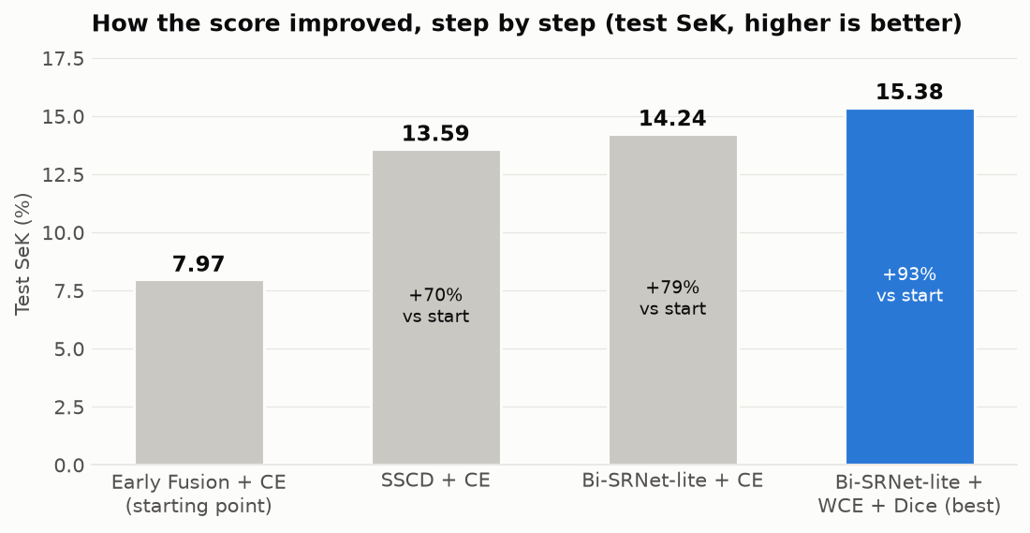

Main findings
# | Finding
1 | The network design matters most. Moving from Early Fusion to a Siamese design, then adding attention between the two dates (Bi-SRNet-lite), raises SeK from 7.97 to 14.24.
2 | Handling class imbalance adds a smaller gain. 6 of 9 techniques beat plain CE; the best is WCE + Dice (15.38). Focal loss and rare-class sampling alone did not help; OHEM failed with its default setting.
3 | Rare classes gain the most: water IoU 0.0 → 23.0, playground 9.7 → 32.9.
4 | The biggest remaining error is missed changes (changed pixels predicted as 'no change'), not mixing up classes. Imbalance techniques find more changes but also raise false alarms.
5 | Cross-validation (3 folds) confirms the order of the three designs in every fold. WCE + Dice, CE + Dice, Weighted CE, Median-freq, Class-balanced, WCE + Dice + rare sampling beat plain CE in all 3 folds. Highest mean so far: Bi-SRNet-lite + CE + Dice (14.38 ± 0.31). Techniques this close should be treated as ties.
6 | Scores are below published papers (e.g. Bi-SRNet 23.22 SeK) because this study uses 256-pixel images, a small ResNet-18 and 20 epochs on a laptop. The comparison inside this study is fair; the one with papers is only a reference.

Sheets in this workbook (click a name to open it)
Sheet | What you will find
Glossary | Plain-language meaning of every term (SeK, IoU, Dice, cross-validation, …)
Dataset | The data and how unbalanced its classes are
Architectures | Phase A: 3 network designs compared
Imbalance Techniques | Phase B: 9 ways of handling rare classes
Per-class IoU | How well each land-cover class is recognised
Error Analysis | What kind of mistakes the models make
Cross-Validation | Are the results stable? (3-fold cross-validation)
Learning Curves | Overfitting or underfitting?
Training History | Validation score after every epoch
Published Comparison | Our scores next to published papers
Predictions | Example outputs of the best model
Methods & References | Every component with its paper and link
Setup | Settings and exact metric definitions
Next Steps | Plan towards a publication

Source: results/*.json written by train.py (code: github.com/Chrishabh2002/Second). Scores use the official SECOND metrics; SeK is the main one. Measured values come straight from the result files; gains, ranks, means and counts are Excel formulas.

Dataset
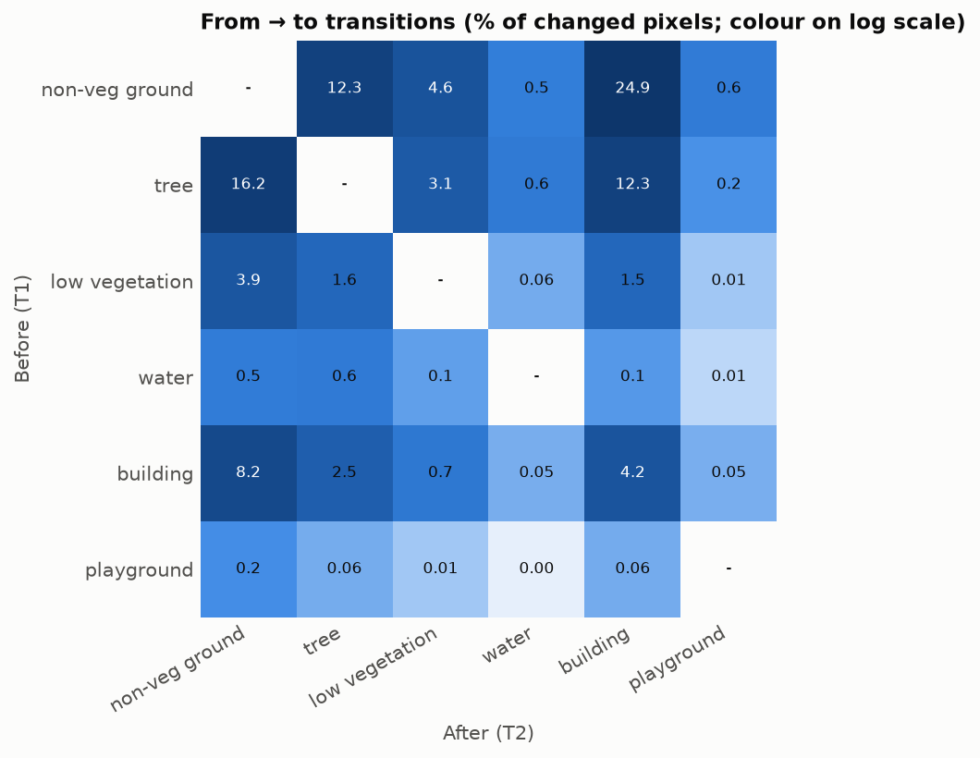
Dataset: SECOND and its class imbalance
What this sheet shows: basic facts about the data and how unbalanced the classes are.
Key takeaway: Only 20% of pixels change, and the largest class is 59× bigger than the smallest. Water and playground are very rare, which makes them hard to learn.

Overview
Item | Value
Image pairs | 2,968
Image size used | 256 × 256 pixels (original 512 × 512)
Share of pixels that change | 19.9%
Unchanged : changed pixels | 4.01 : 1
Largest class ÷ smallest class | 59×
Types of change (before → after) | 31
Train / validation / test pairs | 2,077 / 296 / 595 (random 70/10/20 split, seed 0)

Share of changed pixels per class
Class | Before (T1) | After (T2) | Images with class (T1) | Images with class (T2)
non-veg ground | 42.9% | 29.1% | 2,801 | 2,688
tree | 32.5% | 17.0% | 2,235 | 2,013
low vegetation | 7.1% | 8.6% | 1,187 | 1,413
water | 1.4% | 1.3% | 506 | 477
building | 15.7% | 43.2% | 2,393 | 2,715
playground | 0.4% | 0.8% | 111 | 126

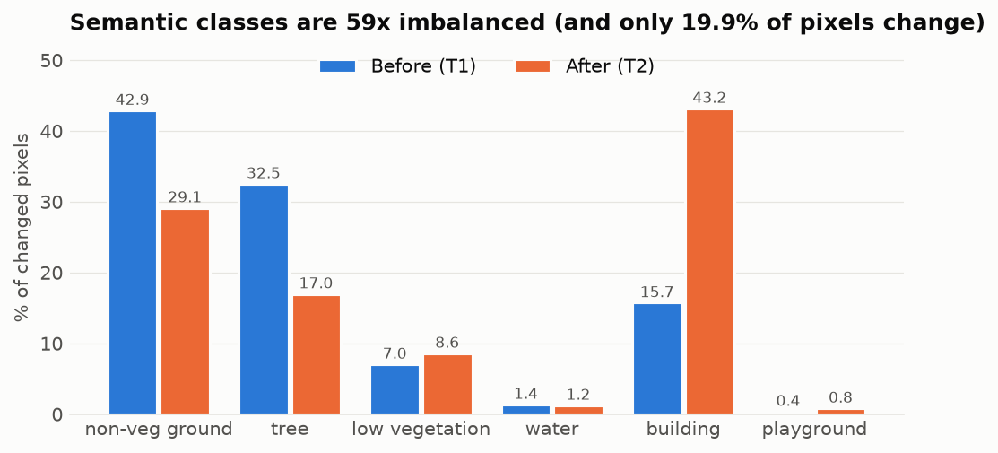

Most common types of change (top 15 of 31)
Change (before → after) | Share of changed pixels
non-veg ground → building | 24.90%
tree → non-veg ground | 16.25%
tree → building | 12.32%
non-veg ground → tree | 12.28%
building → non-veg ground | 8.22%
non-veg ground → low vegetation | 4.65%
building → building | 4.23%
low vegetation → non-veg ground | 3.90%
tree → low vegetation | 3.15%
building → tree | 2.51%
low vegetation → tree | 1.56%
low vegetation → building | 1.52%
building → low vegetation | 0.68%
tree → water | 0.63%
water → tree | 0.58%

The 5 most common changes cover over 70% of all changed pixels; the rarest (for example playground → water) are below 0.01%. The matrix below shows all 31 types.

Imbalance Techniques
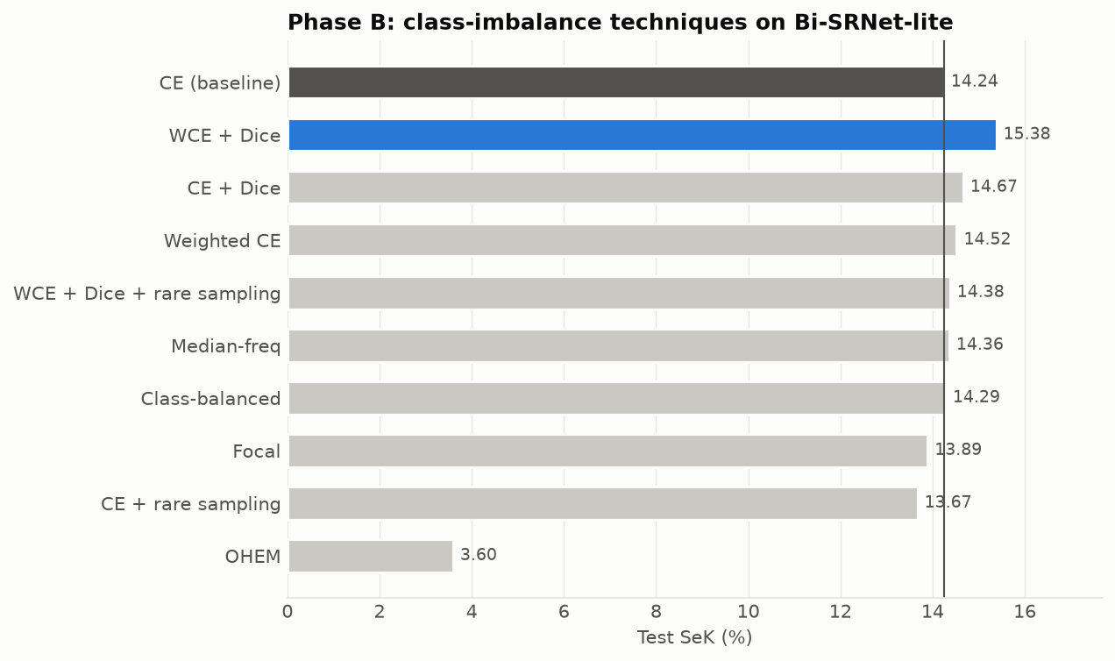
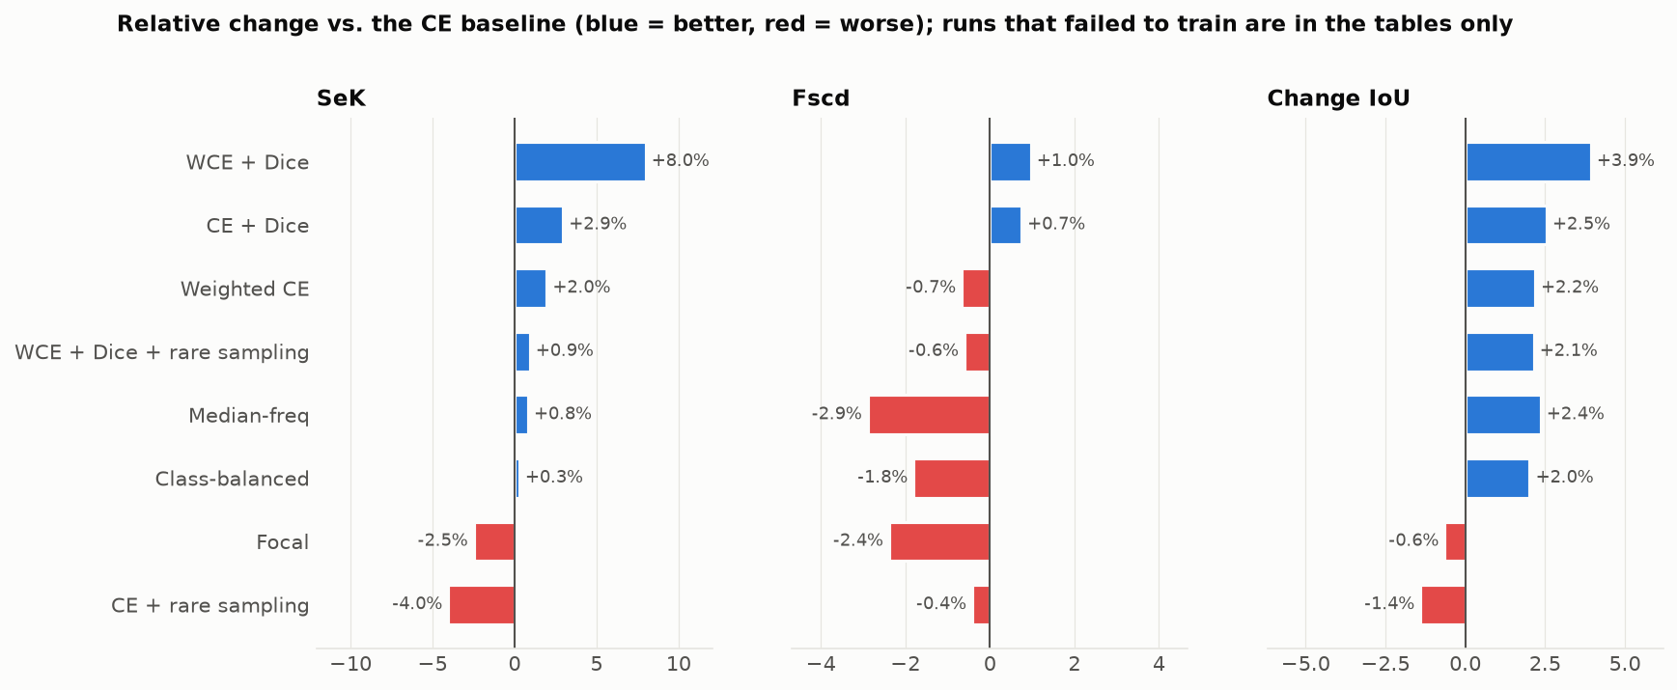
Phase B: which way of handling rare classes works best?
What this sheet shows: nine techniques for class imbalance, all on Bi-SRNet-lite, compared with the plain CE loss (first row).
Key takeaway: 6 of 9 techniques beat plain CE. Best: WCE + Dice (+8.0% SeK). Focal, CE + rare sampling, OHEM did worse.

Technique | What it does | Paper | SeK (%) | Fscd (%) | mIoU (%) | OA (%) | Water IoU (%) | Playground IoU (%) | SeK change vs CE | Rank (by SeK) | Better than CE?
CE (baseline) | Standard loss, every pixel counts the same | Standard | 14.24 | 53.36 | 68.65 | 85.75 | 19.62 | 29.79 | — | 7 | — (baseline)
WCE + Dice | Weighted CE and Dice together | Weighted CE + Milletari et al. | 15.38 | 53.88 | 68.97 | 84.27 | 22.99 | 32.86 | +8.0% | 1 | Yes
CE + Dice | Adds a loss that measures overlap, so small classes count more | Milletari et al., 3DV 2016 | 14.67 | 53.76 | 68.98 | 85.03 | 22.08 | 33.81 | +2.9% | 2 | Yes
Weighted CE | Rare classes get a bigger weight in the loss | Common practice | 14.52 | 53.01 | 68.42 | 84.04 | 20.89 | 29.82 | +2.0% | 3 | Yes
WCE + Dice + rare sampling | WCE + Dice, and rare-class images shown more often | As above + LVIS sampling | 14.38 | 53.04 | 68.50 | 84.22 | 22.91 | 39.16 | +0.9% | 4 | Yes
Median-freq | Class weight = median frequency / class frequency | Eigen & Fergus, ICCV 2015 | 14.36 | 51.82 | 68.11 | 83.13 | 16.36 | 29.15 | +0.8% | 5 | Yes
Class-balanced | Weights from the 'effective number' of samples per class | Cui et al., CVPR 2019 | 14.29 | 52.40 | 68.08 | 83.39 | 18.73 | 31.61 | +0.3% | 6 | Yes
Focal | Pays less attention to pixels that are already easy | Lin et al., ICCV 2017 | 13.89 | 52.09 | 66.31 | 81.58 | 22.28 | 33.59 | -2.5% | 8 | No
CE + rare sampling | Same loss; images with rare classes are shown more often | Gupta et al. (LVIS), CVPR 2019 | 13.67 | 53.14 | 67.93 | 85.13 | 22.01 | 32.67 | -4.0% | 9 | No
OHEM | Trains only on the hardest 25% of pixels | Shrivastava et al., CVPR 2016 | 3.60 | 26.77 | 32.20 | 43.31 | 14.56 | 19.03 | -74.8% | 10 | No

Green row = best technique. 'SeK change vs CE' is relative to the first row (red = worse, green = better). OHEM did not train properly with its default setting (hardest 25% of pixels); this shows that setting failing, not that OHEM can never work. Each technique was trained once; differences below about 0.5 SeK should be treated as ties — see the Cross-Validation sheet.

Error Analysis
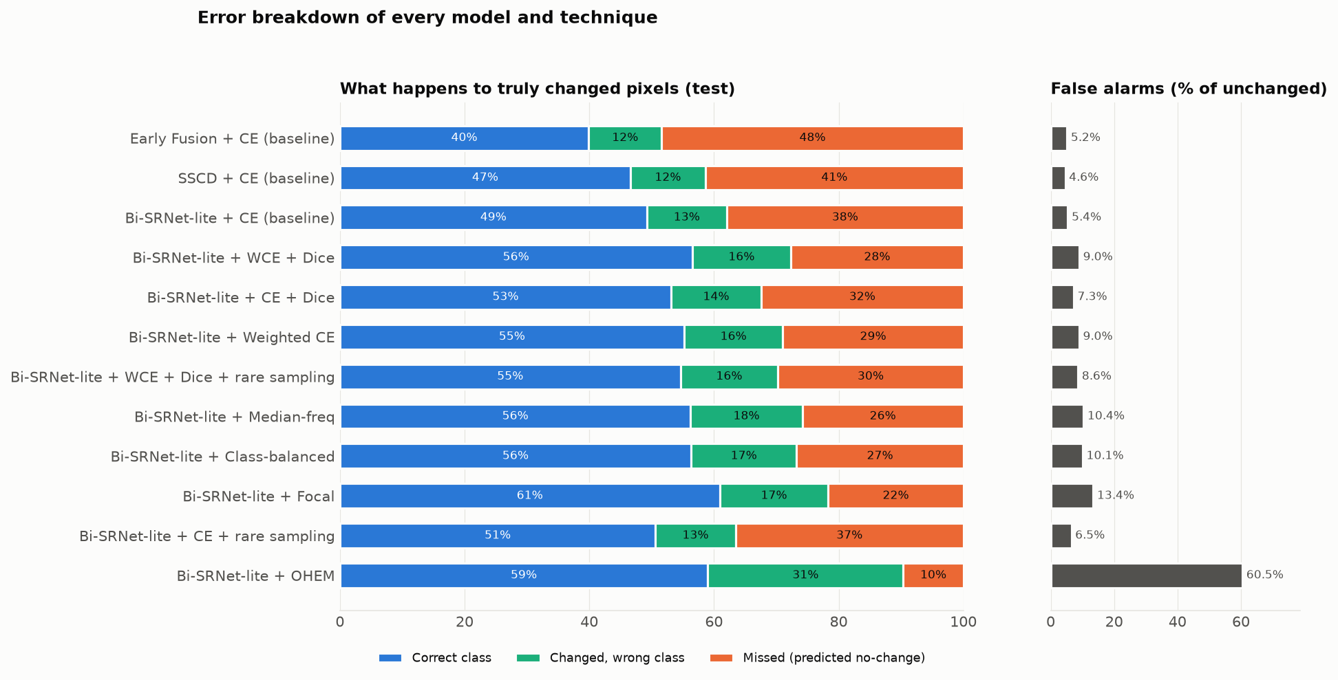
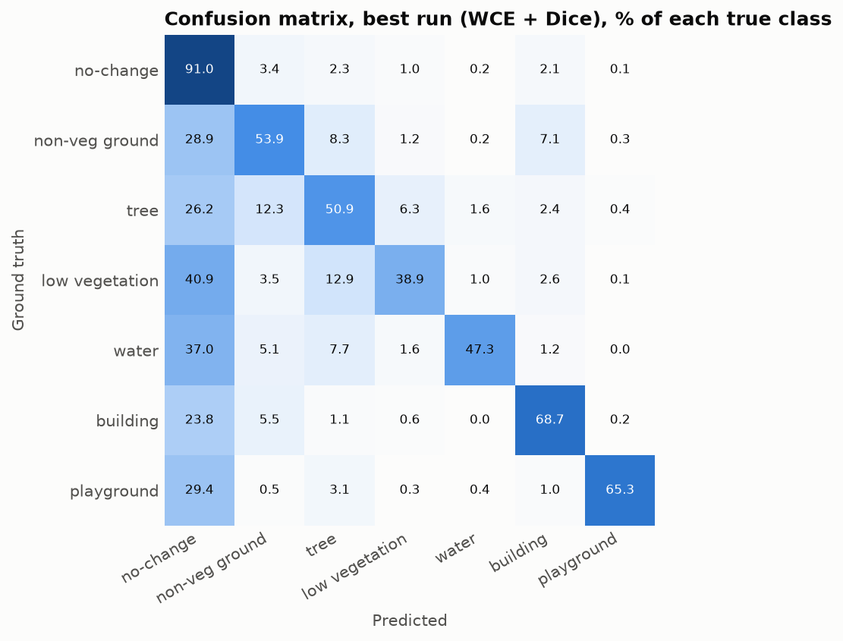
What kind of mistakes do the models make?
What this sheet shows: every truly changed pixel is either given the correct class, the wrong class, or missed (the model says 'no change'). A false alarm is an unchanged pixel marked as changed.
Key takeaway: Missing a change is the biggest mistake in 11 of 12 runs. Imbalance techniques find more changes (higher recall) but also raise more false alarms (lower precision).

Model + technique | Changed pixels (truth) | Correct class | Wrong class | Missed change | Unchanged pixels (truth) | False alarms | Correct % | Wrong class % | Missed % | False alarm % | Change precision | Change recall
Early Fusion + CE (baseline) | 15,173,982 | 6,052,960 | 1,776,978 | 7,344,044 | 62,813,858 | 3,243,180 | 39.9% | 11.7% | 48.4% | 5.2% | 70.7% | 51.6%
SSCD + CE (baseline) | 15,173,982 | 7,070,016 | 1,824,662 | 6,279,304 | 62,813,858 | 2,875,170 | 46.6% | 12.0% | 41.4% | 4.6% | 75.6% | 58.6%
Bi-SRNet-lite + CE (baseline) | 15,173,982 | 7,469,291 | 1,945,377 | 5,759,314 | 62,813,858 | 3,406,948 | 49.2% | 12.8% | 38.0% | 5.4% | 73.4% | 62.0%
Bi-SRNet-lite + WCE + Dice | 15,173,982 | 8,571,258 | 2,404,556 | 4,198,168 | 62,813,858 | 5,668,306 | 56.5% | 15.8% | 27.7% | 9.0% | 65.9% | 72.3%
Bi-SRNet-lite + CE + Dice | 15,173,982 | 8,059,927 | 2,192,779 | 4,921,276 | 62,813,858 | 4,558,964 | 53.1% | 14.5% | 32.4% | 7.3% | 69.2% | 67.6%
Bi-SRNet-lite + Weighted CE | 15,173,982 | 8,375,467 | 2,404,759 | 4,393,756 | 62,813,858 | 5,647,468 | 55.2% | 15.8% | 29.0% | 9.0% | 65.6% | 71.0%
Bi-SRNet-lite + WCE + Dice + rare sampling | 15,173,982 | 8,289,262 | 2,370,342 | 4,514,378 | 62,813,858 | 5,422,348 | 54.6% | 15.6% | 29.8% | 8.6% | 66.3% | 70.2%
Bi-SRNet-lite + Median-freq | 15,173,982 | 8,536,483 | 2,715,271 | 3,922,228 | 62,813,858 | 6,520,960 | 56.3% | 17.9% | 25.8% | 10.4% | 63.3% | 74.2%
Bi-SRNet-lite + Class-balanced | 15,173,982 | 8,545,751 | 2,569,539 | 4,058,692 | 62,813,858 | 6,329,078 | 56.3% | 16.9% | 26.7% | 10.1% | 63.7% | 73.3%
Bi-SRNet-lite + Focal | 15,173,982 | 9,243,435 | 2,640,801 | 3,289,746 | 62,813,858 | 8,432,242 | 60.9% | 17.4% | 21.7% | 13.4% | 58.5% | 78.3%
Bi-SRNet-lite + CE + rare sampling | 15,173,982 | 7,679,227 | 1,949,605 | 5,545,150 | 62,813,858 | 4,099,474 | 50.6% | 12.8% | 36.5% | 6.5% | 70.1% | 63.5%
Bi-SRNet-lite + OHEM | 15,173,982 | 8,951,836 | 4,758,860 | 1,463,286 | 62,813,858 | 37,990,844 | 59.0% | 31.4% | 9.6% | 60.5% | 26.5% | 90.4%

Pixel counts come from each run's test confusion matrix (both dates together). The percentage columns are formulas. Orange shading = share of changes that were missed.

Cross-Validation
Are the results stable? (3-fold cross-validation)
What this sheet shows: each configuration is trained 3 times on different parts of the training data (1,582 train / 791 validation pairs each time) and scored on the same test split. Finished: 36 of 36 runs.
Key takeaway: The order of the three designs holds in every fold. WCE + Dice, CE + Dice, Weighted CE, Median-freq, Class-balanced, WCE + Dice + rare sampling beat plain CE in all 3 folds. Highest mean so far: Bi-SRNet-lite + CE + Dice (14.38 ± 0.31). Techniques within about 0.3 SeK of each other are effectively tied.

Configuration | Fold 1 | Fold 2 | Fold 3 | Folds done | Mean test SeK | Std | Mean val SeK | Mean train SeK | Gap (train − val) | Val-loss rise | Beats reference in | Fit diagnosis
Early Fusion + CE (baseline) | 6.65 | 6.77 | 6.82 | 3 | 6.74 | 0.09 | 7.03 | 11.78 | 4.75 | 0.4% | — (reference) | Mild overfitting
SSCD + CE (baseline) | 13.39 | 12.92 | 12.61 | 3 | 12.97 | 0.39 | 13.38 | 25.17 | 11.80 | 2.8% | 3 of 3 folds | Mild overfitting; best epoch was the last, so more epochs may help
Bi-SRNet-lite + CE (baseline) | 14.00 | 13.49 | 13.16 | 3 | 13.55 | 0.42 | 14.39 | 23.16 | 8.77 | 0.8% | 3 of 3 folds | Mild overfitting
Bi-SRNet-lite + WCE + Dice | 14.47 | 14.10 | 14.20 | 3 | 14.26 | 0.19 | 14.96 | 24.18 | 9.22 | 0.3% | 3 of 3 folds | Mild overfitting; best epoch was the last, so more epochs may help
Bi-SRNet-lite + CE + Dice | 14.73 | 14.17 | 14.23 | 3 | 14.38 | 0.31 | 14.97 | 24.51 | 9.54 | 0.4% | 3 of 3 folds | Mild overfitting; best epoch was the last, so more epochs may help
Bi-SRNet-lite + Weighted CE | 14.65 | 14.26 | 14.14 | 3 | 14.35 | 0.26 | 14.89 | 22.95 | 8.06 | 0.9% | 3 of 3 folds | Mild overfitting
Bi-SRNet-lite + Median-freq | 14.21 | 13.57 | 13.42 | 3 | 13.73 | 0.42 | 14.40 | 21.00 | 6.60 | 1.3% | 3 of 3 folds | Mild overfitting
Bi-SRNet-lite + Class-balanced | 14.37 | 14.38 | 13.69 | 3 | 14.15 | 0.40 | 14.75 | 22.09 | 7.35 | 0.9% | 3 of 3 folds | Mild overfitting
Bi-SRNet-lite + Focal | 13.34 | 13.44 | 13.27 | 3 | 13.35 | 0.08 | 13.99 | 20.73 | 6.75 | 1.0% | 1 of 3 folds | Mild overfitting
Bi-SRNet-lite + CE + rare sampling | 13.34 | 13.20 | 13.37 | 3 | 13.30 | 0.09 | 13.88 | 22.38 | 8.50 | 1.3% | 1 of 3 folds | Mild overfitting
Bi-SRNet-lite + WCE + Dice + rare sampling | 14.12 | 13.72 | 13.44 | 3 | 13.76 | 0.34 | 14.53 | 23.02 | 8.49 | 1.3% | 3 of 3 folds | Mild overfitting
Bi-SRNet-lite + OHEM | 3.02 | 3.48 | 3.52 | 3 | 3.34 | 0.28 | 3.33 | 4.53 | 1.20 | 0.2% | 0 of 3 folds | Failed to learn

Reference: the three designs are compared with Early Fusion; the techniques with Bi-SRNet-lite + CE. 'Beats reference' counts the folds where the configuration scored higher. Fit diagnosis rules (averaged over folds): Overfitting = validation loss ends more than 10% above its lowest value AND train SeK is more than 3 points above validation SeK; Mild overfitting = only one of the two; Underfitting = validation SeK still rising by more than 0.15 per epoch with a gap below 2; Failed = best validation SeK below 5. These thresholds were chosen for this study. CV models train on fewer images (1,582) than the main runs (2,077), so their scores are slightly lower; CV is used for stability and ranking.

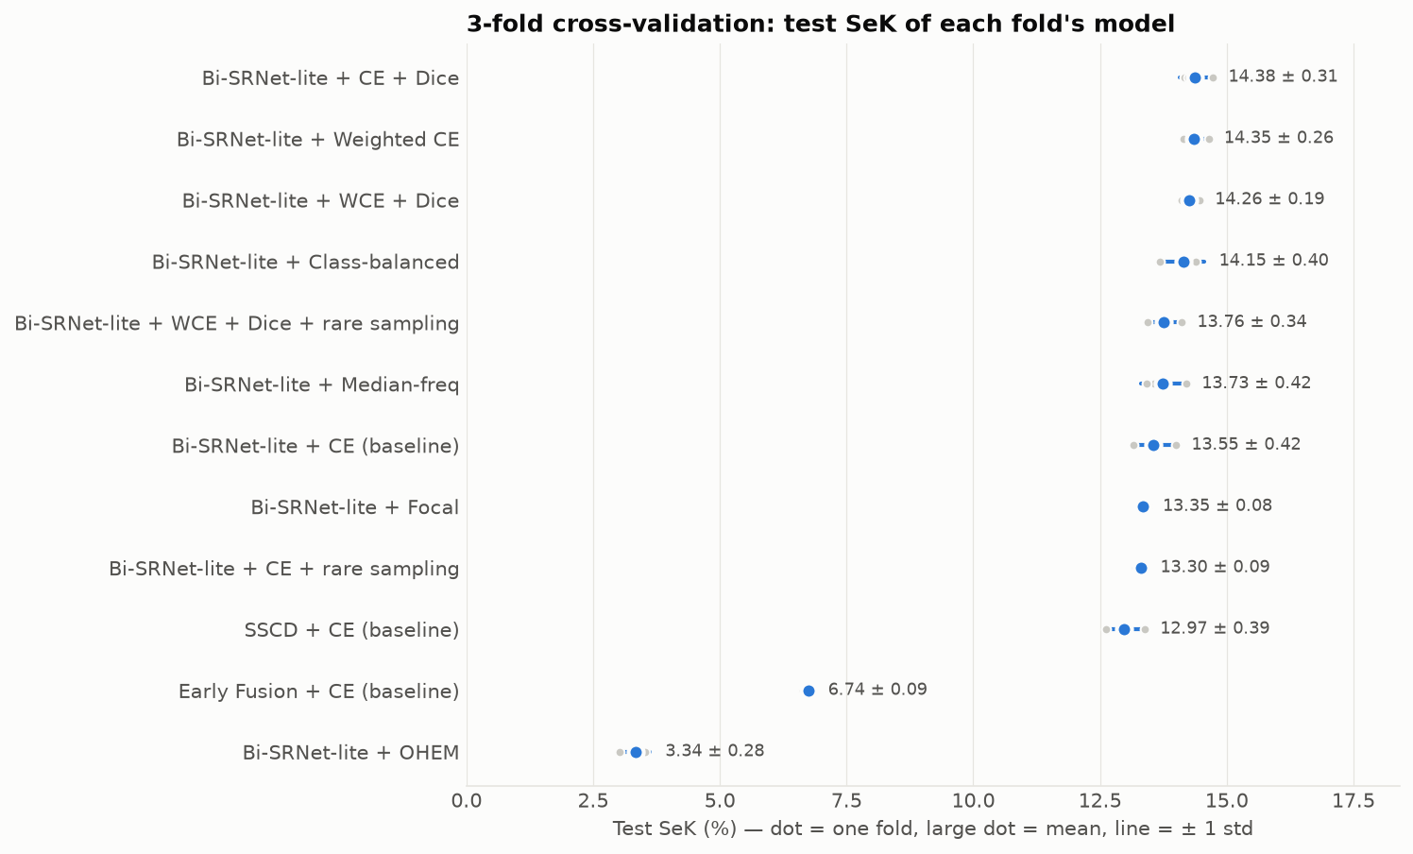

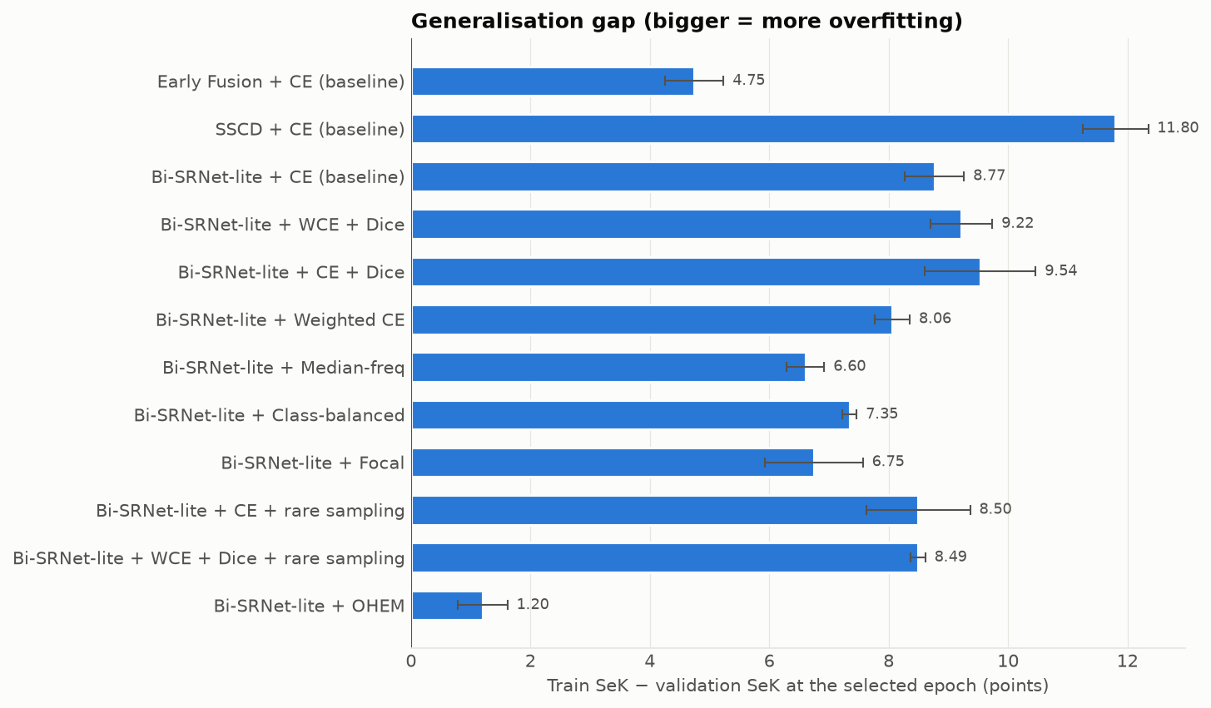

Every fold in detail
Configuration | Fold | Best epoch | Train SeK | Val SeK | Test SeK | Test Fscd | Test mIoU | Test OA
Early Fusion + CE (baseline) | 1 | 17 | 11.65 | 6.74 | 6.65 | 43.73 | 62.42 | 84.02
Early Fusion + CE (baseline) | 2 | 18 | 12.20 | 7.07 | 6.77 | 44.98 | 63.00 | 83.41
Early Fusion + CE (baseline) | 3 | 15 | 11.49 | 7.29 | 6.82 | 44.62 | 62.93 | 83.65
SSCD + CE (baseline) | 1 | 20 | 25.21 | 13.55 | 13.39 | 52.15 | 68.10 | 85.90
SSCD + CE (baseline) | 2 | 20 | 24.98 | 12.57 | 12.92 | 51.71 | 67.67 | 85.67
SSCD + CE (baseline) | 3 | 20 | 25.34 | 14.00 | 12.61 | 51.15 | 67.47 | 85.64
Bi-SRNet-lite + CE (baseline) | 1 | 20 | 23.79 | 14.66 | 14.00 | 53.26 | 68.30 | 85.97
Bi-SRNet-lite + CE (baseline) | 2 | 14 | 21.97 | 13.77 | 13.49 | 52.87 | 67.90 | 85.63
Bi-SRNet-lite + CE (baseline) | 3 | 20 | 23.72 | 14.75 | 13.16 | 52.23 | 67.57 | 85.76
Bi-SRNet-lite + WCE + Dice | 1 | 20 | 23.93 | 15.20 | 14.47 | 53.05 | 68.45 | 83.87
Bi-SRNet-lite + WCE + Dice | 2 | 20 | 23.41 | 14.26 | 14.10 | 52.66 | 68.13 | 83.73
Bi-SRNet-lite + WCE + Dice | 3 | 20 | 25.19 | 15.43 | 14.20 | 52.60 | 68.15 | 83.68
Bi-SRNet-lite + CE + Dice | 1 | 20 | 23.93 | 15.44 | 14.73 | 54.16 | 68.85 | 85.29
Bi-SRNet-lite + CE + Dice | 2 | 20 | 24.21 | 13.96 | 14.17 | 53.40 | 68.63 | 85.15
Bi-SRNet-lite + CE + Dice | 3 | 20 | 25.39 | 15.52 | 14.23 | 53.48 | 68.60 | 85.26
Bi-SRNet-lite + Weighted CE | 1 | 20 | 23.47 | 15.08 | 14.65 | 53.21 | 68.56 | 83.94
Bi-SRNet-lite + Weighted CE | 2 | 16 | 22.22 | 14.26 | 14.26 | 52.88 | 68.13 | 83.74
Bi-SRNet-lite + Weighted CE | 3 | 20 | 23.14 | 15.32 | 14.14 | 52.60 | 67.99 | 83.66
Bi-SRNet-lite + Median-freq | 1 | 20 | 20.91 | 14.68 | 14.21 | 52.11 | 68.27 | 83.56
Bi-SRNet-lite + Median-freq | 2 | 19 | 20.51 | 13.71 | 13.57 | 51.35 | 68.24 | 83.72
Bi-SRNet-lite + Median-freq | 3 | 20 | 21.58 | 14.80 | 13.42 | 50.92 | 67.83 | 83.30
Bi-SRNet-lite + Class-balanced | 1 | 20 | 22.36 | 14.97 | 14.37 | 52.60 | 68.44 | 83.69
Bi-SRNet-lite + Class-balanced | 2 | 17 | 21.43 | 13.99 | 14.38 | 52.95 | 68.64 | 84.54
Bi-SRNet-lite + Class-balanced | 3 | 20 | 22.49 | 15.28 | 13.69 | 51.84 | 67.86 | 83.47
Bi-SRNet-lite + Focal | 1 | 17 | 20.43 | 14.36 | 13.34 | 52.01 | 66.79 | 82.33
Bi-SRNet-lite + Focal | 2 | 17 | 21.06 | 13.40 | 13.44 | 52.00 | 66.92 | 82.43
Bi-SRNet-lite + Focal | 3 | 17 | 20.71 | 14.20 | 13.27 | 51.62 | 66.34 | 81.93
Bi-SRNet-lite + CE + rare sampling | 1 | 19 | 23.16 | 13.82 | 13.34 | 52.34 | 67.78 | 85.82
Bi-SRNet-lite + CE + rare sampling | 2 | 19 | 21.72 | 13.18 | 13.20 | 52.29 | 67.74 | 85.70
Bi-SRNet-lite + CE + rare sampling | 3 | 16 | 22.25 | 14.65 | 13.37 | 52.75 | 67.89 | 85.16
Bi-SRNet-lite + WCE + Dice + rare sampling | 1 | 17 | 23.42 | 14.93 | 14.12 | 52.99 | 68.26 | 84.17
Bi-SRNet-lite + WCE + Dice + rare sampling | 2 | 19 | 22.34 | 13.98 | 13.72 | 52.20 | 67.98 | 83.68
Bi-SRNet-lite + WCE + Dice + rare sampling | 3 | 19 | 23.29 | 14.67 | 13.44 | 51.69 | 67.48 | 83.18
Bi-SRNet-lite + OHEM | 1 | 20 | 4.39 | 2.74 | 3.02 | 39.77 | 59.89 | 80.91
Bi-SRNet-lite + OHEM | 2 | 14 | 4.50 | 3.39 | 3.48 | 31.56 | 44.40 | 59.38
Bi-SRNet-lite + OHEM | 3 | 17 | 4.68 | 3.85 | 3.52 | 29.83 | 39.87 | 53.79

Learning Curves
Overfitting or underfitting? (train vs validation curves)
What this sheet shows: the score on training data (orange) and on unseen validation data (blue) after every epoch, averaged over the 3 folds. A growing gap between the two lines means overfitting; both lines low or still climbing means underfitting.
Key takeaway: 11 × mild overfitting, 1 × failed to learn. In every configuration the training score keeps rising while the validation score grows only slowly after about 12–15 epochs. More data or regularisation should help more than simply training longer.

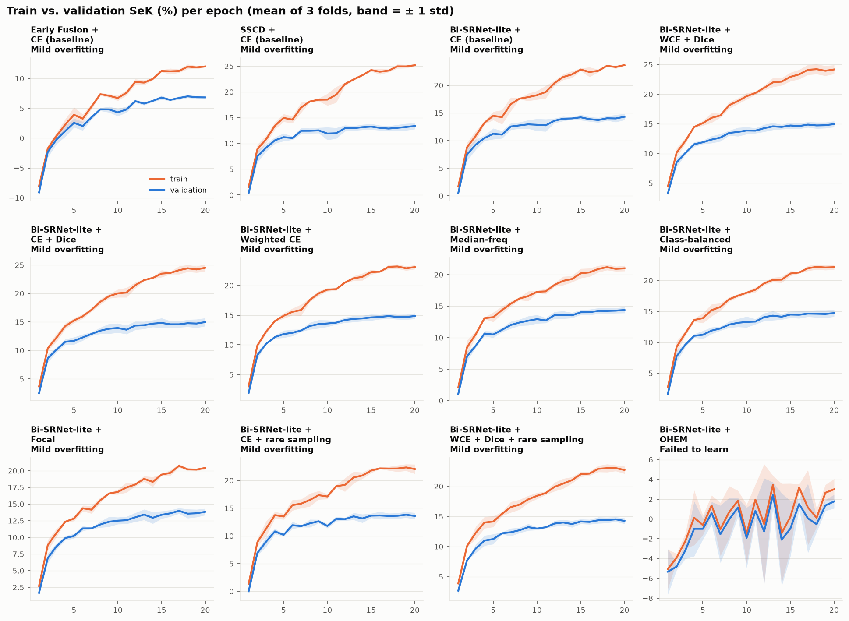

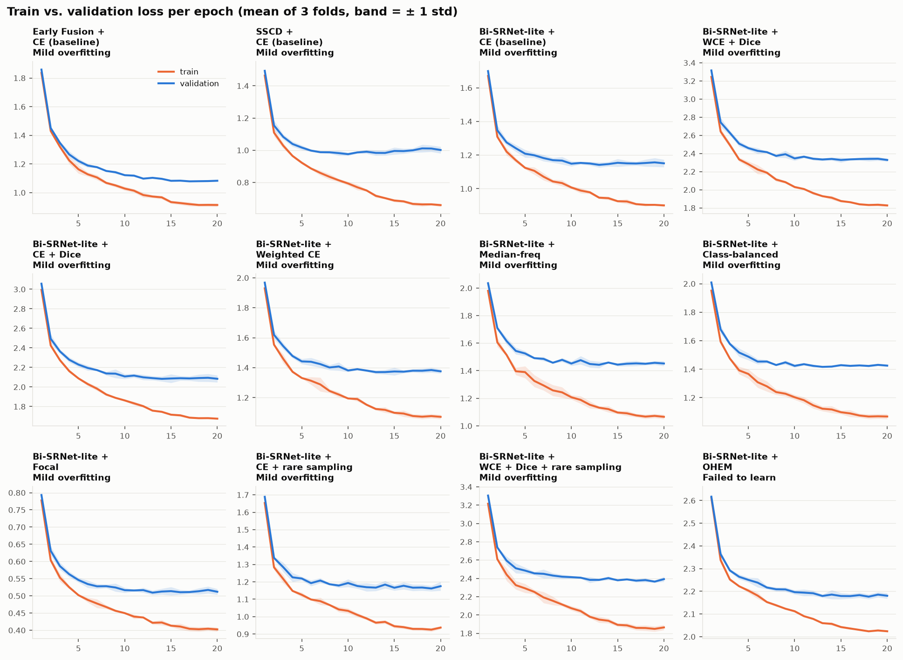

Curve data (mean of 3 folds)
Epoch | Early Fusion + CE: train SeK | Early Fusion + CE: val SeK | SSCD + CE: train SeK | SSCD + CE: val SeK | BiSR + CE: train SeK | BiSR + CE: val SeK | BiSR + WCE + Dice: train SeK | BiSR + WCE + Dice: val SeK | BiSR + CE + Dice: train SeK | BiSR + CE + Dice: val SeK | BiSR + Weighted CE: train SeK | BiSR + Weighted CE: val SeK | BiSR + Median-freq: train SeK | BiSR + Median-freq: val SeK | BiSR + Class-balanced: train SeK | BiSR + Class-balanced: val SeK | BiSR + Focal: train SeK | BiSR + Focal: val SeK | BiSR + CE + rare sampling: train SeK | BiSR + CE + rare sampling: val SeK | BiSR + WCE + Dice + rare sampling: train SeK | BiSR + WCE + Dice + rare sampling: val SeK | BiSR + OHEM: train SeK | BiSR + OHEM: val SeK
1 | -8.02 | -9.09 | 1.52 | 0.34 | 1.68 | 0.51 | 4.44 | 3.28 | 3.66 | 2.50 | 3.01 | 1.89 | 2.09 | 1.08 | 2.74 | 1.68 | 2.70 | 1.67 | 1.33 | 0.02 | 3.87 | 2.67 | -5.07 | -5.33
2 | -1.73 | -2.31 | 8.90 | 7.51 | 8.79 | 7.47 | 10.17 | 8.52 | 10.36 | 8.60 | 9.91 | 8.29 | 8.46 | 7.03 | 9.26 | 7.75 | 8.84 | 6.89 | 8.88 | 6.93 | 10.08 | 7.69 | -3.91 | -4.81
3 | 0.40 | -0.22 | 10.82 | 9.18 | 10.86 | 9.28 | 12.13 | 10.09 | 12.25 | 10.12 | 12.23 | 10.19 | 10.55 | 8.72 | 11.47 | 9.62 | 10.68 | 8.65 | 11.31 | 8.97 | 12.29 | 9.66 | -2.22 | -3.18
4 | 2.28 | 1.19 | 13.44 | 10.61 | 13.23 | 10.46 | 14.48 | 11.56 | 14.26 | 11.51 | 14.01 | 11.31 | 13.09 | 10.65 | 13.60 | 11.05 | 12.35 | 9.89 | 13.76 | 10.82 | 13.99 | 10.99 | 0.13 | -1.00
5 | 3.91 | 2.55 | 14.96 | 11.22 | 14.47 | 11.23 | 15.13 | 11.90 | 15.26 | 11.68 | 14.89 | 11.82 | 13.25 | 10.50 | 13.91 | 11.22 | 12.82 | 10.21 | 13.51 | 10.19 | 14.16 | 11.24 | -0.62 | -1.00
6 | 3.25 | 2.02 | 14.61 | 11.05 | 14.24 | 11.08 | 16.02 | 12.36 | 15.99 | 12.28 | 15.56 | 12.03 | 14.38 | 11.24 | 15.20 | 11.90 | 14.36 | 11.35 | 15.56 | 11.93 | 15.43 | 12.21 | 1.36 | 0.60
7 | 5.28 | 3.49 | 16.97 | 12.45 | 16.57 | 12.54 | 16.42 | 12.69 | 17.13 | 12.89 | 15.87 | 12.43 | 15.39 | 12.01 | 15.72 | 12.24 | 14.15 | 11.35 | 15.82 | 11.77 | 16.55 | 12.37 | -1.04 | -1.54
8 | 7.36 | 4.82 | 18.14 | 12.46 | 17.58 | 12.74 | 18.15 | 13.47 | 18.53 | 13.46 | 17.57 | 13.18 | 16.21 | 12.40 | 16.95 | 12.86 | 15.57 | 11.93 | 16.49 | 12.27 | 16.97 | 12.71 | 0.69 | -0.05
9 | 7.10 | 4.80 | 18.47 | 12.53 | 17.86 | 12.93 | 18.84 | 13.64 | 19.52 | 13.81 | 18.67 | 13.49 | 16.60 | 12.69 | 17.53 | 13.15 | 16.59 | 12.34 | 17.36 | 12.64 | 17.84 | 13.22 | 1.85 | 1.16
10 | 6.71 | 4.32 | 18.50 | 11.92 | 18.21 | 12.85 | 19.67 | 13.88 | 20.02 | 13.94 | 19.28 | 13.60 | 17.28 | 12.94 | 18.01 | 13.29 | 16.81 | 12.50 | 17.12 | 11.80 | 18.43 | 12.99 | -1.50 | -1.91
11 | 7.60 | 4.80 | 19.45 | 11.99 | 18.78 | 12.76 | 20.20 | 13.85 | 20.16 | 13.63 | 19.37 | 13.73 | 17.34 | 12.74 | 18.49 | 13.35 | 17.49 | 12.57 | 18.96 | 13.08 | 18.89 | 13.21 | 1.95 | 0.82
12 | 9.41 | 6.20 | 21.51 | 12.95 | 20.40 | 13.59 | 21.07 | 14.27 | 21.45 | 14.36 | 20.48 | 14.18 | 18.37 | 13.57 | 19.52 | 14.07 | 17.93 | 13.01 | 19.21 | 13.03 | 19.92 | 13.82 | -0.52 | -1.25
13 | 9.30 | 5.79 | 22.43 | 12.95 | 21.50 | 13.95 | 21.99 | 14.58 | 22.35 | 14.43 | 21.21 | 14.37 | 19.02 | 13.62 | 20.10 | 14.31 | 18.79 | 13.42 | 20.56 | 13.54 | 20.47 | 14.00 | 3.44 | 2.41
14 | 9.92 | 6.24 | 23.23 | 13.15 | 21.96 | 14.00 | 22.12 | 14.48 | 22.74 | 14.70 | 21.45 | 14.45 | 19.31 | 13.54 | 20.12 | 14.14 | 18.33 | 12.94 | 20.90 | 13.15 | 21.04 | 13.74 | -1.45 | -2.10
15 | 11.25 | 6.80 | 24.23 | 13.27 | 22.85 | 14.20 | 22.93 | 14.72 | 23.48 | 14.83 | 22.25 | 14.62 | 20.20 | 14.03 | 21.12 | 14.48 | 19.41 | 13.38 | 21.79 | 13.66 | 22.01 | 14.16 | 0.21 | -0.97
16 | 11.19 | 6.40 | 23.91 | 13.02 | 22.39 | 13.87 | 23.34 | 14.63 | 23.61 | 14.58 | 22.31 | 14.70 | 20.36 | 14.04 | 21.28 | 14.45 | 19.67 | 13.61 | 22.19 | 13.69 | 22.12 | 14.09 | 3.19 | 1.51
17 | 11.25 | 6.73 | 24.13 | 12.89 | 22.61 | 13.70 | 24.11 | 14.87 | 24.09 | 14.58 | 23.13 | 14.85 | 20.90 | 14.25 | 21.97 | 14.64 | 20.73 | 13.99 | 22.15 | 13.60 | 22.92 | 14.37 | 1.16 | 0.06
18 | 11.97 | 7.00 | 24.95 | 13.03 | 23.52 | 14.03 | 24.22 | 14.74 | 24.42 | 14.77 | 23.20 | 14.70 | 21.19 | 14.24 | 22.20 | 14.62 | 20.20 | 13.56 | 22.16 | 13.63 | 23.02 | 14.39 | 0.12 | -0.54
19 | 11.86 | 6.85 | 24.94 | 13.19 | 23.30 | 14.00 | 23.95 | 14.77 | 24.22 | 14.72 | 22.88 | 14.69 | 20.92 | 14.29 | 22.10 | 14.58 | 20.17 | 13.62 | 22.36 | 13.82 | 23.03 | 14.52 | 2.65 | 1.37
20 | 12.01 | 6.83 | 25.17 | 13.38 | 23.66 | 14.30 | 24.18 | 14.96 | 24.51 | 14.97 | 23.09 | 14.86 | 21.00 | 14.39 | 22.15 | 14.73 | 20.42 | 13.83 | 22.06 | 13.60 | 22.72 | 14.25 | 3.00 | 1.77

Training History
Validation score during training (main runs)
What this sheet shows: the validation SeK after every epoch for the 12 main runs. The epoch with the best validation SeK was kept and scored once on the test split.
Key takeaway: Siamese designs learn faster and reach higher scores than Early Fusion; all runs level off in the last few epochs.

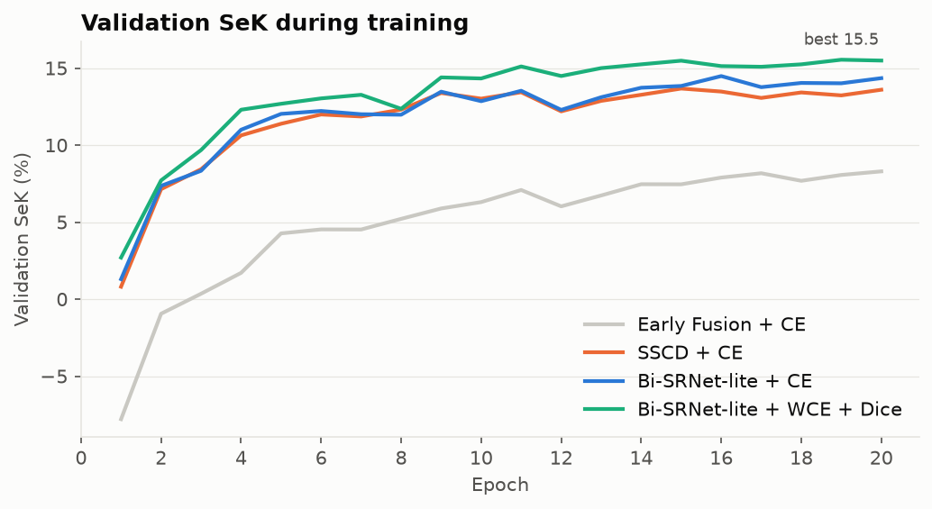

Epoch | Early Fusion + CE (baseline) | SSCD + CE (baseline) | BiSR + CE (baseline) | BiSR + WCE + Dice | BiSR + CE + Dice | BiSR + Weighted CE | BiSR + WCE + Dice + rare sampling | BiSR + Median-freq | BiSR + Class-balanced | BiSR + Focal | BiSR + CE + rare sampling | BiSR + OHEM
1 | -7.79 | 0.81 | 1.30 | 2.70 | 1.29 | 1.48 | 2.15 | 0.83 | 1.37 | 2.17 | 1.87 | -6.63
2 | -0.95 | 7.14 | 7.35 | 7.71 | 7.84 | 8.25 | 9.37 | 6.50 | 7.23 | 7.38 | 8.72 | -1.86
3 | 0.35 | 8.43 | 8.33 | 9.68 | 9.14 | 9.84 | 11.10 | 6.74 | 8.48 | 8.30 | 10.12 | -6.57
4 | 1.71 | 10.63 | 11.00 | 12.30 | 11.48 | 12.09 | 11.60 | 10.59 | 11.55 | 10.59 | 10.34 | -2.43
5 | 4.27 | 11.39 | 12.03 | 12.68 | 13.12 | 13.00 | 12.01 | 11.38 | 11.39 | 12.18 | 11.59 | -5.03
6 | 4.53 | 11.99 | 12.21 | 13.03 | 14.10 | 13.46 | 12.60 | 12.38 | 12.98 | 12.20 | 11.37 | 1.58
7 | 4.52 | 11.86 | 12.00 | 13.26 | 13.07 | 13.25 | 12.85 | 12.68 | 12.89 | 12.51 | 12.46 | 2.85
8 | 5.21 | 12.30 | 11.97 | 12.36 | 13.27 | 11.54 | 13.56 | 10.99 | 10.68 | 9.71 | 12.10 | -1.25
9 | 5.89 | 13.38 | 13.47 | 14.39 | 14.42 | 14.05 | 13.74 | 13.54 | 13.81 | 13.27 | 12.93 | 2.74
10 | 6.30 | 13.01 | 12.85 | 14.33 | 13.77 | 13.98 | 13.62 | 13.21 | 13.79 | 12.63 | 13.06 | 3.85
11 | 7.08 | 13.43 | 13.53 | 15.11 | 14.97 | 15.21 | 14.28 | 14.30 | 14.07 | 14.03 | 13.29 | 3.22
12 | 6.02 | 12.19 | 12.28 | 14.48 | 13.94 | 14.00 | 14.54 | 13.45 | 13.92 | 13.35 | 13.49 | 1.25
13 | 6.73 | 12.87 | 13.11 | 15.00 | 14.35 | 14.73 | 14.41 | 13.94 | 14.19 | 14.13 | 13.98 | 0.98
14 | 7.46 | 13.27 | 13.72 | 15.24 | 14.91 | 14.76 | 14.23 | 14.27 | 14.61 | 13.98 | 14.31 | 1.50
15 | 7.45 | 13.67 | 13.84 | 15.48 | 15.01 | 15.39 | 14.31 | 14.37 | 15.23 | 14.31 | 13.61 | 0.05
16 | 7.89 | 13.48 | 14.48 | 15.13 | 14.95 | 15.04 | 14.91 | 14.11 | 14.74 | 14.26 | 13.63 | 1.58
17 | 8.17 | 13.06 | 13.76 | 15.08 | 14.55 | 15.22 | 14.60 | 14.61 | 14.89 | 14.16 | 13.54 | -0.08
18 | 7.68 | 13.42 | 14.03 | 15.24 | 15.03 | 15.39 | 14.94 | 14.76 | 15.29 | 14.42 | 13.85 | -0.66
19 | 8.06 | 13.23 | 14.01 | 15.54 | 14.81 | 15.62 | 14.99 | 14.63 | 15.22 | 14.69 | 13.71 | 0.60
20 | 8.29 | 13.59 | 14.35 | 15.49 | 15.01 | 15.54 | 14.97 | 14.59 | 15.17 | 14.51 | 14.07 | 2.39

Published Comparison
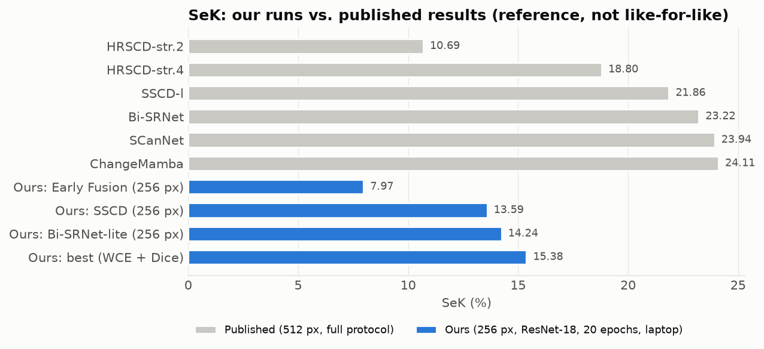
How do our scores compare with published papers?
What this sheet shows: our results next to results reported in papers on SECOND. The papers use 512 × 512 images, bigger networks and longer training, so this is a reference, not a like-for-like contest.
Key takeaway: Our models reach 61%–75% of the published score of the same design, using ¼ of the pixels, a small ResNet-18 and 20 epochs on a laptop. The order of the designs matches the papers.

Method | Setting | OA (%) | mIoU (%) | SeK (%) | Fscd (%) | Share of published SeK
HRSCD-str.2 | Published (512 px) | 85.49 | 64.43 | 10.69 | 49.22 | —
HRSCD-str.4 | Published (512 px) | 86.62 | 71.15 | 18.80 | 58.21 | —
SSCD-l | Published (512 px) | 87.19 | 72.60 | 21.86 | 61.22 | —
Bi-SRNet | Published (512 px) | 87.84 | 73.41 | 23.22 | 62.61 | —
SCanNet | Published (512 px) | 87.86 | 73.42 | 23.94 | 63.66 | —
ChangeMamba | Published (512 px) | 88.12 | 73.68 | 24.11 | 64.03 | —
Ours: Early Fusion + CE (baseline) | Ours (256 px, ResNet-18, 20 epochs) | 84.15 | 63.71 | 7.97 | 46.12 | 75%
Ours: SSCD + CE (baseline) | Ours (256 px, ResNet-18, 20 epochs) | 85.92 | 68.02 | 13.59 | 52.48 | 62%
Ours: Bi-SRNet-lite + CE (baseline) | Ours (256 px, ResNet-18, 20 epochs) | 85.75 | 68.65 | 14.24 | 53.36 | 61%
Ours: Bi-SRNet-lite + WCE + Dice | Ours (256 px, ResNet-18, 20 epochs) | 84.27 | 68.97 | 15.38 | 53.88 | 66%

Published values as tabulated in Mamba-FCS (arXiv:2508.08232), Table II. 'Share of published SeK' compares each of our models with the paper version of the same design (Early Fusion ↔ HRSCD-str.2, SSCD ↔ SSCD-l, Bi-SRNet-lite ↔ Bi-SRNet).

Predictions
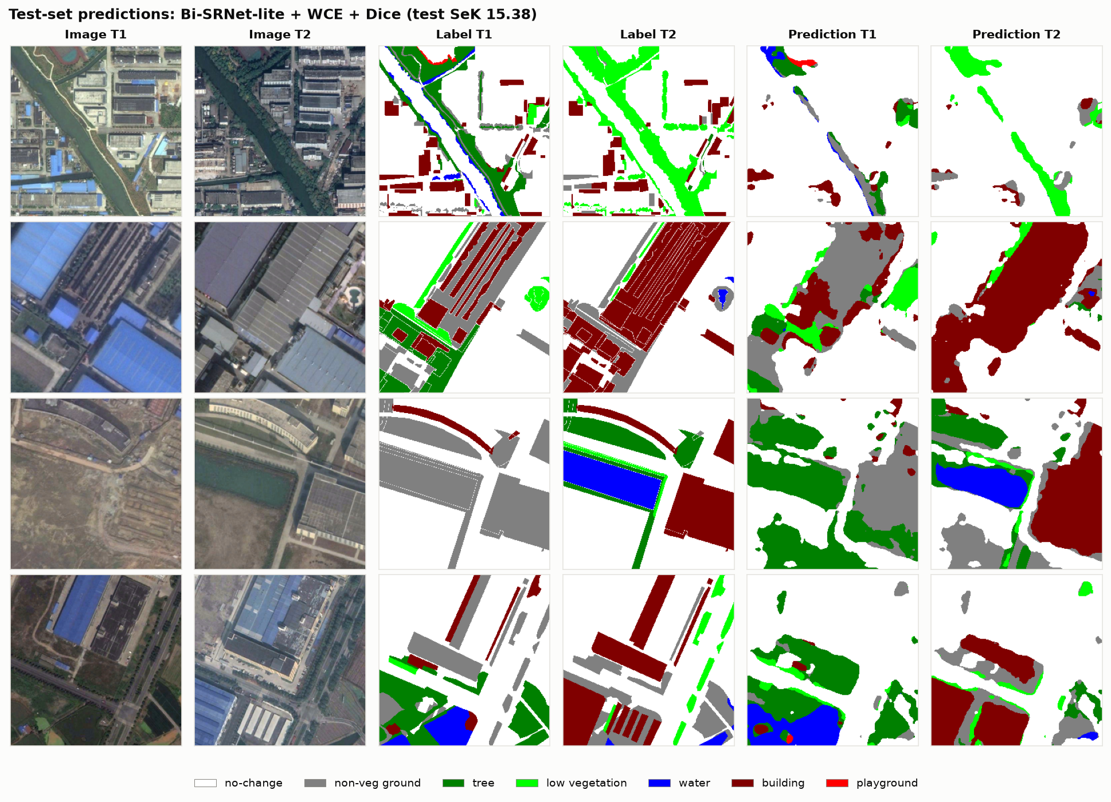
What the best model actually predicts
What this sheet shows: four test image pairs: the two photos, the true labels, and the best model's prediction. White = no change; colours = land-cover class (legend under the picture).
Key takeaway: Large changes such as new buildings are found well; thin or small changed areas are often missed, which matches the error analysis.

