Start Here
Semantic change detection on the SECOND dataset — start here
What this sheet shows: a plain-language summary of the whole project: what was done, which model was used and why, how good the results are, and how to read the other sheets.
Key takeaway: The best model finds and labels changes 93% better than the starting model (main score 7.97 → 15.38). Most of the gain came from choosing a better model design.

What is this project?
Two aerial photos of the same place, taken at different times, are compared. For every pixel the computer decides: did it change? If yes, what was it before and what is it now (for example tree → building)? The data is the public SECOND dataset (2,968 photo pairs, 6 land-cover classes). The hard part: only 20% of pixels change, and some classes (water, playground) are very rare.

The answer in numbers (test set of 595 photo pairs the models never saw)
Measure | Value | Meaning
Starting model (Model 1) — main score | 7.97 | Separated Kappa, 0–100, higher is better
Chosen model (Model 3) — main score | 14.24 | Bi-temporal Semantic Reasoning Network
Best result — main score | 15.38 | Model 3 + best method for rare classes
Best method for rare classes | Weighted cross-entropy + Dice loss | In the single main run; in the 3-fold check the top methods are tied
Total improvement | 93% | Best result vs starting model
Overall accuracy of the best result | 84.3% | Share of pixels labelled correctly
Changes found by the best result (recall) | 72.3% | Share of truly changed pixels that the model marked as changed
Methods that beat the standard loss in all 3 folds | 6 of 9 | Stability check

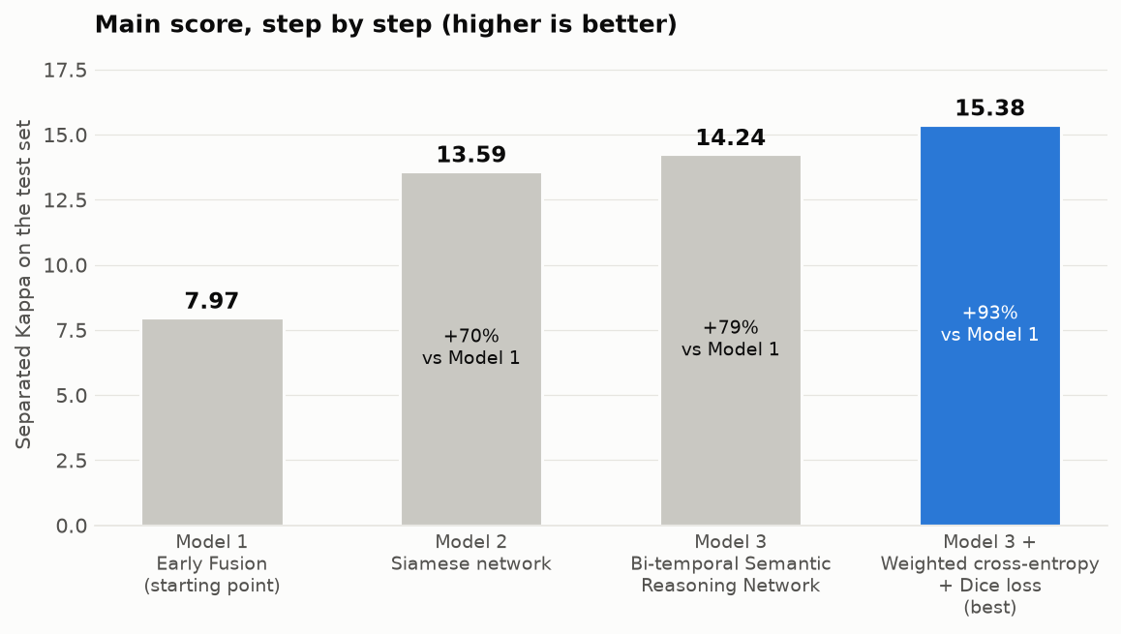

Which machine learning model did we use, and why?
Step | What was done | Why
1. Built three models | All are convolutional neural networks (deep learning) with the same 18-layer Residual Network encoder. Model 1 joins both photos at the start; Model 2 reads them separately (Siamese); Model 3 adds attention between the two dates. | To find out which design handles before/after photos best, under exactly the same conditions.
2. Picked the best | Model 3 had the highest validation score (test main score 14.24 vs 13.59 and 7.97). | Chosen on validation data, so the test score stays a fair, unseen check.
3. Helped it with rare classes | Tried 9 methods (weighted losses, Dice loss, focal loss, oversampling, …) on Model 3. | Rare classes like water were almost never found by Model 1.
4. Checked stability | Repeated every configuration 3 times (3-fold cross-validation). | A single run can be lucky; repeating shows which results are real.

Why is the main score only about 15 when accuracy is 84%?
They measure different things. The main score (Separated Kappa) is NOT a percentage of correct pixels. It is a strict score that removes the easy 'no change' pixels and checks whether changes are found AND labelled with the right classes; 0 means no better than chance. On this dataset even the best published models score only about 24–25. Accuracy is high for every model because 81% of pixels never change: a model that always answers 'no change' would already get about 81% accuracy while finding zero changes.

Why not just use the usual metrics (accuracy, precision, recall, F1-score)?
They are reported too — see the 'Standard Metrics' sheet. But on their own they are misleading here: accuracy rewards saying 'no change', and precision/recall/F1 only check whether a change was found, not whether its land-cover classes are right. Research papers on this dataset therefore use Separated Kappa as the main score, plus the F-score for semantic change detection, mean intersection over union and overall accuracy. Using the same scores makes our results comparable with published work.

Why are our scores lower than in research papers?
Papers use full-size 512 × 512 images, larger encoders and 50–200 epochs on large graphics servers. This project used 256 × 256 images (a quarter of the pixels), an 18-layer encoder and 20 epochs on a laptop. The ranking of the three designs still matches the papers (see 'Comparison with Papers').

How to read this workbook (click a sheet name)
Sheet | What you will find
Models Used | The three models: what they are, which paper, why tried, result
Standard Metrics | Accuracy, precision, recall, F1-score and confusion counts for every run
Step 1 Compare Models | Step 1: the three models compared
Step 2 Rare-Class Methods | Step 2: nine methods for rare classes
Results per Class | Score of each land-cover class
Errors | What kind of mistakes the models make
Stability Check | Every configuration repeated 3 times
Learning Curves | Overfitting or underfitting?
Training Progress | Validation score after every epoch
Comparison with Papers | Our scores next to published papers
Predictions | Example outputs of the best model
Glossary | Every term and short form explained
References | Paper and link for every component
Setup | Settings and exact score definitions
Next Steps | Plan towards a publication

Standard Metrics
Standard metrics: accuracy, precision, recall, F1-score and confusion matrix
What this sheet shows: the usual classification metrics for every run, computed for the question 'did this pixel change or not?'. All numbers come from pixel counts on the test set (both dates together); the metric columns are Excel formulas you can check.
Key takeaway: Accuracy looks high (85%–88%) for every model, even the weak ones, because 81% of pixels never change. Recall and F1-score show the real differences: the best method finds many more changes than Model 1.

Model + method | Truly changed, predicted changed (true positives) | Truly changed, predicted unchanged (false negatives) | Truly unchanged, predicted changed (false positives) | Truly unchanged, predicted unchanged (true negatives) | All pixels | Accuracy | Precision | Recall | F1-score | Accuracy of a model that always says 'no change'
Model 1: Early Fusion network | 7,829,938 | 7,344,044 | 3,243,180 | 59,570,678 | 77,987,840 | 86.4% | 70.7% | 51.6% | 59.7% | 80.5%
Model 2: Siamese network | 8,894,678 | 6,279,304 | 2,875,170 | 59,938,688 | 77,987,840 | 88.3% | 75.6% | 58.6% | 66.0% | 80.5%
Model 3: Bi-temporal Semantic Reasoning Network | 9,414,668 | 5,759,314 | 3,406,948 | 59,406,910 | 77,987,840 | 88.2% | 73.4% | 62.0% | 67.3% | 80.5%
Model 3: Bi-temporal Semantic Reasoning Network + Weighted cross-entropy + Dice loss | 10,975,814 | 4,198,168 | 5,668,306 | 57,145,552 | 77,987,840 | 87.3% | 65.9% | 72.3% | 69.0% | 80.5%
Model 3: Bi-temporal Semantic Reasoning Network + Cross-entropy + Dice loss | 10,252,706 | 4,921,276 | 4,558,964 | 58,254,894 | 77,987,840 | 87.8% | 69.2% | 67.6% | 68.4% | 80.5%
Model 3: Bi-temporal Semantic Reasoning Network + Weighted cross-entropy loss | 10,780,226 | 4,393,756 | 5,647,468 | 57,166,390 | 77,987,840 | 87.1% | 65.6% | 71.0% | 68.2% | 80.5%
Model 3: Bi-temporal Semantic Reasoning Network + Weighted cross-entropy + Dice loss + rare-class oversampling | 10,659,604 | 4,514,378 | 5,422,348 | 57,391,510 | 77,987,840 | 87.3% | 66.3% | 70.2% | 68.2% | 80.5%
Model 3: Bi-temporal Semantic Reasoning Network + Median frequency balancing | 11,251,754 | 3,922,228 | 6,520,960 | 56,292,898 | 77,987,840 | 86.6% | 63.3% | 74.2% | 68.3% | 80.5%
Model 3: Bi-temporal Semantic Reasoning Network + Class-balanced loss | 11,115,290 | 4,058,692 | 6,329,078 | 56,484,780 | 77,987,840 | 86.7% | 63.7% | 73.3% | 68.2% | 80.5%
Model 3: Bi-temporal Semantic Reasoning Network + Focal loss | 11,884,236 | 3,289,746 | 8,432,242 | 54,381,616 | 77,987,840 | 85.0% | 58.5% | 78.3% | 67.0% | 80.5%
Model 3: Bi-temporal Semantic Reasoning Network + Cross-entropy + rare-class oversampling | 9,628,832 | 5,545,150 | 4,099,474 | 58,714,384 | 77,987,840 | 87.6% | 70.1% | 63.5% | 66.6% | 80.5%
Model 3: Bi-temporal Semantic Reasoning Network + Online hard example mining | 13,710,696 | 1,463,286 | 37,990,844 | 24,823,014 | 77,987,840 | 49.4% | 26.5% | 90.4% | 41.0% | 80.5%

Accuracy = (true positives + true negatives) ÷ all pixels. Precision = true positives ÷ all pixels predicted as changed. Recall = true positives ÷ all truly changed pixels. F1-score = harmonic mean of precision and recall. Positive = 'changed'. Blue shading = F1-score.

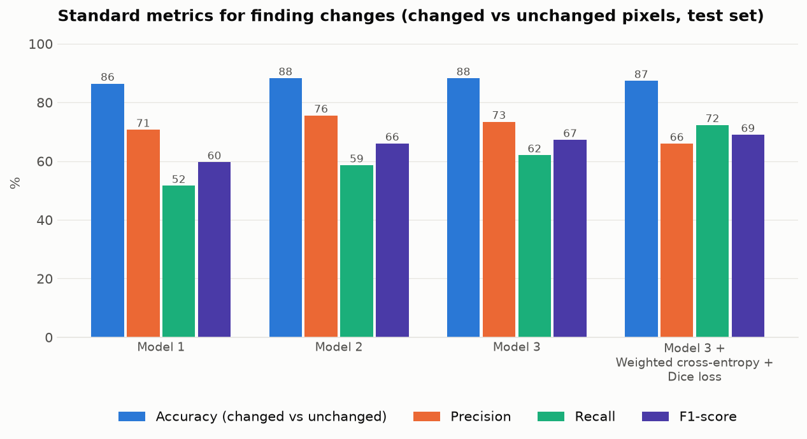

How these relate to the metrics used in change-detection papers
Metric | Relation
Accuracy | Overall accuracy (official SECOND metric) is the same idea over 7 labels: 'no change' + 6 land-cover classes.
Precision, recall, F1-score | F-score for semantic change detection (official) is the F1-score computed on changed pixels, but a change only counts as correct if the land-cover class is also correct.
Confusion matrix | Shown in full (7 × 7 classes) on the 'Errors' sheet. The four counts above are taken from it.
Cross-entropy (log loss) | This is the training loss. Its value on training and validation data after every epoch is on the 'Learning Curves' sheet. Here it is combined with other loss terms, so it is not a pure log loss.
ROC curve and area under it | Not computed. It needs the model's probability for every pixel, and the experiments stored only the final yes/no decisions (threshold 0.5). It can be added from a saved model.
Why not use only these? | With 81% unchanged pixels, accuracy rewards saying 'no change'. And these metrics only check whether a change was found, not whether its land-cover classes are right. Separated Kappa checks both and removes the easy 'no change' part, which is why papers use it as the main score.

Step 2 Rare-Class Methods
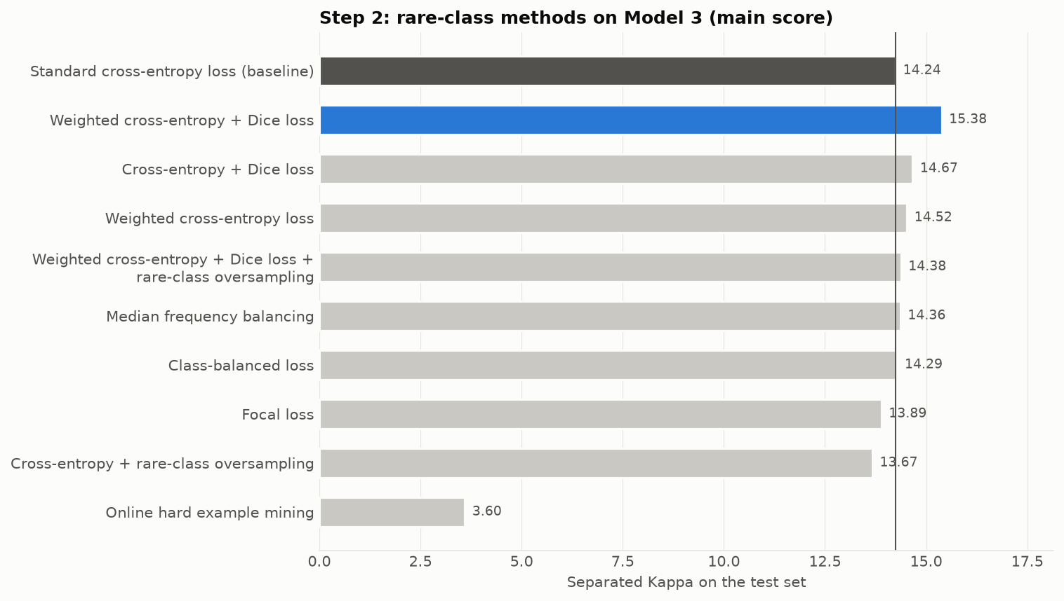
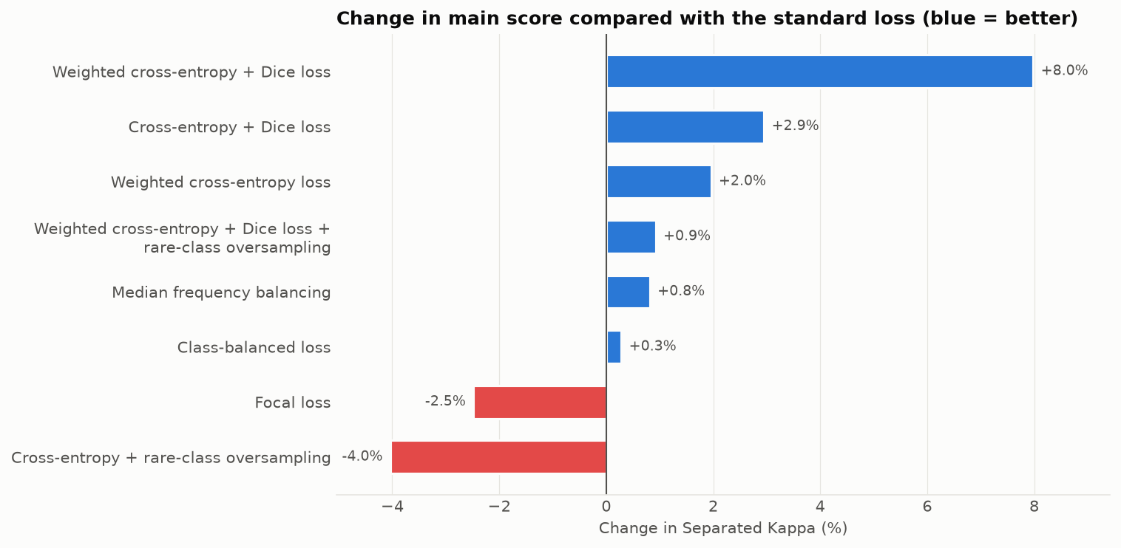
Step 2: methods for rare classes, tested on Model 3
What this sheet shows: nine ways of helping the model learn rare classes (water, playground), each trained on Model 3 and compared with the standard cross-entropy loss (first row).
Key takeaway: 6 of 9 methods beat the standard loss. Best in this run: Weighted cross-entropy + Dice loss (+8.0%). Worse: Focal loss; Cross-entropy + rare-class oversampling; Online hard example mining.

Method | What it does | Paper | Separated Kappa (main score) (%) | F-score for semantic change detection (%) | Mean intersection over union (%) | Overall accuracy (%) | Water: intersection over union (%) | Playground: intersection over union (%) | Main score change vs standard loss | Rank | Better than standard loss?
Standard cross-entropy loss (baseline) | Every pixel counts the same. | Standard | 14.24 | 53.36 | 68.65 | 85.75 | 19.62 | 29.79 | — | 7 | — (reference)
Weighted cross-entropy + Dice loss | Both of the above together. | Weighted loss + Milletari and others, 2016 | 15.38 | 53.88 | 68.97 | 84.27 | 22.99 | 32.86 | +8.0% | 1 | Yes
Cross-entropy + Dice loss | Adds a loss that measures overlap, so small classes count more. | Milletari and others, 2016 | 14.67 | 53.76 | 68.98 | 85.03 | 22.08 | 33.81 | +2.9% | 2 | Yes
Weighted cross-entropy loss | Rare classes get a bigger weight in the loss. | Common practice | 14.52 | 53.01 | 68.42 | 84.04 | 20.89 | 29.82 | +2.0% | 3 | Yes
Weighted cross-entropy + Dice loss + rare-class oversampling | The combination above, plus showing rare-class images more often. | As above + Gupta and others, 2019 | 14.38 | 53.04 | 68.50 | 84.22 | 22.91 | 39.16 | +0.9% | 4 | Yes
Median frequency balancing | Class weight = median class frequency ÷ class frequency. | Eigen and Fergus, 2015 | 14.36 | 51.82 | 68.11 | 83.13 | 16.36 | 29.15 | +0.8% | 5 | Yes
Class-balanced loss | Class weights from the 'effective number' of examples per class. | Cui and others, 2019 | 14.29 | 52.40 | 68.08 | 83.39 | 18.73 | 31.61 | +0.3% | 6 | Yes
Focal loss | Gives less weight to pixels the model already gets right easily. | Lin and others, 2017 | 13.89 | 52.09 | 66.31 | 81.58 | 22.28 | 33.59 | -2.5% | 8 | No
Cross-entropy + rare-class oversampling | Same loss; training images that contain rare classes are shown more often. | Gupta and others, 2019 | 13.67 | 53.14 | 67.93 | 85.13 | 22.01 | 32.67 | -4.0% | 9 | No
Online hard example mining | Trains only on the hardest 25% of pixels. | Shrivastava and others, 2016 | 3.60 | 26.77 | 32.20 | 43.31 | 14.56 | 19.03 | -74.8% | 10 | No

Green row = best method in this run. Red/green shading = worse/better than the standard loss. Online hard example mining did not train properly with its default setting (hardest 25% of pixels); this shows that setting failing, not that the method can never work. Each method was trained once here; the 'Stability Check' sheet repeats every method 3 times. There, the top methods are within about 0.1 of each other, so they should be treated as equally good.

Errors
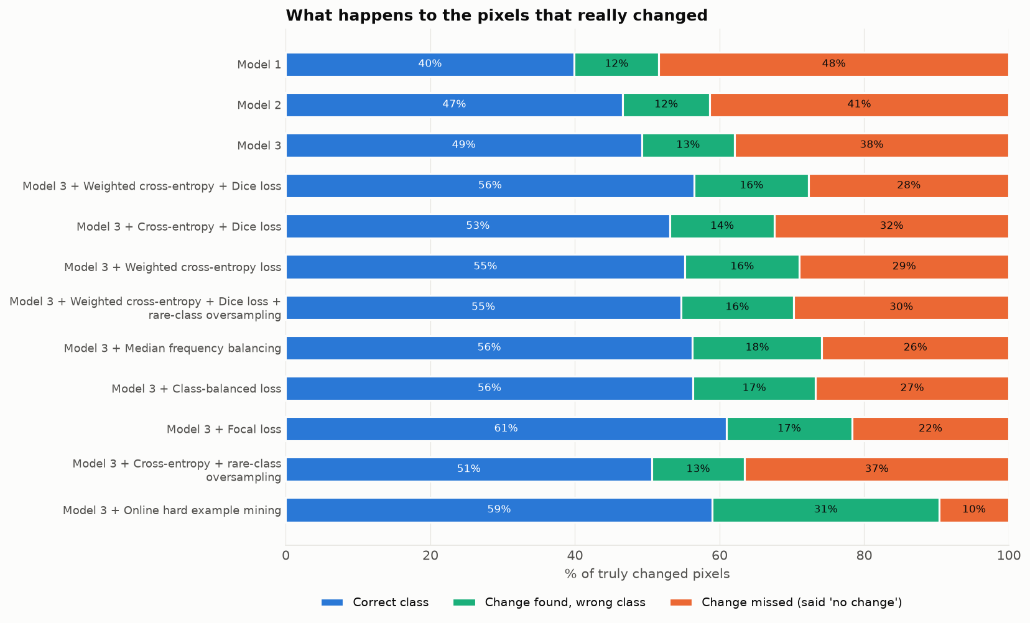
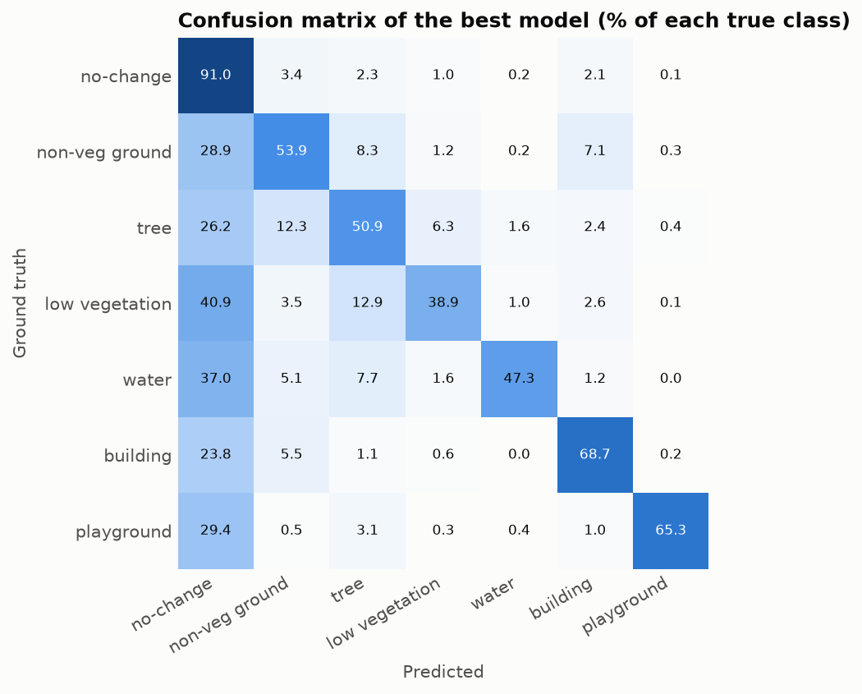
What kind of mistakes do the models make?
What this sheet shows: every truly changed pixel is given the correct class, the wrong class, or is missed (the model says 'no change'). Also the confusion matrix of the best model.
Key takeaway: Missing a change is the biggest mistake in 11 of 12 runs. Getting the class wrong is less common. So the next improvement should help the model find more changes.

Model + method | Truly changed pixels | Correct class | Wrong class | Missed (said 'no change') | Correct % | Wrong class % | Missed %
Model 1: Early Fusion network | 15,173,982 | 6,052,960 | 1,776,978 | 7,344,044 | 39.9% | 11.7% | 48.4%
Model 2: Siamese network | 15,173,982 | 7,070,016 | 1,824,662 | 6,279,304 | 46.6% | 12.0% | 41.4%
Model 3: Bi-temporal Semantic Reasoning Network | 15,173,982 | 7,469,291 | 1,945,377 | 5,759,314 | 49.2% | 12.8% | 38.0%
Model 3: Bi-temporal Semantic Reasoning Network + Weighted cross-entropy + Dice loss | 15,173,982 | 8,571,258 | 2,404,556 | 4,198,168 | 56.5% | 15.8% | 27.7%
Model 3: Bi-temporal Semantic Reasoning Network + Cross-entropy + Dice loss | 15,173,982 | 8,059,927 | 2,192,779 | 4,921,276 | 53.1% | 14.5% | 32.4%
Model 3: Bi-temporal Semantic Reasoning Network + Weighted cross-entropy loss | 15,173,982 | 8,375,467 | 2,404,759 | 4,393,756 | 55.2% | 15.8% | 29.0%
Model 3: Bi-temporal Semantic Reasoning Network + Weighted cross-entropy + Dice loss + rare-class oversampling | 15,173,982 | 8,289,262 | 2,370,342 | 4,514,378 | 54.6% | 15.6% | 29.8%
Model 3: Bi-temporal Semantic Reasoning Network + Median frequency balancing | 15,173,982 | 8,536,483 | 2,715,271 | 3,922,228 | 56.3% | 17.9% | 25.8%
Model 3: Bi-temporal Semantic Reasoning Network + Class-balanced loss | 15,173,982 | 8,545,751 | 2,569,539 | 4,058,692 | 56.3% | 16.9% | 26.7%
Model 3: Bi-temporal Semantic Reasoning Network + Focal loss | 15,173,982 | 9,243,435 | 2,640,801 | 3,289,746 | 60.9% | 17.4% | 21.7%
Model 3: Bi-temporal Semantic Reasoning Network + Cross-entropy + rare-class oversampling | 15,173,982 | 7,679,227 | 1,949,605 | 5,545,150 | 50.6% | 12.8% | 36.5%
Model 3: Bi-temporal Semantic Reasoning Network + Online hard example mining | 15,173,982 | 8,951,836 | 4,758,860 | 1,463,286 | 59.0% | 31.4% | 9.6%

Counts from each run's test confusion matrix. Percentages are formulas. Orange = share of changes missed.

Stability Check
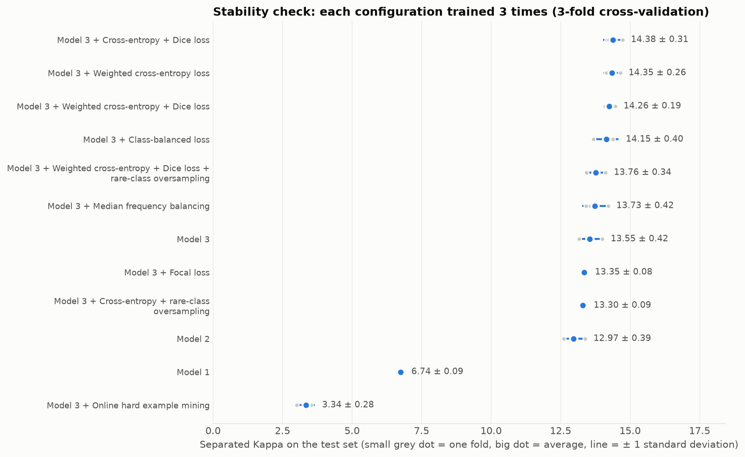
Are the results stable? (3-fold cross-validation)
What this sheet shows: each configuration trained 3 times, each time on a different part of the training data (1,582 training and 791 validation pairs), and scored on the same 595 test pairs. Finished: 36 of 36 trainings.
Key takeaway: The order of the three models is the same in every fold. 6 methods beat the standard loss in all 3 folds. The top three (Cross-entropy + Dice loss; Weighted cross-entropy loss; Weighted cross-entropy + Dice loss) are within 0.12 of each other, so they are equally good.

Configuration | Fold 1 | Fold 2 | Fold 3 | Folds done | Average test score | Standard deviation | Average validation score | Average training score | Gap (training − validation) | Beats its reference in | Fit diagnosis
Model 1 | 6.65 | 6.77 | 6.82 | 3 | 6.74 | 0.09 | 7.03 | 11.78 | 4.75 | — (reference) | Mild overfitting
Model 2 | 13.39 | 12.92 | 12.61 | 3 | 12.97 | 0.39 | 13.38 | 25.17 | 11.80 | 3 of 3 | Mild overfitting
Model 3 | 14.00 | 13.49 | 13.16 | 3 | 13.55 | 0.42 | 14.39 | 23.16 | 8.77 | 3 of 3 | Mild overfitting
Model 3 + Weighted cross-entropy + Dice loss | 14.47 | 14.10 | 14.20 | 3 | 14.26 | 0.19 | 14.96 | 24.18 | 9.22 | 3 of 3 | Mild overfitting
Model 3 + Cross-entropy + Dice loss | 14.73 | 14.17 | 14.23 | 3 | 14.38 | 0.31 | 14.97 | 24.51 | 9.54 | 3 of 3 | Mild overfitting
Model 3 + Weighted cross-entropy loss | 14.65 | 14.26 | 14.14 | 3 | 14.35 | 0.26 | 14.89 | 22.95 | 8.06 | 3 of 3 | Mild overfitting
Model 3 + Median frequency balancing | 14.21 | 13.57 | 13.42 | 3 | 13.73 | 0.42 | 14.40 | 21.00 | 6.60 | 3 of 3 | Mild overfitting
Model 3 + Class-balanced loss | 14.37 | 14.38 | 13.69 | 3 | 14.15 | 0.40 | 14.75 | 22.09 | 7.35 | 3 of 3 | Mild overfitting
Model 3 + Focal loss | 13.34 | 13.44 | 13.27 | 3 | 13.35 | 0.08 | 13.99 | 20.73 | 6.75 | 1 of 3 | Mild overfitting
Model 3 + Cross-entropy + rare-class oversampling | 13.34 | 13.20 | 13.37 | 3 | 13.30 | 0.09 | 13.88 | 22.38 | 8.50 | 1 of 3 | Mild overfitting
Model 3 + Weighted cross-entropy + Dice loss + rare-class oversampling | 14.12 | 13.72 | 13.44 | 3 | 13.76 | 0.34 | 14.53 | 23.02 | 8.49 | 3 of 3 | Mild overfitting
Model 3 + Online hard example mining | 3.02 | 3.48 | 3.52 | 3 | 3.34 | 0.28 | 3.33 | 4.53 | 1.20 | 0 of 3 | Failed to learn

All scores are Separated Kappa. Reference: Models 2 and 3 are compared with Model 1; methods with Model 3 + standard loss. Fit diagnosis (averaged over folds): Overfitting = validation loss ends more than 10% above its lowest value AND training score is more than 3 points above validation score; Mild overfitting = only one of the two; Underfitting = validation score still rising by more than 0.15 per epoch with a gap below 2; Failed = best validation score below 5. These thresholds were chosen for this project. Cross-validation models train on fewer images (1,582) than the main runs (2,077), so their scores are slightly lower; this sheet is for stability and ranking.

Learning Curves
Overfitting or underfitting? Training vs validation curves
What this sheet shows: the score on the model's own training data (orange) and on unseen validation data (blue) after every epoch (one pass over the training data), averaged over the 3 folds.
Key takeaway: Diagnosis: 11 × mild overfitting, 1 × failed to learn. The training score keeps rising while the validation score grows only slowly after about 12–15 epochs. More data or regularisation should help more than simply training longer.

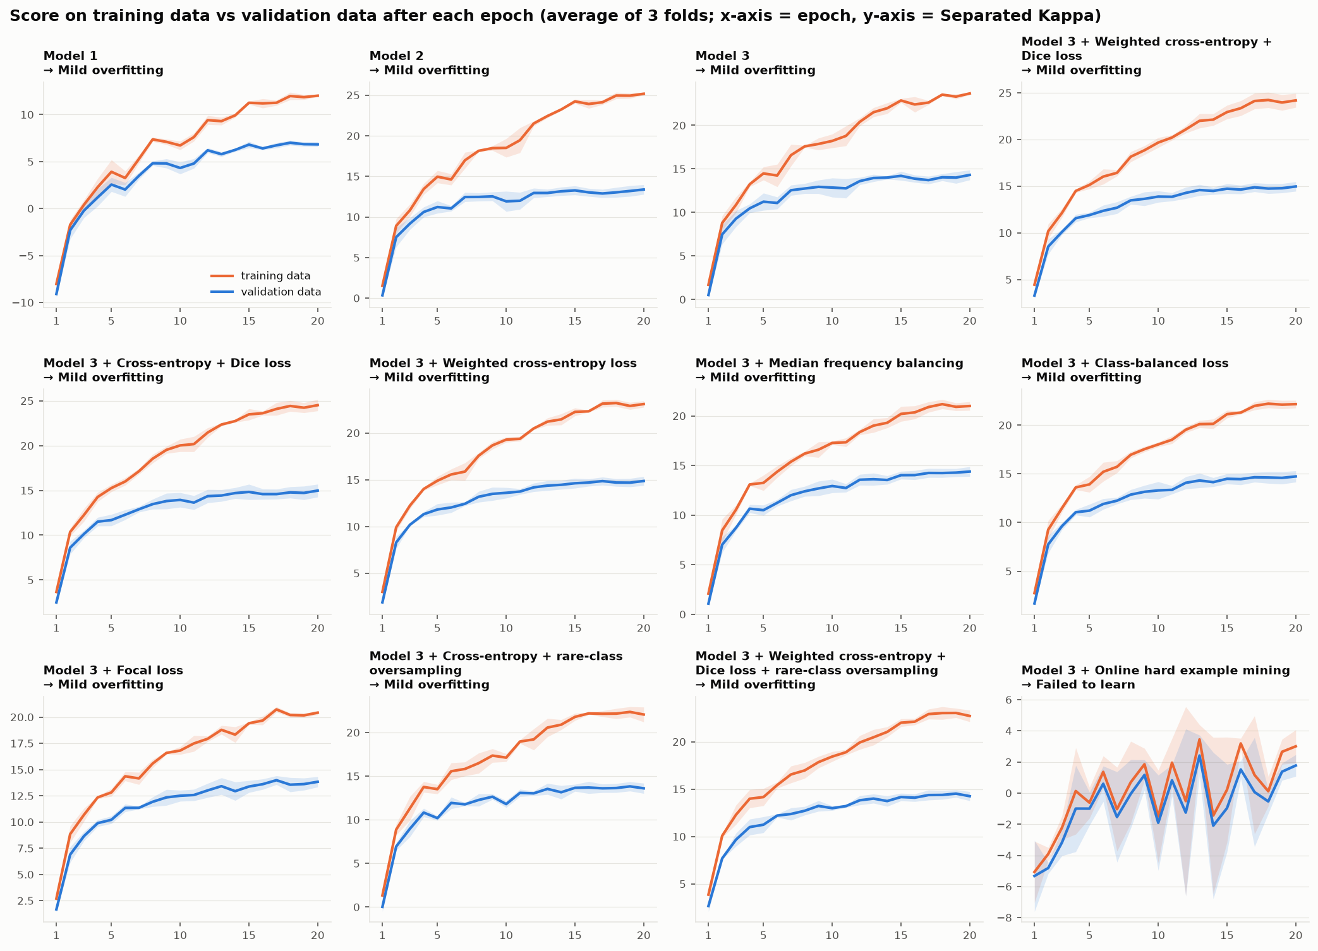

Loss values (cross-entropy based) on training and validation data — average of 3 folds
Configuration | Training loss, epoch 1 | Training loss, epoch 20 | Validation loss, epoch 1 | Validation loss, epoch 20 | Lowest validation loss | Fit diagnosis
Model 1 | 1.835 | 0.914 | 1.859 | 1.083 | 1.079 | Mild overfitting
Model 2 | 1.464 | 0.659 | 1.493 | 1.002 | 0.976 | Mild overfitting
Model 3 | 1.670 | 0.901 | 1.699 | 1.151 | 1.142 | Mild overfitting
Model 3 + Weighted cross-entropy + Dice loss | 3.244 | 1.827 | 3.315 | 2.328 | 2.328 | Mild overfitting
Model 3 + Cross-entropy + Dice loss | 2.994 | 1.676 | 3.057 | 2.084 | 2.083 | Mild overfitting
Model 3 + Weighted cross-entropy loss | 1.930 | 1.072 | 1.968 | 1.376 | 1.370 | Mild overfitting
Model 3 + Median frequency balancing | 1.980 | 1.066 | 2.035 | 1.452 | 1.443 | Mild overfitting
Model 3 + Class-balanced loss | 1.951 | 1.068 | 2.009 | 1.425 | 1.416 | Mild overfitting
Model 3 + Focal loss | 0.778 | 0.403 | 0.793 | 0.512 | 0.509 | Mild overfitting
Model 3 + Cross-entropy + rare-class oversampling | 1.653 | 0.937 | 1.689 | 1.175 | 1.162 | Mild overfitting
Model 3 + Weighted cross-entropy + Dice loss + rare-class oversampling | 3.216 | 1.864 | 3.305 | 2.392 | 2.365 | Mild overfitting
Model 3 + Online hard example mining | 2.612 | 2.024 | 2.617 | 2.180 | 2.176 | Failed to learn

Comparison with Papers
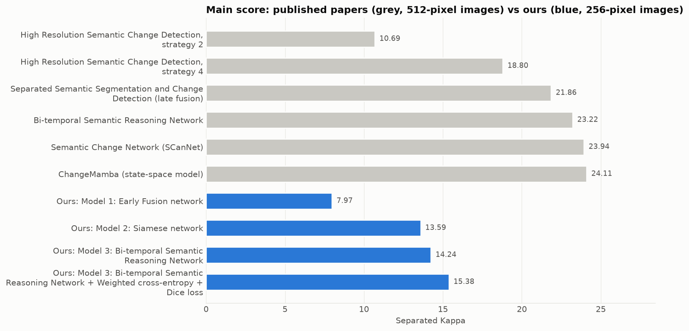
How do our scores compare with published papers?
What this sheet shows: our results next to results reported in papers on the same dataset. The papers use 512 × 512 images, bigger networks and longer training, so this is a reference, not a like-for-like contest.
Key takeaway: Our models reach 61%–75% of the published score of the same design, with a quarter of the pixels, a small encoder and 20 epochs on a laptop. The order of the designs matches the papers.

Method | Setting | Overall accuracy (%) | Mean intersection over union (%) | Separated Kappa (main score) (%) | F-score for semantic change detection (%) | Share of the published main score
High Resolution Semantic Change Detection, strategy 2 | Published (512 × 512 images) | 85.49 | 64.43 | 10.69 | 49.22 | —
High Resolution Semantic Change Detection, strategy 4 | Published (512 × 512 images) | 86.62 | 71.15 | 18.80 | 58.21 | —
Separated Semantic Segmentation and Change Detection (late fusion) | Published (512 × 512 images) | 87.19 | 72.60 | 21.86 | 61.22 | —
Bi-temporal Semantic Reasoning Network | Published (512 × 512 images) | 87.84 | 73.41 | 23.22 | 62.61 | —
Semantic Change Network (SCanNet) | Published (512 × 512 images) | 87.86 | 73.42 | 23.94 | 63.66 | —
ChangeMamba (state-space model) | Published (512 × 512 images) | 88.12 | 73.68 | 24.11 | 64.03 | —
Ours: Model 1: Early Fusion network | Ours (256 × 256 images, 18-layer encoder, 20 epochs) | 84.15 | 63.71 | 7.97 | 46.12 | 75%
Ours: Model 2: Siamese network | Ours (256 × 256 images, 18-layer encoder, 20 epochs) | 85.92 | 68.02 | 13.59 | 52.48 | 62%
Ours: Model 3: Bi-temporal Semantic Reasoning Network | Ours (256 × 256 images, 18-layer encoder, 20 epochs) | 85.75 | 68.65 | 14.24 | 53.36 | 61%
Ours: Model 3: Bi-temporal Semantic Reasoning Network + Weighted cross-entropy + Dice loss | Ours (256 × 256 images, 18-layer encoder, 20 epochs) | 84.27 | 68.97 | 15.38 | 53.88 | 66%

Published values as listed in Mamba-FCS (arXiv 2508.08232), Table II. 'Share' compares each of our models with the paper version of the same design (Model 1 ↔ strategy 2, Model 2 ↔ Separated Semantic Segmentation and Change Detection, Model 3 ↔ Bi-temporal Semantic Reasoning Network).

Predictions
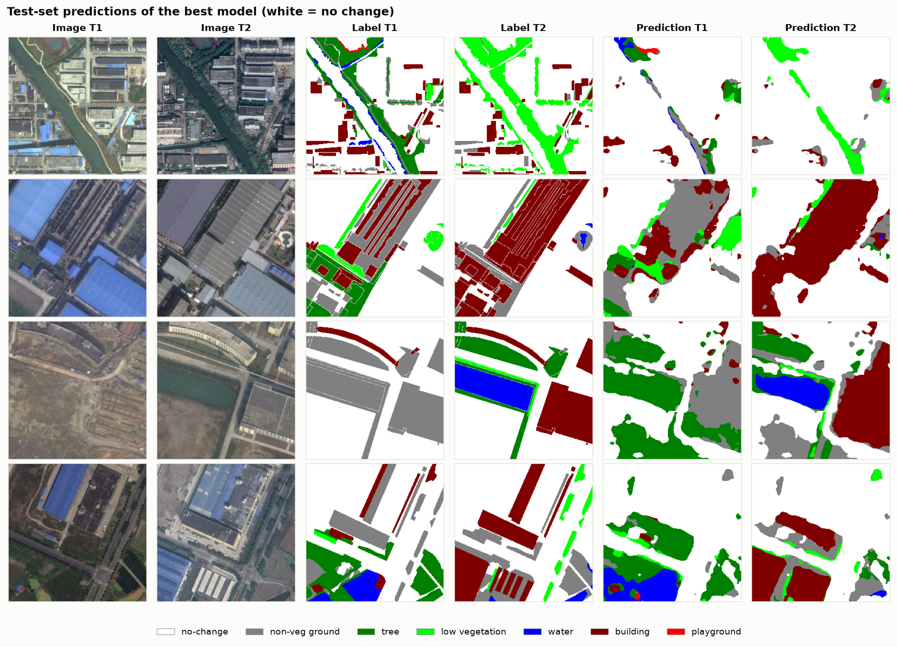
What the best model actually predicts
What this sheet shows: four test image pairs: the two photos, the true labels, and the best model's prediction. White = no change; colours = land-cover class (legend under the picture).
Key takeaway: Large changes such as new buildings are found well; thin or small changed areas are often missed, as the 'Errors' sheet shows.

