Advising Tools & Resources
 | ADVISING TOOLS & RESOURCES

 | PolyProfile | Degree Progress Report (DPR) | Plan A Student Schedule (PASS) | Student Services | Career Services | Mustang Success Center

 | Shows Cal Poly acceptance information. Contains academic progress gauge which shows the percentage of your degree completion (determines when you register). Serves as your unofficial transcript that details the timing of your coursework and the grades that you received, as well as a summary of all of your quarter grades. Polyplanner is summarized at the bottom. Can see how AP tests transfered via "Test Credits Detail" and can see community college courses/transfer units via "Higher Ed Credits Detail". Both of those sections are located on the right side below "Menu." HELPFUL RESOURCE: https://www.youtube.com/watch?v=QnioRzxO4tk | Shows major, graduation status, and various GPAs. Shows all requirements and annotates whether they are completed, in progress, or not yet started (incorporates concentration once it is declared). Shows how many units have been completed out of the required 180 units needed to graduate. Shows all exceptions made regarding courses taken and credit received (e.g. course substitutions). HELPFUL RESOURCE: http://registrar.calpoly.edu/content/Degree_Progress/degree_progress | Automatically displays classes that you have input into your PolyPlanner for the upcoming quarter. Allows you to see all classes being offered that quarter along with class section times and seating capacity. STRICTLY FOR PLANNING SCHEDULES, not for registering. Classes separated by department and General Education (GE) Area to make courses easier to find. Can also sort by Graduation Writing Requirement (GWR) and United States Culturalism Requirement (USCP) to make sure you can fulfill those requirements. Once a completed schedule is made and selected, students can push their schedule to their Student Center where they can enroll in these selected courses. HELPFUL RESOURCE: http://content-calpoly-edu.s3.amazonaws.com/registrar/1/passmovie/pass.swf | Reasons to go online: - To find out about the mentor program. - To learn about the various majors and concnetrations - To learn about the free tutoring opportunities for business classes - To find various forms and learn about some of the college's policies - To see upcoming events on the calendar - To learn about the various senior projects that are offered - To find study abroad information relating to Business, Economics, and Industrial Technology and Packaging Majors Reasons to schedule appointment/talk to a Peer Advisor: - For personal issues regarding logistics behind schedules, graduation, internship credit, etc. - To recieve assistance regarding planning your four years at Cal Poly - Finding summer classes to take/how to transfer credits | Has a Freshman Focus Team that consists of counselors who specifically serve freshman students and understand their unique career development needs. Katie Ottoman is the Orfalea College of Business' career counselor. Drop-in Hours: Tuesday 3-4p.m. (Bldg 124) Friday 9-10a.m. (Bldg 3, Rm 300D) Good resource for receiving guidance on a wide range of career-related topics - career exploration - changing majors - developing career plans - creating a resume/having a working resume reviewed - finding internships and full-time jobs - learning how to network There are many workshops offered for students to tailor specific skills relating to professionalism, development, and success in the world of business. | Specifically for first and second year students. Helps students: - understand university policies - guidance to proactive academic services - refer students to appropriate campus resources - provide leadership in coordinating College and University programs that support student success Email "success@calpoly.edu" for any questions or concerns you may have.

1
1
1
1
1
1
HOW TO FIND:
 | 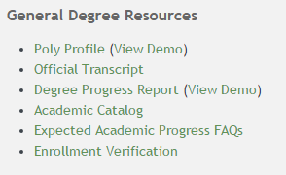 | 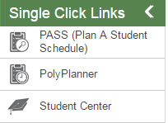 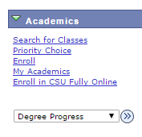 |  | Location: 3-100 Hours: M-F 9-4; T 10-4 Phone Number: (805)756-2601 Website: http://www.cob.calpoly.edu/studentservices/ | Location: 124-114 Phone Number: (805)756-2501 Website: http://www.careerservices.calpoly.edu/ | Location: 52-D37 Phone Number: (805)756-6211 Website: http://success.calpoly.edu/

Tab at the top of the page
2
2
2
2
2
2
3
3
3

