Module1
NOTE: This is a time-limited exam. Finish the exam as early as you can. See email you received for total time you are allowed for all 2 parts.

Sales & Accounts Analyst Examination MODULE 1: ATTENTION-TO-DETAIL TEST (ESTIMATED TIME 5 MINUTES)

Question 1 - Pick the correct one by choosing "correct" in the drop down menu on Column A

Question 2 - Pick the correct one by choosing "correct" in the drop down menu on Column A

Question 3 - Pick the correct one by choosing "correct" in the drop down menu on Column A

Question 4 - Pick the correct one by choosing "correct" in the drop down menu on Column A

Question 5 - Pick the correct one by choosing "correct" in the drop down menu on Column A

Question 6 - The "F" test: Count the number of f's in the sentence. Pick the correct one by choosing "correct" in the drop down menu on Column A
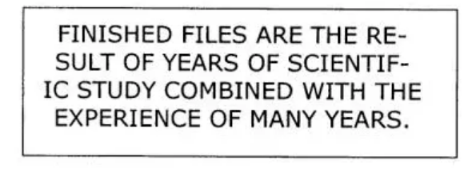
 | 3 or 4
 | 5
 | 6
 | 7
 | 8

Question 7 - Find the identical string to the following below. Pick the correct one by choosing "correct" in the drop down menu on Column A

