Team Evaluation
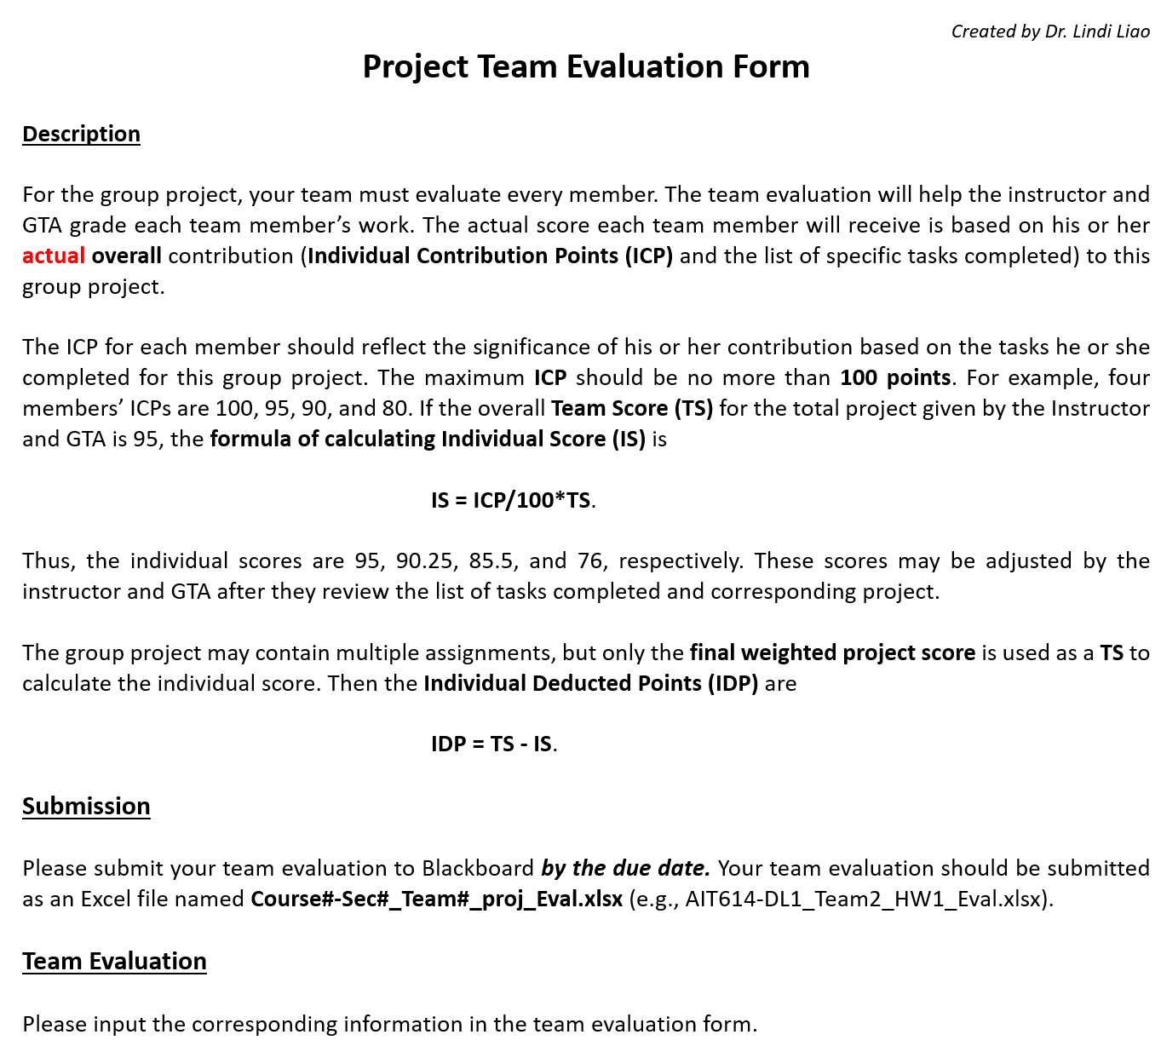

Assignment number or name: | Final Project
Your Team number or name: | Team 7

Team Member's Full Name | ICP | Specific Tasks Completed | IS | IDP
 | (<= 100 points) |  | (Instructor Only) | (Instructor Only)
Chrissie Raj Bezzam | 100 | • Contributed to the Abstract, Research, and Dataset Selection. • Engaged in Data Cleaning, Visualizations, and ML Metrics Visualizations. • Worked on PCA, Presentation Slides, and Code Optimization and Debugging. | 0.0 | 0.0
Amit Chowdary Kamma | 100 | • Participated in Project Proposal development, System Architecture design, and Dataset Selection. • Played a essential role in Data Cleaning, Data Preprocessing, and Exploratory Data Analysis (EDA). • Contributed significantly to Machine Learning Model Implementation, Presentation Slides, Feature Importance and Cross-Validation. | 0.0 | 0.0
Sai Bhaskara Ganesh Gandi | 100 | • Engaged in Research work and Dataset Selection. • Focused on EDA, Visualizations, and the generation of Insights. • Assisted with ML Model Evaluation, PCA, Feature Importance, and Cross-Validation. | 0.0 | 0.0
Charan Teja Kurakula | 100 | • Worked on Research work, encompassing System Architecture design and Dataset Selection. • Worked on data preparation through Data Cleaning, Data Preprocessing, and Exploratory Data Analysis (EDA). • Worked for Machine Learning Model Implementation, Presentation Slides, and Code Optimization and Debugging. | 0.0 | 0.0
Chandra Kiran Reddy Amireddy | 100 | • Involved in project Proposal development, Dataset Selection, and Presentation Slides. • Engaged in Data Preprocessing and Machine Learning Model Implementation. • Assisted with ML Model Evaluation, ML Metrics Visualizations, and Feature Importance and Cross-Validation. | 0.0 | 0.0
 |  |  | 0.0 | 0.0

Team Score (TS) (Instructor Only)

