Q1
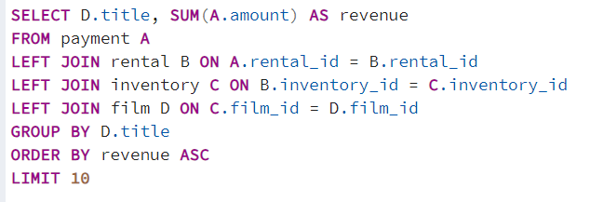
Which movies contributed the most/least to revenue gain?

 | TOP 10 MOVIES |  | BOTTOM 10 MOVIES

 | TITLE | REVENUE IN $ | TITLE | REVENUE IN $
 | Telegraph Voyage | 215.75 | Stallion Sundance | 7.94
 | Zorro Ark | 199.72 | Lights Deer | 7.93
 | Wife Turn | 198.73 | Cruelty Unforgiven | 6.94
 | Innocent Usual | 191.74 | Treatment Jekyll | 6.94
 | Hustler Party | 190.78 | Rebel Airport | 6.93
 | Saturday Lambs | 190.74 | Young Language | 6.93
 | Titans Jerk | 186.73 | Freedom Cleopatra | 5.95
 | Harry Idaho | 177.73 | Texas Watch | 5.94
 | Torque Bound | 169.76 | Duffel Apocalypse | 5.94
 | Dogma Family | 168.72 | Oklahoma Jumanji | 5.94

Q2
What was the average rental duration for all videos?

min_rental_duration | max_rental_duration | avg_rental_duration
3 | 7 | 4.985

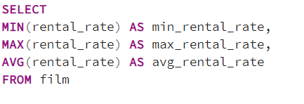
min_rental_rate | max_rental_rate | avg_rental_rate
0.99 | 4.99 | 2.98

 | MINIMUM | MAXIMUM | AVERAGE
RENTAL DURATION | 3 | 7 | 5
RENTAL RATE IN $ | 0.99 | 4.99 | 2.98

Q3
Which countries are Rockbuster customers based in?

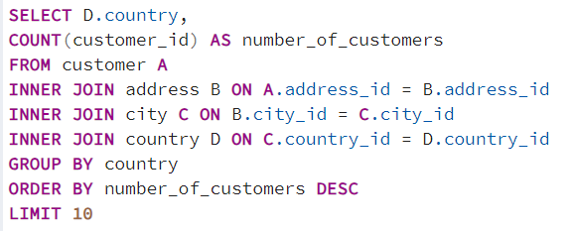
COUNTRY | NUMBER OF CUSTOMERS
India | 60
China | 53
United States | 36
Japan | 31
Mexico | 30
Brazil | 28
Russian Federation | 28
Philippines | 20
Turkey | 15
Indonesia | 14

Q4
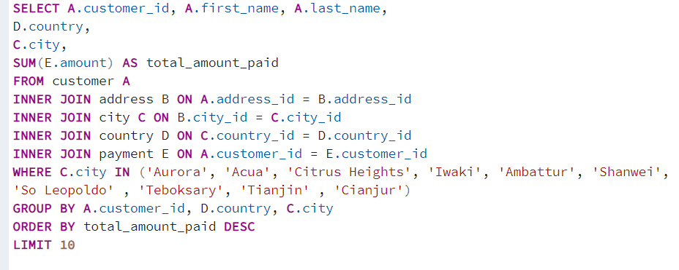
Where are the top customers based?

CUSTOMER ID | FIRST NAME | LAST NAME | COUNTRY | city | TOTAL AMOUNT PAID IN $
225 | Arlene | Harvey | India | CITY | 111.76
424 | Kyle | Spurlock | China | Shanwei | 109.71
240 | Marlene | Welch | Japan | Iwaki | 106.77
486 | Glen | Talbert | Mexico | Acua | 100.77
537 | Clinton | Buford | United States | Aurora | 98.76
14 | Betty | White | United States | Citrus Heights | 96.77
443 | Francisco | Skidmore | Brazil | So Leopoldo | 93.79
249 | Dora | Medina | China | Tianjin | 88.81
411 | Norman | Currier | Indonesia | Cianjur | 73.76
350 | Juan | Fraley | Russian Federation | Teboksary | 63.79

Q5
Do sales figures vary between geographic regions?

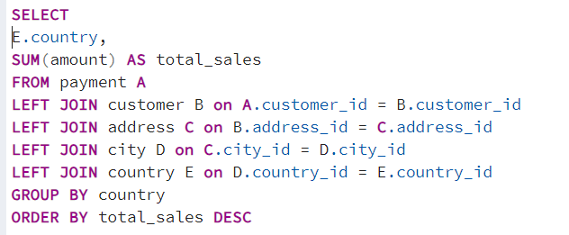
COUNTRY | TOTAL SALES IN $
India | 6034.78
China | 5251.03
United States | 3685.31
Japan | 3122.51
Mexico | 2984.82
Brazil | 2919.19
Russian Federation | 2765.62
Philippines | 2219.7
Turkey | 1498.49
Indonesia | 1352.69
Nigeria | 1314.92
Argentina | 1298.8
Taiwan | 1155.1
South Africa | 1069.46
Iran | 877.96
United Kingdom | 850.96
Poland | 786.16
Italy | 753.26
Germany | 741.24
Vietnam | 676.45
Ukraine | 675.53
Colombia | 661.54
Egypt | 659.48
Venezuela | 632.43
Canada | 559.7
Netherlands | 557.73
South Korea | 527.77
Spain | 513.8
Yemen | 473.93
Pakistan | 473.84
Saudi Arabia | 452.94
Peru | 407.01
Thailand | 401.08
Israel | 379.13
Ecuador | 369.18
Bangladesh | 353.19
Algeria | 349.18
France | 334.12
Malaysia | 330.23
Tanzania | 322.22
Mozambique | 315.25
United Arab Emirates | 305.25
Dominican Republic | 304.26
Chile | 303.34
Austria | 284.3
Morocco | 274.35
Paraguay | 273.4
Belarus | 271.36
Latvia | 249.43
Switzerland | 248.41
Kenya | 245.49
Yugoslavia | 233.49
Puerto Rico | 224.48
Romania | 218.42
Runion | 211.55
French Polynesia | 205.52
Greece | 204.54
Sudan | 202.51
Azerbaijan | 198.53
Bulgaria | 194.52
Kazakstan | 192.51
Angola | 187.55
Cameroon | 186.49
Myanmar | 179.53
Cambodia | 179.51
Bolivia | 178.56
Congo, The Democratic Republic of the | 168.58
Oman | 161.56
Holy See (Vatican City State) | 146.68
Nauru | 143.7
Sweden | 139.67
Czech Republic | 132.72
Moldova | 127.66
Turkmenistan | 126.74
Chad | 122.72
Malawi | 121.73
Zambia | 121.7
Virgin Islands, U.S. | 121.69
Greenland | 119.72
Armenia | 118.75
Gambia | 114.73
Iraq | 111.73
Hungary | 111.71
Bahrain | 108.76
North Korea | 107.71
Brunei | 107.66
Kuwait | 106.75
Estonia | 105.72
Hong Kong | 104.76
Sri Lanka | 103.73
Liechtenstein | 99.74
Anguilla | 99.68
French Guiana | 97.8
Faroe Islands | 96.76
Senegal | 95.76
Nepal | 93.83
Tuvalu | 93.78
Madagascar | 92.79
Ethiopia | 91.77
New Zealand | 85.77
Slovakia | 80.77
Finland | 78.79
Tunisia | 73.78
Afghanistan | 67.82
Tonga | 64.84
Saint Vincent and the Grenadines | 64.82
Lithuania | 63.78
American Samoa | 47.85

