Table 1
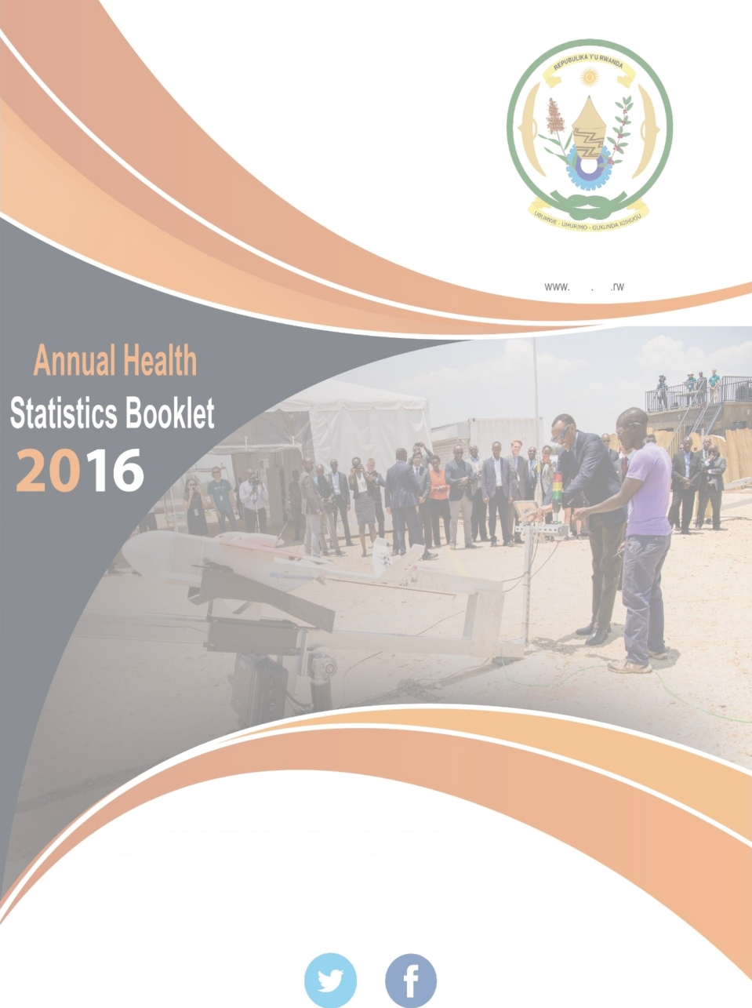
REPUBLIC OF RWANDA
MINISTRY OF HEALTH KIGALI 84 P.O. BOX moh gov
@RwandaHeaIth
w w w . m o h . g o v . r w
Contents Contents 1 List of Figures 3 List of Tables 6 Acronyms 8 Forward 10 Introduction 11 Health Sector Resources 12 Health Facilities 12 Health Facility Equipment and Utilities 15 Electricity 15 Sources of water

Care and treatment 52 Male circumcision 53 Tuberculosis 55 Malaria 59 Non-Communicable Diseases (NCDs) 63 Epidemic Surveillance and Response 66 Laboratory 68 Surgery 69 Radiology 70 Blood bank and transfusions 72 Community Health Workers (CHWs) 76 Mental health
List of Figures Figure 1: Distribution of health facilities by administrative status, 2016 14
Figure 2: Primary and secondary sources of electricity in health facilities, 2016 15
Figure 3: Sources of water in health facilities, 2016 16
Figure 4: Availability/use of ICT equipment and accessories in health centers 2016 17
Figure 5: ARI proportional morbidity by sector 2016 26
Figure 6: Hospitalization by Facility Type 27
Figure 7: Total deaths reported from health facilities by year 29
Figure 8: Death rate among hospitalized cases reported from health facilities, 2013-2016 29
Figure 9: Newborns breastfed within 1 hour of delivery, 2012-2016 31
Figure 10: Family contraceptive utilization rate 32
Figure 11: First antenatal care coverage by District, 2016 33
Figure 12: Four antenatal care visit coverage by Districts, 2016 34
Figure 13: ANC quality service delivery, 2016 34
Figure 14: ANC 4th standard visit coverage rate in Districts, 2016 35
Figure 15: Health facility assisted delivery District, 2016 36
Figure 16: Post-natal care, 2016 36
Figure 17: Trends of MMR over the last 15 years 37
figure 18: Place of maternal deaths, 2016 37
Figure 19: Health facility neonatal Mortality rate by district 2016 38
Figure 20: Health Facility Stillbirth Rate 2016 38
Figure 21: Perinatal mortality rate 39
Figure 22: Contribution of stillbirths, deaths from 0-7 days and death at birth in perinatal mortality, 2012-2016 . 39
Figure 23: Under-5 children treated in IMCI services, 2012-2016 40
Figure 24: Under five children treated in IMCI services, 2016 40
Figure 25: Immunization coverage in 2016 for all antigens 42
Figure 26: BCG immunization coverage by Districts, 2016 43
Figure 27: Penta 1 immunization coverage by Districts, 2016 43
Figure 28: Penta 3 immunization coverage by Districts, 2016 44
Figure 29: MR1 immunization coverage by Districts, 2016 44
Figure 30: MR2 immunization coverage by Districts, 2016 45
Figure 31: Tetanus vaccination coverage by Districts, 2016 45
Figure 32: HPV1 immunization coverage by Districts, 2016 46
Figure 33: HPV2 immunization coverage by Districts, 2016 46
Figure 34: Number of children treated by CHWs for pneumonia, diarrhea and malaria 2012-2016 47
Figure 35: Proportional morbidity of malaria cases treated by community health workers by District, 2016 47
Figure 36: Proportional morbidity of pneumonia cases treated by Community Health Workers by district, 2016 . 48
Figure 37: Proportional morbidity of diarrhea cases treated by Community Health Workers by district, 2016 . 49
Figure 38: Community malaria morbidity in adults and children > 5 years by Districts, 2016 49
Figure 39: GBV cases received at DH, 2012-2016 50
Figure 40: Trend of Health facilities offering ART services, 2002-2016 52
Figure 41: Male circumcision by province 53
Figure 42: Male circumcisions performed by age group 54
Figure 43: Male circumcision by Province 54
Figure 44: Trend of TB notification 2010-2016 55
Figure 45: TB treatment outcomes for bacteriologically confirmed new and relapse TB cases by year, 2013-2016 . 56
Figure 46: Notification of Leprosy Cases in Rwanda by Category, 2003- 2016 57
Figure 47: Outcomes of Leprosy Cases (MB and PB registered during July 2004—2016) 58
Figure 48: Malaria monthly proportional morbidity, Rwanda 2012-2016 60
Figure 49: Geographical distribution of Malaria, 2016 60
Figure 50: Malaria OPD Proportional Morbidity by District, 2016 61
Figure 51: Malaria Cases by Sector & District in 2015 and 2016 62
Figure 52: Trend of major NCDs and injuries deaths in health facilities from 2014 to 2016 64
Figure 53: Proportional mortality of non-communicable in 2016 64
Figure 54: number of people screened for NCDs in health facilities in 2015 and 2016 65
Figure 55: Number of screened positive for NCDs in health facilities from 2015 to 2016 66
Figure 56: Map of outbreaks from January - December 2016 67
Figure 57: Distribution of types of lab exams conducted in 2016 68
Figure 58: Type of surgery performed, 2016 69
Figure 59: Blood collection yields in 2016 compared to 2015 72
Figure 60: H.E The PRESIDENT of Republic of Rwanda Launching First Drones in Muhanga District 73
Figure 61: Blood delivery first drone 73
Figure 62: Blood donation on Aphaeresis 74
Figure 63: Blood collected on apheresis 2016 75
Figure 64: Demand and supply for blood components 75
Figure 65: Monthly Hospital Satisfaction in 2016 compared to 2015 75
Figure 66: Seroprevalence of Transfusion Transmissible Infections (TTIs) among blood donors in 2016 76
Figure 67: Repartition of cases handled by level of intervention and province, 2016 77
Figure 68: Trend of MH consultation visits in health facilities 2015-2016 79
Figure 69: Distribution of mental consultation visits by level of health facility, 2016 79
List of Tables
Table 1: Number of health facilities since 2013–2016 12
Table 2: Number and type of health facility by district, 13
Table 3: Internet access in health centers and hospitals, 2016 16
Table 4: Distribution of computers and printers by type of health facility, 2016 17
Table 5: Transport owned by district hospitals and health centers, 2016 18
Table 6: Basic medical equipment in district hospitals and health centers, 2016 19
Table 7: Number of new cases among outpatient visits in health facilities 2012-2016 20
Table 8: Top ten causes of morbidity among under-five years old in all health facilities, 2016 21
Table 9: Top ten causes of morbidity from five years old and above in all health facilities, 2016 21
Table 10: Top ten causes of under-five year old morbidity in Hospitals, 2016 22
Table 11: Top ten causes of morbidity among under-five year old in health centers, 2016 22
Table 12: Top ten causes of morbidity in hospitals, 2016 (all age groups) 23
Table 13: Top ten causes of morbidity in health centers, 2016 (all age groups) 23
Table 14: Top ten causes of morbidity in health centers and hospitals, 2016 (all age groups) 24
Table 15: Top ten causes of morbidity in all health facilities, 2016 (all age groups) 24
Table 16: Causes of morbidity by service in University Teaching Hospitals and Rwanda Military Hospital, 2016 (all age groups) 25
Table 17: Top ten causes of under five years old inpatient in health facilities, 2016 27
Table 18: Top ten causes of inpatient admissions all ages in health facilities, 2016 27
Table 19: Top ten causes of inpatient admissions for all ages in health centers, 2016 28
Table 20: Top ten causes of inpatient admissions all ages in hospitals, 2016 28
Table 21: Number of deaths in health facilities, 2016 (excludes private) 29
Table 22: Top ten causes of under five years old mortality in health facilities, 2016 30
Table 23: Top ten causes of death in health centers and district/provincial and referral hospitals, 2016 (all age groups) 30
Table 24: Intra hospital mortality and average duration of stay, 2016 30
Table 25: Screening of nutritional status of children under-five years, December 2016 31
Table 26: Current routine immunization schedule 41
Table 27: HIV tests in HTC and PMTCT Services, 2016 51
Table 28: Number of couples tested for HIV, 2016 52
Table 29: HIV Treatment Coverage 53
Table 30: Screening, number of presumptive and diagnosed TB cases among high risk groups, 2015-2016 57
Table 31: Rwanda key malaria control indicators 59
Table 32: Rwanda malaria situation 2012-2016 year calendar 59
Table 33: Trend of non-communicable disease consultations by disease category 65
Table 34: Influenza circulating strains in Rwanda, 2016 67
Table 35: Type of laboratory exams by facility type 68
Table 36: Number and type of surgery performed, 2015 and 2016 69
Table 37: Surgical procedures carried out in 2015-2016 70
Table 38: Radiology and Medical imagery 71
Table 39: Number of cases treated according to the level of interventions and provinces 77
Table 40: Top 10 Mental disorders at RH, PH and DH, 2016 (All age group) 78
Table 41: Total mental health consultation visits in all health facilities: 2015, 2016 78
Table 42: Number of mental health consultation visits in Health Centers: 2015, 2016 79
Table 43: Number of mental health consultation visits at Ndera Neuropsychiatric hospital 80
Acronyms ACT Artemisinin-based Combination Therapy ANC Antenatal Care ARI Acute Respiratory Infections ART Antiretroviral Therapy ARV Antiretroviral BCG Bacille Calmette Guerin vaccination CBHI Community-based Health Insurance CBNP Community Based Nutritional Program CDC Center for Disease Control and Prevention CDT TB Diagnosis and Treatment Centers CHUB Centre Hospitalier Universitaire de Butare CHUK Centre Hospitalier Universitaire de Kigali CHW Community Health Workers C-IMCI Community-based Integrated Management of Childhood Illnesses CPR Contraceptive Prevalence Rate CPT Cotrimoxazole preventive treatment CT TB treatment centers CTX Cotrimoxazole DHS Demographic and Health Survey DHSST District Health System Strengthening Tool DOTS Directly Observed Treatment, Short Course DTP Dyptheria, Tetanus, Pertusis vaccination DTP Dyptheria Tetanus Pertusis EDPRS Economic Development and Poverty Reduction Strategy EPI Expanded Program on Immunizations ESR Epidemic Surveillance and Response FBO Faith-based Organization FP Family Planning FRW Rwandan Franc GBV Gender based violence GESIS Gestion du Système d’Information Sanitaire G-O Gynecology-obstetrics HEPB Hepatitis B vaccination HFS Department of Health Financing HiB Hemophilus Influenza B vaccination HIV&AIDS Human Immunodeficiency Virus and Acquired Immunodeficiency Syndrome HMIS Health Managem

MCH Maternal and Child Health MMR Maternal Mortality Ratio MOH Ministry of Health NGO Non-Governmental Organization NID National Identity Card NISR National Institute of Statistics Rwanda NRH National Referral Hospital NTPM+ New Pulmonary TB with smear positive OI Opportunistic Infections OPD Out Patient Days P0 Polio vaccination, dose zero PBF Performance-based Financing PEPFAR President’s Emergency Plan for AIDS Relief PIT Provider-initiated testing PLHIV People Living with HIV PMTCT Prevention of Mother to Child Transmission (of HIV) RDHS Rwanda Demographic and Health Survey RDHSSF Rwanda District Health System Strengthening Framework RH Referral Hospital R-HMIS Rwanda Health Management Information System RIDHS Rwanda Interim Demographic and Health Survey RMH Rwanda Military Hospital SAMU Service d'Assistance Médicale d'Urgence SCPS Service de Consultation Psychosociale SS+ Sputum Smear Positive TB Tuberculosis TB Tuberculosis TPM+ Positive Microscope Pulmonary Tuberculosis TPR Test positivity rate TTI Transfusion-transmissible infections VAT2-5 Vaccination antitoxinetétanique (tetanustoxoidvaccine) VCT Voluntary Counseling and Testing WHO World Health Organization

Forward
The Government of Rwanda is committed to become a middle-income country and the health sector has an essential role to play in order to ensure a healthy workforce and manage new risks associated with a more affluent society. There is a need to produce evidence-based policies and programs to achieve this endeavor. It is important to generate and disseminate statistics that can be used by all stakeholders for informed policy decisions. The Annual Health Statistical Booklet 2016 provides a summary of key statistics to support the implementation, monitoring and decision making of programs in the health sector.
The Annual Health Statistical Booklet enables stakeholders to track the health sector’s journey toward achieving Rwandan’s Vision 2020 and the Sustainable Development Goals (SDGs). It also provides policy makers, planners and other interested parties with insight into the current state of the health sector. These statistics provide a basis for improvement of health related policies and strategies, and help to plan interventions that are based on the current status of the health sector. They also provide evidence to ensure that planned interventions are responsive to the needs and development of the population and are addressing the sector’s priorities to improving the health of Rwandans.
The Ministry of Health is grateful for the efforts of all those who contributed in various ways to the development, review and validation of this Annual Health Statistical Booklet 2016.
We would especially like to thank the United States Agency for International Development (USAID) for both financial and technical support through the Management Sciences for Health (MSH)-Rwanda Health System strengthening Project and Centers for Disease Control and Prevention (CDC).
Finally, we wish to express thanks to all those who contributed by collecting, analyzing and using data - from the community to the national level – for their efforts to enhance data quality and use across the different health management information system platforms.

Introduction
The Ministry of Health (MOH) published the Rwanda Annual Health Statistical Booklet to provide an overview of the key statistics in the health sector for the year 2016. This is the fifth yearly booklet produced since 2012. Most of the data used comes from the same routine data source: the Rwanda HMIS (R-HMIS), thereby enabling analysis of trends overtime. In addition, the results of the RDHS 2015 allowed the comparison of routinely collected service data with key indicators from the population-based survey.
The booklet is divided into four major components: Health Sector Resources, Morbidity and Mortality, Maternal, Child and Community Health, and Programs. The Programs component covers HIV & AIDS, Tuberculosis, Malaria, Non-Communicable diseases (NCDs), Other Epidemic and Infectious, Diseases division (EID), Mental Health and Blood Bank and Transfusion Center sections.
The booklet also has a section on health financing interventions including performance-based financing (PBF). Macro-level financial information was not included in this booklet as it is substantially covered in the Health Resource Tracking Tool (HRTT) as well as other special studies and reports.
The purpose of this booklet is to share key statistics in the health sector for 2016 in a concise, easily accessible manner to ensure that this valuable data is readily available for all interested parties. Comparisons with data from 2015 and earlier periods will help users to understand the evolving health landscape in Rwanda.
Health Sector Resources
In this section, the health sector infrastructure covered includes the health facilities and selected resources available within those facilities such as staff, equipment, utilities, and transport. This section draws data from two sources: The Rwanda Health Management Information System (R-HMIS) and the MOH’s Human Resource Database (iHRIS).
Health Facilities The health facilities in Rwanda are classified as referral hospitals, provincial hospitals, district hospitals, health centers, health posts, private dispensaries, clinics, polyclinics, prison dispensaries, and voluntary counseling and testing (VCT) centers. At the end of 2016, the number of health facilities in Rwanda, including the private facilities, was 1,311 (Ref. Tables 1 and 2).
Table 1: Number of health facilities since 2013–2016
Heath Facility type | 2013 | 2014 | 2015 | 2016 | 2016% | % change (2015-16)
National Referral Hospital | 5 | 8 | 8 | 8 | 0.6% | 0.0%
Provincial Hospital | 0 | 4 | 4 | 4 | 0.3% | 0.0%
District Hospital | 42 | 35 | 35 | 36 | 2.8% | 2.9%
Police Hospital1 | 1 | 1 | 1 | - | - | -
Health Center | 465 | 478 | 495 | 499 | 38.8% | 0.8%
Prison Clinic2 | 15 | 15 | 15 | 14 | 1.1% | -6.7%
Health Post | 32 | 380 | 406 | 471 | 36.7% | 16.0%
Private Dispensary | 137 | 113 | 123 | 125 | 9.7% | 1.6%
Private Clinics and polyclinic | 84 | 91 | 95 | 123 | 9.6% | 29.5%
Private Hospital3 | - | - | - | 5 | 0.4% | -
Community-owned health facility4 | 15 | 15 | 13 | - | - | -
VCT center5 | 20 | 21 | 26 | - | - | -
Total | 816 | 1161 | 1221 | 1285 | 100.0% | 5.2%
Source: R-HMIS Database, 2016
In 2016, there were 8 National Referral hospitals, 4 provincial hospitals, and 36 district hospitals. The number of health centers (HCs) increased to 499 and represented 38.8.% of all the facilities. The numbers of health posts represented 36.7% of all facilities. Table 2 indicates the distribution of different types of health facilities by district. There were significant increases in the number of health posts and private clinics during the year, while one new District Hospital and 4 new health centers were opened.
1 In 2016, the police hospital was converted into a district hospital 2 One Prison clinic in Nyanza was closed 3 The disaggregation of data on private health facilities began in 2016. 4 One Prison clinic in Nyanza was closed 5 The above exclude VCT centers

Table 2
Table 2: Number and type of health facility by district,
District | Referral Hospital | Provincial Hospital | District Hospital | Health Center | Health Post | Prison Clinic | Private Disp. | Private Clinic | Private Specialised Clinic | Private Polyclinic | Private Specialised Hospital | Private Hospital | Total
Bugesera | 0 | 0 | 1 | 15 | 34 | 1 | 2 | 2 | 0 | 0 | 0 | 0 | 55
Burera | 0 | 0 | 1 | 19 | 37 | 0 | 1 | 0 | 0 | 0 | 0 | 0 | 58
Gakenke | 0 | 0 | 2 | 23 | 16 | 0 | 0 | 0 | 0 | 0 | 0 | 0 | 41
Gasabo | 2 | 0 | 2 | 16 | 22 | 1 | 25 | 25 | 11 | 5 | 2 | 2 | 113
Gatsibo | 0 | 0 | 2 | 19 | 17 | 0 | 2 | 0 | 0 | 0 | 0 | 0 | 40
Gicumbi | 0 | 0 | 1 | 24 | 27 | 1 | 3 | 1 | 0 | 0 | 0 | 0 | 57
Gisagara | 0 | 0 | 2 | 14 | 8 | 0 | 0 | 0 | 0 | 0 | 0 | 0 | 24
Huye | 1 | 0 | 1 | 16 | 9 | 1 | 0 | 2 | 0 | 2 | 0 | 0 | 32
Kamonyi | 0 | 0 | 1 | 13 | 19 | 0 | 2 | 2 | 0 | 0 | 0 | 0 | 37
Karongi | 1 | 0 | 2 | 23 | 9 | 0 | 1 | 0 | 0 | 0 | 0 | 0 | 36
Kayonza | 0 | 0 | 2 | 15 | 12 | 0 | 3 | 2 | 0 | 0 | 0 | 0 | 34
Kicukiro | 1 | 0 | 1 | 10 | 4 | 0 | 20 | 8 | 1 | 2 | 0 | 0 | 47
Kirehe | 0 | 0 | 1 | 18 | 12 | 0 | 2 | 0 | 0 | 0 | 0 | 0 | 33
Muhanga | 0 | 0 | 1 | 16 | 17 | 1 | 4 | 2 | 0 | 2 | 0 | 0 | 43
Musanze | 1 | 0 | 0 | 15 | 17 | 1 | 2 | 3 | 0 | 1 | 0 | 0 | 40
Ngoma | 1 | 0 | 0 | 12 | 13 | 1 | 2 | 1 | 0 | 0 | 0 | 0 | 30
Ngororero | 0 | 0 | 2 | 15 | 13 | 0 | 0 | 1 | 0 | 0 | 0 | 0 | 31
Nyabihu | 0 | 0 | 1 | 16 | 13 | 0 | 0 | 0 | 0 | 0 | 0 | 0 | 30
Nyagatare | 0 | 0 | 1 | 20 | 22 | 1 | 10 | 1 | 0 | 0 | 0 | 0 | 55
Nyamagabe | 0 | 0 | 2 | 19 | 13 | 1 | 1 | 1 | 0 | 0 | 0 | 0 | 37
Nyamasheke | 0 | 1 | 1 | 20 | 28 | 0 | 3 | 0 | 0 | 0 | 0 | 0 | 53
Nyanza | 0 | 0 | 1 | 16 | 14 | 1 | 2 | 2 | 0 | 0 | 0 | 0 | 36
Nyarugenge | 1 | 0 | 1 | 10 | 8 | 1 | 19 | 13 | 11 | 11 | 1 | 0 | 76
Nyaruguru | 0 | 0 | 1 | 16 | 15 | 0 | 1 | 0 | 0 | 0 | 0 | 0 | 33
Rubavu | 0 | 0 | 1 | 13 | 11 | 1 | 4 | 7 | 0 | 0 | 0 | 0 | 37
Ruhango | 0 | 1 | 0 | 15 | 17 | 0 | 5 | 1 | 0 | 0 | 0 | 0 | 39
Rulindo | 0 | 1 | 2 | 21 | 4 | 0 | 1 | 0 | 0 | 0 | 0 | 0 | 29
Rusizi | 0 | 0 | 2 | 18 | 22 | 1 | 5 | 2 | 0 | 0 | 0 | 0 | 50
Rutsiro | 0 | 0 | 1 | 18 | 10 | 0 | 0 | 0 | 0 | 0 | 0 | 0 | 29
Rwamagana | 0 | 1 | 0 | 14 | 8 | 1 | 5 | 1 | 0 | 0 | 0 | 0 | 30
Grand Total | 8 | 4 | 36 | 499 | 471 | 14 | 125 | 77 | 23 | 23 | 3 | 2 | 1285
Source: R-HMIS Database, 2016
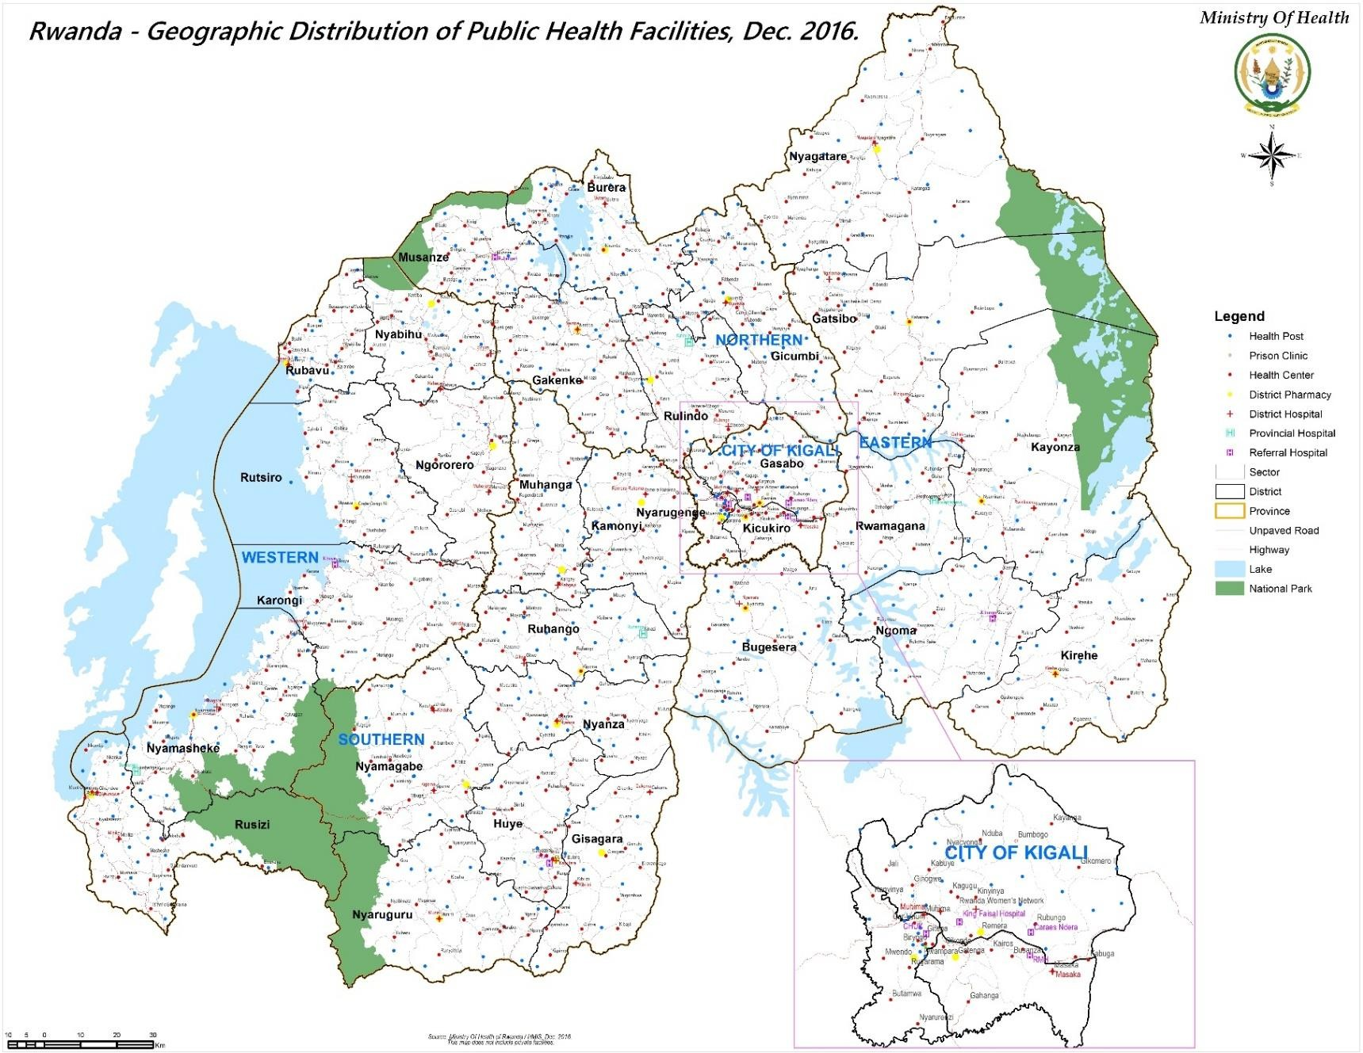
Figure 1: Distribution of health facilities by administrative status, 2016

Health Facility Equipment and Utilities
Electricity
Since 2012 and on the request of the HMIS unit of the MOH, health centers and hospitals started completing the Annual Health Facility Infrastructure Report in R-HMIS. Other types of facilities, such as private clinics and health posts, do not submit these annual reports. The following sections draw from the data on equipment and utilities reported in the annual reports by the health centers and hospitals.
In 2016, 517 health facilities (district hospitals, provincial hospitals, referral hospitals and health centers) reported on their primary and secondary sources of electricity. Access to electricity is generally good as 99% of health facilities reported having a source of electricity: 83% have access to electricity from the national power grid, which is used as their primary source. Fifty-eight percent of the facilities also have a generator with 9% using it as a primary source and 49% as a secondary source. Solar energy is available in 25% of the facilities with 9% using it as a principle source while 17% use it as secondary source. The energy from biogas is used in 1% of health facilities as a secondary source. One percent of the health facilities reported not having any source of electricity.
Figure 2: Primary and secondary sources of electricity in health facilities, 2016
Source: R-HMIS Database, 2016
Sources of water
The sources of water supply, as shown in the figure below, are dominated by piped water within the health facilities and rainwater reservoirs, each of these available in 57% and 55% of the health facilities respectively. Other sources of water include public tap/stand pipe and piped water supply on the facility compounds (accounting for 18% each), water supplied by water trucks (15%), protected well (11%), surface water such as river, lake, etc. (5%), tube well/borehole (2%), and 2% of facilities reported using an unprotected well/borehole water. One percent of the facilities reported not having any regular source of water.
 | 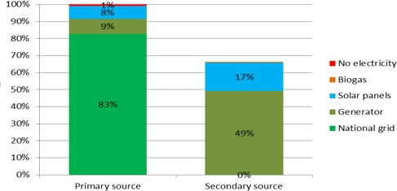

Table 3
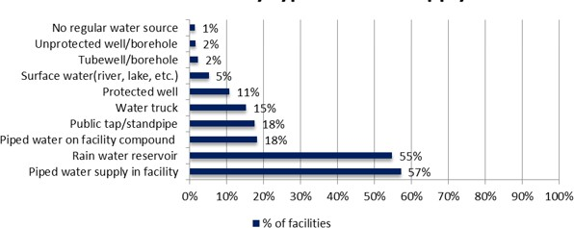
Figure 3: Sources of water in health facilities, 2016
Source: R-HMIS Database, 2016
Communication
Out of the 36 hospitals (district, provincial and referral) that reported on internet access, 61% have a wireless modem, 56% have a wired/fixed line (fiber-optic), and 28% use WIMAX. In the health centers (N=474), 89% use a wireless modem, 5% have a wired/fixed line (fiber-optic) or a WIMAX wireless connections and 7% have no internet connection (Ref. Table below).
Table 3: Internet access in health centers and hospitals, 2016
Internet connection | Hospitals (N=36) | % | HCs (N=474) | % | Total (N=510) | %
Wireless modem (MTN, Tigo, etc.) | 22 | 61% | 420 | 89% | 442 | 87%
Wired/fixed line ADSL, Fiber | 20 | 56% | 22 | 5% | 42 | 8%
Satellite (VSAT) | 0 | 0% | 0 | 0% | 0 | 0%
Wireless (Wimax) | 10 | 28% | 22 | 5% | 32 | 6%
No internet connection* | 1 | 3% | 32 | 7% | 33 | 6%
Source: R-HMIS Database, 2016
Computers and accessories
Among all of the health centers that reported (N=484), 94.2% had desktop computers, 96.3% had laptop computers, 95.7% had printers, 36.8% had bar code scanners, 12.6% had bar code printers and 12.8% had servers. A computer network was available in 39.5% of the facilities and 53.9% use some form of electronic medical record (EMR) system (Figure below).
Figure 4: Availability/use of ICT equipment and accessories in health centers 2016

Table 4
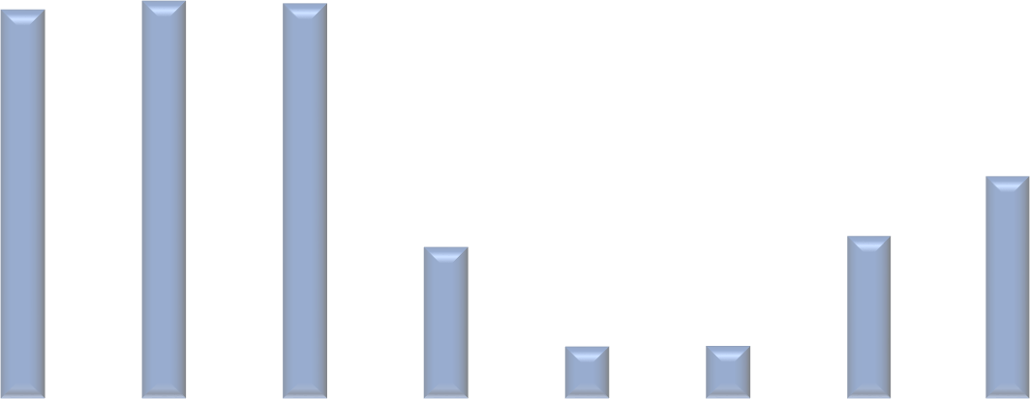 100% 94.2% 96.3% 95.7% 80% 60% 53.9% 40% 36.8% 39.5% 20% 12.6% 12.8% 0% Desktop Laptop Printer Bar code Bar code Server Computer EMR use scanner printer network Equipment in Health Facilities
Source: R-HMIS Database, 2016
Details for the availability of ICT equipment and accessories in all health facilities are presented in Table 5. The MOH has set target numbers of 10 computers per health center and 37 computers for district/provincial hospitals in order to support the roll-out of electronic medical records and other key systems, but those targets have not yet been achieved. At the hospital level, the average number of computers (desktops and laptops) combined is 44 but with large variations (minimum: 12, maximum: 101). In the health centers, the average number of computers (desktops and laptops) is 7 varying from a minimum 0 to a maximum 21 computers. The average number of printers is 11 at the hospital level and 2 at the health center level, some of them not having any printers at all. The availability of other ICT accessories is very low in health facilities.
Table 4: Distribution of computers and printers by type of health facility, 2016
ICT equipment and accessories | Hospitals (DH, PH, RH) |  |  | Health centers
 | Average Nb | Min | Max | Average Nb | Min | Max
Desktop | 28 | 6 | 77 | 4 | 0 | 19
Laptop | 17 | 5 | 57 | 3 | 0 | 9
Desktop & laptop (combined) | 44 | 12 | 101 | 7 | 0 | 21
Printer | 11 | 0 | 32 | 2 | 0 | 7
Bar code scanner | 1 | 0 | 8 | 0 | 0 | 11
bar code printer | 1 | 0 | 5 | 0 | 0 | 4
Server | 1 | 0 | 3 | 0 | 0 | 6
Source: R-HMIS Database, 2016
Transport

Table 5
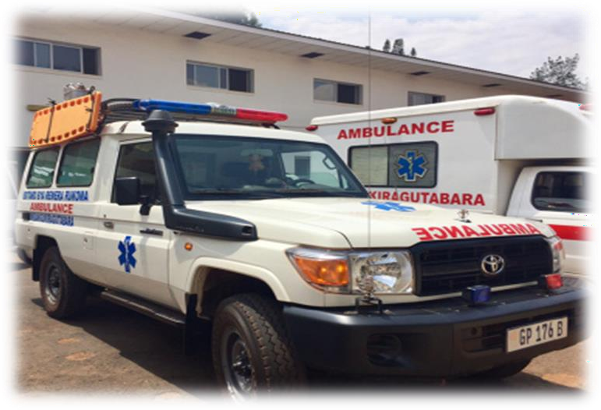 at least one motorcycle and the average is 4 per hospital. |  |  |  | All of the hospitals (district, provincial and referral) that reported at the end of 2016 had at least one ambulance with the average number of ambulances being 3 per hospital. Hospitals own an average of 2 cars and 87% of the hospitals own at least one car. Pickup trucks for goods were available at 98% of the hospitals with an average of 2 pickup trucks per hospital. All the hospitals have
Most of the health centers have neither an ambulance nor any other car (average = 0) although a few have one or 2 cars (ambulance, facility owned car or pickup truck). At least one motorcycle is available at 94% of the health centers, and the average number of motorcycles at the health centers is 2 (ref. Table below).
Table 5: Transport owned by district hospitals and health centers, 2016
Transport type | Facilities | % | Average Nb |  | Min | Max
Ambulances | Hospitals (N=39) | 100% | 3 |  | 1 | 5
 | HCs (N=470) | 17% | 0 |  | 0 | 2
Facility owned cars | Hospitals (N=38) | 87% | 2 |  | 0% | 6
 | HCs (N=467) | 4% | 0 |  | 0% | 2
Pickup truck for goods | Hospitals (N=39) | 98% | 2 |  | 0 | 4
 | HCs (N=465) | 2% | 0 |  | 0 | 3
Motorcycles | Hospitals (N=39) | 100% | 4 |  | 100% | 8
 | HCs (N=477) | 94% | 2 |  | 0% | 5
Bicycles | Hospitals (N=39) | 5% | 0 |  | 0 | 1
 | HCs (N=465) | 6% | 0 |  | 0 | 3
Source: R-HMIS Database, 2016
Medical equipment
The availability of basic medical equipment in health facilities varied according to the type of medical equipment (ref. Table below). In the hospitals (provincial and district), 100% had at least one binocular microscope and refrigerator, 91.7% had X-ray machines, 94.4% had electric autoclaves, 11.1% of hospitals had non-electric autoclaves, 75% had anesthesia machines, 97.2% had an echography and 61.1% had Electro Cardio Graph (ECG).
Among the health centers, 92.5% had at least one binocular microscope, 87.3% had refrigerator(s), 1% had an X-ray machine, 54.5% had an electric autoclave, 18.3% had a non-electric autoclave, and 4.6% had an anesthesia machine.

Table 7
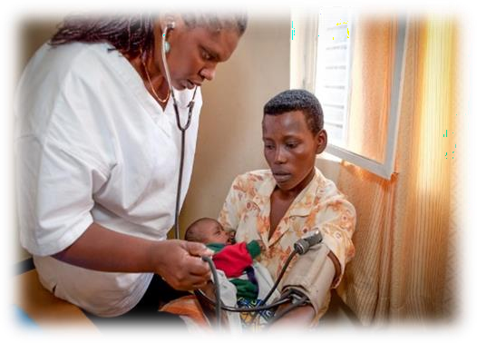
Morbidity and Mortality Data on morbidity and mortality presented in this booklet are from the R-HMIS Database. The reporting rate of morbidity and mortality data from health centers, district hospitals and provincial hospitals was 99%.
Outpatient Care |  | In 2016, health facilities received a total of 16,905,836 new cases. Among them 82.56% were patients seen in health centers, 3.2% in district and provincial hospitals, 1 % in referral hospitals.
In addition 1,426,442 (8.4%) were treated by CHWs practicing community-based integrated management of child hood illness (C-IMCI), and sick adults and children under 5 years. The 6.1% increase in cases treated by CHWs from the previous year is due to the integration of malaria treatment for sick adults into their service package. Private dispensaries and medical clinics accounted for 601,438 new outpatient cases (3.5%).
During 2016, the primary health care utilization rate was approximately 1.43 visits per habitant (16,905,836 visits / 11,809,299 population).
Table 7: Number of new cases among outpatient visits in health facilities 2012-2016
Health facility levels | 2012 |  | 2013 | 2014 | 2015 | 2016 | % | % of changes (2015-2016)
Community-owned health facility | 29,980 |  | 41,230 | 53,031 | 40,695 | 71,927 | 0.4% | 76.7%
Dispensary | 29,820 |  | 83,563 | 174,375 | 179,996 | 156,947 | 0.9% | -12.8%
Medical Clinic | 55,651 |  | 154,139 | 360,366 | 378,781 | 444,536 | 2.6% | 17.4%
Prison Clinic | 127,735 |  | 114,355 | 118,019 | 123,089 | 138,940 | 0.8% | 12.9%
Health Center | 7,757,135 |  | 8,862,174 | 10,106,261 | 12,623,000 | 13,957,396 | 82.6% | 10.6%
CHW Home-based care | 273,322 |  | 252,268 | 269,761 | 331,055 | 1,426,442 | 8.4% | 330.9%
Police Hospital | 9,128 |  | 9,030 | 13,550 | 15,542
District Hospital/Provincial Hospital | 457,259 |  | 498,999 | 529,461 | 512,907 | 539,408 | 3.2% | 5.2%
Referral Hospitals | 114,605 |  | 98,334 | 92,993 | 157,861 | 170,240 | 1.0% | 7.8%
Grand total | 8,862,086 |  | 10,119,063 | 11,717,817 | 14,362,926 | 16,905,836 | 100.0% | 17.7%
Source: R-HMIS Database, 2016
The table below shows that the most frequent causes of under-5 morbidity in all health facilities were ARI, Malaria, pneumopathies and intestinal parasites. Together they caused 52.6% of all under-five outpatient visits in 2016.

Table 12
Table 16: Causes of morbidity by service in University Teaching Hospitals and Rwanda Military Hospital, 2016 (all age groups)
Services | RMH % | CHUK % | CHUB %
Emergency | 28.01% | 35.31% | 24.47%
Obstetrics and gynecology | 7.59% | 8.34% | 11.31%
Ophthalmology | 8.60% | 5.71% | 8.96%
General surgery | 5.06% | 3.76% | 8.40%
ENT | 7.25% | 11.26% | 7.98%
Orthopedics | 5.46% | 4.47% | 7.81%
Dermatology | 7.06% | 5.25% | 7.55%
Stomatology and Oral surgery | 11.30% | 6.86% | 6.93%
Pediatric | 5.36% | 6.30% | 6.87%
Cardiology | 0.63% | 1.88% | 3.26%
Gastroenterology | 3.29% | 1.18% | 3.11%
Rheumatology | 2.50% | 0.26% | 1.47%
Pneumology | 2.29% | 0.87% | 0.59%
Neonatology | 0.00% | 1.65% | 0.50%
Hematology | 0.21% | 1.07% | 0.41%
Oncology | 1.87% | 0.20% | 0.15%
Neurosurgery | 1.15% | 1.27% | 0.11%
Nephrology | 1.84% | 3.70% | 0.08%
Plastic surgery | 0.52% | 0.62% | 0.03%
Cardiothoracic surgery | 0.00% | 0.01% | 0.01%
Cardiac surgery | 0.00% | 0.04% | 0.00%
Transplant | 0.00% | 0.00% | 0.00%
Source: R-HMIS 2016
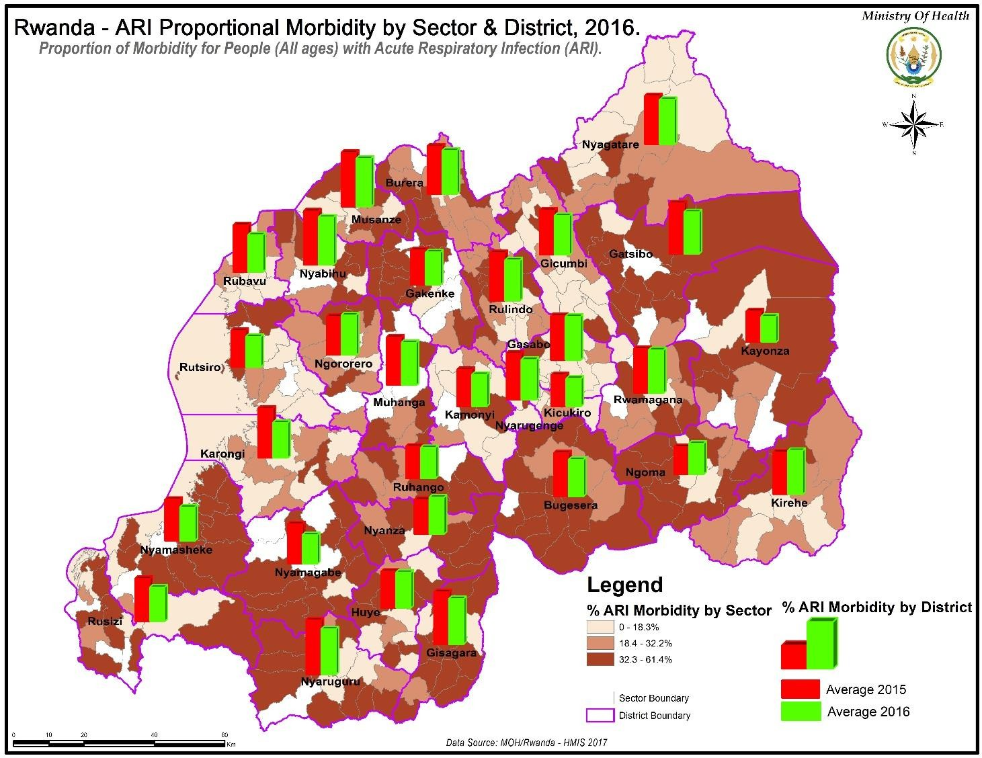
Figure 5: ARI proportional morbidity by sector 2016

Table 13
Hospitalization and Mortality Hospitalization In 2016, the total number of admissions for hospitalization at different types of facilities was over 722,000, with public hospitals accounting for nearly 2/3 of the admissions. Health centers, which are equipped with a few beds for patients who are under observation or have come for deliveries, also account for a significant proportion of admissions with 40% (see figure on the right) |  |  |  | 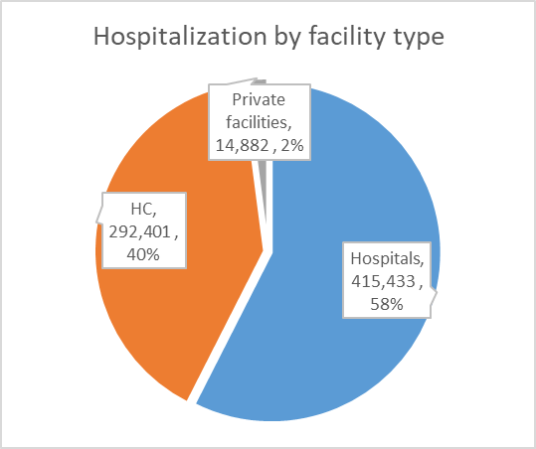 FIGURE 6: HOSPITALIZATION BY FACILITY TYPE

104,174 children under-5 years were admitted in health facilities. The most frequent causes of hospitalized cases for children under-five years were neonatal illness (22.6%), malaria (18.1%), and ARI (15.5%, see table below). Table 17: Top ten causes of under five years old inpatient in health facilities, 2016
Rank | Disease group | Hospitalized Cases |  |  | %
1 | Neonatal illness | 23547 |  |  | 22.6%
2 | Malaria | 18855 |  |  | 18.1%
3 | ARI | 16182 |  |  | 15.5%
4 | Pneumopathies | 15161 |  |  | 14.6%
5 | Diarrhea | 9037 |  |  | 8.7%
6 | Physical trauma and fractures | 2107 |  |  | 2.0%
7 | Congenital anomalies | 1066 |  |  | 1.0%
8 | Burns | 847 |  |  | 0.8%
9 | Hernia | 474 |  |  | 0.5%
10 | Urinary tract infections | 325 |  |  | 0.3%
 | Other diseases | 16,573 |  |  | 15.9%
 | Total | 104,174
Source: R-HMIS 2016 Table 18: Top ten causes of inpatient admissions all ages in health facilities, 2016
Rank | Disease group |  | Hospitalized Cases |  |  | %
1 | Malaria |  | 93258 |  |  | 13.2%
2 | Obstetrical problems |  | 42669 |  |  | 6.0%
3 | Physical trauma and fractures |  | 33859 |  |  | 4.8%
4 | ARI |  | 29872 |  |  | 4.2%
5 | Neonatal illness |  | 23547 |  |  | 3.3%
6 | Pneumopathies |  | 22919 |  |  | 3.2%
7 | Diarrhea |  | 19822 |  |  | 2.8%
8 | HIV AIDS opportunistic infections |  | 13873 |  |  | 2.0%
9 | Road traffic accidents and disasters |  | 8987 |  |  | 1.3%
10 | Gastro-intestinal disease |  | 7958 |  |  | 1.1%
 | Other diseases |  | 411,070 |  |  | 58.1%
 | Total |  | 707,834
Source: R-HMIS 2016
Table 19: Top ten causes of inpatient admissions for all ages in health centers, 2016

Table 18
FAMILY PLANNING
Figure 10: Family contraceptive utilization rate
Current Use of Contraceptives, December 2016 FP Contraceptive Prevalence: (All Methods (CPR) 44% FP for Modern Method Utilization Rate (Mcpr) % fp Using Permanent or Long Term Mathods Community Based FP 45% 0% 5% 10% 15% 20% 25% 30% 35% 40% 45% 50%

 |  |  | 43
 |  | 20%

Source: HMIS & SISCom Data base, December 2016
The figure above shows the distribution of FP use in general: the CPR for all methods was 44%, overall mCPR (for modern methods only) was 43%, long term method use was 20%. Community Provision of Family Planning (CBP) has been implemented countrywide since 2015. Community Health Workers are providing and resupplying family planning services including: standard days’ methods, injectable, pills, and condoms. Community family planning related indicators are reported monthly through SISCOM. The CHWs also sensitize the population on family planning and refer new clients to health facilities for initiation. All clients with side effects from any family planning method are also referred to health facilities. Figure 9 shows that 45% of FP users are followed in community by CHWs.
MATERNAL HEALTH
Antenatal Care
Although most Rwandan women benefit from at least one ANC visit during their pregnancy (DHS 2015 shows 99%), two key indicators that have an important influence on maternal and neonatal outcomes remain low: first standard ANC visit during 1st trimester and 4th standard visit.
70%
60%
50%
40%
30%
20%
10%
0%
District
Figure 11: First antenatal care coverage by District, 2016
Source: HMIS 2016
The figure above shows the national average for ANC first standard visit coverage rate at 44% in 2016. Special attention needs to be put in Districts with very low coverage such as: Kamonyi, Kicukiro, Gasabo, Karongi and Rubavu. Districts with high coverage are the following: Rusizi, Bugesera, Nyamasheke and Kayonza. The aforementioned districts have more than 60% coverage. Note that delay in attending the first ANC standard visit during the first trimester also leads to a low 4 ANC standard visit coverage. The urban District ANC coverage is low given the fact that the reporting for private is still low.
70%
60%
50%
40%
30%
20%
10%
0%
District
Figure 12: Four antenatal care visit coverage by Districts, 2016
Source: HMIS 2016
The 4 ANC standard visit coverage in 2016 is 37%. The districts with a low or high 4th ANC standard visit are the same as for those attending the first standard visit.
ANC HIV Tested
96%
ANC New Registrations Who Received Full
Course of Iron and Folic Acid Supplements
79%
ANC New Registrations Tested for Anemia
59%
ANC New Registrations Screened for
Malnutrition (MUAC)
70%
0%
50%
100%
150%
Figure 13: ANC quality service delivery, 2016
Source: HMIS 2016
Quality of ANC is also a factor for ANC attendance and also key in outcome of the delivery. The package provided during ANC should be improved especially by ensuring that all women are tested for anemia and received a full course of Iron and folic acid tablets.
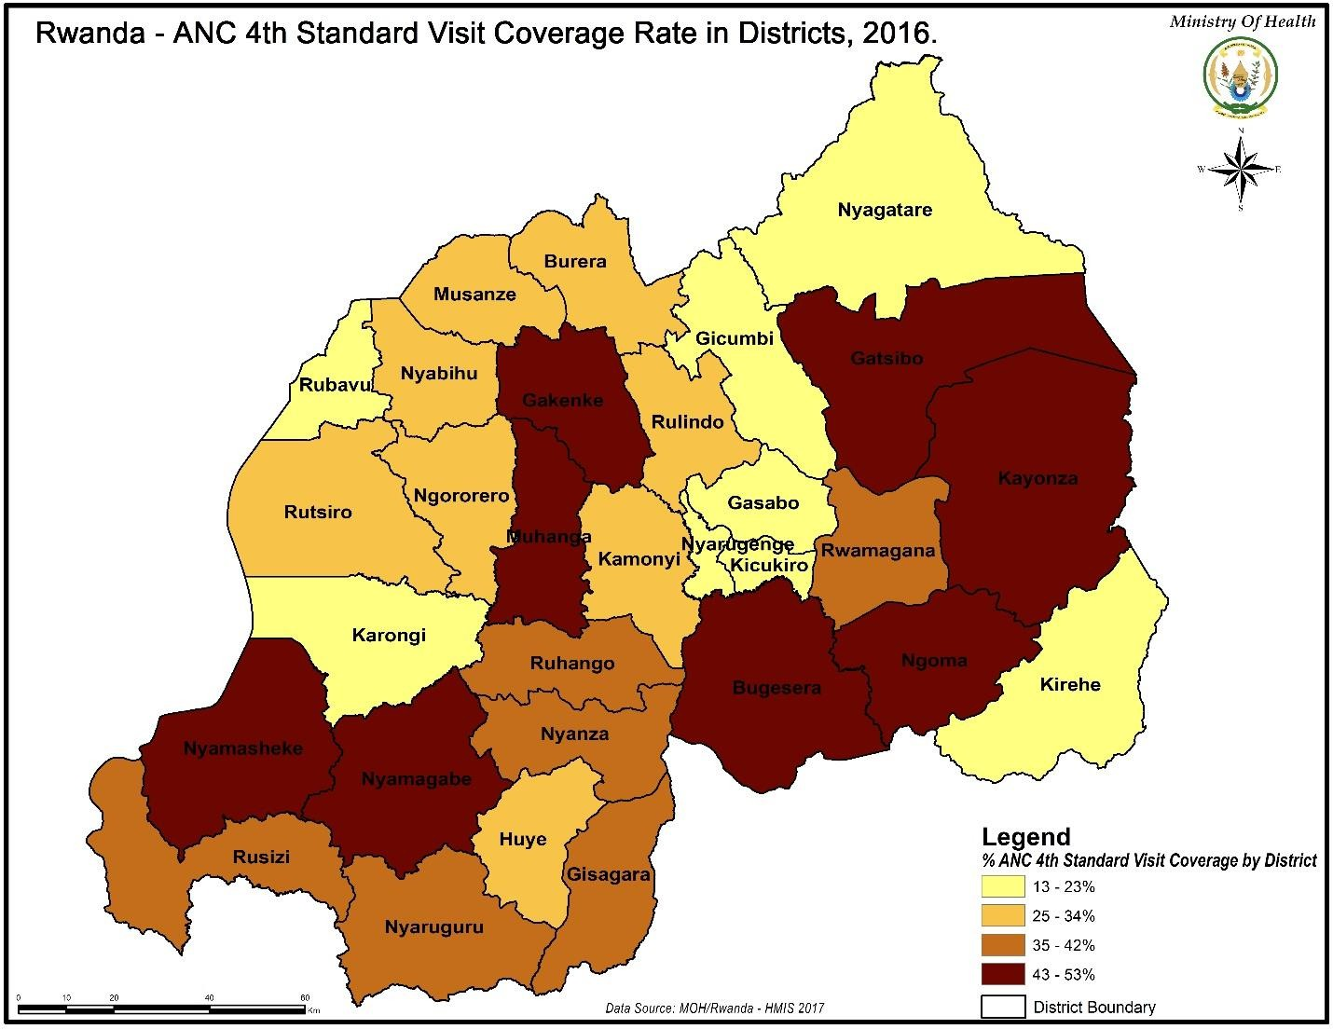
Figure 14: ANC 4th standard visit coverage rate in Districts, 2016
Delivery
Since every pregnancy may be subject to complications, women are advised to deliver their babies in a health facility so that they can access emergency services if needed during labor, delivery, and post-delivery. The figure below shows that in 2016 health facility delivery rate was 97% (using expected population under one year as denominator). All Districts have a coverage of facility deliveries above 90%.
100%
80%
60%
40%
20%
0%
District
Figure 15: Health facility assisted delivery District, 2016
Source: HMIS 2016
100%
80%
60%
40%
20%
0%
District
Figure 16: Post-natal care, 2016
Source: HMIS 2016
With the new PNC guidelines, women beneficiating the first visit has increased but a lot needs to be done to achieve the universal coverage or attend the same coverage as health facility delivery
Maternal deaths Throughout Rwanda, there has been a considerable decrease in the maternal mortality ratio (MMR) over the last fifteen years. A decrease of 80% in the MMR is noted from 2000 to 2015 in
which the MMR decreased to 210 deaths per 100,000 live births in 2015. Rwanda was one of the few African countries that achieved its MDG goals for maternal mortality reduction.
FIGURE 17: Trends of MMR over the last 15 years
Source: DHS 2015
FIGURE 18: Place of maternal deaths, 2016
During 2016, a total of 404 maternal deaths were reported: 87% (352) of all maternal deaths took place in health facilities and 52 were reported by community health workers. Reports from HMIS show that about 40% of the maternal deaths occurred in teaching hospitals, 30% in district hospitals, 13% in the community, 8% in referral (regional) hospitals, 6% in health centers and 3% in provincial hospitals.
13% 6% 40% Community Health centers District 30% Hospitals Provincial 8% hospitals 3%
From these figures, it is noted that the highest proportion of maternal deaths occurred in teaching hospitals in 2016.
 | 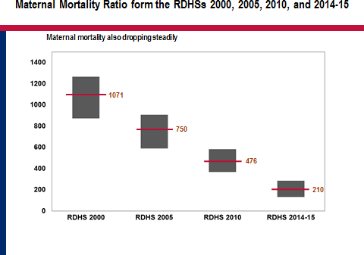
Gicumbi Bugesera
Huye Rubavu Ngororero
Kirehe Gisagara Kicukiro Kayonza Karongi Kamonyi Burera National Nyarugenge
Rulindo Nyamagabe
Rutsiro Muhanga Nyagatare Nyabihu Rusizi Ngoma Gasabo Musanze Ruhango Nyamasheke
Nyanza Rwamagana Gakenke Gatsibo Nyaruguru

Huye Karongi Kayonza Rwamagana Kamonyi Muhanga Rubavu Nyagatare Ngororero
Kirehe Nyarugenge
Rutsiro Kicukiro Nyabihu National Nyanza Musanze Gakenke Gatsibo Ngoma Bugesera Nyamagabe
Rusizi Rulindo Nyamasheke
Gicumbi Gisagara Nyaruguru Ruhango Gasabo Burera

In 2016, the stillbirth rate was estimated to be 18 deaths per 1,000 births. The districts with high stillbirth rates are Huye, Karongi and Kayonza.
FIGURE 21: Perinatal mortality rate
The perinatal mortality rate increased from 29 per 1,000 births to 31 per 1,000 births from 2012 to 2016. The following graph shows the contribution of each component in perinatal mortality from 2012 to 2016. There is no significant change in contribution of each component in perinatal mortality.
FIGURE 22: Contribution of stillbirths, deaths from 0-7 days and death at birth in perinatal mortality, 2012-2016
59% 60% 62% 59% 59% 33% 29% 29% 29% 31% 12% 11% 9% 10% 9% 2012 2013 2014 2015 2016 Still births 0-7 days deaths Death at birth
29
30
31
32
31
2012
2013
2014
2015
2016
Source: HMIS database, 2016

CHILD HEALTH
IMCI
Figure 23: Under-5 children treated in IMCI services, 2012-2016
54% 50% 44% 38% 33% 2012 2013 2014 2015 2016
Source: HMIS database, 2016
The under-5 children treated in IMCI services increased from 33% to 54% from 2012 to 2016. While the percentage has increased, it is still low compared to the target.
120%
100%
80%
60%
40%
20%
0%
District
Figure 24: Under five children treated in IMCI services, 2016
Source: HMIS database, 2016
From the figure above, the use of IMCI services stands at 54% in 2016. The districts with low coverage are Huye, Nyabihu, Kamonyi and Kirehe and the districts with higher coverage are Ngoma and Rutsiro.

Table 19
Mortality
Rwanda is steadily reducing child mortality, with the highest reduction in East Africa. The infant mortality rate has sharply decreased from 86 deaths per 1,000 live births in 2005 to 32 deaths per 1,000 live births in 2015. The child mortality rate also experienced a reduction from 103 deaths per 1,000 live births in 2005 to 50 deaths per 1,000 live births in 2015.
Immunization services
Target population, available antigens and denominators
Target population for immunization - 0-11 Months children: Routine immunization - 12-23 Months children: Routine immunization (Measles second dose) - 12 Years girls: HPV vaccination - Pregnant women: TT Vaccine Available vaccines in routine immunization - BCG - Oral polio vaccine (OPV) - DPT-HepB-Hib (Diphtheria, Pertussis, Tetanus, Hepatitis B and Hemophilus influenzae type B) - PCV13 (Pneumococcal conjugated vaccine) - Rotavirus vaccine - Measles and Rubella combined vaccine - HPV vaccine - Tetanus toxoid Vaccine (Pregnant women) Denominator for routine immunization - Surviving infant: 343,733 - Expected live-births: 354,734
Table 26: Current routine immunization schedule
Vaccine | Total doses | Age and interval
BCG | 1 | Birth
OPV | 4 | Birth, 6, 10, 14 weeks
DTP-HepB-Hib | 3 | 6, 10, 14 weeks
Pneumococcal Conjugate Vaccine (PVC13) | 3 | 6, 10, 14 weeks
Rotavirus vaccine (Rota teq) | 3 | 6, 10, 14 weeks
Measles-rubella (MR vaccine) | 1 | 9 months
Measles vaccine(MCV) | 1 | 15 months
TT (pregnant women) | 5 | First contact, 1, 6, 12, 24 months (interval)
HPV | 2 | 2 doses of HPV for each cohort of girls 12 years old
Achievements
Rwanda achieved high immunization coverage for all antigens in 2016. The denominator used to calculate immunization coverage comes from the 2012 general population and housing census which provided the projection of the total population 2012-2032 by single age according to the high projection scenario. The coverage exceeded 85% for all antigens.
Figure 25: Immunization coverage in 2016 for all antigens
120% 100% 80% 60% 40% 20% 0% Type of Vaccination
Source: R-HMIS database, 2016
The figure above highlights that in 2016, the coverage for all antigens exceeded 90%. The coverages by district will be shown in the following graphs.
140%
120%
100%
80%
60%
40%
20%
0%
Districts
Figure 26: BCG immunization coverage by Districts, 2016
Source: HMIS 2016
Figure above displays all 30 districts having reported BCG immunization coverages above 80%. Five districts have coverages are under 90%: Kamonyi, Nyanza, Ruhango, Muhanga and Nyamagabe Districts.
140%
120%
100%
80%
60%
40%
20%
0%
District
Figure 27: Penta 1 immunization coverage by Districts, 2016
Source: HMIS 2016
From the graph above, all 30 districts have reported Penta 1 immunization coverages above 80% but 5 Districts have coverage less than 90% namely Ruhango, Kamonyi, Muhanga, Nyanza and Nyamagabe.
140%
120%
100%
80%
60%
40%
20%
0%
District
Figure 28: Penta 3 immunization coverage by Districts, 2016
Source: HMIS 2016
According to the graph above, all 30 districts have reported Penta 3 immunization coverages above 80%. Additionally, there are six districts that have coverages less than 90%, namely Nyanza, Kamonyi, Ruhango, Nyamagabe, Muhanga and Nyaruguru.
140%
120%
100%
80%
60%
40%
20%
0%
District
Figure 29: MR1 immunization coverage by Districts, 2016
Source: HMIS 2016
Figure above shows that all 30 districts have reported MR1 immunization coverages above 80%, but there are nine districts with coverages less than 90%: Nyanza, Kamonyi, Ruhango, Nyamagabe, Muhanga, Gakenke, Nyabihu, Huye, Nyaruguru.
120%
100%
80%
60%
40%
20%
0%
District
Figure 30: MR2 immunization coverage by Districts, 2016
Source: HMIS 2016
The above figure shows the coverage of MR2 immunization by district in 2016. All 30 districts reported MR2 immunization coverages above 80%, while more than half of the districts had a coverage rate less than 90%.
140%
120%
100%
80%
60%
40%
20%
0%
District
Figure 31: Tetanus vaccination coverage by Districts, 2016
Source: HMIS 2016
Referring to the above graph, one District has reported less than 80% for tetanus immunization for pregnant women. The national coverage is 98%.
Figure 32: HPV1 immunization coverage by Districts, 2016
HPV1 immunization coverage by District, 2016 140% 120% 100% 80% 60% 40% 20% 0% District
Source: HMIS 2016
Referring to the above graph, all 30 districts have reported HPV 1 immunization coverages above 80%, however four districts have coverages less than 90%: Huye, Gasabo, Nyabihu and Kamonyi.
120%
100%
80%
60%
40%
20%
0%
District
Figure 33: HPV2 immunization coverage by Districts, 2016
Source: HMIS 2016
In accordance with data from Figure above, 96% of girls 12 years of age recevied the second dose of HPV, three districts have HPV2 coverage of less than 80% namely Gasabo, Ruhango and Rwamagana with 65%, 76% and 78% coverage respectively.
Integrated Community Case Management (ICCM)
Malaria
Pneumonia
Diarrhea
2012 2013 2014 2015 2016
Figure 34: Number of children treated by CHWs for pneumonia, diarrhea and malaria 2012-2016
Source: SIScom, 2016
ICCM services are provided by the CHW binomes working in each of the approximately 15,000 villages in Rwanda. During 2016, the number of malaria cases treated by CHWs increased considerably compared to previous years; this is due to the general increase in the incidence of malaria in Rwanda during 2016. In contrast, the total number of diarrhoea and pneumonia cases treated by CHWs decreased progressively compared to 2015.
100%
80%
60%
40%
20%
0%
District
Figure 35: Proportional morbidity of malaria cases treated by community health workers by District, 2016
Source: SIScom, 2016
As shown in the figure above, approximately 77% of children under-five received by CHWs had malaria at the national level. Malaria is frequently treated by CHWs in many districts, especially in Huye, Kayonza, Ngoma, Ruhango, Nyanza, Bugesera, Kamonyi, Gisagara, Rwamagana, Nyagatare and Gasabo. These districts are among those with the highest incidence of malaria countrywide. The CHWs of Burera, Musanze, and Nyabihu received a negligible proportion of children under-five with Malaria.
80%
70%
60%
50%
40%
30%
20%
10%
0%
District
Figure 36: Proportional morbidity of pneumonia cases treated by Community Health Workers by district, 2016
Source: SISCom, 2016
As shown by the figure above, 15% of children under-five received by CHWs had pneumonia. More than 50% of under-five children received by CHWs had pneumonia in 4 districts namely Nyabihu, Burera, Gakenke and Musanze. These are among overall districts less affected by Malaria.
50%
45%
40%
35%
30%
25%
20%
15%
10%
5%
0%
District
Figure 37: Proportional morbidity of diarrhea cases treated by Community Health Workers by district, 2016
Source: SIScom, 2016
As shown by the figure above, 8% of children under-five received by CHWs had diarrhea. The district where CHWs received the highest proportion of cases with diarrhea is Musanze District (more than 40% of cases) followed by Nyabihu, Burera Gicumbi and Gakenke Districts with at least 25% of the total cases seen by CHWs.
60%
50%
40%
30%
20%
10%
0%
District
Figure 38: Community malaria morbidity in adults and children > 5 years by Districts, 2016
Source: SIScom, 2016
As shown by the figure above, 9% adults and children under-five years were received and treated for malaria by CHWs. Malaria in adults is regularly treated by CHWs in Huye (52%), Ngoma (39%), Nyanza (30%), and Rwamagana (25%).
Gender based violence
There has been a gradual increase of GBV cases reported since GBV reporting was introduced 5 years ago – however it appears to have leveled in 2016. This is most likely a result of increased reporting as more health workers are trained to manage GBV cases and the population is more aware of the One Stop Centers that have been set up to care for these cases.
Figure 39: GBV cases received at DH, 2012-2016
14257 14027 14189 12744 12437 7599 7696 7809 6054 6690 5967 6470 6658 6331 6380 2012 2013 2014 2015 2016 GBV victims with symptoms of physical violence_new cases GBV victims with symptoms of sexual violence_new cases GBV_Total victims
Source: R-HMIS, Database, 2016

Table 22
Table 29: HIV Treatment Coverage
 | 2015 | 2016
Estimated People Living with HIV (Source Spectrum estimate) | 212,642 | 215,931
People on ART (Source HMIS) | 158,723 | 178,502
Gap | 53,919 | 37,429
Art coverage | 75% | 83%
Source: R-HMIS and Spectrum 2016
Male circumcision
Figure 41: Male circumcision by province
160000 140000 120000 100000 80000 60000 40000 20000 0 East Kigali City North South West Rwanda 2015 2016
Source: R-HMIS 2016
Figure 42: Male circumcisions performed by age group
0.5% 11.9% 87.6% < 1 year 1-14 years 15+ years
Source: HMIS Database, 2016
The most frequent age categories for male circumcision is 15 years old and above with 87.6%, and 1 to 14 years with 11.9%, while the percentage of children circumcised under one year of age is 0.5%.
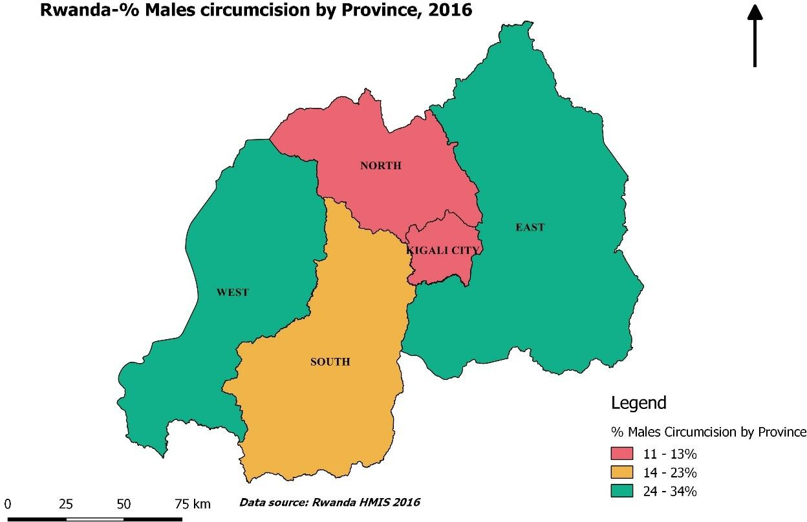
Figure 43: Male circumcision by Province

Tuberculosis
Goals of Tuberculosis Control in Rwanda ● 23% reduction of TB incidence rate from 86.0/100,000 to 67.0/100,000 population, between 2013 and 2018. ● 37% reduction of TB mortality rate from 10.0/100,000 to 6.3/100,000 population, between 2013 and 2018.
WHO Global Tuberculosis report 2017 The World Health Organization reported that in 2016: • TB incidence in Rwanda was 50 per 100,000 population • TB mortality rate in Rwanda was 2.7 per 100,000 population This achievement showed that we already achieved the goals set by 2018 Screening and Notification of Tuberculosis (2016 FY) • 40% of all patients with symptoms suggestive of TB (presumptive TB cases) were brought by CHWs, increasing easy and rapid access to TB health facilities; • 5,914 all-forms TB cases were reported. Among them, 4,371 were bacteriologically confirmed (new and relapse). This substantiates previously observed trends in TB notification. • Efforts were made to find more TB cases in high risk groups. Among prisons there were 135 cases of all-forms TB notifications using active case finding by mobile chest x-ray. • Regarding multi drug resistance TB, 79 cases were started on 2nd line TB treatment.
Figure 44: Trend of TB notification 2010-2016
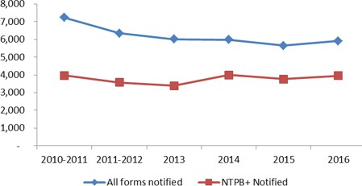
The new TB sensitive diagnosis techniques such as Genexpert Test has increased the confirmation of TB in Rwanda.

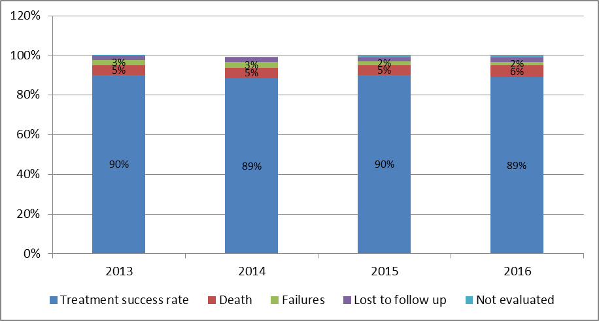
Tuberculosis/HIV co-infection • 99.7% of all patients with symptoms suggestive of TB (presumptive TB cases) and 99.6% of all-forms TB cases reported, had their HIV status known. • 96.3% of HIV+ TB patients were on Cotrimoxazole prophylaxis and 96.8% on antiretroviral therapy (ARTs) at the end of TB treatment.
Treatment of Tuberculosis • The treatment success rate for bacteriologically confirmed new and relapse TB cases was 89.0% of the cohort of TB cases registered in 2015 FY. This illustrates the decrease in transmissions of TB to healthy people. • 65% of those TB patients were followed and provided TB drugs by their respective CHWs. 94.3% of TB patients given TB medication by CHWs were successfully treated.
Figure 45: TB treatment outcomes for bacteriologically confirmed new and relapse TB cases by year, 2013-2016
Treatment outcome of MDR –TB • 86.4% of MDR-TB cases of the 2014 cohort were successfully treated.
Tuberculosis infection prevention and control • 83% of health facilities involved in TB control activities were implementing the full package of minimum TB infection control. • The TB Surveillance system among health care providers was initiated in all health facilities.

Table 23
Active of tuberculosis case finding among HRG
Table 30: Screening, number of presumptive and diagnosed TB cases among high risk groups, 2015-2016
 | Screened N | Presumptive TB N (%6) | TB cases N (%7)
HIV+ persons (exclude prisoners, contacts, children & elderly) | 519,966 | 15,137 (3%) | 1,021 (7%)
Contacts (of pulmonary bacteriologically confirmed case) | 14,988 | 2,700 (18%) | 73 (3%)
Prisoners | 102,143 | 8,229 (8%) | 186 (2%)
Elderly ≥55 years (excludes prisoners & contacts) | 1,022,865 | 34,172 (3%) | 889 (3%)
Children <15 years (excludes prisoners and contacts) | 1,600,520 | 11,681 (1%) | 273 (2%)
Leprosy prevention and control The global vision of Rwanda’s leprosy control program under the 2014-2018 strategic plan is to create a Rwanda free of leprosy.
Figure 46: Notification of Leprosy Cases in Rwanda by Category, 2003- 2016
6 Proportion with presumptive TB out of those screened
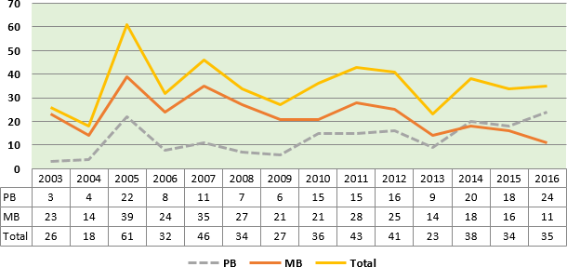
7 Proportion diagnosed with TB out of those with presumptive TB

In 2016, 35 new leprosy cases were diagnosed and among them, 5 showed invalidity grade 2 (14%) at the beginning of diagnosis.
Figure 47: Outcomes of Leprosy Cases (MB and PB registered during July 2004—2016)
96% 89% 89% 90% 89% 92% 83% 85% 83% 85% 69% 67% TT 59% PDV 33% 31% 19% 15% 7% 11% 12% 11% 11% 4% 6% 3% 3% 2004 2005 2006 2007 2008 2009 2010 2011 2012 2013 2014 2015 2016
Source: TB Quarterly reports, Leprosy quarterly report, Leprosy register
The trend in the treatment success rate is increasing while the trend for lost to follow up has been decreasing from 2004 to 2016.
Tuberculosis surveillance system The Electronic TB and Leprosy register (e-TB) was initiated and is being implemented

Table 24
Malaria
Table 31: Rwanda key malaria control indicators
Key malaria control interventions | Source |  |  | 2010 |  | 2011 | 2012 |  | 2013 |  | 2014 | 2015 | 2016
Mosquito net utilization | DHS/MIS
Women |  |  |  |  |  | 72% |  |  | 74% |  |  | 73%
Children |  |  |  |  |  | 70% |  |  | 74% |  |  | 68%
Mosquito net ownership of at least one | DHS/MIS |  |  |  |  | 80% |  |  | 82% |  |  | 81%
Proportion of patients who receive antimalarial medication at health facilities that are laboratory confirmed before treatment | HMIS |  |  | 94% |  | 99% | 99.9% |  | 99.9% |  | 99.9% | 99.9% | 99.9%
Proportion of simple malaria cases in the health facilities that are treated in accordance with the national treatment policy | Health facility survey |  |  |  |  | 86% |  |  | 94.6% |  |  |  | 98.4%
Proportion of structures in targeted Districts that received Indoor Residual Spaying | Malaria report |  |  |  |  | 98% | 98% |  | 98% |  | 98% | 98% | 99.2%
Proportion of under-five with malaria/fever receiving appropriate treatment within 24h | SISCom |  |  | 89% |  | 94% | 96% |  | 96% |  | 96% | 96% | 96%
Table 32: Rwanda malaria situation 2012-2016 year calendar
Malaria Burden (2012- 2015) |  | 2012 | 2013 |  | 2014 |  |  | 2015 |  | 2016
Uncomplicated Malaria cases |  | 481,868 | 934,484 |  | 1,597,143 |  |  | 2,456,091 |  | 4,637,483
Malaria proportional Morbidity |  | 5.8% | 10% |  | 14.8% |  |  | 26.4% |  | 25.0%
Confirmed Deaths due to Malaria |  | 459 | 409 |  | 496 |  |  | 489 |  | 715
Malaria proportional mortality |  | 5.8% | 4.9% |  | 5.6% |  |  | 5.0% |  | 5.40%
The Rwanda HMIS revealed that at the end of 2012 and beginning of 2013 up to today, Rwanda has experienced an increase of malaria morbidity particularly in districts known to have a high malaria burden in the country, mostly located in the eastern and southern provinces. It is also important to note that there was an increase in malaria over the last 3 years in the Eastern Africa region, which is neighboring districts located at the borders of neighboring countries.
Figure 48: Malaria monthly proportional morbidity, Rwanda 2012-2016
Source: R-HMIS, 2012-2016
The results of the 2015 DHS show that 19% of children had fever within the 2 weeks before the survey. Of these children, 57% were taken to a health facility, provider, or pharmacy for treatment or advice. 36% of children had their blood taken from a finger or heel for testing, while only 11% were given antimalarial medication.
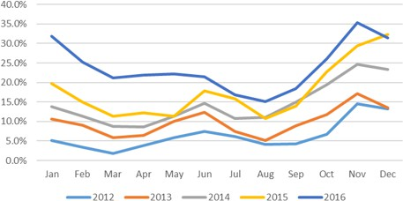
Figure 49: Geographical distribution of Malaria, 2016

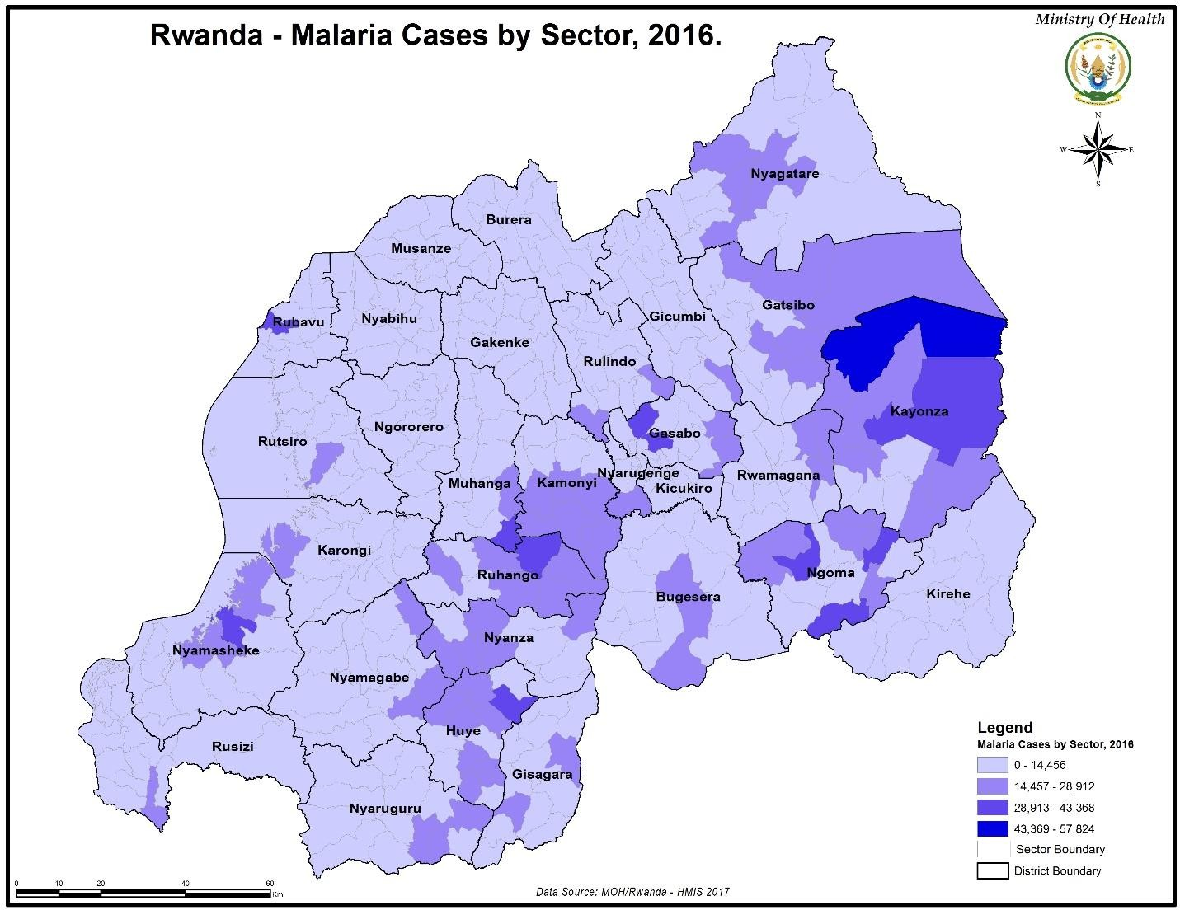
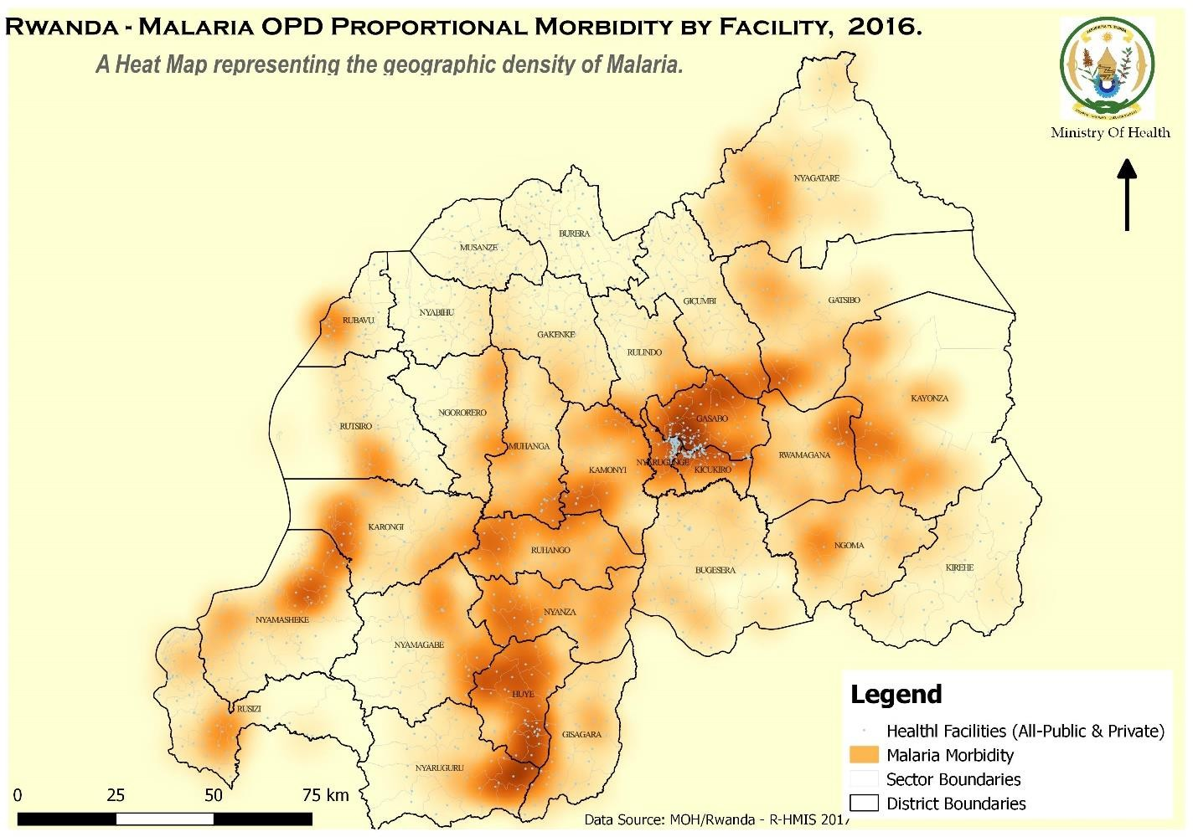
In 2016: • The top 10 high malaria burden districts contained 61% of malaria cases. • The following high malaria burden districts in the Eastern and Southern Provinces together represented 74% of malaria cases: Gatsibo, Huye, Ngoma, Nyanza, Kirehe, Kayonza, Ruhango, Kamonyi, Rwamagana, Nyagatare, Muhanga, Nyaruguru, Nyamagabe, Gisagara and Bugesera.
Figure 50: Malaria OPD Proportional Morbidity by District, 2016

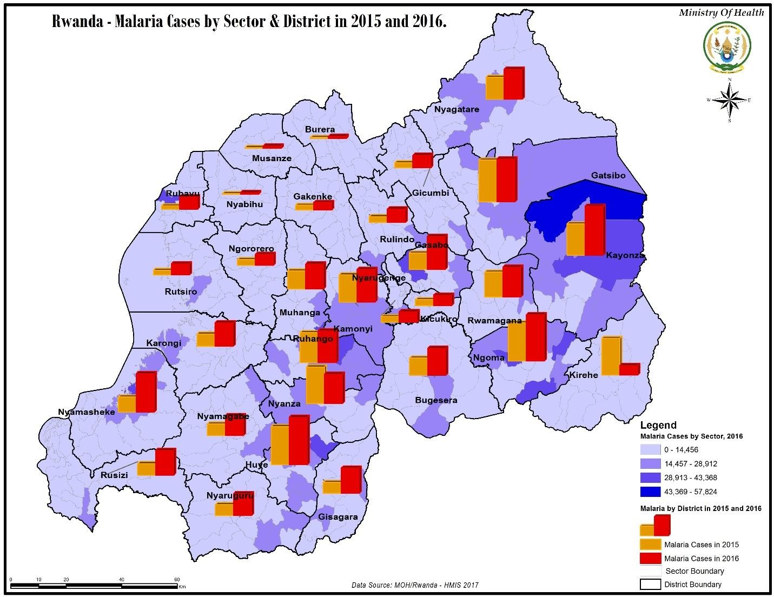
Figure 51: Malaria Cases by Sector & District in 2015 and 2016

Non-Communicable Diseases (NCDs)
Non-Communicable Diseases (NCDs) include different types of cancers, cardiovascular diseases, chronic respiratory diseases, diabetes, kidney diseases, injuries and disabilities, oral and eye diseases, among others. In 2014, the World Health Organization had reported that 36 (63%) out of 57 million total deaths, were due to NCDs, namely cardiovascular diseases (48%), cancers (21%), chronic respiratory diseases (12%) and diabetes (3.5%). Around 80% of all deaths occurred in low income and middle-income countries, and a higher proportion (48%) of the deaths in the latter countries are premature (under the age of 70 years) compared to high-income countries (26%). Estimates suggest that the probability of dying from a NCD between the ages of 30 and 70 years is highest in sub-Saharan Africa, Eastern Europe and parts of Asia.
In Rwanda, trend of NCDs deaths has been on the rise since 2014. This rise is also observed in reporting of NCDs consultations, suggesting how NCDs are a public health concern. Most of NCDs patients who seek care, come in late stages resulting in complications. The Ministry of health recognizing the threat posed by NCDs, introduced NCDs clinics, an integrated chronic care model designed to offer decentralized NCDs diagnostic, treatment, follow up and palliative care services at district hospital and health center level. As of December 2016, 42(100%) hospitals and 195(41%) health centers had NCDs clinics, 40% of health facilities performing cervical center screening and breast cancer early detection and 100% of health centers perform primary eye care services.
The NCDs clinic approach came as an additional to the community checkup program at health center often considered as the point of entry, aiming at detecting as early as possible NCDs and therefore reduce the rate of late consultation. Though the rate of community checkup is as low as 2%, it is expected that this percentage will rise as a new approach to offer community education on NCDs is starting in the community by home-based care practitioners. The latter is also an innovative approach which will help to offer palliation, education and conduction of verbal autopsy at community level.
The following tables and figures illustrate the trend of NCDs deaths, consultations and screening of NCDs in health facilities from 2014 to 2016.
Figure 52: Trend of major NCDs and injuries deaths in health facilities from 2014 to 2016
4000 3500 3000 3656 2500 2000 2052 3443 1500 1000 1794 828 2309 500 655 247 315 245 301 233 172 85 141 780 628 125 263 513 0 0 Injuries Cardiovascular Diabetes Renal diseases Cancer Chronic Grand Total diseases respiratory diseases Year2014 Year2015 Year2016
Source: HMIS Database, 2016
Figure 53: Proportional mortality of non-communicable in 2016
3656, 29% 8743, 71% Deaths due to NCD and injuries Other deaths
Cancer 3% Renal diseases 6% Diabetes 7% Chronic respiratory Injuries diseases 46% 10% Cardiovascular diseases 28%
Source: HMIS Database, 2016

Table 26
Figure 55: Number of screened positive for NCDs in health facilities from 2015 to 2016
60,000 51,418 50,000 40,000 30,000 20,000 10,000 - Screebed positive Screened postive for Screened positive Screened positive Screened positive Screened positive Total screened Total screened for cardiovascular chronic respiratory for diabetes for cancer for renal diseases for disability positive disease diseases Year2015 Year2016
 | 4

22,64

10,473
4,077 2,961 1,510 1,018 667 240 3,737 706 1,865 688 200 219 59

Source: HMIS Database, 2016
Epidemic Surveillance and Response
The Epidemic Surveillance and Response (ESR) division is one of the divisions under the Institute of HIV/AIDS, Disease Prevention and Control (IHDPC) department within Rwanda Biomedical Center (RBC).
The ESR Division’s mission is to prevent and control epidemic prone diseases and other public health events in Rwanda through the implementation of an effective and efficient national epidemiological surveillance system. The ESR division has established an innovative electronic Integrated Disease Surveillance and Response (e-IDSR) system based on the WHO standard. This electronic tool contributes to the objective of earlier detection, timely response to epidemic prone diseases and timely response to other public health threats across the country.
Twenty-three priority diseases are subject to epidemiological surveillance. Among them, 19 diseases are for immediate notification (within 24 hours). These are acute flaccid paralysis, chicken pox (varicella), cholera, viral conjunctivitis, shigellosis, rabies, diphtheria, food poisoning, meningococcal meningitis, measles, mumps, neonatal tetanus, plague, rubella, typhoid fever, epidemic typhus, viral hemorrhagic fevers, yellow fever and pertussis. The remaining four: namely malaria, non-bloody diarrhea, influenza like illness, and severe pneumonia for children under-five years of age, are weekly notifiable diseases.
During this epidemiological surveillance, 52 epidemiological weekly bulletins were produced and shared; For more info see: http://www.rbc.gov.rw/index.php?id=330 From January to December 2016, the ESR Division recorded 18 outbreaks nation-wide. Most of the outbreaks recorded were related to conditions of poor hygiene (food poisoning and cholera).
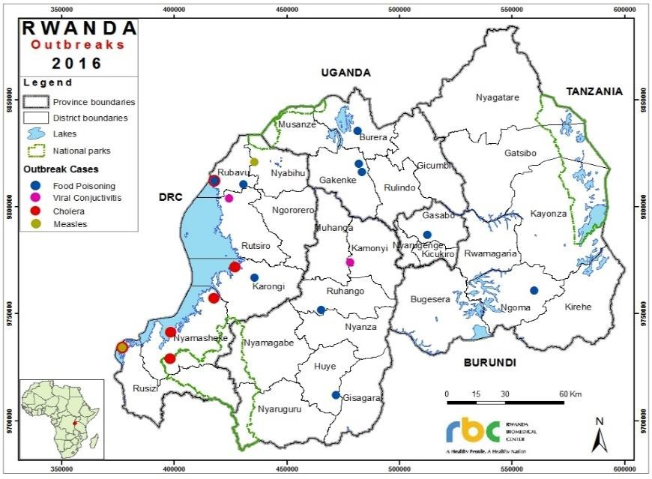
Figure 56: Map of outbreaks from January - December 2016.

Table 28
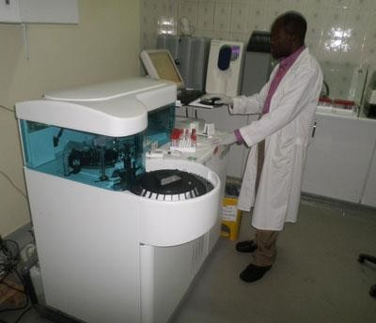 Laboratory |  |  |  | Based on R-HMIS reports of laboratory tests conducted in health facilities listed in the table below in 2016, approximately 74% of all reported laboratory tests were conducted at the health center level, 8% at private clinics, 11% at district hospitals, 1% at provincial hospitals and 5% at referral hospitals. Of the laboratory tests, 28% were blood, 44% were thick blood smears, 12% were stools, 4% were urine, 0.2% were bacteriology and only 1% were sputum tests.
Table 35: Type of laboratory exams by facility type
 | 2015 |  |  |  |  |  | 2016
Type of Lab Exam | Health Center | District Hospital | Provincial Hospital |  | Referral Hospital | Total | Health Center | Private clinic | District Hospital | Provinci al Hospital | Referral Hospital | Total | %
Thick Blood smears | 5,635,237 | 152,259 | 15,030 |  | 37,066 | 5,839,592 | 10,232,289 | 357,786 | 214,966 | 20,173 | 53,691 | 10,878,905 | 44%
Stools | 1,414,366 | 46,996 | 3,679 |  | 10,858 | 1,475,899 | 2,614,416 | 170,716 | 67,178 | 4,825 | 17,436 | 2,874,571 | 12%
Urine | 637,579 | 37,829 | 5,739 |  | 11,269 | 692,416 | 944,867 | 85,812 | 49,744 | 9,471 | 9,358 | 1,099,252 | 4%
Sputum | 197,881 | 42,893 | 6,803 |  | 9,074 | 256,651 | 171,932 | 814 | 37,827 | 5,703 | 8,379 | 224,655 | 1%
Bacteriology | 0 | 32,610 | 2,633 |  | 7,315 | 42,558 | 0 | 7,101 | 30,155 | 2,677 | 6,727 | 46,660 | 0.2%
Blood | 4,362,594 | 1,457,522 | 125,818 |  | 530,933 | 6,476,867 | 4,032,717 | 721,721 | 1,589,481 | 133,956 | 571,297 | 7,049,172 | 28%
Other | 373,572 | 675,318 | 70,010 |  | 638,305 | 1,757,205 | 456,639 | 709,580 | 796,799 | 92,831 | 628,024 | 2,683,873 | 11%
Total | 12,621,229 | 2,445,427 | 229,712 |  | 1,244,820 | 16,498,630 | 18,452,860 | 2,053,530 | 2,786,150 | 269,636 | 1,294,912 | 24,857,088 | 100%
% | 76% | 15% | 1% |  | 8% | 100% | 74% | 8% | 11% | 1% | 5% | 100%
Source: R-HMIS 2016
Figure 57: Distribution of types of lab exams conducted in 2016
Distribution of Types of Lab Exams, 2016 11% 44% 28% 0% 12% 1% 4% Thick Blood smears Stools Urine Sputum Bacteriology Blood Other
Source: National HMIS Database, 2016
Surgery In 2016, 114,561 surgical interventions were performed. Out of all the surgical interventions performed in 2016, 57% were urgent while the remaining 43% were planned. The most performed surgeries were Gyneco-obstetrical (47.6%).

Table 31
Table 38: Radiology and Medical imagery
PERIOD | 2015 |  |  |  |  |  | 2016
Exam Type | District hospital | Medical clinic | Military hospital | Provincia l hospital | Referral hospital | Grand Total | District hospital | Medical clinic | O. M Imagery | Provincia l hospital | Referral hospital | Grand Total | %
Total Radiology Exams | 114,760 | 885 | 1,309 | 11,267 | 60,900 | 189,121 | 114,073 | 2,945 |  | 12,352 | 66,895 | 196,265 | 52.2%
Lungs | 45,227 | 299 | 603 | 4,362 | 22,283 | 72,774 | 42,750 | 1,087 |  | 4,440 | 23,561 | 71,838 | 19.1%
Bones | 63,899 | 389 | 597 | 6,473 | 35,436 | 106,794 | 66,554 | 1,435 |  | 7,481 | 38,610 | 114,080 | 30.3%
Abdomen without preparation | 3,697 | 34 | 82 | 409 | 2,096 | 6,318 | 3,554 | 133 |  | 400 | 2,304 | 6,391 | 1.7%
Abdomen with dye | 65 | 125 | 9 | 0 | 355 | 554 | 16 | 0 |  | 9 | 266 | 291 | 0.1%
Other Radiology | 1,872 | 38 | 18 | 23 | 730 | 2,681 | 1,199 | 290 |  | 22 | 2,154 | 3,665 | 1.0%
Gastroscopy | 1,664 | 110 | 0 | 0 | 3,456 | 5,230 | 683 | 176 |  | 0 | 2,690 | 3,549 | 0.9%
Ultrasound (Echography) | 75,538 | 21,874 | 0 | 7,545 | 36,903 | 141,860 | 90,766 | 29,790 |  | 10,277 | 38,243 | 169,076 | 45.0%
Electro-Cardiogram(ECG) | 2,844 | 696 | 0 | 9 | 2,915 | 6,464 | 1,204 | 443 |  | 39 | 2,880 | 4,566 | 1.2%
Other Medical Imagery | 13 | 0 | 0 | 0 | 1,720 | 1,733 | 25 | 16 |  | 0 | 1,791 | 1,832 | 0.5%
Chest X-ray_MedicalImag_ort | NA | NA | NA | NA | NA | NA |  |  | 26 |  |  | 26 | 0.0%
Head X-ray_MedicalImag_ort | NA | NA | NA | NA | NA | NA |  |  | 117 |  |  | 117 | 0.0%
Hip joint X-ray_MedicalImag_ort | NA | NA | NA | NA | NA | NA |  |  | 42 |  |  | 42 | 0.0%
Lower limb X-ray MediacalImag_ortho | NA | NA | NA | NA | NA | NA |  |  | 424 |  |  | 424 | 0.1%
Pelvis X-ray_MedicalImag_ort | NA | NA | NA | NA | NA | NA |  |  | 82 |  |  | 82 | 0.0%
Spine X-ray_MedicalImag_ort | NA | NA | NA | NA | NA | NA |  |  | 22 |  |  | 22 | 0.01%
Upper limb X-ray_MedicalImag_ort | NA | NA | NA | NA | NA | NA |  |  | 145 |  |  | 145 | 0.04%
Total Exams | 194,819 | 23,565 | 1,309 | 18,821 | 105,894 | 344,408 | 206,751 | 33,370 | 858 | 22,668 | 112,499 | 376,146 | 100%
Source: National HMIS Database, 2015 and 2016
71
Blood bank and transfusions
Achievements of RBC/ National Center for Blood Transfusion in 2016 The National Centre for Blood Transfusion (NCBT) has a mission to provide safe, effective and adequate blood and blood products to all patients in need.
Rwanda’s blood policy is that blood is donated free-of-charge and is issued to patients free-of- charge, to make sure that every patient in need of a transfusion accesses blood.
Capacity building In the year 2000, the NCBT was comprised of 69 staff with only one physician and the majority of the remaining staff held high school certificates. The NCBT is currently comprised of 146 staff, with 6 Physicians, three of whom are specialists in Transfusion Medicine and the rest of the vast majority of staff are bachelor’s degree holders.
Enhancing blood donor mobilization, recruitment & retention Strategies on blood donor mobilization, recruitment and retention have been enhanced. Through partnerships with the National Police, Defense Forces, Higher institutions of learning and high schools, government and private parastatals and the use of print, online and broadcasting media, 528 permanent mobile blood collection sites have been created country-wide. This has increased annual blood donations from 53,436 blood units collected in the year 2015 to 61,763 blood units in year 2016.
In 2016, the NCBT collected 61,763 blood units from voluntary, non-remunerated blood donors from both mobile and fixed sites.
Figure 59: Blood collection yields in 2016 compared to 2015
Blood Collected Yields, 2015 & 2016 7000 6000 5000 4000 3000 2015 #Blood Collected 2000 2016#Blood Collected 1000 0
Source: RBC/ NCBT e-Progesa Database, 2016
The graph above indicates, NCBTs collected 61,763 blood units, an increment of 8,327 blood units compared to the annual blood collection yield of 53,436 in 2015. Due to an increased demand in blood components that occurred in 2016, NCBT reviewed its blood donor mobilization, recruitment and retention strategies. It increased mobile blood collection sessions at all regional centers, carried out special blood donor education and outreach campaigns to better mobilize blood donations among the population.
In October 14, 2016, Rwanda commenced the use of Unmanned Aerial Systems/ Drones as an effective and efficient method of shortening the turnaround time between ordering and receiving blood. Rwanda leads the world in the use of the Drone technology to save lives.
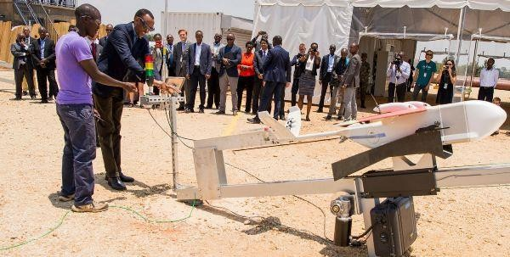
Figure 60: H.E The PRESIDENT of Republic of Rwanda Launching First Drones in Muhanga District
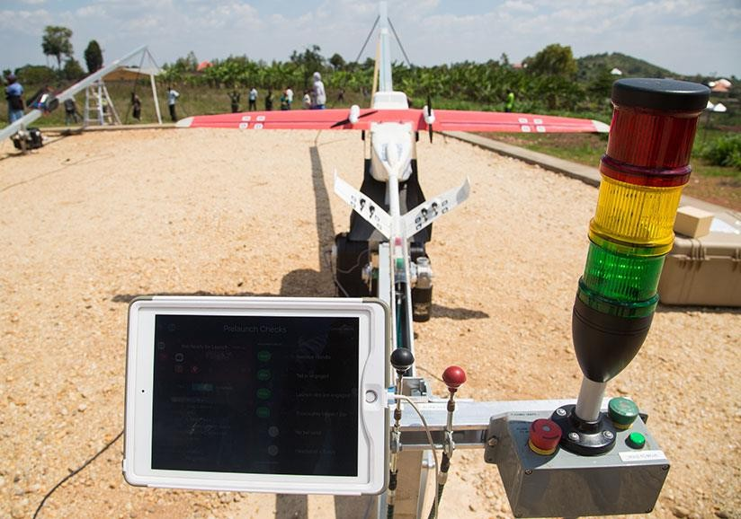
Figure 61: Blood delivery first drone
In December 2016, the NCBT began using Zipline drones. During this initial period, 86.1% of the deliveries the pilot site, Kabgayi Hospital, were by drone (68 units out of the demand of 79 units of blood delivered).
During the year, the NCBT increasingly used aphaeresis technology, a state-of-the-art modern technology whereby a blood donor donates only a component required-such as platelets, and only these are drawn from the donor and the other components returned into the body.
These machines enabled NCBT to collect the required platelets at therapeutic doses for patients in need from a limited number of blood donors and shortened the platelet donation interval from 3 months to 2 weeks. NCBT has subsequently been able to satisfy all hospitals.
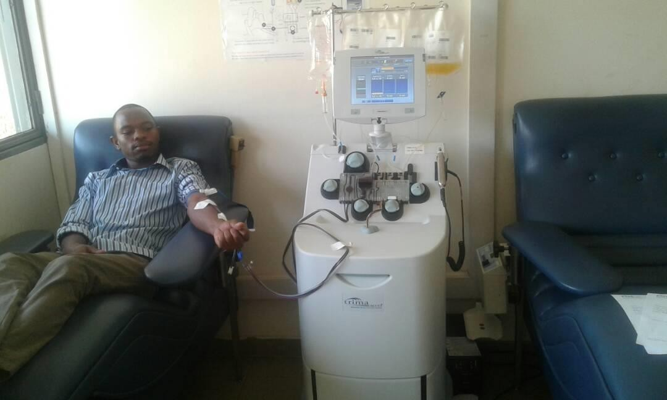
Figure 62: Blood donation on Aphaeresis
Source: NCBT Phlebotomy service
Apart from the conventional method of whole blood donation, NCBT also uses apheresis machines to collect selected blood components like red blood cells, plasma or platelets, and this has improved hospital satisfaction especially with regards to platelets, mostly for cancer patients.
The rate of hospital satisfaction for all blood components decreased by 10.9% from 81.4% in 2015 to 70.5% in 2016. This is due to the increase in hospital blood component demands in 2016, given several strategies were put in place to improve donor mobilization, recruitment, retention, and a rationalized use of blood and blood components within transfusing facilities. All health care providers were trained on best transfusion practices followed by on-site mentorship sessions. On- bed transfusion forms are returned to all RCBTs and this has improved haemovigilance for all transfusion cases.

Table 32
Figure 63: Blood collected on apheresis 2016
90 79 80 68 70 72 70 65 60 50 40 33 29 26 30 20 13 14 11 10 0 0 Blood Collected on Apheresis 2016
Source: Apheresis Service
Figure 64: Demand and supply for blood components
101,892
2016 | % of Hospital satisfaction | 70.54% |  |  | 875
 | Supply
 |  |  |  | 71

 | Demand

 |  | 81.41% |  |  | 49
2015 | % of Hospital satisfaction
 | Supply
 |  |  | 68,8

 | Demand
 |  |  |  |  |  | 84,570

5.97
2.37
3.17
0.32
0.11
0.59
0.34
1.04
2.10
0.66
% of TTIs
among Blood donors
% of SYPH
% of HIV
% of HBV
% of HCV
TTIs in 2015 TTIs in 2016
Source: RBC/NCBT Database, 2016
Figure 65: Monthly Hospital Satisfaction in 2016 compared to 2015
100.0 90.0 80.0 70.0 60.0 50.0 40.0 30.0 20.0 10.0 0.0 Mean Jan Feb Mar Apr May June Jul Aug Sep Oct Nov Dec % of Hospital satisfaction 2015 % of Hospital satisfaction 2016
Source: RBC/ NCBT Database, 2016
Figure 66: Seroprevalence of Transfusion Transmissible Infections (TTIs) among blood donors in 2016
Source: RBC/ NCBT Database, 2016
The above graph indicates that the prevalence of Transfusion Transmissible Infections (TTIs) among blood donors stood at 2.37% in 2016 compared to 5.97% in 2015. This demonstrates a decrease in TTI among blood donors in 2016. The sero-prevalence of HIV in 2016 was 0.34% versus 0.59% in 2015, HBV was 1.04% in 2016 while it was 3.17% in 2015. HCV was 0.66% in 2016 while it was 2.10% in 2015. Conversely, syphillis increased from 0.11% in 2015 up to 0.32%.
The NCBT made remarkable progress in the implementation of Quality Management System (QMS). All Regional Centers for Blood Transfusion (RCBTs) were enrolled in step 3 of the Africa Society for Blood Transfusion (AfSBT) full accreditation process since late 2015. The AfSBT assessment was successfully completed in 2016. The NCBTs that met all requirements for step 3 full accreditation were set to receive AfSBT Certificate in February 2017. The velocity at which the NCBT seeks to improve its quality system and attain excellence at the scale of the best in African blood banks is inalienable.
Community Health Workers (CHWs) In Rwanda, CHWs are a formal part of the national health strategy coordinated by the Community Health Desk of the MOH. The following highlights the profile of CHWs in Rwanda: 1. 3 CHWs are elected at village level. 2. There is a total of 45,000 CHWs country wide. 3. 30,000 (65%) CHWs are women. 4. 15,000 (35%) CHWs are men. 5. CHWs diagnose and treat diseases in children under-five years of age. The diseases include malaria, pneumonia, and diarrhea. CHWs also treat malaria in adults. 6. CHWs provide care to women during pregnancy and after birth, as well as, provide care to newborn children. 7. They also carry out sensitization regarding healthy living, mutuelle de santé, etc. 8. In 2016, CHWs treated about 28% of all malaria cases recorded in Rwanda. 9. In 2016, CHWs accompanied 83% of women who gave birth in public health centers. 10. CHWs, through their cooperatives, received PBF incentives which amounted to 1,602,182,317 FRW in 2016. 11. CHWs also contribute to socio-economic development through various income generating activities.

