Table 1
STATÏ STICS OF RWAN OA
 Sth POPULATï0N AND HOUSING CENSUS Rwanda, 2022
DisVict Prof

Ministry of Finance and Economic Planning National Institute of Statistics of Rwanda
Fifth Population and Housing Census, Rwanda, 2022 District Profile Gasabo
September 2023

The Fifth Rwanda Population and Housing Census (RPHC2022) was implemented by the National Institute of Statistics of Rwanda (NISR). Field work was conducted from August 16th to 30th, 2022.
Additional information about the RPHC2022 may be obtained from the NISR: P.O. Box 6139, Kigali, Rwanda; Telephone: (250) 788383203; Hotline 4321 E- mail: info@statistics.gov.rw; Website: http://www.statistics.gov.rw.
ISBN:
Recommended citation:
National Institute of Statistics of Rwanda (NISR); The Fifth Rwanda Population and Housing Census, District Profile: Gasabo, September 2023
LIST 0F TABLES VI LIST 0F FIGURES X F0REW0RD XI ACKN0WLEDGEMENTS XII CHAPTER 1: P0PULATI0N SIZE, SPATIAL DISTRIBUTI0N, AND STRUCTURE 2 1.1 Size and Spatial Distributi0n 0f the p0pulati0n 2 1.1.1 Size and Spatial Distributi0n 0f the P0pulati0n 0f Kigali City 2 1.1.2 P0pulati0n Density 0f the City 0f Kigali by District 2 1.1.3 Size and Spatial Distributi0n 0f the P0pulati0n 0f the Gasab0 district 4 1.1.4 Size and Spatial distributi0n 0f the P0pulati0n 0f Gasab0 district by residence area 5 1.1.5 Age-Sex Structure 0f the P0pulati0n 0f Gasab0 district 6 1.1.6 P0pulati0n share 0f s0me specific interventi0ns target gr0ups in Gasab0 District by sex 8 CHAPTER 2: CHARACTERISTICS 0F THE P0PULATI0N 10 2.1 S0ci0-cultural characteristics 0f the p0pulati0n 10 2.2 Marital Status 0f the resident p0p

CONTENTS
3.4.2 Empl0yment am0ng elderly pe0ple 34 3.4.3 Marital status 0f elderly pe0ple 35 CHAPTER 4: H0USEH0LDS AND H0USING CHARACTERISTICS 38 4.1 H0useh0ld characteristics 38 4.1.1 Number and mean size 0f the private h0useh0lds 38 4.1.2 Private h0useh0lds’ heads 0f Gasab0 District 39 4.2 H0using Characteristics 39 4.2.1 Type 0f habitat 39 4.2.2 Tenure 0f the h0using 41 4.2.3 Material 0f the h0using units 43 4.2.3.1 Main materials 0f the r00f 43 4.2.3.2 Main materials 0f the walls

LIST 0F TABLES Table 1. 1Resident population distribution of the City of Kigali by sex and District 2 Table 1. 2 Distribution of Resident Population of Gasabo District by sector and Sex in 2022 5 Table 1. 3 Distribution (Count and %) of Resident Population of Gasabo District by sector and Area of Residence in 2022 6 Table 1. 4 Distribution (Count and %) of Resident Population of Gasabo District by 5-Year Age Group and Sex in 2022 6 Table 1. 5 Number and population share (%) of some specific interventions target groups in Gasabo District by sex 8
Table 2. 1 Distribution (count and %) of the resident population of Gasabo district by Nationality and sector 10 Table 2. 2 Distribution (count and %) of the resident population of Gasabo district by Religious Affiliation and residence areas 11 Table 2. 3 Distribution (%) of the resident population of Gasabo district aged 12 years and above by Marital status and Sector (Both sexes) 12 Table 2. 4 Distribution (%) of the resident population of Gasabo district age aged 12 years and above by Marital status and Age groups and Sex [Both sexes] 13 Table 2. 5 Distribution (count and %) of the pre - primary-age (3-5 years) population of Gasabo district by Sector and by school attendance status (Both sexes) 14 Table 2. 6 Distribution (count and %) of the primary -age (6-11 years) population of Gasabo district by Sector and by school attendance status (Both sexes) 15 Table 2. 7 Distribution (count and %) of the Secondary -age (12-17 years) population of Gasabo district by Sector and by school attendance status (Both Sexes) 16 Table 2. 8 Gross and Net Attendance Rates (%) in Primary School level (Children aged 6-11 years) of Gasabo District by Sex and Sector 17 Table 2. 9 Gross and Net Attendance Rates (%) in Secondary School level (12-17) of Gasabo District by Sex and Sector 18 Table 2. 10 Distribution (Count and %) of the resident population of Gasabo district aged 3 and above by highest level of school attended by sector(Both sexes) 19 Table 2. 11 Emp
Table 3. 1 Number and share (%) of children age 0-17 years among the total resident population of Gasabo district by sex and sector of residence. 23 Table 3. 2 Percentage of the children aged 0-17 in Kigali city whose birth was registered by sex, district, and area of residence 24 Table 3. 3 Percentage of the children aged 0-17 in Gasabo district whose birth was registered by sex, Sector, and area of residence. 24 Table 3. 4 Number and share (%) of the resident youth age16-30 years among the total resident population of Gasabo district by Sector of residence and sex 25 Table 3. 5 Distribution (count and %) of the resident youth of Gasabo district age 16-30 years by Sector of residence and school attendance status (Both sexes) 26
Table 3. 6 Distribution (count and %) of the youth population of Gasabo district age 16-30 years by Sector of residence and highest level of education attended (Both sexes ) 27 Table 3. 7 Employment to Population ratio among youth by sex 29 Table 3. 8 Distribution (%) of the currently employed youth of Gasabo district age 16-30 years by status in employment 30 Table 3. 9 Proportion of Youth (16-30) neither in employment nor in education or training in Gasabo District by sex, district, and area of residence 31 Table 3. 10 Number and share (%) of persons with disabilities in of Gasabo district age 5 years and above by Sector of residence and sex 32 Table 3. 11 Share of persons with Disability by types of Disability and by District in the City of Kigali 32 Table 3. 12 Number and share (%) of the resident elderly (age 60 years and above) among the total resident population of Gasabo district by Sector of residence and sex 34 Table 3. 13 Distribution(count) and share of employed population among elderly people in Gasabo District by sector and Sex 35 Table 3. 14 Distribution (%) of the elderly resident (age 60 years and above) of Gasabo district by sector of residence and marital status (Both sexes) 36
Table 4. 1 Distribution of the private households and their corresponding population and mean size 38 Table 4. 2 Distribution (count and %) of private households’ heads of Gasabo district by Sector and by sex of the head 39 Table 4. 3 Distribution (count and %) of the private households of Gasabo district by type of habitat and Sector 40 Table 4. 4 Distribution (%) of the private households of Gasabo district by tenure of the housing units and by Sector 42 Table 4. 5 Distribution (count and %) of the private households of Gasabo district by main material of the roof of the housing units and by Sector 44 Table 4. 6 Distribution (count and %) of the private households of Gasabo district by main material of the walls of the housing unit and by Sector 46 Table 4. 7 Distribution (count and %) of the private households of Gasabo district by main material of the floor of the housing unit and by Sector 48 Table 4. 8 Distribution (Count and %) of private households by connection to the National Grid line in Gasabo District by Sector and area of residence 49 Table 4. 9 Distribution (count and %) of the private households of Gasabo district by main source of energy for lighting and by Sector and residence area 51 Table 4. 10 Distribution (count and %) of the private households of Gasabo district by main source of energy for cooking and

Table 4. 14 Percentage of private households of Gasabo district possessing communication assets by Sector 62 Table 4. 15 Percentage of private households of Gasabo district having access to the Internet by Sector. 63
Table 5. 1Distribution of household engaged in livestock husbandly in Gasabo district 66 Table 5. 2 Number of private households cultivating different types of crops, by Sector. 67 Table 5. 3 Number of private households raising different types of livestock, by Sector. 68
Table A. 1 Distribution (count and %) of the resident population of Gasabo district by Single age and Sex 69 Table A. 2 Distribution of the population size of Gasabo district by age and by sector 73 Table A. 3 Distribution number of the resident population of Gasabo district aged 12 years and above by Marital status, Sector and Sex [Male] 81 Table A. 4 Distribution number of the resident population of Gasabo district aged 12 years and above by Marital status, Sector and Sex [Female] 82 Table A. 5 Distribution (count and %) of the pre-primary school-age(3-5years) population of Gasabo district by Sector and by School attendance status and Sex (Male) 83 Table A. 6 Distribution (count and %) of the pre-primary school-age(3-5years) population of Gasabo district by Sector and by School attendance status and Sex (Female) 83 Table A. 7 Distribution (count and %) of the primary school-age (6-11 years) population of Gasabo district by Sector and by School attendance status and Sex (male) 84 Table A. 8 Distribution (count and %) of the primary school-age (6-11 years) population of Gasabo district by Sector and by School attendance status and Sex (Female) 84 Table A. 9 Distribution (count and %) of the secondary school-age (12-17) population of Gasabo district by Sector and by School attendance status and Sex (male) 85 Table A. 10 Distribution (count and %) of the secondary school-age (12-17) population of Gasabo district by Sector and by School attendance status and Sex (Female)- .86 Table A. 11 Distribution (%) of the resident population of Gasabo district age 3 years and above by Highest level of educational attended and Sector (Male) 87 Table A. 12 Distribution (

Table A. 19 Distribution (Count and %) of private households with members using improved toilet facility in Gasabo District by Sector 94 Table A. 20 Number and population share (%) of some specific interventions target groups in Gasabo District by sex 95
LIST 0F FIGURES
Figure 1. 1Administrative map of Gasabo District 1 Figure 1. 2 Population density (inhabitant per Km2) by District in Kigali City 3 Figure 1. 3 Distribution of population density by sectors of Gasabo District 4 Figure 1. 4 Age pyramid of the resident population of Gasabo district in 2022 7
Figure 2. 1Employment to Population Ratio by age group and sex 21
Figure 4. 1 Distribution (%) of the private households of Gasabo district by type of habitat and by Area of residence 41 Figure 4. 2 Distribution (%) of the private households of Gasabo district by tenure of the housing and area of residence 43 Figure 4. 3 Distribution (%) of the private households of Gasabo district by main material of the roof of the housing and by residence area 45 Figure 4. 4 Distribution (%) of the private households of Gasabo district by main material of walls of the housing unit and by area of residence 47 Figure 4. 5 Distribution (%) of the private households of Gasabo district by main material of floor of the housing unit and by area of residence 48 Figure 4. 6 Distribution (%) of the private households of Gasabo district by connection to the national grid line and by area of residence 50 Figure 4. 7 Distribution (%) of the private households of Gasabo district by main source of energy for lighting and by area of residence 52 Figure 4. 8 Distribution (%) of the private households of Gasabo district by main source of energy for cooking and by area of residence 54 Figure 4. 9 Percentage of the private households of Gasabo District by main s

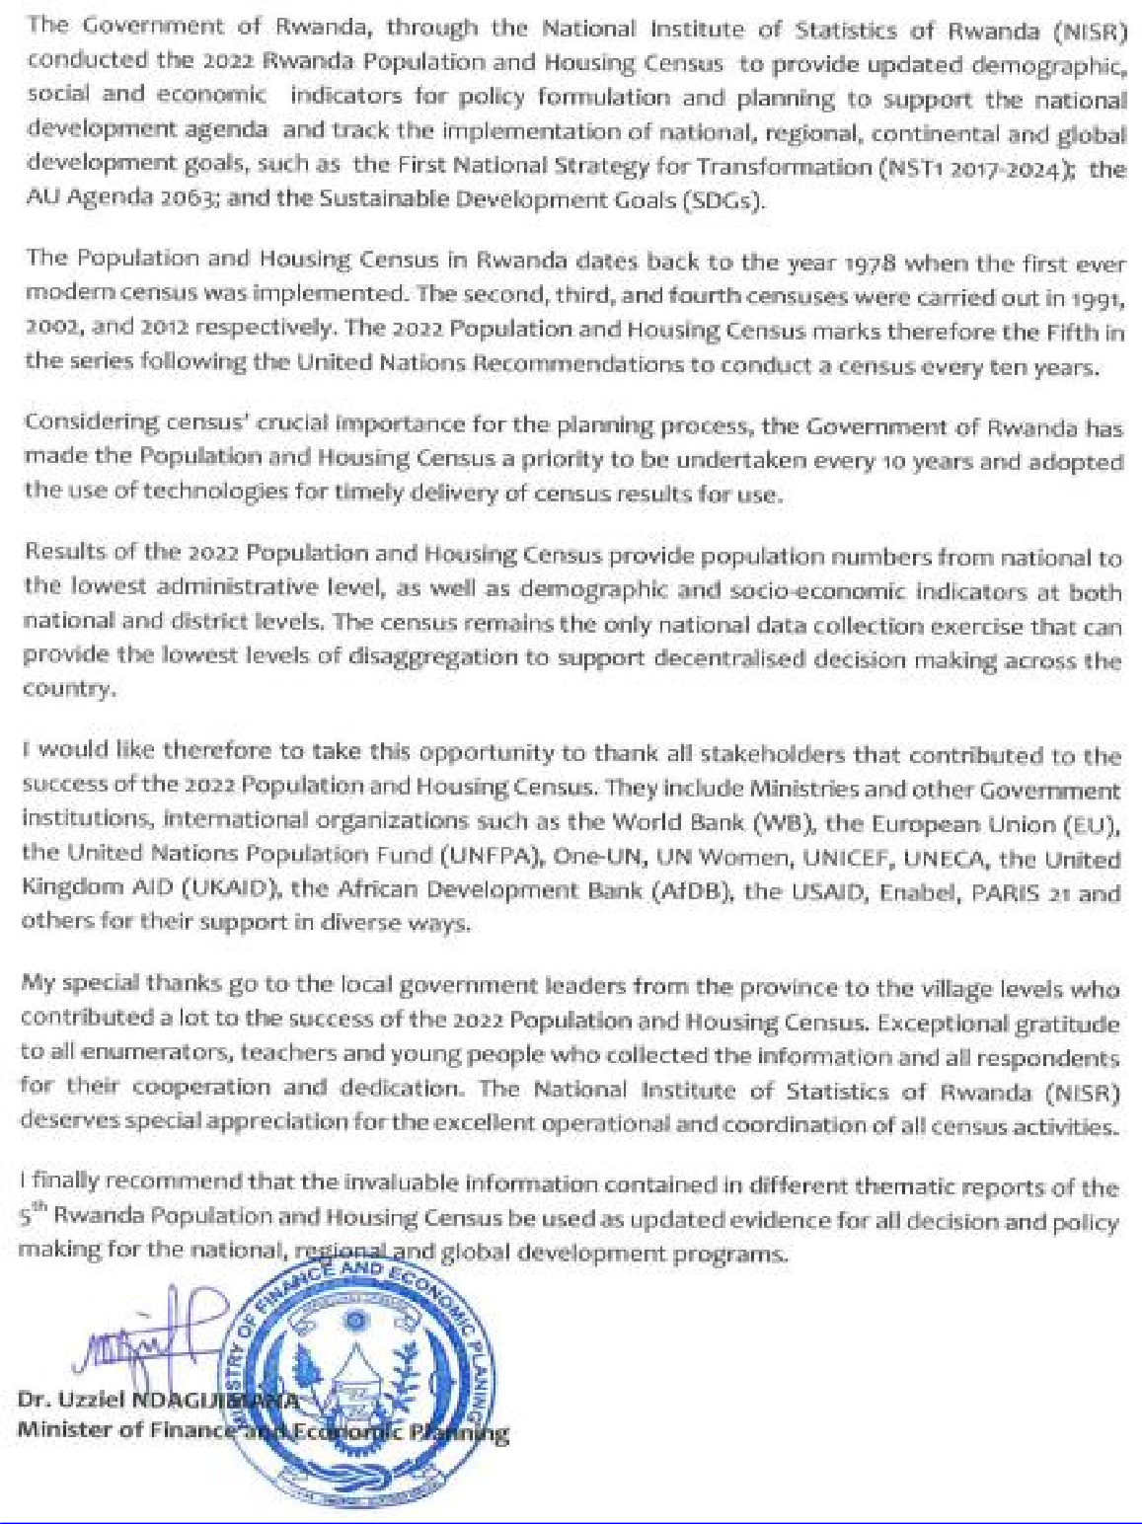
F0REW0RD

ACKN0WLEDGEMENTS
H'c›rk , dl3t6 CDllection, data processing. lubulali‹›n and data analysis spans a pcnod of neal f‹›•r year bctworn 2020 and 2\\2ñ. NISk ix plcascd tu publish the mnin iiidicators report es thc main ll‹aSshîp r ›rt rrf the RP£lC5. This mp t wlli be follow'od by scvmul thcnuiliu dpt@t* 01ld districts profils reports. "Fhc rofiin indicnii›rs report covcrs scvcru l issues mainly p‹rpu1ation sire and distributiun, ‹xiumtion, netlleiiv•nt, population pypj timmy trt Ilmlltioit hut a fcw. NJSR htm lh‹i trie re.sults in this mport supplcimnl ml by the upcoming llionatlc rqx›ns could ir et the dcmznd ot'ccnsus tkii« ussrs les the bonrd
tin this occasion, I would like i‹• mend iiiy sincere gratitude In Ihc v<nimcm1 rif ltwanda arid development partflnrs for avaiiing financial, lcigisti I 8rid technical support. Thc NISR wutild like in appr iatc sl} stakc1in]ders who wiif$;et1 tirelessly with us to ensure lhal lhc 2(l22 Rwanda l'nPu]ation ar›ri Https iiig €,’ensus ‹iperaiion was succcsshil. Sptg;iB] pt;t;tigttit i9ft g1 giri€fi tD Ille M iRi$t f Of FiftfiltCG iämi Fwwiiiiriic Plaiining, Miniatry of Dcfoisc,
and Innovaii‹›n, Ministry of Interior, Ministry or’ Hcslth, Mimicry iti Clorgc of Emergency Mai igetnent, thc ltweTtdR Nalioiul Pulicc, Rwniidn L'orrectionnl Scrviccs. Rwiimln ftitimeBicnl C‘cnici' tR8c}, z ande l»l0,-matio i S«ciciy Authority (RISA›, Rwanc› iJ‹ilitien r•egu1atory Authcri y (Rt'RA J, kwaiidn l'ublic Procurement Au1ht›rily I RPPA), tlffice of Ciox'cmincnt SPoknPurxOn t < ‹h). and Rwon6u Brusdcmlifig Ageimy (ltllA} for Ihr direct invol cement in mains caniPaitm, logistical an4 data collection operations.
I mls› with ro expires any apprcciaLiwi t‹› ikc I uct gnvernnJciit authu+ities and NJSR slug” 1fir f11MF exEcl1o\t upcratiut RI urgan\ygtjgn 8tld fo li e tens nf thousands Df cnumcuilun‹ 8ixt .tupew1mrs for their pain qyi 1y effnnn Lhrnughout the data cullucliun plan.
i¥JtJBANI SWA Yusuf
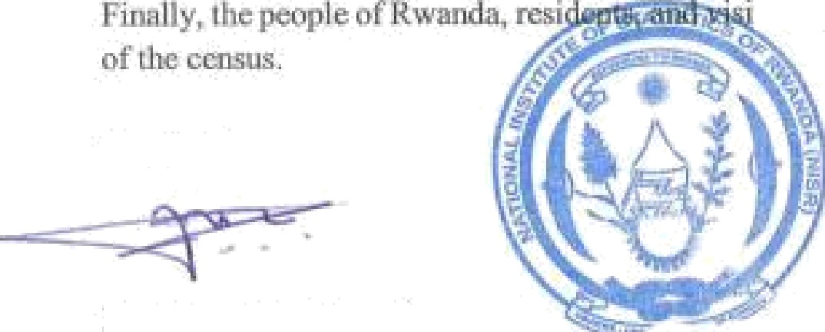

Figure 1. 1Administrative map of Gasabo District

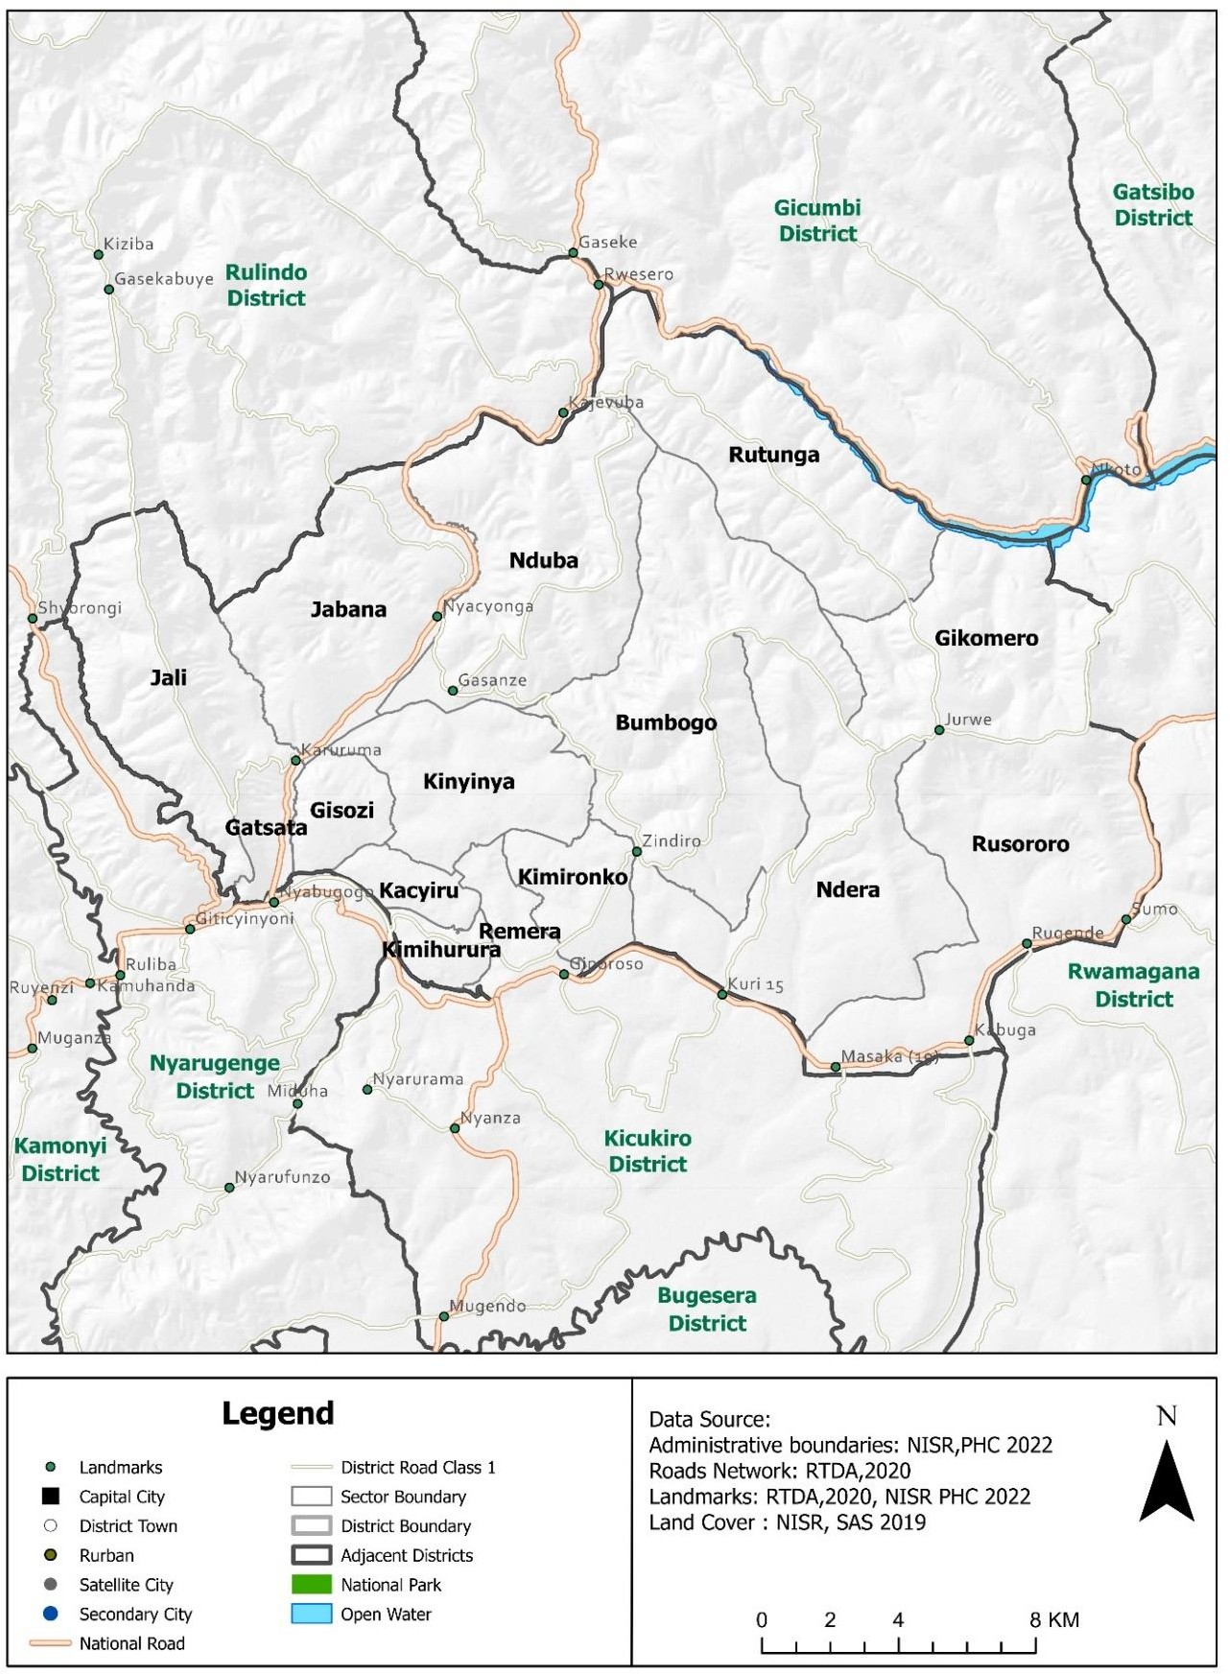
Source: Fifth Rwanda Population and Housing Census, 2022(NISR)

CHAPTER 1: P0PULATI0N SIZE, SPATIAL DISTRIBUTI0N, AND STRUCTURE
1.1 Size and Spatial Distribution of the population
1.1.1 Size and Spatial Distribution of the Population of Kigali City
The 5th Rwanda Population and Housing Census (PHC5) has enumerated 1,745,555 residents in the City of Kigali, which represents 13.17% of the total population of Rwanda (13,246,394 residents). The population of the City of Kigali is predominantly male; 888,882 are men corresponding to 50.9 % of the total population of the City of Kigali. Gasabo is the most populated district with 879,505 residents in 2022. Its population represents 50.4% of the total residents’ population of Kigali City. The least populated district in the City of Kigali is Nyarugenge with 374,319 inhabitants, corresponding to 21.4% of the total resident population of Kigali City. Table 1. 1Resident population distribution of the City of Kigali by sex and District
Province and District | Counts |  |  | Percent (%) |  |  | Population share
 | Both sexes | Male | Female | Both sexes | Male | Female | Both sexes
Rwanda | 13,246,394 | 6,429,326 | 6,817,068 | 100 | 48.5 | 51.5
City of Kigali | 1,745,555 | 888,882 | 856,673 | 100 | 50.9 | 49.1 | 100
Nyarugenge | 374,319 | 195,780 | 178,539 | 100 | 52.3 | 47.7 | 21.4
Gasabo | 879,505 | 443,987 | 435,518 | 100 | 50.5 | 49.5 | 50.4
Kicukiro | 491,731 | 249,115 | 242,616 | 100 | 50.7 | 49.3 | 28.2
Source: Fifth Rwanda Population and Housing Census, 2022(NISR)
1.1.2 Population Density of the City of Kigali by District
Population density is a measurement of population per unit land area. Density is the number of the inhabitant per Km2. The Rwanda Population and Housing Census conducted in 2022 revealed that the population density in Rwanda is 503 inhabitants per Km2. The City of Kigali has 2401 inhabitant per Km2. The district with a high population density is Kicukiro with 2,944 Inhabitants per km². The district with a lowest population density is Gasabo with 2,056 Inhabitants per km². The figure below indicates distribution of population density per district.

Figure 1. 2 Population density (inhabitant per Km2) by District in Kigali City

Source: Fifth Rwanda Population and Housing Census, 2022(NISR)
The population density of Gasabo district by sector are displayed in the map below:

Figure 1. 3 Distribution of population density by sectors of Gasabo District

Source: Fifth Rwanda Population and Housing Census, 2022(NISR) 1.1.3 Size and Spatial Distribution of the Population of the Gasabo district
The results in previous Table 1. 1Resident population distribution of the City of Kigali by sex and District indicates that 879,505 residents were enumerated in Gasabo district, and the population share is 50.4% of the total population of Kigali City. The population of Gasabo district is predominantly male: 443,987 are men corresponding to 50.5 % of its total population. The Table 1. 2 below indicates the number of the population of Gasabo district by sector, by sex, the percentage of female and their shares across sectors to the total population of Gasabo district. Females are predominant in seven out of 15 sectors of the district: Rutunga (51.6%), Gikomero (51.3%), Jali (50.7%), Nduba (50.9%), Jabana (50.5%), Bumbogo and Rusororo (50.1% respectively). Kinyinya (125,400 residents), Bumbogo (112,899 residents) and Ndera (95,164 residents) are the most populated sectors. They represent respectively 14.2%; 12.8% and 10.8% of the total population of Gasabo district. The two less populated sectors are Kimihurura (16,425 inhabitants) and Gikomero (19,630 inhabitants). They represent 1.9% and 2.2% of the total resident population of Gasabo district, respectively.
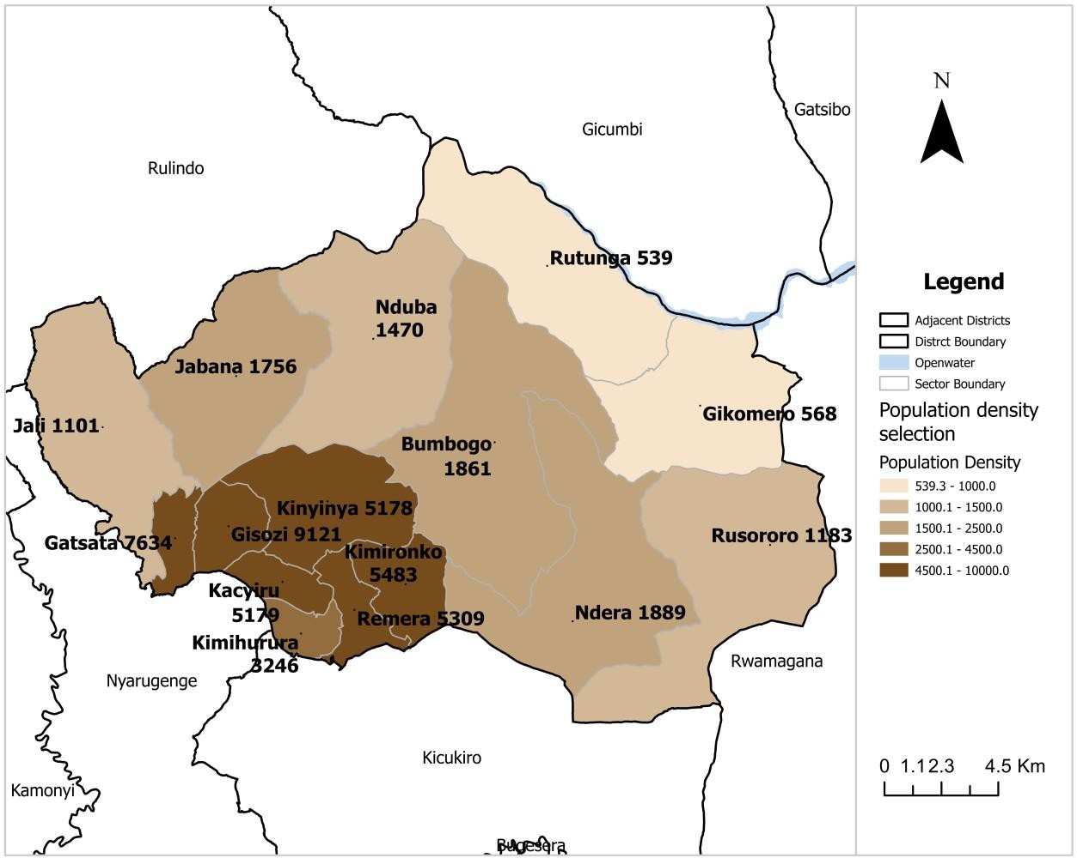
Table 1. 2 Distribution of Resident Population of Gasabo District by sector and Sex in 2022

