performance_visualisation
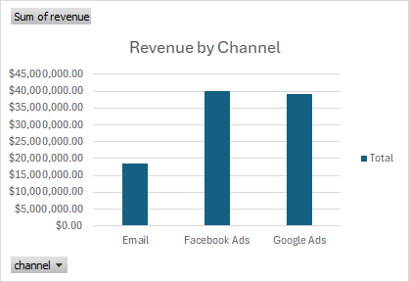
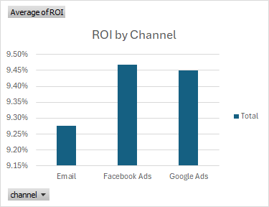
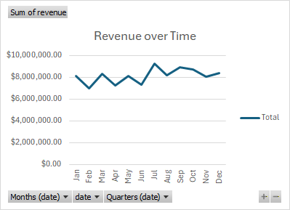
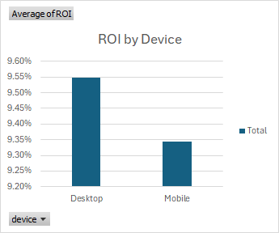
Key Insights
Facebook campaign generated the highest ROI and Revenue
Email campaign generated the lowest ROI and revenue, however it has the lowest spend.
Mobile coverts a litle less than desktop but generates a higher revenue
Google ads drives the most volume but lowers profitability

dashboard
KEY INSIGHTS
Facebook campaign generated the highest ROI and Revenue.
Email campaign generated the lowest ROI and revenue; however, it has the lowest spend.
Mobile coverts a little less than desktop but generates a higher revenue.
Google ads drive the most volume but lowers profitability.
Campaigns in the bottom ROI range (≈7–8%) underperform and incur high cost of conversion relative to the rest and may require optimization.
KPI SUMMARY
Total Cost | Total Revenue | Overall ROI | Overall Conversion Rate | Average CAC
$13,497,603.72 | $97,570,657.90 | 47115.02% | 68061.53% | $14.50

 |  |  |  |  |  |  |  | DEVICE PERFORMANCE

CHANNEL PERFORMANCE |  |  |  |  |  | TREND OVERTIME | DEVICE PERFORMANCE
Revenue by Channel
 | Total
Email | $18,515,446.09
Facebook Ads | $40,031,464.40
Google Ads | $39,023,747.41
ROI by Channel
 | Total
Email | 9.28%
Facebook Ads | 9.47%
Google Ads | 9.45%
Revenue over Time
 | Total
Jan | $8,104,751.90
Feb | $6,975,414.72
Mar | $8,332,299.90
Apr | $7,245,576.66
May | $8,090,175.27
Jun | $7,310,977.32
Jul | $9,256,441.63
Aug | $8,159,261.02
Sep | $8,894,062.57
Oct | $8,737,115.08
Nov | $8,074,227.33
Dec | $8,390,354.50
ROI by Device
 | Total
Desktop | 9.55%
Mobile | 9.34%

CAMPAIGN PERFORMANCE

Campaign ID | Total Revenue | Total Cost | Average of ROI | Average Conversion Rate | Average CAC
1039 | $1,869,468.16 | $279,802.12 | 7.65% | 12.83% | $16.85
1011 | $2,251,812.86 | $302,753.28 | 7.70% | 13.40% | $16.71
1012 | $1,913,168.31 | $278,473.07 | 7.96% | 12.45% | $16.62
1042 | $1,676,276.98 | $266,505.06 | 7.96% | 12.72% | $15.40
1016 | $2,178,960.19 | $300,494.98 | 7.97% | 13.37% | $17.83
1038 | $2,101,952.98 | $327,277.66 | 8.04% | 13.05% | $15.28
1035 | $1,978,523.41 | $273,995.43 | 8.22% | 13.62% | $15.84
1003 | $1,975,769.94 | $292,152.37 | 8.24% | 14.38% | $14.40
1030 | $1,755,118.04 | $248,982.05 | 8.36% | 12.51% | $16.41
1031 | $1,764,722.29 | $256,343.69 | 8.48% | 14.19% | $14.52
1048 | $1,952,176.48 | $306,976.32 | 8.54% | 13.04% | $15.43
1017 | $2,430,906.99 | $350,503.02 | 8.71% | 13.15% | $15.08
1025 | $2,485,354.43 | $331,751.90 | 8.72% | 13.91% | $14.46
1046 | $1,784,770.27 | $255,027.93 | 8.74% | 14.31% | $12.20
1006 | $2,083,110.28 | $336,768.11 | 8.93% | 13.86% | $13.99
1028 | $1,751,199.81 | $234,012.71 | 8.95% | 13.35% | $13.55
1001 | $2,392,812.93 | $328,953.67 | 9.00% | 13.61% | $14.71
1027 | $1,620,046.72 | $271,043.38 | 9.05% | 12.89% | $16.53
1000 | $1,841,041.03 | $248,236.63 | 9.06% | 13.77% | $14.06
1026 | $1,788,116.67 | $228,305.87 | 9.13% | 13.75% | $15.05
1002 | $1,704,882.62 | $264,417.33 | 9.18% | 13.57% | $15.59
1015 | $2,008,187.52 | $307,058.79 | 9.19% | 13.36% | $13.18
1008 | $1,941,551.15 | $256,145.62 | 9.31% | 13.69% | $14.00
1020 | $1,934,148.29 | $269,188.30 | 9.33% | 14.24% | $13.97
1040 | $1,199,715.91 | $182,287.21 | 9.41% | 13.99% | $13.14
1041 | $2,292,761.59 | $341,101.65 | 9.44% | 13.81% | $14.46
1010 | $1,879,460.91 | $239,881.34 | 9.62% | 13.79% | $15.99
1047 | $2,301,302.48 | $302,175.36 | 9.64% | 13.94% | $13.39
1023 | $2,259,199.14 | $322,309.28 | 9.64% | 13.55% | $15.48
1018 | $1,799,426.35 | $242,703.23 | 9.68% | 13.15% | $14.37
1013 | $2,072,767.67 | $288,553.50 | 9.69% | 13.55% | $14.25
1024 | $1,799,763.29 | $275,811.33 | 9.75% | 13.96% | $14.72
1032 | $1,653,087.57 | $242,737.14 | 9.78% | 13.98% | $14.84
1044 | $2,189,391.72 | $294,374.48 | 9.84% | 13.15% | $13.14
1034 | $1,497,059.51 | $250,931.63 | 9.87% | 12.45% | $16.11
1009 | $2,010,767.21 | $230,033.66 | 9.89% | 14.11% | $12.89
1049 | $1,842,554.08 | $249,234.07 | 9.89% | 12.85% | $14.83
1043 | $1,993,129.63 | $265,490.54 | 10.05% | 14.22% | $13.68
1014 | $1,676,902.71 | $220,539.05 | 10.11% | 13.99% | $15.07
1022 | $2,538,134.15 | $306,544.36 | 10.23% | 13.47% | $12.35
1036 | $1,801,974.25 | $252,650.90 | 10.38% | 14.09% | $14.14
1019 | $1,827,624.12 | $225,566.31 | 10.38% | 13.74% | $14.41
1005 | $2,030,489.26 | $262,386.09 | 10.54% | 12.87% | $14.08
1029 | $2,029,247.43 | $229,449.97 | 10.62% | 14.68% | $14.25
1045 | $2,042,998.24 | $233,633.38 | 10.81% | 14.72% | $11.36
1037 | $1,869,045.47 | $259,398.96 | 10.90% | 13.77% | $13.78
1021 | $2,002,537.97 | $252,955.72 | 11.00% | 13.69% | $14.38
1033 | $1,935,417.25 | $280,690.66 | 11.01% | 14.39% | $12.28
1007 | $2,018,401.36 | $233,066.65 | 11.22% | 14.05% | $11.63
1004 | $1,823,420.28 | $197,927.96 | 12.67% | 14.54% | $12.65

