Dashboard
Energieverbrauch pro Kopf in kWH pro Kontinent

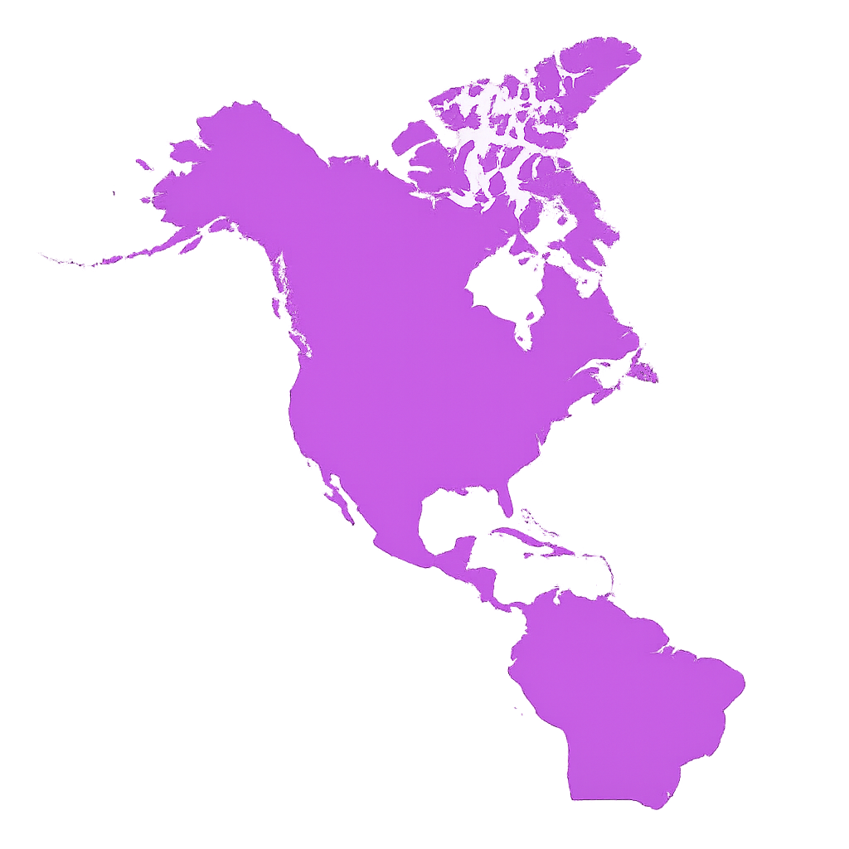

Nordamerika
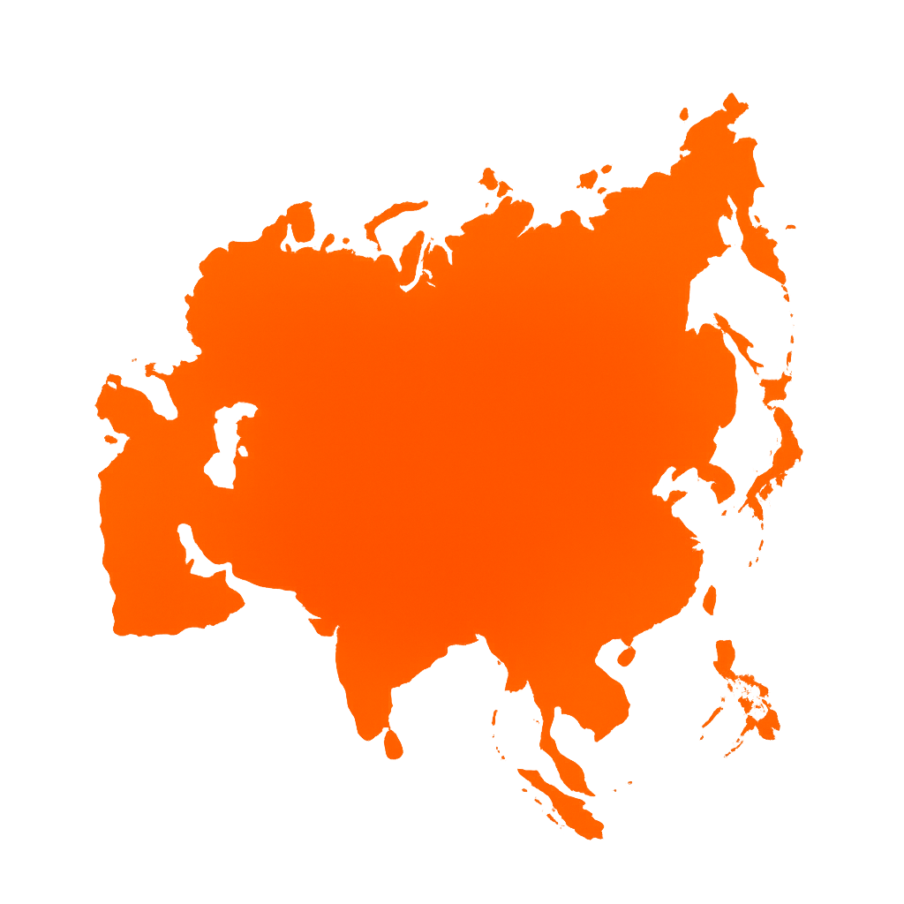
 | Africa | Asia | Australia | Europe | North America | South America
1965 | 2228.1287 | 2835.7673 | 37487.19 | 30352.777 | 55271.97 | 6294.86
1966 | 2275.2998 | 3033.9353 | 38481.957 | 31365.555 | 57357.26 | 6542.4004
1967 | 2240.699 | 3082.253 | 40056.914 | 32294.393 | 58395.45 | 6616.4136
1968 | 2306.228 | 3234.4219 | 41703.523 | 33836.54 | 60885.21 | 6894.5054
1969 | 2308.4624 | 3620.067 | 42569.41 | 35704.93 | 63080.273 | 7046.3887
1970 | 2440.9534 | 4030.002 | 45248.266 | 37602.297 | 64540.895 | 7332.7363
1971 | 2534.0273 | 4289.769 | 46069.344 | 38648.84 | 64880.234 | 7566.5337
1972 | 2611.2046 | 4495.5244 | 47057.49 | 40232.617 | 67309.2 | 7946.4824
1973 | 2757.1394 | 4741.773 | 49513.375 | 42162.535 | 69490.98 | 8552.376
1974 | 2818.4126 | 4720.3477 | 51889.727 | 42381.527 | 67393.04 | 8983.172
1975 | 2904.6602 | 4849.903 | 52101.688 | 42656.754 | 64901.152 | 8940.984
1976 | 3060.6638 | 5036.682 | 53328.19 | 44512.28 | 67440.375 | 9374.433
1977 | 3138.4292 | 5243.024 | 55336.21 | 45521.984 | 68500.805 | 9769.839
1978 | 3168.695 | 5470.3403 | 56463.793 | 47089.34 | 69234.72 | 10109.571
1979 | 3353.634 | 5632.2036 | 57888.22 | 48467.633 | 69339.46 | 10625.225
1980 | 3504.6921 | 5523.1636 | 57348.492 | 47909.742 | 66495.83 | 10856.751
1981 | 3820.4446 | 5493.316 | 57380.55 | 47338.305 | 64213.117 | 10519.725
1982 | 3953.1428 | 5517.151 | 55943.414 | 47073.36 | 61019.586 | 10609.991
1983 | 3943.8472 | 5722.394 | 54594.71 | 47539.676 | 59936.56 | 10498.349
1984 | 3945.3706 | 5984.192 | 55782.266 | 48814.3 | 62229.312 | 10696.287
1985 | 3987.8552 | 6893.4927 | 56599.375 | 47081.82 | 61603.754 | 10936.318
1986 | 3953 | 7035.7197 | 56778.605 | 47701.977 | 61298.305 | 11395.734
1987 | 3972.37 | 7322.1294 | 57439.195 | 48569.57 | 62539.605 | 11601.045
1988 | 4135.509 | 7665.3066 | 59136.32 | 48913.832 | 64373.21 | 11806.336
1989 | 4030.0054 | 7864.791 | 61040.418 | 48612.29 | 65076.164 | 11777.34
1990 | 4054.7393 | 8004.1885 | 61372.223 | 48815.664 | 64318.133 | 11621.678
1991 | 3941.5098 | 8182.5234 | 60158.38 | 47933.797 | 63434.53 | 11808.429
1992 | 3894.6165 | 8402.145 | 60425.266 | 46155.92 | 63524.2 | 12073.626
1993 | 3805.369 | 8616.26 | 61188.77 | 44529.633 | 63949.72 | 12354.733
1994 | 3835.58 | 8919.144 | 62888.992 | 42702.625 | 64567.76 | 12891.662
1995 | 3889.2122 | 9143.528 | 63789.848 | 42645.316 | 65051.77 | 13306.992
1996 | 3890.4026 | 9404.563 | 64906.695 | 42984.85 | 66368.766 | 13654.036
1997 | 3874.8552 | 9535.895 | 65781.89 | 42233.836 | 66162.49 | 14159.538
1998 | 3833.901 | 9418.072 | 66642.59 | 42402.867 | 65820.16 | 14348.376
1999 | 3853.642 | 9582.66 | 68606.484 | 42341.992 | 66289.29 | 14144.192
2000 | 3848.5989 | 9846.005 | 68222.21 | 42661.918 | 67310.484 | 14332.009
2001 | 3896.2053 | 10042.141 | 67924.375 | 43228.37 | 65169.586 | 14010.422
2002 | 3848.3406 | 10403.174 | 68472.61 | 42950.883 | 65576.12 | 13928.102
2003 | 3921.693 | 11070.351 | 68662.98 | 43579.312 | 65163.668 | 13801.946
2004 | 4157.0405 | 12001.639 | 70058.69 | 44110.707 | 65824.484 | 14446.779
2005 | 4018.5986 | 12764.425 | 69494.24 | 44181.293 | 65575.805 | 14731.207
2006 | 4003.8584 | 13337.904 | 71432.61 | 44742.773 | 64357.59 | 15290.748
2007 | 4044.9253 | 13980.708 | 71877.82 | 44340.812 | 64824.824 | 15896.992
2008 | 4183.3096 | 14266.536 | 71675.375 | 44124.59 | 62860.973 | 16280.622
2009 | 4130.701 | 14406.199 | 69299.16 | 41385.65 | 59327.98 | 16004.935
2010 | 4159.784 | 15174.589 | 68144.984 | 42941.125 | 60375.188 | 16667.186
2011 | 4116.969 | 15764.878 | 69333.53 | 42325.59 | 59747.434 | 17254.557
2012 | 4193.739 | 16135.325 | 67218.164 | 42167.91 | 57913.184 | 17698.947
2013 | 4218.367 | 16359.701 | 66946.46 | 41675.957 | 58690.06 | 18001.465
2014 | 4246.0435 | 16631.38 | 66387.73 | 40438.105 | 58578.76 | 17990.826
...

Asien


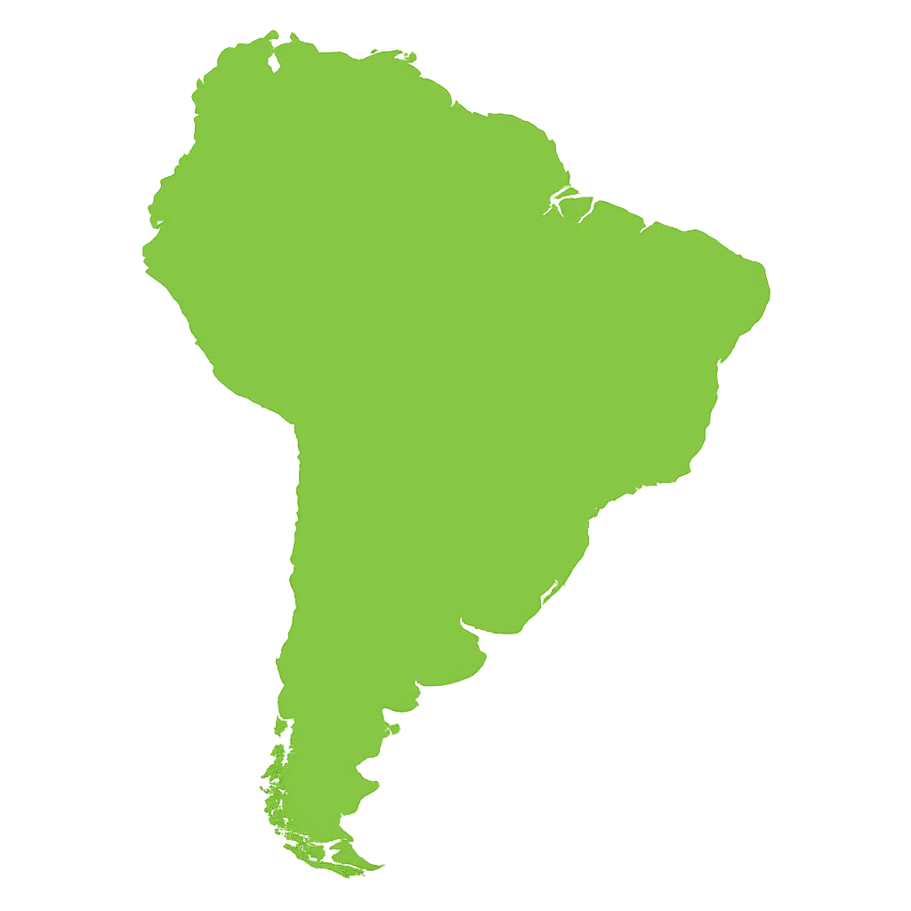

Südamerika
Australien

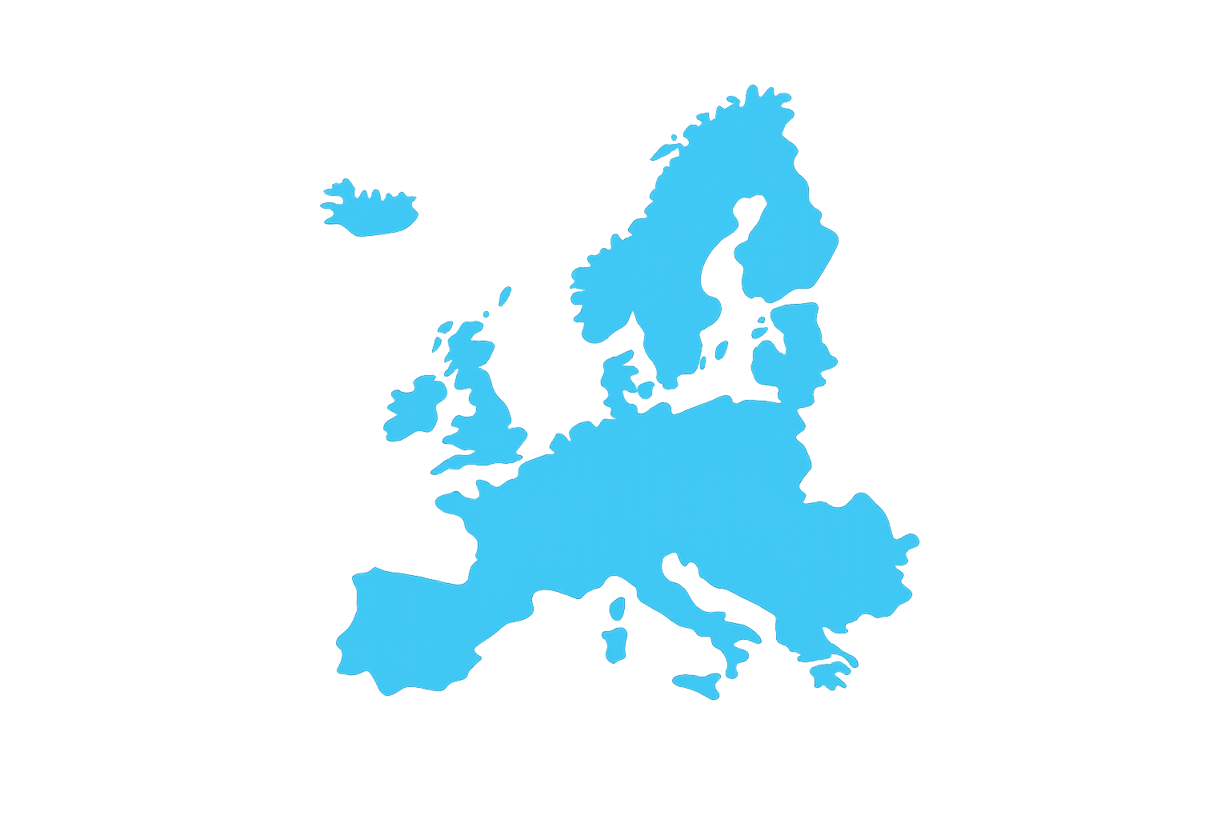
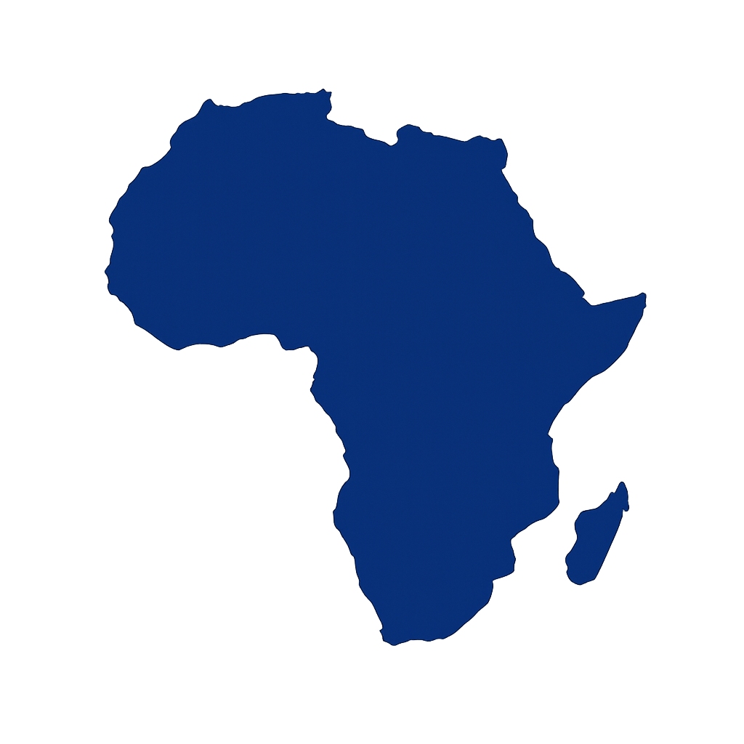

Europa
Afrika

Energiezuwachs pro Kopf in kWH in den europäischen Ländern
von 1990 bis 2023

Nordamerika
 | Unterschied
Albania | -473.5117
Austria | -320.75
Azerbaijan | -14959.357
Belarus | -12447.425
Belgium | -6836.719
Bulgaria | -7763.766
Croatia | 6130.674
Cyprus | -571.357
Denmark | -6467.54
Estonia | -40085.645
Finland | -5168.148
France | -10274.594
Germany | -15001.543
Greece | 1857.005
Hungary | -4780.537
Ireland | 1177.993
Italy | -9491.029
Kazakhstan | -8475.527
Latvia | -10903.768
Lithuania | -29036.764
Luxembourg | -40649.79
Malta | 49074.016
Netherlands | -8641.245
North Macedonia | 3380.7975
Norway | -16292.104
Poland | -2578.449
Portugal | 5212.202
Romania | -13253.204
Russia | -7397.11
Slovakia | -13755.865
Slovenia | 210.661
Spain | 5416.611
Sweden | -18467.383
Switzerland | -13632.781
Turkey | 12455.52
Ukraine | -45785.9575
United Kingdom | -15630.026

Übersicht

Südamerika

Afrika

 | Unterschied%
Albania | -6%
Austria | -1%
Azerbaijan | -42%
Belarus | -27%
Belgium | -11%
Bulgaria | -21%
Croatia | 29%
Cyprus | -2%
Denmark | -16%
Estonia | -49%
Finland | -8%
France | -22%
Germany | -29%
Greece | 7%
Hungary | -15%
Ireland | 4%
Italy | -25%
Kazakhstan | -17%
Latvia | -33%
Lithuania | -55%
Luxembourg | -42%
Malta | 223%
Netherlands | -14%
North Macedonia | 24%
Norway | -14%
Poland | -8%
Portugal | 26%
Romania | -41%
Russia | -11%
Slovakia | -29%
Slovenia | 1%
Spain | 20%
Sweden | -25%
Switzerland | -28%
Turkey | 124%
Ukraine | -75%
United Kingdom | -36%

Asien

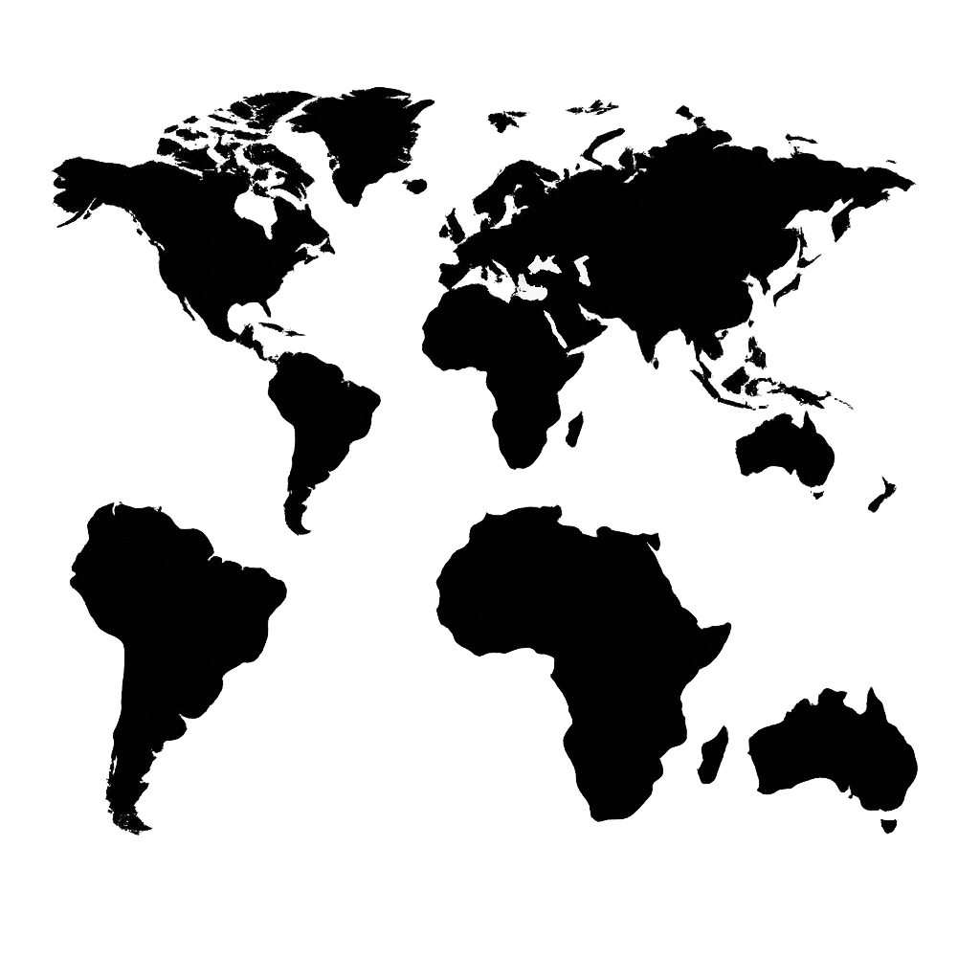
Australien

Fazit

Energieverbrauch pro Kopf in kWH
in den drei größten nordamerikanischen Ländern

Europa
 | Canada | Mexico | United States
1965 | 70561.32 | 6793.9497 | 73802.305
1966 | 73741.68 | 6959.2065 | 76903.805
1967 | 75766.01 | 6862.176 | 78617.57
1968 | 79366.086 | 7232.575 | 82357.04
1969 | 82963.18 | 7686.4272 | 85647.445
1970 | 87153.055 | 7951.042 | 87613.86
1971 | 88014.82 | 8105.483 | 88339.71
1972 | 93305.89 | 8691.06 | 91683.17
1973 | 100058.66 | 9098.157 | 94600.81
1974 | 101795.94 | 9729.229 | 91408.375
1975 | 98878.53 | 10097.632 | 88164.75
1976 | 102191.805 | 10452.249 | 92131.04
1977 | 106848.125 | 10732.164 | 93593.57
1978 | 107771.14 | 11761.815 | 94763.36
1979 | 109757.23 | 12674.108 | 94845.18
1980 | 110528.97 | 13466.851 | 90281.38
1981 | 108503.625 | 14545.665 | 86726.76
1982 | 104002.02 | 14827.006 | 82350.93
1983 | 102323.44 | 14348.042 | 81230.55
1984 | 107756.99 | 14703.748 | 84542.945
1985 | 110202.64 | 15116.531 | 83512.805
1986 | 110065.24 | 14371.8125 | 83506
1987 | 112189.555 | 14550.141 | 85534.43
1988 | 115004.945 | 14373.012 | 88627.95
1989 | 114280.016 | 14890.727 | 89944.43
1990 | 108263.51 | 15926.936 | 89232.72
1991 | 107284.56 | 16080.432 | 88039.9
1992 | 108832.22 | 16085.911 | 88261.09
1993 | 110299.57 | 15805.196 | 89083.875
1994 | 113257.37 | 16408.885 | 89741.586
1995 | 114799.25 | 15840.837 | 90763.95
1996 | 116706.81 | 15974.5205 | 92908.914
1997 | 116146.086 | 16088.914 | 92713.2
1998 | 113457.71 | 16470.494 | 92399.77
1999 | 116044.836 | 16447.414 | 93136.4
2000 | 118073.06 | 17198.152 | 94308.11
2001 | 114440.516 | 16786.094 | 91172.055
2002 | 117118.28 | 16948.55 | 91601.2
2003 | 116565.05 | 16915.814 | 91004.99
2004 | 117265.9 | 17662.844 | 91872.88
2005 | 117037.1 | 19092.096 | 91007.94
2006 | 112017.78 | 19108.3 | 89378.18
2007 | 118416.23 | 19017.145 | 89671.125
2008 | 115754.16 | 19512.02 | 86589.57
2009 | 109988.28 | 18904.01 | 81521.48
2010 | 109967.695 | 18706.043 | 83435.08
2011 | 112865.48 | 19279.93 | 81912.36
2012 | 111724.29 | 19191.277 | 78985.04
2013 | 113458.836 | 18952.084 | 80374.15
2014 | 112508.44 | 18621.592 | 80453.97
...
Übersicht

Südamerika

Afrika

Asien

Australien

Fazit

Energiezuwachs pro Kopf in kWH in den südamerikanischen Ländern
von 1965 bis 2024

 | 1965 | 2024
Argentina | 14857.01 | 21513.947
Brazil | 3267.4482 | 18486.229
Chile | 8036.534 | 26245.264
Colombia | 5375.8096 | 11645.494
Ecuador | 1632.1632 | 12722.083
Peru | 4677.004 | 10941.455
Trinidad and Tobago | 36217.64 | 105988.44
Venezuela | 19745.191 | 24591.875
Europa

Übersicht

Nordamerika

Afrika

 | Zuwachs %
Argentina | 45%
Brazil | 466%
Chile | 227%
Colombia | 117%
Ecuador | 679%
Peru | 134%
Trinidad and Tobago | 193%
Venezuela | 25%
Asien

Australien

Fazit

Energiezuwachs pro Kopf in kWH in den asiatischen Ländern
von 1980 bis 2023

 | Zuwachs
Afghanistan | 509.26105
Bahrain | 53024.215
Bangladesh | 2560.03244
Bhutan | 18717.541248
Brunei | -11418.116
Cambodia | 4355.55824
China | 28178.866
Cyprus | 8830.218
Egypt | 4750.222
India | 5756.5564
Indonesia | 7853.0508
Iran | 29496.723
Iraq | 8469.6053
Israel | 5848.845
Japan | 2746.797
Kuwait | 46786.886
Laos | 9517.7258
Lebanon | 2937.682
Malaysia | 27945.727
Maldives | 14537.35642
Mongolia | 8751.235
Myanmar | 1896.12684
Nepal | 1817.30262
North Korea | -8098.9434
Pakistan | 1772.9286
Philippines | 2211.0354
Qatar | 14615.98
Saudi Arabia | 26790.9
Singapore | 125468.22
South Korea | 56849.326
Sri Lanka | 2806.6557
Syria | -4452.7375
Thailand | 16176.0852
Turkey | 15902.4795
United Arab Emirates | 28196.47
Vietnam | 12679.4511
Yemen | -2056.995
Europa

Übersicht

Nordamerika

Südamerika

 | Zuwachs %
Afghanistan | 106%
Bahrain | 47%
Bangladesh | 648%
Bhutan | 29710%
Brunei | -9%
Cambodia | 1852%
China | 574%
Cyprus | 59%
Egypt | 99%
India | 325%
Indonesia | 383%
Iran | 289%
Iraq | 114%
Israel | 24%
Japan | 8%
Kuwait | 83%
Laos | 1634%
Lebanon | 30%
Malaysia | 286%
Maldives | 3872%
Mongolia | 80%
Myanmar | 338%
Nepal | 1540%
North Korea | -54%
Pakistan | 94%
Philippines | 72%
Qatar | 8%
Saudi Arabia | 39%
Singapore | 274%
South Korea | 478%
Sri Lanka | 181%
Syria | -53%
Thailand | 508%
Turkey | 242%
United Arab Emirates | 26%
Vietnam | 1229%
Yemen | -70%

Afrika

Australien

Fazit

Energieverbrauch pro Kopf in kWH weltweit

 | World
1965 | 13003.41
1966 | 13434.752
1967 | 13649.56
1968 | 14173.228
1969 | 14836.449
1970 | 15475.645
1971 | 15766.833
1972 | 16308.279
1973 | 16919.395
1974 | 16689.08
1975 | 16497.584
1976 | 17070.598
1977 | 17379.928
1978 | 17748.674
1979 | 18014.863
1980 | 17539.898
1981 | 17146.965
1982 | 16753.32
1983 | 16732.732
1984 | 17174.082
1985 | 17320.572
1986 | 17385.945
1987 | 17688.3
1988 | 18021.527
1989 | 18044.754
1990 | 17991.71
1991 | 17811.61
1992 | 17636.227
1993 | 17507.65
1994 | 17467.422
1995 | 17592.896
1996 | 17844.033
1997 | 17767.602
1998 | 17621.312
1999 | 17673.488
2000 | 17890.75
2001 | 17824.848
2002 | 17970.854
2003 | 18355.602
2004 | 19042.68
2005 | 19422.695
2006 | 19708.033
2007 | 20069.822
2008 | 20049.713
2009 | 19477.537
2010 | 20166.256
2011 | 20378.969
2012 | 20413.594
2013 | 20516.178
2014 | 20488.625
...
Übersicht

Energiezuwachs pro Kopf weltweit
von 1965 bis 2024

8650,3 kWH
67 %

whole_world
Mittelwert von Per capita energy consumption | Spaltenbeschriftungen
Zeilenbeschriftungen | World | Gesamtergebnis
1965 | 13003.41 | 13003.41
1966 | 13434.752 | 13434.752
1967 | 13649.56 | 13649.56
1968 | 14173.228 | 14173.228
1969 | 14836.449 | 14836.449
1970 | 15475.645 | 15475.645
1971 | 15766.833 | 15766.833
1972 | 16308.279 | 16308.279
1973 | 16919.395 | 16919.395
1974 | 16689.08 | 16689.08
1975 | 16497.584 | 16497.584
1976 | 17070.598 | 17070.598
1977 | 17379.928 | 17379.928
1978 | 17748.674 | 17748.674
1979 | 18014.863 | 18014.863
1980 | 17539.898 | 17539.898
1981 | 17146.965 | 17146.965
1982 | 16753.32 | 16753.32
1983 | 16732.732 | 16732.732
1984 | 17174.082 | 17174.082
1985 | 17320.572 | 17320.572
1986 | 17385.945 | 17385.945 | Energiezuwachs: | 8650.313 | 67%
1987 | 17688.3 | 17688.3
1988 | 18021.527 | 18021.527
1989 | 18044.754 | 18044.754
1990 | 17991.71 | 17991.71
1991 | 17811.61 | 17811.61
1992 | 17636.227 | 17636.227
1993 | 17507.65 | 17507.65
1994 | 17467.422 | 17467.422
1995 | 17592.896 | 17592.896
1996 | 17844.033 | 17844.033
1997 | 17767.602 | 17767.602
1998 | 17621.312 | 17621.312
1999 | 17673.488 | 17673.488
2000 | 17890.75 | 17890.75
2001 | 17824.848 | 17824.848
2002 | 17970.854 | 17970.854
2003 | 18355.602 | 18355.602
2004 | 19042.68 | 19042.68
2005 | 19422.695 | 19422.695
2006 | 19708.033 | 19708.033
2007 | 20069.822 | 20069.822
2008 | 20049.713 | 20049.713
2009 | 19477.537 | 19477.537
2010 | 20166.256 | 20166.256
2011 | 20378.969 | 20378.969
2012 | 20413.594 | 20413.594
2013 | 20516.178 | 20516.178
2014 | 20488.625 | 20488.625
2015 | 20394.59 | 20394.59
2016 | 20403.568 | 20403.568
2017 | 20616.426 | 20616.426
2018 | 20932.492 | 20932.492
2019 | 20956.146 | 20956.146
2020 | 20032.188 | 20032.188
2021 | 20874.295 | 20874.295
2022 | 21076.293 | 21076.293
2023 | 21285.768 | 21285.768
2024 | 21653.723 | 21653.723
Gesamtergebnis | 18128.199467 | 18128.199467

per_continent
Mittelwert von Per capita energy consumption | Spaltenbeschriftungen
Zeilenbeschriftungen | Africa | Asia | Australia | Europe | North America | South America | Gesamtergebnis
1965 | 2228.1287 | 2835.7673 | 37487.19 | 30352.777 | 55271.97 | 6294.86 | 22411.782167
1966 | 2275.2998 | 3033.9353 | 38481.957 | 31365.555 | 57357.26 | 6542.4004 | 23176.067917
1967 | 2240.699 | 3082.253 | 40056.914 | 32294.393 | 58395.45 | 6616.4136 | 23781.020433
1968 | 2306.228 | 3234.4219 | 41703.523 | 33836.54 | 60885.21 | 6894.5054 | 24810.071383
1969 | 2308.4624 | 3620.067 | 42569.41 | 35704.93 | 63080.273 | 7046.3887 | 25721.588517
1970 | 2440.9534 | 4030.002 | 45248.266 | 37602.297 | 64540.895 | 7332.7363 | 26865.858283
1971 | 2534.0273 | 4289.769 | 46069.344 | 38648.84 | 64880.234 | 7566.5337 | 27331.458
1972 | 2611.2046 | 4495.5244 | 47057.49 | 40232.617 | 67309.2 | 7946.4824 | 28275.419733
1973 | 2757.1394 | 4741.773 | 49513.375 | 42162.535 | 69490.98 | 8552.376 | 29536.363067
1974 | 2818.4126 | 4720.3477 | 51889.727 | 42381.527 | 67393.04 | 8983.172 | 29697.704383
1975 | 2904.6602 | 4849.903 | 52101.688 | 42656.754 | 64901.152 | 8940.984 | 29392.523533
1976 | 3060.6638 | 5036.682 | 53328.19 | 44512.28 | 67440.375 | 9374.433 | 30458.770633
1977 | 3138.4292 | 5243.024 | 55336.21 | 45521.984 | 68500.805 | 9769.839 | 31251.7152
1978 | 3168.695 | 5470.3403 | 56463.793 | 47089.34 | 69234.72 | 10109.571 | 31922.743217
1979 | 3353.634 | 5632.2036 | 57888.22 | 48467.633 | 69339.46 | 10625.225 | 32551.0626
1980 | 3504.6921 | 5523.1636 | 57348.492 | 47909.742 | 66495.83 | 10856.751 | 31939.77845
1981 | 3820.4446 | 5493.316 | 57380.55 | 47338.305 | 64213.117 | 10519.725 | 31460.9096
1982 | 3953.1428 | 5517.151 | 55943.414 | 47073.36 | 61019.586 | 10609.991 | 30686.107467
1983 | 3943.8472 | 5722.394 | 54594.71 | 47539.676 | 59936.56 | 10498.349 | 30372.589367
1984 | 3945.3706 | 5984.192 | 55782.266 | 48814.3 | 62229.312 | 10696.287 | 31241.9546
1985 | 3987.8552 | 6893.4927 | 56599.375 | 47081.82 | 61603.754 | 10936.318 | 31183.76915
1986 | 3953 | 7035.7197 | 56778.605 | 47701.977 | 61298.305 | 11395.734 | 31360.556783
1987 | 3972.37 | 7322.1294 | 57439.195 | 48569.57 | 62539.605 | 11601.045 | 31907.319067
1988 | 4135.509 | 7665.3066 | 59136.32 | 48913.832 | 64373.21 | 11806.336 | 32671.752267
1989 | 4030.0054 | 7864.791 | 61040.418 | 48612.29 | 65076.164 | 11777.34 | 33066.834733
1990 | 4054.7393 | 8004.1885 | 61372.223 | 48815.664 | 64318.133 | 11621.678 | 33031.1043
1991 | 3941.5098 | 8182.5234 | 60158.38 | 47933.797 | 63434.53 | 11808.429 | 32576.5282
1992 | 3894.6165 | 8402.145 | 60425.266 | 46155.92 | 63524.2 | 12073.626 | 32412.628917
1993 | 3805.369 | 8616.26 | 61188.77 | 44529.633 | 63949.72 | 12354.733 | 32407.414167
1994 | 3835.58 | 8919.144 | 62888.992 | 42702.625 | 64567.76 | 12891.662 | 32634.293833
1995 | 3889.2122 | 9143.528 | 63789.848 | 42645.316 | 65051.77 | 13306.992 | 32971.111033
1996 | 3890.4026 | 9404.563 | 64906.695 | 42984.85 | 66368.766 | 13654.036 | 33534.885433
1997 | 3874.8552 | 9535.895 | 65781.89 | 42233.836 | 66162.49 | 14159.538 | 33624.7507
1998 | 3833.901 | 9418.072 | 66642.59 | 42402.867 | 65820.16 | 14348.376 | 33744.327667
1999 | 3853.642 | 9582.66 | 68606.484 | 42341.992 | 66289.29 | 14144.192 | 34136.376667
2000 | 3848.5989 | 9846.005 | 68222.21 | 42661.918 | 67310.484 | 14332.009 | 34370.20415
2001 | 3896.2053 | 10042.141 | 67924.375 | 43228.37 | 65169.586 | 14010.422 | 34045.183217
2002 | 3848.3406 | 10403.174 | 68472.61 | 42950.883 | 65576.12 | 13928.102 | 34196.538267
2003 | 3921.693 | 11070.351 | 68662.98 | 43579.312 | 65163.668 | 13801.946 | 34366.658333
2004 | 4157.0405 | 12001.639 | 70058.69 | 44110.707 | 65824.484 | 14446.779 | 35099.889917
2005 | 4018.5986 | 12764.425 | 69494.24 | 44181.293 | 65575.805 | 14731.207 | 35127.594767
2006 | 4003.8584 | 13337.904 | 71432.61 | 44742.773 | 64357.59 | 15290.748 | 35527.580567
2007 | 4044.9253 | 13980.708 | 71877.82 | 44340.812 | 64824.824 | 15896.992 | 35827.680217
2008 | 4183.3096 | 14266.536 | 71675.375 | 44124.59 | 62860.973 | 16280.622 | 35565.234267
2009 | 4130.701 | 14406.199 | 69299.16 | 41385.65 | 59327.98 | 16004.935 | 34092.4375
2010 | 4159.784 | 15174.589 | 68144.984 | 42941.125 | 60375.188 | 16667.186 | 34577.142667
2011 | 4116.969 | 15764.878 | 69333.53 | 42325.59 | 59747.434 | 17254.557 | 34757.159667
2012 | 4193.739 | 16135.325 | 67218.164 | 42167.91 | 57913.184 | 17698.947 | 34221.2115
2013 | 4218.367 | 16359.701 | 66946.46 | 41675.957 | 58690.06 | 18001.465 | 34315.335
2014 | 4246.0435 | 16631.38 | 66387.73 | 40438.105 | 58578.76 | 17990.826 | 34045.474083
2015 | 4231.839 | 16758.86 | 66879.32 | 40213.133 | 57626.297 | 17697.096 | 33901.090833
2016 | 4220.5933 | 16908.29 | 66045.68 | 40595.53 | 57083.28 | 17395.223 | 33708.099383
2017 | 4244.05 | 17333.371 | 64778.02 | 40920.36 | 56921.195 | 17321.139 | 33586.355833
2018 | 4204.4478 | 17801.225 | 64726.418 | 41286.438 | 58035.02 | 16985.465 | 33839.835633
2019 | 4214.9917 | 18168.754 | 65938.53 | 40632.203 | 57144.684 | 16747.734 | 33807.816117
2020 | 3919.8445 | 17940.24 | 61584.258 | 38125.156 | 52620.46 | 15409.534 | 31599.915417
2021 | 4152.3325 | 18752.594 | 61230.445 | 39767.684 | 54949.28 | 16460.41 | 32552.12425
2022 | 4115.503 | 19146.773 | 63386.535 | 38925.28 | 55912.28 | 17229.56 | 33119.321833
2023 | 4085.9072 | 19784.426 | 62658.08 | 38484.316 | 54906.47 | 17587.898 | 32917.849533
2024 | 4052.1824 | 20374.453 | 62595.04 | 39225.492 | 55095.89 | 17721.424 | 33177.413567
Gesamtergebnis | 3678.2761167 | 10061.67649 | 59966.2174 | 42636.032683 | 62464.738033 | 12842.488075 | 31941.571466

in_europe
Mittelwert von Per capita energy consumption | Spaltenbeschriftungen
Zeilenbeschriftungen | 1990 | 1991 | 2023 | 2024 | Gesamtergebnis
Albania | 8505.582 | 6415.6206 | 8032.0703 |  | 7651.0909667
Armenia |  |  | 16027.844 |  | 16027.844
Austria | 43468.785 | 45042.395 | 43148.035 | 45208.31 | 44216.88125
 | 1990 | 1991 | 2023 | 2024
Albania | 8505.582 | 6415.6206 | 8032.0703
Armenia |  |  | 16027.844
Austria | 43468.785 | 45042.395 | 43148.035 | 45208.31
Azerbaijan | 36032.113 | 34227.562 | 21072.756 | 20137.387
Belarus | 45745.21 | 45606.363 | 33297.785 | 34632.566
Belgium | 62378.742 | 64294.656 | 55542.023 | 54870.88
Bosnia and Herzegovina |  |  | 26735.992
Bulgaria | 36771.11 | 30198.242 | 29007.344 | 28381.64
Croatia | 20851.836 | 17365.137 | 26982.51 | 26615.488
Cyprus | 24449.057 | 24422.248 | 23877.7 | 24551.195
Denmark | 39284.2 | 45176.19 | 32816.66 | 32832.465
Estonia | 81248.34 | 74582.45 | 41162.695 | 40986.305
Finland | 64823.824 | 65968.336 | 59655.676 | 59564.754
France | 46496.09 | 49486.617 | 36221.496 | 37865.61
Georgia |  |  | 16434.389
Germany | 52600.035 | 50939.98 | 37598.492 | 37792.51
Greece | 28007.275 | 28281.008 | 29864.28 | 31965.838
Hungary | 31138.303 | 29090.016 | 26357.766 | 26952.049
Ireland | 33547.477 | 34649.89 | 34725.47 | 34593.98
Italy | 37737.582 | 36630.78 | 28246.553 | 28584.518
Kazakhstan | 50100.41 | 49687.89 | 41624.883 | 41865.195
Latvia | 32558.719 | 30079.197 | 21654.951 | 20722.363
Lithuania | 53062.188 | 55805.35 | 24025.424 | 25660.39
Luxembourg | 97329.25 | 103223.31 | 56679.46 | 59047.88
Malta | 22033.674 | 22997.986 | 71107.69
Moldova |  |  | 11903.726
Montenegro |  |  | 18582.63
Netherlands | 60590.89 | 61237.723 | 51949.645 | 50824.402
North Macedonia | 14372.1045 | 14322.663 | 17752.902 | 16219.917
Norway | 116215.914 | 107144.06 | 99923.81 | 99634.31
Poland | 31804.375 | 31037.29 | 29225.926 | 29205.824
Portugal | 20286.498 | 21113.816 | 25498.7 | 25921.791
Romania | 32050.145 | 27211.963 | 18796.941 | 18694.158
Russia | 67634.14 | 66502.16 | 60237.03 | 62485.312
Serbia |  |  | 26332.174
Slovakia | 47161.055 | 42042.316 | 33405.19 | 32882.68
Slovenia | 34608.984 | 34650.098 | 34819.645 | 37360.676
Spain | 27344.383 | 28226.254 | 32760.994 | 33901.656
Sweden | 75270.34 | 74519.98 | 56802.957 | 57509.574
Switzerland | 49399.234 | 50106.68 | 35766.453 | 38025.83
Turkey | 10020.523 | 10053.146 | 22476.043 | 23927.826
Ukraine | 61372.645 | 57399.133 | 15586.6875 | 15875.597
United Kingdom | 43724.71 | 44500.176 | 28094.684 | 28015.771
Azerbaijan | 36032.113 | 34227.562 | 21072.756 | 20137.387 | 27867.4545
Belarus | 45745.21 | 45606.363 | 33297.785 | 34632.566 | 39820.481
Belgium | 62378.742 | 64294.656 | 55542.023 | 54870.88 | 59271.57525
Bosnia and Herzegovina |  |  | 26735.992 |  | 26735.992
Bulgaria | 36771.11 | 30198.242 | 29007.344 | 28381.64 | 31089.584
Croatia | 20851.836 | 17365.137 | 26982.51 | 26615.488 | 22953.74275
Cyprus | 24449.057 | 24422.248 | 23877.7 | 24551.195 | 24325.05
Denmark | 39284.2 | 45176.19 | 32816.66 | 32832.465 | 37527.37875
Estonia | 81248.34 | 74582.45 | 41162.695 | 40986.305 | 59494.9475
Finland | 64823.824 | 65968.336 | 59655.676 | 59564.754 | 62503.1475
France | 46496.09 | 49486.617 | 36221.496 | 37865.61 | 42517.45325
Georgia |  |  | 16434.389 |  | 16434.389
Germany | 52600.035 | 50939.98 | 37598.492 | 37792.51 | 44732.75425
Greece | 28007.275 | 28281.008 | 29864.28 | 31965.838 | 29529.60025
Hungary | 31138.303 | 29090.016 | 26357.766 | 26952.049 | 28384.5335
Ireland | 33547.477 | 34649.89 | 34725.47 | 34593.98 | 34379.20425
Italy | 37737.582 | 36630.78 | 28246.553 | 28584.518 | 32799.85825
Kazakhstan | 50100.41 | 49687.89 | 41624.883 | 41865.195 | 45819.5945
Latvia | 32558.719 | 30079.197 | 21654.951 | 20722.363 | 26253.8075
Lithuania | 53062.188 | 55805.35 | 24025.424 | 25660.39 | 39638.338
Luxembourg | 97329.25 | 103223.31 | 56679.46 | 59047.88 | 79069.975
Malta | 22033.674 | 22997.986 | 71107.69 |  | 38713.116667
Moldova |  |  | 11903.726 |  | 11903.726
Montenegro |  |  | 18582.63 |  | 18582.63
Netherlands | 60590.89 | 61237.723 | 51949.645 | 50824.402 | 56150.665
North Macedonia | 14372.1045 | 14322.663 | 17752.902 | 16219.917 | 15666.896625
Norway | 116215.914 | 107144.06 | 99923.81 | 99634.31 | 105729.5235
Poland | 31804.375 | 31037.29 | 29225.926 | 29205.824 | 30318.35375
Portugal | 20286.498 | 21113.816 | 25498.7 | 25921.791 | 23205.20125
Romania | 32050.145 | 27211.963 | 18796.941 | 18694.158 | 24188.30175
Russia | 67634.14 | 66502.16 | 60237.03 | 62485.312 | 64214.6605
Serbia |  |  | 26332.174 |  | 26332.174
Slovakia | 47161.055 | 42042.316 | 33405.19 | 32882.68 | 38872.81025
Slovenia | 34608.984 | 34650.098 | 34819.645 | 37360.676 | 35359.85075
Spain | 27344.383 | 28226.254 | 32760.994 | 33901.656 | 30558.32175
Sweden | 75270.34 | 74519.98 | 56802.957 | 57509.574 | 66025.71275
Switzerland | 49399.234 | 50106.68 | 35766.453 | 38025.83 | 43324.54925
Turkey | 10020.523 | 10053.146 | 22476.043 | 23927.826 | 16619.3845
Ukraine | 61372.645 | 57399.133 | 15586.6875 | 15875.597 | 37558.515625
United Kingdom | 43724.71 | 44500.176 | 28094.684 | 28015.771 | 36083.83525
Gesamtergebnis | 44325.020068 | 43628.072476 | 33995.722833 | 36666.189914 | 39469.718111

Ländernamen | 1990 | 2023 | Unterschied | Unterschied%
Albania | 8505.582 | 8032.0703 | -473.5117 | -6%
Austria | 43468.785 | 43148.035 | -320.75 | -1%
Zuwachs der europäischen Ländern seit 1990
Azerbaijan | 36032.113 | 21072.756 | -14959.357 | -42%
Belarus | 45745.21 | 33297.785 | -12447.425 | -27%
Belgium | 62378.742 | 55542.023 | -6836.719 | -11%
Bulgaria | 36771.11 | 29007.344 | -7763.766 | -21%
Croatia | 20851.836 | 26982.51 | 6130.674 | 29%
Cyprus | 24449.057 | 23877.7 | -571.357 | -2%
Denmark | 39284.2 | 32816.66 | -6467.54 | -16%
Estonia | 81248.34 | 41162.695 | -40085.645 | -49%
Finland | 64823.824 | 59655.676 | -5168.148 | -8%
France | 46496.09 | 36221.496 | -10274.594 | -22%
Germany | 52600.035 | 37598.492 | -15001.543 | -29%
Greece | 28007.275 | 29864.28 | 1857.005 | 7%
Hungary | 31138.303 | 26357.766 | -4780.537 | -15%
Ireland | 33547.477 | 34725.47 | 1177.993 | 4%
Italy | 37737.582 | 28246.553 | -9491.029 | -25%
Kazakhstan | 50100.41 | 41624.883 | -8475.527 | -17%
Zuwachs der europäischen Ländern seit 1990
Latvia | 32558.719 | 21654.951 | -10903.768 | -33%
Lithuania | 53062.188 | 24025.424 | -29036.764 | -55%
Luxembourg | 97329.25 | 56679.46 | -40649.79 | -42%
Malta | 22033.674 | 71107.69 | 49074.016 | 223%
Netherlands | 60590.89 | 51949.645 | -8641.245 | -14%
North Macedonia | 14372.1045 | 17752.902 | 3380.7975 | 24%
Norway | 116215.914 | 99923.81 | -16292.104 | -14%
Poland | 31804.375 | 29225.926 | -2578.449 | -8%
Portugal | 20286.498 | 25498.7 | 5212.202 | 26%
Romania | 32050.145 | 18796.941 | -13253.204 | -41%
Russia | 67634.14 | 60237.03 | -7397.11 | -11%
Slovakia | 47161.055 | 33405.19 | -13755.865 | -29%
Slovenia | 34608.984 | 34819.645 | 210.661 | 1%
Spain | 27344.383 | 32760.994 | 5416.611 | 20%
Sweden | 75270.34 | 56802.957 | -18467.383 | -25%
Switzerland | 49399.234 | 35766.453 | -13632.781 | -28%
Turkey | 10020.523 | 22476.043 | 12455.52 | 124%
Ukraine | 61372.645 | 15586.6875 | -45785.9575 | -75%
United Kingdom | 43724.71 | 28094.684 | -15630.026 | -36%

in_south_america
Mittelwert von Per capita energy consumption | Spaltenbeschriftungen
Zeilenbeschriftungen | 1965 | 2024 | Gesamtergebnis
Argentina | 14857.01 | 21513.947 | 18185.4785
Brazil | 3267.4482 | 18486.229 | 10876.8386
Chile | 8036.534 | 26245.264 | 17140.899
Colombia | 5375.8096 | 11645.494 | 8510.6518
Ecuador | 1632.1632 | 12722.083 | 7177.1231
Peru | 4677.004 | 10941.455 | 7809.2295
Trinidad and Tobago | 36217.64 | 105988.44 | 71103.04
Venezuela | 19745.191 | 24591.875 | 22168.533
Gesamtergebnis | 11726.1 | 29016.848375 | 20371.474187

Ländernamen | 1965 | 2024 | Zuwachs | Zuwachs %
Argentina | 14857.01 | 21513.947 | 6656.937 | 45%
Brazil | 3267.4482 | 18486.229 | 15218.7808 | 466%
Chile | 8036.534 | 26245.264 | 18208.73 | 227%
Colombia | 5375.8096 | 11645.494 | 6269.6844 | 117%
Ecuador | 1632.1632 | 12722.083 | 11089.9198 | 679%
Peru | 4677.004 | 10941.455 | 6264.451 | 134%
Trinidad and Tobago | 36217.64 | 105988.44 | 69770.8 | 193%
Venezuela | 19745.191 | 24591.875 | 4846.684 | 25%

in_north_america
Mittelwert von Per capita energy consumption | Spaltenbeschriftungen
Zeilenbeschriftungen | Canada | Mexico | United States | Gesamtergebnis
1965 | 70561.32 | 6793.9497 | 73802.305 | 50385.858233
1966 | 73741.68 | 6959.2065 | 76903.805 | 52534.897167
1967 | 75766.01 | 6862.176 | 78617.57 | 53748.585333
1968 | 79366.086 | 7232.575 | 82357.04 | 56318.567
1969 | 82963.18 | 7686.4272 | 85647.445 | 58765.684067
1970 | 87153.055 | 7951.042 | 87613.86 | 60905.985667
1971 | 88014.82 | 8105.483 | 88339.71 | 61486.671
1972 | 93305.89 | 8691.06 | 91683.17 | 64560.04
1973 | 100058.66 | 9098.157 | 94600.81 | 67919.209
1974 | 101795.94 | 9729.229 | 91408.375 | 67644.514667
1975 | 98878.53 | 10097.632 | 88164.75 | 65713.637333
1976 | 102191.805 | 10452.249 | 92131.04 | 68258.364667
1977 | 106848.125 | 10732.164 | 93593.57 | 70391.286333
1978 | 107771.14 | 11761.815 | 94763.36 | 71432.105
1979 | 109757.23 | 12674.108 | 94845.18 | 72425.506
1980 | 110528.97 | 13466.851 | 90281.38 | 71425.733667
1981 | 108503.625 | 14545.665 | 86726.76 | 69925.35
1982 | 104002.02 | 14827.006 | 82350.93 | 67059.985333
1983 | 102323.44 | 14348.042 | 81230.55 | 65967.344
1984 | 107756.99 | 14703.748 | 84542.945 | 69001.227667
1985 | 110202.64 | 15116.531 | 83512.805 | 69610.658667
1986 | 110065.24 | 14371.8125 | 83506 | 69314.350833
1987 | 112189.555 | 14550.141 | 85534.43 | 70758.042
1988 | 115004.945 | 14373.012 | 88627.95 | 72668.635667
1989 | 114280.016 | 14890.727 | 89944.43 | 73038.391
1990 | 108263.51 | 15926.936 | 89232.72 | 71141.055333
1991 | 107284.56 | 16080.432 | 88039.9 | 70468.297333
1992 | 108832.22 | 16085.911 | 88261.09 | 71059.740333
1993 | 110299.57 | 15805.196 | 89083.875 | 71729.547
1994 | 113257.37 | 16408.885 | 89741.586 | 73135.947
1995 | 114799.25 | 15840.837 | 90763.95 | 73801.345667
1996 | 116706.81 | 15974.5205 | 92908.914 | 75196.748167
1997 | 116146.086 | 16088.914 | 92713.2 | 74982.733333
1998 | 113457.71 | 16470.494 | 92399.77 | 74109.324667
1999 | 116044.836 | 16447.414 | 93136.4 | 75209.55
2000 | 118073.06 | 17198.152 | 94308.11 | 76526.440667
2001 | 114440.516 | 16786.094 | 91172.055 | 74132.888333
2002 | 117118.28 | 16948.55 | 91601.2 | 75222.676667
2003 | 116565.05 | 16915.814 | 91004.99 | 74828.618
2004 | 117265.9 | 17662.844 | 91872.88 | 75600.541333
2005 | 117037.1 | 19092.096 | 91007.94 | 75712.378667
2006 | 112017.78 | 19108.3 | 89378.18 | 73501.42
2007 | 118416.23 | 19017.145 | 89671.125 | 75701.5
2008 | 115754.16 | 19512.02 | 86589.57 | 73951.916667
2009 | 109988.28 | 18904.01 | 81521.48 | 70137.923333
2010 | 109967.695 | 18706.043 | 83435.08 | 70702.939333
2011 | 112865.48 | 19279.93 | 81912.36 | 71352.59
2012 | 111724.29 | 19191.277 | 78985.04 | 69966.869
2013 | 113458.836 | 18952.084 | 80374.15 | 70928.356667
2014 | 112508.44 | 18621.592 | 80453.97 | 70528.000667
2015 | 111824.336 | 18215.734 | 78949.2 | 69663.09
2016 | 109289.445 | 18618.848 | 78155.1 | 68687.797667
2017 | 109394.164 | 18879.297 | 77729.664 | 68667.708333
2018 | 109464.8 | 18337.242 | 79893.95 | 69231.997333
2019 | 107455.625 | 17971.64 | 78683.47 | 68036.911667
2020 | 100465.11 | 16329.474 | 72562.67 | 63119.084667
2021 | 100431.01 | 17223.479 | 76307.38 | 64653.956333
2022 | 102122.42 | 17858.697 | 77627.72 | 65869.612333
2023 | 98930.016 | 17682.662 | 76326.86 | 64313.179333
2024 | 97784.54 | 17653.777 | 76799.57 | 64079.295667
Gesamtergebnis | 106041.42328 | 14930.285823 | 85888.921483 | 68953.54353

in_asia
 | 1980 | 2023
Afghanistan | 481.20862 | 990.46967
Armenia |  | 16027.844
Azerbaijan |  | 21072.756
Bahrain | 111908.305 | 164932.52
Bangladesh | 394.81696 | 2954.8494
Bhutan | 62.999752 | 18780.541
Brunei | 129630.03 | 118211.914
Cambodia | 235.12926 | 4590.6875
China | 4910.204 | 33089.07
Cyprus | 15047.482 | 23877.7
Egypt | 4815.932 | 9566.154
Georgia |  | 16434.389
India | 1772.884 | 7529.4404
Indonesia | 2051.7617 | 9904.8125
Iran | 10191.557 | 39688.28
Iraq | 7455.9487 | 15925.554
Israel | 24875.012 | 30723.857
Japan | 36318.035 | 39064.832
Kazakhstan |  | 41624.883
Kuwait | 56302.95 | 103089.836
Kyrgyzstan |  | 8082.865
Laos | 582.4142 | 10100.14
Lebanon | 9695.02 | 12632.702
Malaysia | 9778.878 | 37724.605
Maldives | 375.47458 | 14912.831
Mongolia | 10923.312 | 19674.547
Myanmar | 560.98596 | 2457.1128
Nepal | 118.00948 | 1935.3121
North Korea | 15082.92 | 6983.9766
Pakistan | 1880.5052 | 3653.4338
Philippines | 3087.6423 | 5298.6777
Qatar | 193422.83 | 208038.81
Russia |  | 60237.03
Saudi Arabia | 69430.64 | 96221.54
Singapore | 45772.86 | 171241.08
South Korea | 11904.004 | 68753.33
Sri Lanka | 1549.9373 | 4356.593
Syria | 8429.496 | 3976.7585
Tajikistan |  | 4745.2627
Thailand | 3184.2568 | 19360.342
Turkey | 6573.5635 | 22476.043
Turkmenistan |  | 59537.51
United Arab Emirates | 106483.45 | 134679.92
Uzbekistan |  | 16840.781
Vietnam | 1031.6199 | 13711.071
Yemen | 2932.5127 | 875.5177
Mittelwert von Per capita energy consumption | Spaltenbeschriftungen
Zeilenbeschriftungen | 1980 | 2023 | Gesamtergebnis
Afghanistan | 481.20862 | 990.46967 | 735.839145
Armenia |  | 16027.844 | 16027.844
Azerbaijan |  | 21072.756 | 21072.756
 | 1980 | 2023
Afghanistan | 481.20862 | 990.46967
Armenia |  | 16027.844
Azerbaijan |  | 21072.756
Bahrain | 111908.305 | 164932.52
Bangladesh | 394.81696 | 2954.8494
Bhutan | 62.999752 | 18780.541
Brunei | 129630.03 | 118211.914
Cambodia | 235.12926 | 4590.6875
China | 4910.204 | 33089.07
Cyprus | 15047.482 | 23877.7
Egypt | 4815.932 | 9566.154
Georgia |  | 16434.389
India | 1772.884 | 7529.4404
Indonesia | 2051.7617 | 9904.8125
Iran | 10191.557 | 39688.28
Iraq | 7455.9487 | 15925.554
Israel | 24875.012 | 30723.857
Japan | 36318.035 | 39064.832
Kazakhstan |  | 41624.883
Kuwait | 56302.95 | 103089.836
Kyrgyzstan |  | 8082.865
Laos | 582.4142 | 10100.14
Lebanon | 9695.02 | 12632.702
Malaysia | 9778.878 | 37724.605
Maldives | 375.47458 | 14912.831
Mongolia | 10923.312 | 19674.547
Myanmar | 560.98596 | 2457.1128
Nepal | 118.00948 | 1935.3121
North Korea | 15082.92 | 6983.9766
Pakistan | 1880.5052 | 3653.4338
Philippines | 3087.6423 | 5298.6777
Qatar | 193422.83 | 208038.81
Russia |  | 60237.03
Saudi Arabia | 69430.64 | 96221.54
Singapore | 45772.86 | 171241.08
South Korea | 11904.004 | 68753.33
Sri Lanka | 1549.9373 | 4356.593
Syria | 8429.496 | 3976.7585
Tajikistan |  | 4745.2627
Thailand | 3184.2568 | 19360.342
Turkey | 6573.5635 | 22476.043
Turkmenistan |  | 59537.51
United Arab Emirates | 106483.45 | 134679.92
Uzbekistan |  | 16840.781
Vietnam | 1031.6199 | 13711.071
Yemen | 2932.5127 | 875.5177
Bahrain | 111908.305 | 164932.52 | 138420.4125
Bangladesh | 394.81696 | 2954.8494 | 1674.83318
Bhutan | 62.999752 | 18780.541 | 9421.770376
Brunei | 129630.03 | 118211.914 | 123920.972
Cambodia | 235.12926 | 4590.6875 | 2412.90838
China | 4910.204 | 33089.07 | 18999.637
Cyprus | 15047.482 | 23877.7 | 19462.591
Egypt | 4815.932 | 9566.154 | 7191.043
Georgia |  | 16434.389 | 16434.389
India | 1772.884 | 7529.4404 | 4651.1622
Indonesia | 2051.7617 | 9904.8125 | 5978.2871
Iran | 10191.557 | 39688.28 | 24939.9185
Iraq | 7455.9487 | 15925.554 | 11690.75135
Israel | 24875.012 | 30723.857 | 27799.4345
Japan | 36318.035 | 39064.832 | 37691.4335
Kazakhstan |  | 41624.883 | 41624.883
Kuwait | 56302.95 | 103089.836 | 79696.393
Kyrgyzstan |  | 8082.865 | 8082.865
Laos | 582.4142 | 10100.14 | 5341.2771
Lebanon | 9695.02 | 12632.702 | 11163.861
Malaysia | 9778.878 | 37724.605 | 23751.7415
Maldives | 375.47458 | 14912.831 | 7644.15279
Mongolia | 10923.312 | 19674.547 | 15298.9295
Myanmar | 560.98596 | 2457.1128 | 1509.04938
Nepal | 118.00948 | 1935.3121 | 1026.66079
North Korea | 15082.92 | 6983.9766 | 11033.4483
Pakistan | 1880.5052 | 3653.4338 | 2766.9695
Philippines | 3087.6423 | 5298.6777 | 4193.16
Qatar | 193422.83 | 208038.81 | 200730.82
Russia |  | 60237.03 | 60237.03
Saudi Arabia | 69430.64 | 96221.54 | 82826.09
Singapore | 45772.86 | 171241.08 | 108506.97
South Korea | 11904.004 | 68753.33 | 40328.667
Sri Lanka | 1549.9373 | 4356.593 | 2953.26515
Syria | 8429.496 | 3976.7585 | 6203.12725
Tajikistan |  | 4745.2627 | 4745.2627
Thailand | 3184.2568 | 19360.342 | 11272.2994
Turkey | 6573.5635 | 22476.043 | 14524.80325
Turkmenistan |  | 59537.51 | 59537.51
United Arab Emirates | 106483.45 | 134679.92 | 120581.685
Uzbekistan |  | 16840.781 | 16840.781
Vietnam | 1031.6199 | 13711.071 | 7371.34545
Yemen | 2932.5127 | 875.5177 | 1904.0152
Gesamtergebnis | 24574.448322 | 37534.525682 | 31757.141799

Zeilenbeschriftungen | 1980 | 2023 | Zuwachs | Zuwachs %
Afghanistan | 481.20862 | 990.46967 | 509.26105 | 106%
Bahrain | 111908.305 | 164932.52 | 53024.215 | 47%
Bangladesh | 394.81696 | 2954.8494 | 2560.03244 | 648%
Bhutan | 62.999752 | 18780.541 | 18717.541248 | 29710%
Brunei | 129630.03 | 118211.914 | -11418.116 | -9%
Cambodia | 235.12926 | 4590.6875 | 4355.55824 | 1852%
China | 4910.204 | 33089.07 | 28178.866 | 574%
Cyprus | 15047.482 | 23877.7 | 8830.218 | 59%
Egypt | 4815.932 | 9566.154 | 4750.222 | 99%
India | 1772.884 | 7529.4404 | 5756.5564 | 325%
Indonesia | 2051.7617 | 9904.8125 | 7853.0508 | 383%
Iran | 10191.557 | 39688.28 | 29496.723 | 289%
Iraq | 7455.9487 | 15925.554 | 8469.6053 | 114%
Israel | 24875.012 | 30723.857 | 5848.845 | 24%
Japan | 36318.035 | 39064.832 | 2746.797 | 8%
Kuwait | 56302.95 | 103089.836 | 46786.886 | 83%
Laos | 582.4142 | 10100.14 | 9517.7258 | 1634%
Lebanon | 9695.02 | 12632.702 | 2937.682 | 30%
Malaysia | 9778.878 | 37724.605 | 27945.727 | 286%
Maldives | 375.47458 | 14912.831 | 14537.35642 | 3872%
Mongolia | 10923.312 | 19674.547 | 8751.235 | 80%
Myanmar | 560.98596 | 2457.1128 | 1896.12684 | 338%
Nepal | 118.00948 | 1935.3121 | 1817.30262 | 1540%
North Korea | 15082.92 | 6983.9766 | -8098.9434 | -54%
Pakistan | 1880.5052 | 3653.4338 | 1772.9286 | 94%
Philippines | 3087.6423 | 5298.6777 | 2211.0354 | 72%
Qatar | 193422.83 | 208038.81 | 14615.98 | 8%
Saudi Arabia | 69430.64 | 96221.54 | 26790.9 | 39%
Singapore | 45772.86 | 171241.08 | 125468.22 | 274%
South Korea | 11904.004 | 68753.33 | 56849.326 | 478%
Sri Lanka | 1549.9373 | 4356.593 | 2806.6557 | 181%
Syria | 8429.496 | 3976.7585 | -4452.7375 | -53%
Thailand | 3184.2568 | 19360.342 | 16176.0852 | 508%
Turkey | 6573.5635 | 22476.043 | 15902.4795 | 242%
United Arab Emirates | 106483.45 | 134679.92 | 28196.47 | 26%
Vietnam | 1031.6199 | 13711.071 | 12679.4511 | 1229%
Yemen | 2932.5127 | 875.5177 | -2056.995 | -70%

