Bug 2
Bug #: | 2
Product: | TextPad
Build #: | 7.0.7
OS: | Windows 7 Enterprise
Severity: | Low
Summary: | Truncation 'Working folder:' in 'Copy' dialog
Description: | Steps to reproduce: 1. Launch 'TextPad' 2. Go to 'File' -> 'Manage Files…' 3. In opened 'Manage Files' dialog, click 'Copy…' button 4. in opened 'Copy...' dialog, click 'Browse...' 5. Select path and and click 'Save' Expected result: There are no truncations Actual result: The Label *Woking folder' is truncated
Attachment: | 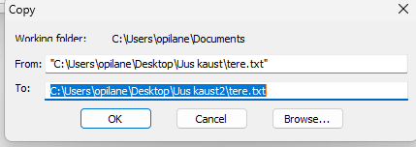

Bug 6
Bug #: | 6
Product: | TextPad
Build #: | 7.0.7
OS: | Windows 7 Enterprise
Severity: | Low
Summary: | Truncation 'Properties' in 'Print' window
Description: | Steps to reproduce: 1. Launch 'TextPad' 2. Open any file with text in it 3. go to 'File' and select 'Print' 4. in opened 'Print' dialog, 5. Edit accordingly, and select 'OK' Expected result: There are no truncations Actual result: There are truncations
Attachment: | 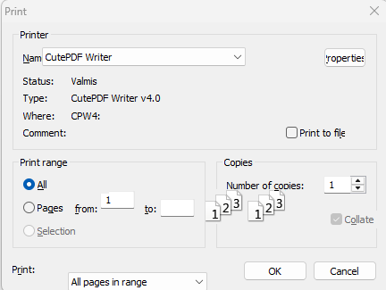

Bug 13
Bug #: | 13
Product: | TextPad
Build #: | 7.0.7
OS: | Windows 7 Enterprise
Severity: | Low
Summary: | misaligned 'Zoom in' in 'Print preview'
Description: | Steps to reproduce: 1. Launch 'TextPad' 2. Open any file with text in it 3. go to 'File' and select 'Print preview' Expected result: There are no misalignments Actual result: There are misalignments
Attachment: | 