IDD Overview
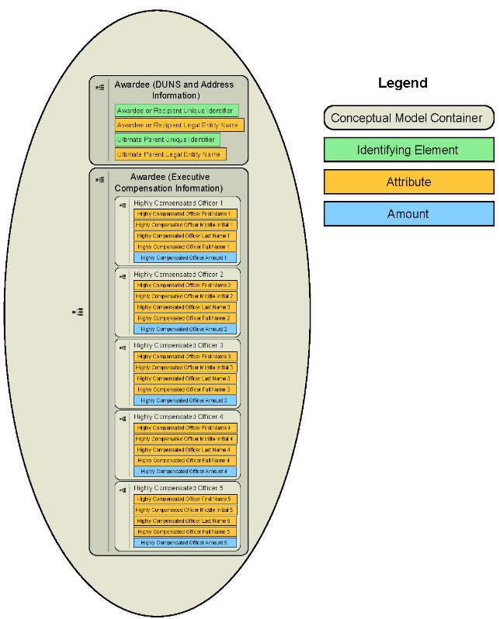
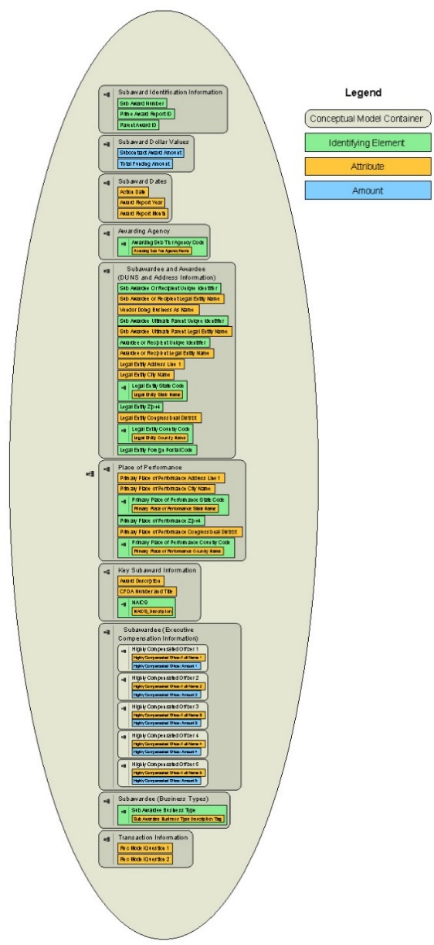
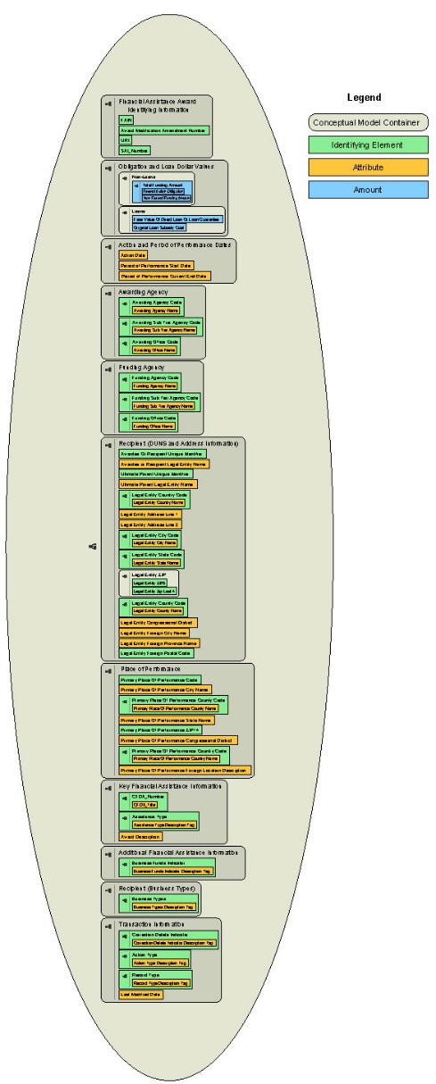
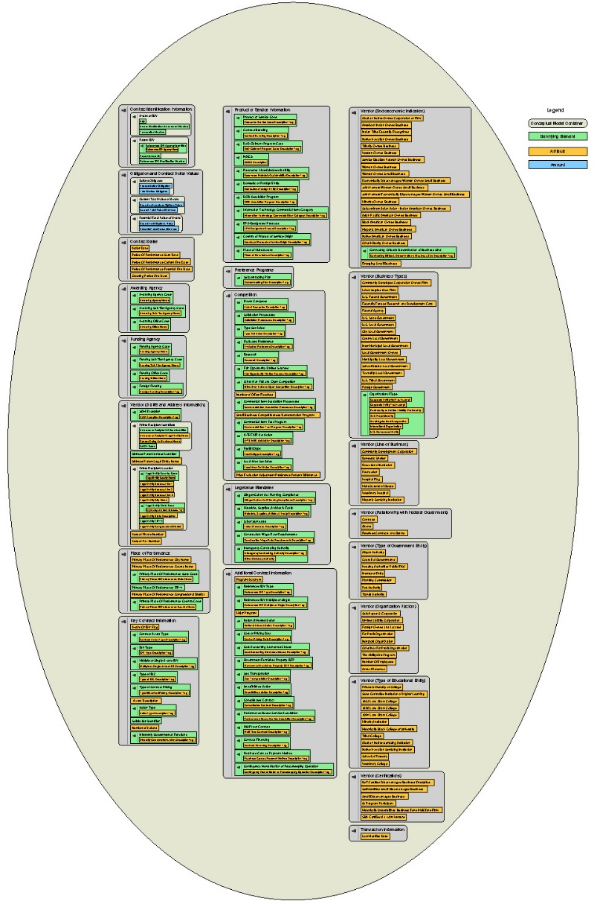
DATA Act Information Model Schema (DAIMS) Interface Definition Document (IDD) Overview

Purpose of the IDD
This document specifies how your agency's data (and which data elements) will be extracted from interface systems by the DATA Act Broker. During the quarterly submission process, this data is presented to your agency certifiers for final inspection and certification. After certification, it is stored in our database and published on USAspending.gov.
Use this document to understand the format the extracted data will take when it is presented to you by the DATA Act Broker. It also provides traceability back to the original sources of the data.

Extraction Content Detail for Files D1, D2, E, & F
The extraction detail tabs for Files D1, D2, E, and F specify how the data will be presented by the DATA Act Broker after extraction.
File D1 contains the award and awardee attributes information for procurement sourced from FPDS-NG
File D2 contains the award and awardee attributes information for financial assistance sourced from the Financial Assistance Broker Submission (FABS) component of the DATA Act Broker
File E contains additional awardee attributes information sourced from SAM.
File F contains sub-award and subawardee attributes information sourced from FSRS.
Note: The specifications for File A (Appropriations Account), File B (Object Class Program Activity), File C (Award Financial) and FABS are available in a complementary document called the Reporting Submission Specification (RSS).
The columns in each submission detail tab convey:
Structured Sort Order –indicates the default sequence of data elements in each tab while also conveying the logical grouping of each element within the data model. It is tab and release-specific (i.e., not necessarily the same across tabs and releases), and intended to allow users to easily return to the default element order after sorting alphabetically. The first two digits correspond to the major grouping of the element (described in the Structured Sort Order Categoriessection of this page), with the remainder ensuring a logical order within the category and conveying each element's heirarchical relationship to others in its major category. The structured sort order has no effect on submissions, but is intended to help users better understand the relationship between elements and the data model.
Element Number – a unique identifier for each element. When an element is included in more than one tab, it retains the same element number. When referencing an element, use the element number, as it will stay constant between releases.
Data Element Label – a unique label for each element. When an element is included in more than one tab, it retains the same data element label.
Grouping – this column contains the category in which an element is grouped, also represented by the first two digits of the Structured Sort Order. This grouping has no effect on submissions, but is intended to help users better understand the relationship between elements and the data model.
Definition – contains the business definition of the data element. When an element is included in more than one tab, it retains the same definition.
Example Value – demonstrates an acceptable data entry value. Applies to and present in D2 only.
FABS Required/ Optional/Derived - indicates whether a data element is required, conditionally required, optional, or derived in FABS per the validation rules. In the IDD, this is present in D2 only.
Valid Data Type – integer, string, or numeric (may contain decimal). Applies to and present in D2 only.
Max Field Length – indicates the maximum length of the data element value.
FPDS Element Number – corresponding element number from FPDS. Applies to and present in D1 only.
FPDS Element Name – a unique label from the FPDS Data Dictionary. Applies to and present in D1 only.
FPDS Element XML Tag Name – corresponding XML tag from the FPDS Atom feed. Applies to and present in D1 only.
FPDS Award Atom Feed Path– full path in the Award Atom feed for element, if applicable. Applies to and present in D1 only.
FPDS IDV Atom Feed Path – full path in the IDV Atom feed for the element, if applicable. Applies to and present in D1 only.
FPDS Definition – contains the business definition from the FPDS Data Dictionary. Applies to and present in D1 only.
SAM Element Name (Reference SAM Data Dictionary v7) – corresponding element name in SAM. Applies to and present in E only
FSRS Element Name – corresponding element name in FSRS Applies to and present in F only.
Business Line – identifies the business line where the element applies. Values include financial assistance, procurement, and a combination of procurement and financial assistance. Applies to and present in F only.
Terse 30 Label – provides shortened versions of the data element names.

Note: To further the goal of data standardization, the following set of structured sort orders follow a standard 21 conceptual category structure across all files (in the files themselves, this is captured in the 'grouping' column). This is the reason that Files D2, E and F have gaps in their category number sequences. For example: at present, only D1 contains elements that speak to category 11 (Legislative Mandates). If and when another file is updated to also speak to Legislative Mandates, category 11 would also be included as a stuructured sort order category there.
Structured Sort Order Categories: File D1
01: Contract Identification Information
02: Obligation and Contract Dollar Values
03: Contract Dates
04: Awarding/Funding Agency
05: Vendor (DUNS and Address Information)
06: Place of Performance
07: Key Contract Information
08: Product or Service Information
09: Preference Programs
10: Competition
11: Legislative Mandates
12: Additional Contract Information
13: Vendor (Socioeconomic Indicators)
14: Vendor (Business Types)
15: Vendor (Line of Business)
16: Vendor (Relationship with Federal Government)
17: Vendor (Type of Government Entity)
18: Vendor (Organization Factors)
19: Vendor (Type of Educational Entity)
20: Vendor (Certifications)
21: Transaction Information

Structured Sort Order Categories: File D2
01: Financial Assistance Identification Information
02: Obligation and Loan Dollar Values
03: Action and Period of Performance Dates
04: Awarding/Funding Agency
05: Recipient (DUNS and Address Information)
06: Place of Performance
07: Key Financial Assistance Information
12: Additional Financial Assistance Information
14: Recipient (Business Types)
21: Transaction Information

Structured Sort Order Categories: File E
05: Awardee (DUNS and Address Information)
13: Awardee (Executive Compensation Information)

Structured Sort Order Categories: File F
01: Subaward Identification Information
02: Subaward Dollar Values
03: Subaward Dates
04: Awarding Agency
05: Subawardee and Awardee (DUNS and Address Information)
06: Place of Performance
07: Key Subaward Information
13: Subawardee (Executive Compensation Information)
14: Subawardee (Business Types)
21: Transaction Information

Information Flow Diagram

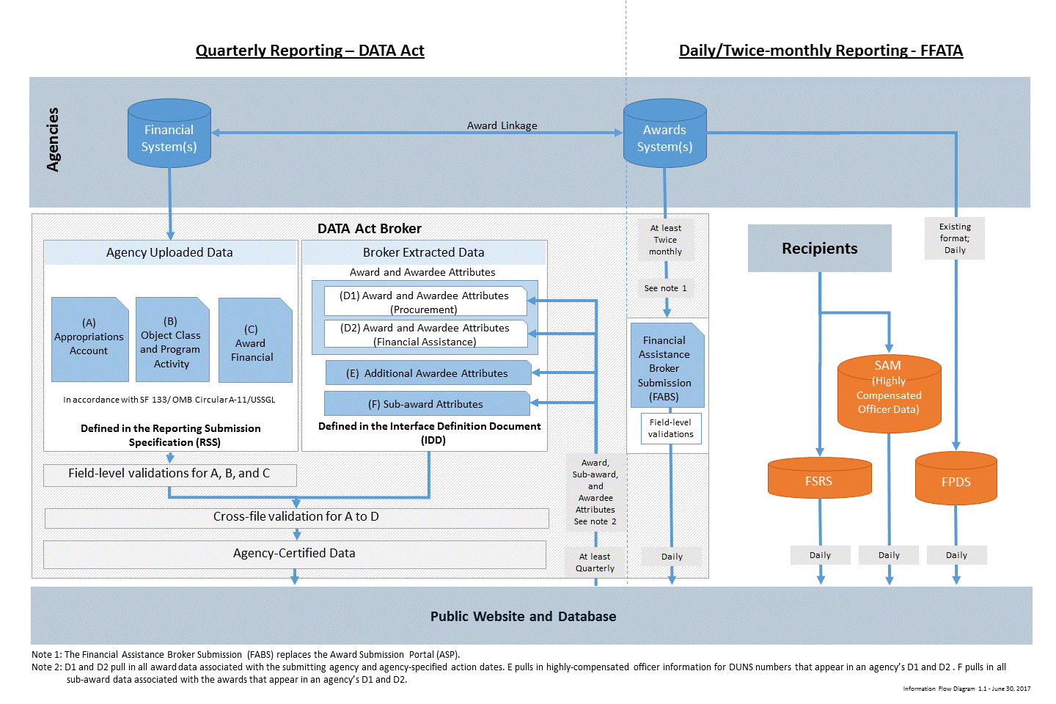

DATA Act Element Relationships

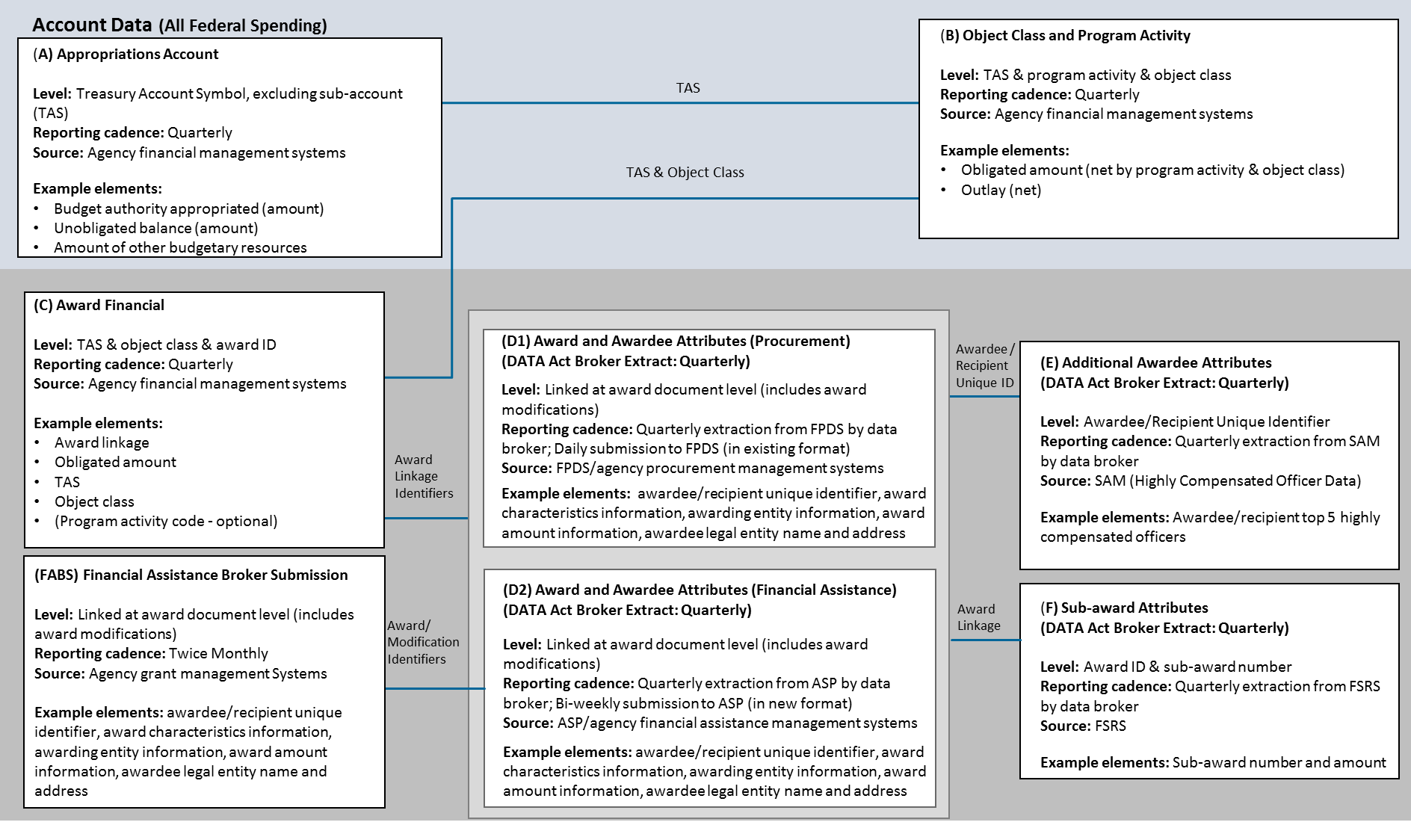

DATA Model Diagrams: File D1, D2, E, and F (click on an image below to download the full data model from the web).

IDD v1.2: File D1 IDD v1.2: File D2 IDD v1.2: File E IDD v1.2: File F

