original
Original approach
x | f(x)
0 | 0
0.1 | 0.1
0.2 | 0.2
0.3 | 0.3
0.4 | 0.4
0.5 | 0.5
0.6 | 0.6
0.7 | 0.7
0.8 | 0.8
0.9 | 0.9
1 | 1

entropy
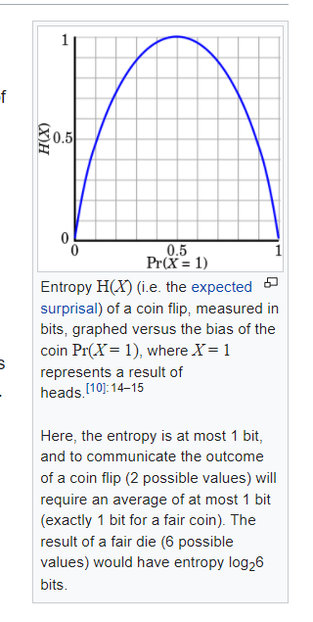
Entropy
x | f(x)
0 | #NUM!
0.1 | 0.46899559359
0.2 | 0.72192809489
0.3 | 0.88129089923
0.4 | 0.97095059445
0.5 | 1
0.6 | 0.97095059445
0.7 | 0.88129089923
0.8 | 0.72192809489
0.9 | 0.46899559359
1 | 0

least_confident
Least Confident
x | f(x)
0 | -2
0.1 | -1.9
0.2 | -1.8
0.3 | -1.7
0.4 | -1.6
0.5 | -1.5
0.6 | -1.6
0.7 | -1.7
0.8 | -1.8
0.9 | -1.9
1 | -2

smallest_margin
Smallest Margin
x | f(x)
0 | 1
0.1 | 0.8
0.2 | 0.6
0.3 | 0.4
0.4 | 0.2
0.5 | 0
0.6 | 0.2
0.7 | 0.4
0.8 | 0.6
0.9 | 0.8
1 | 1

