Tabelle1
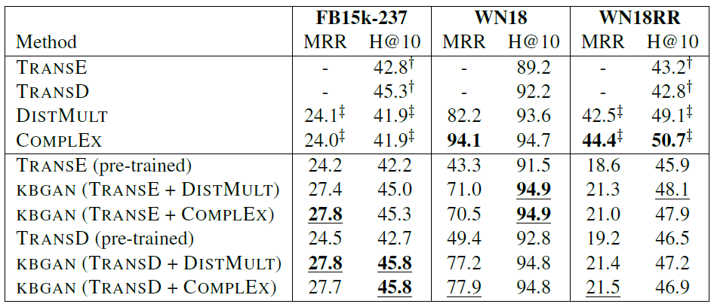
My results
 | FB15k-237 |  | FB15k-237 |  | WN18RR
method | MRR | H@10 | MRR | H@10 | MRR | H@10
TransE | - |  | - |  | -
TransD | - |  | - |  | -
DistMult
ComplEx
TransE (pre-trained)
KBGAN (TransE + DistMult)
KBGAN (TransE + ComplEx)
TransD (pre-trained)
KBGAN (TransD + DistMult)
KBGAN (TransD + ComplEx) |  |  |  |  |  |  |  |  |  |  |  |  | tried:
 |  |  |  |  |  |  |  |  |  | epochs: | 1000
 |  |  |  |  |  |  |  |  |  | mini-batches: | 100
 |  |  |  |  |  |  |  |  |  | validation: | every 50 epochs

General |  |  | Generator |  |  |  |  | Discriminator |  |  |  |  | Adversarial Training
Date | Description | Dataset | model | n_epochs | Test_MRR | Test_MR | Test_H@10 | model | n_epochs | Test_MRR | Test_MR | Test_H@10 | n_epochs | Test_MRR | Test_MR | Test_H@10
2021-11-17 | Original KBGAN approach | UMLS | DistMult | 1000 | 0.018585 | 123.259453 | 0.014372 | TransE | 1000 | 0.020653 | 123.334343 | 0.017398 | 5000 | 0.020921 | 123.322998 | 0.015885
2022-02-06 | 2022.02.06.115931_gan_train_distmult_transe_wn18rr | WN18RR | DistMult |  |  |  |  | TransE |  |  |  |  |  |  |  |  | Uncertainty Sampling Entropy Max Distribution

