Visualization
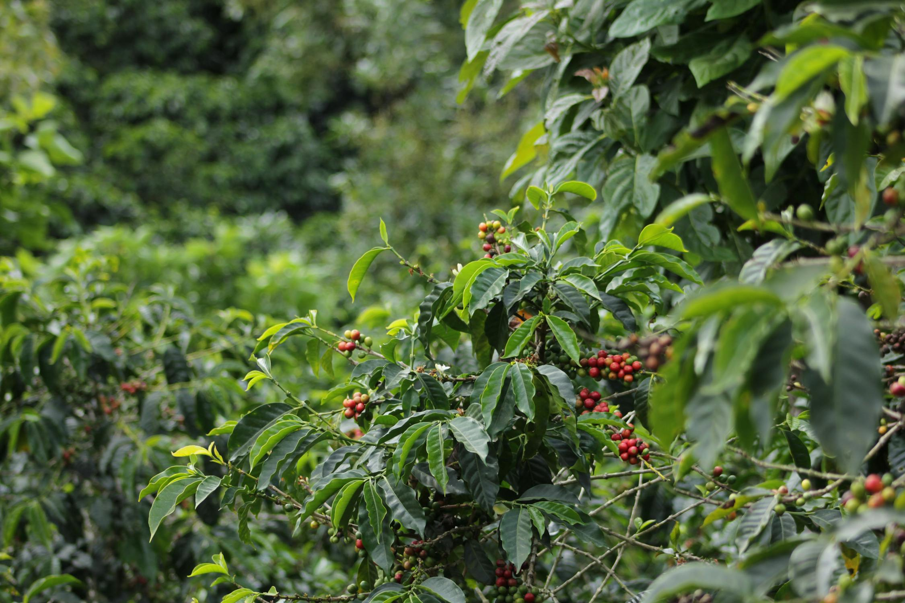

Coffee Plants Required to Keep You Caffeinated

when drinking
cups per day
2

365
days per year

low end
high end

9.7
12.8

