Sheet1
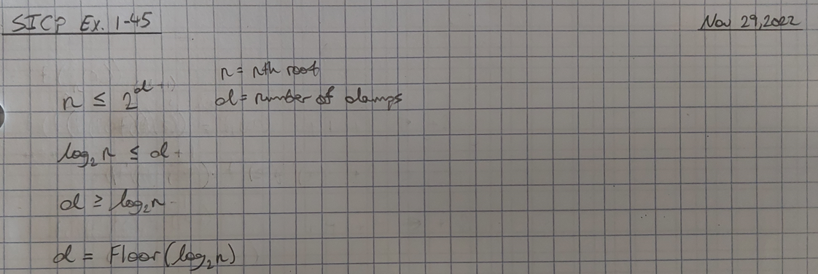
nth-root | num-damps
2 | 1
3 | 1
4 | 2 | 2^2
5 | 2
6 | 2
7 | 2
8 | 3 | 2^3
9 | 3
10 | 3
11 | 3
12 | 3
13 | 3
14 | 3
15 | 3
16 | 4 | 2^4
17 | 4
18 | 4
19 | 4
20 | 4
21 | 4
22 | 4
23 | 4
24 | 4
25 | 4
26 | 4
27 | 4
28 | 4
29 | 4
30 | 4
31 | 4
32 | 5 | 2^5

