WIND ENERGY
 | Variable name | Type | Measurement Unit | Inital value | Variable value | Notes | SIdeNotes
perType | Adjustment factor | Constant |  | 1.4 |  | In paper (australian sector) value ranges from 1.2 to 1.4 depending on the energy resource. 1.35 (coal and gas), 1.4 (wind power), 1.25 (solar power), 1.3 (hydro and biopower)
perType | Approved % | Auxiliary | percentage |  | ROIC - "Min % to invest"
perType | Capacity bankruptcy | Auxiliary | GWh/year |  | Energy production capacity* Unprofitable Capacity /100
perType | Capacity lifespan | Constant | year | 25 |  | from Australian case paper
perType | Capacity retirement | Auxiliary | GWh/year |  | Energy production capacity/Capacity lifespan
perType | Capacity under construction | Level | GWh | 797.16 GWh | New capacity orders rate-"New capacity start-up rate" | https://opendata.cbs.nl/statline/#/CBS/en/dataset/82610ENG/table?ts=1652087212732
perType | Capital expenditure rate | Auxiliary | $/year |  | Capex costs*"New capacity start-up rate"
perType | Capital employed wind | Constant | $ | 321,971,756,000 |  | https://www.irena.org/-/media/Files/IRENA/Agency/Publication/2012/RE_Technologies_Cost_Analysis-WIND_POWER.pdf (dates back to the old 2012...) BUT FOUND THIS https://www.irena.org/-/media/Files/IRENA/Agency/Publication/2020/Jun/IRENA_Power_Generation_Costs_2019.pdf (added offshore and onshore wind power LCOE - used values for Europe) p 57
perType | Construction delay | Constant | year | 2 |  | from Australian case paper
perType | Depreciation rate | Auxiliary | $/year |  | Investment/25
perType | Desired new capacity addition | Auxiliary | GWh/year |  | max (0,Energy production capacity * "Approved %"/100)
perType | Energy production capacity | Level | GWh | 4,393 megaWatt = 4,393*10^-3GW= 38482.68GWh | ("New capacity start-up rate")-Capacity Bankruptcy-Capacity Retirement | https://opendata.cbs.nl/statline/#/CBS/en/dataset/82610ENG/table?ts=1652087212732 | https://opendata.cbs.nl/statline/#/CBS/en/dataset/82610ENG/table?ts=1652087212732 https://www.cbs.nl/en-gb/figures/detail /82610ENG?q=wnd%20energy%20production%20capacity https://www.government.nl/topics/renewable-energy/wind-energy-on-land https://www.statista.com/statistics/421525/total-wind-power-in-the-netherlands/ https://www.government.nl/topics/renewable-energy/offshore-wind-energy
GL | Energy security | Auxiliary | percentage |  | shadow variable | https://www.cbs.nl/en-gb/news/2021/22/11-percent-of-energy-consumption-from-renewable-sources-in-2020 https://www.iea.org/reports/the-netherlands-2020
perType | New Investment Wind | Level | $/year | 1.17E+09 | (Capital expenditure rate-Depreciation rate)*Investment | https://www.cbs.nl/nl-nl/longread/diversen/2020/economische-ontwikkeling-van-de-energievoorziening/4-investeringen-in-energie-en-de-daarmee-gepaard-gaande-werkgelegenheid
perType | "Min % to invest" | Constant | percentage | 10 |  | used in Au paper, I can check the Paris agreement and use a value derived from there maybe?
perType | "Net profit." | Auxiliary | $/year |  | (Total Supply*Wholesale price)-(Depreciation rate*Total supply cost)
perType | New capacity orders rate | Auxiliary | GWh/year |  | max( 1, Desired new capacity addition * RANDOM UNIFORM(1,0.8,Seed))
perType | "New capacity start-up rate" | Auxiliary | GWh/year |  | Capacity under construction/Construction delay
perType | ROIC | Auxiliary | percentage |  | Net profit/Investment*100 | ROIC = (net income – dividends) / (debt + equity)
GL | Total available resources | Auxiliary |  |  | 1-"New capacity start-up rate" | I think we should have an if statement here. Else I am not sure it makes sense to incorporate it in the diagram.
perType | Total supply wind | Auxiliary | GWh/year |  | IF THEN ELSE ( Energy security > 1, Energy production capacity 2 /Energy security, Energy production capacity 2) | https://opendata.cbs.nl/#/CBS/en/dataset/83989ENG/table https://www.iea.org/countries/the-netherlands https://ourworldindata.org/energy/country/netherlands 10994 PJ = 3053888.891332 GWh
perType | Total supply cost wind | Auxiliary | $/GWh |  | Investment/Energy production capacity
perType | Wholesale price | Auxiliary | $/GWh |  | Adjustment factor*Total supply cost/Energy security | https://www.sciencedirect.com/science/article/pii/S0301421518308061
perType | Unprofitable Capacity | Auxiliary | GWh/year |  | 20+PULSE(20, 1)
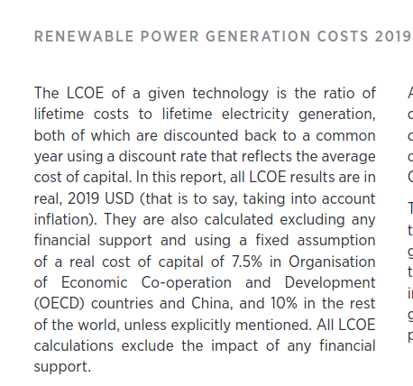

 |  |  |  |  | used LCOE for the calibration of the model: total supply cost component

 |  |  |  |  | LCOE definition:
 |  |  |  |  | https://www.irena.org/-/media/Files/IRENA/Agency/Publication/2020/Jun/IRENA_Power_Generation_Costs_2019.pdf

 |  |  |  |  | https://www.iea.org/reports/projected-costs-of-generating-electricity-2020
 |  |  |  |  | Overall, this means that LCOE increasingly needs to be contextualised by other analyses in order to obtain a meaningful picture of the relative competitiveness of different electricity generating technologies.

 |  |  |  |  | In order to complement the LCOE approach and enable a more system specific cost comparison, the IEA has developed a methodology to adjust the costs by a system value component known as the value adjusted LCOE (VALCOE). It modifies the LCOE of an individual technology in a particular electricity system according to its contribution to enabling all aspects of securely operating the system. Crucially, the calculated results reflect the value in existing, i.e. brownfield systems and their possible future development.

BIOMASS
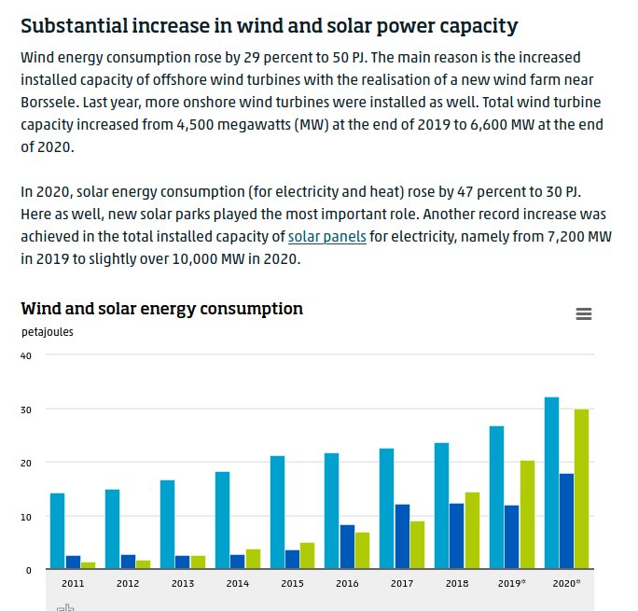
 | Variable name | Type | Measurement Unit | Inital value | Variable value | Notes
perType | Adjustment factor | Constant |  | 1.3 |  | In paper (australian sector) value ranges from 1.2 to 1.4 depending on the energy resource. 1.35 (coal and gas), 1.4 (wind power), 1.25 (solar power), 1.3 (hydro and biopower)
perType | Approved % | Auxiliary | percentage |  | ROIC - "Min % to invest"
perType | Capacity bankruptcy | Auxiliary | GWh/year |  | Energy production capacity* Unprofitable Capacity /100
perType | Capacity lifespan | Constant | year | 30 |  | from Australian case paper
perType | Capacity retirement | Auxiliary | GWh/year |  | Energy production capacity/Capacity lifespan
perType | Capacity under construction | Level | GWh | no data for 2019 | New capacity orders rate-"New capacity start-up rate" | https://opendata.cbs.nl/statline/#/CBS/en/dataset/82610ENG/table?ts=1652260104363
perType | Capital expenditure rate | Auxiliary | $/year |  | Capex costs*"New capacity start-up rate"
perType | Capex costs | Constant | $ |  |  | https://www.irena.org/costs/Charts/Biomass
perType | Construction delay | Constant | year | 3 |  | from Australian case paper
perType | Depreciation rate | Auxiliary | $/year |  | 0.02*Investment
perType | Desired new capacity addition | Auxiliary | GWh/year |  | max (0,Energy production capacity * "Approved %"/100)
perType | Energy production capacity | Level | GWh | no data for 2019 | ("New capacity start-up rate")-Capacity Bankruptcy-Capacity Retirement | https://opendata.cbs.nl/statline/#/CBS/en/dataset/82610ENG/table?ts=1652260104363
GL | Energy security | Auxiliary | percentage |  | shadow variable | https://www.cbs.nl/en-gb/news/2021/22/11-percent-of-energy-consumption-from-renewable-sources-in-2020 https://www.iea.org/reports/the-netherlands-2020
perType | Investment | Level | $/year | 4.00E+08 | (Capital expenditure rate-Depreciation rate)*Investment | https://www.cbs.nl/nl-nl/longread/diversen/2020/economische-ontwikkeling-van-de-energievoorziening/4-investeringen-in-energie-en-de-daarmee-gepaard-gaande-werkgelegenheid
perType | "Min % to invest" | Constant | percentage | 10 |  | used in Au paper, I can check the Paris agreement and use a value derived from there maybe?
perType | "Net profit." | Auxiliary | $/year |  | (Total Supply*Wholesale price)-(Depreciation rate*Total supply cost)
perType | New capacity orders rate | Auxiliary | GWh/year |  | max( 1, Desired new capacity addition * RANDOM UNIFORM(1,0.8,Seed))
perType | "New capacity start-up rate" | Auxiliary | GWh/year |  | Capacity under construction/Construction delay
perType | ROIC | Auxiliary | percentage |  | Net profit/Investment*100 | ROIC = (net income – dividends) / (debt + equity)
GL | Total available resources | Auxiliary |  |  | 1-"New capacity start-up rate" | I think we should have an if statement here. Else I am not sure it makes sense to incorporate it in the diagram.
perType | Total supply hydro | Auxiliary | GWh/year |  | IF THEN ELSE ( Energy security > 1, Energy production capacity 2 /Energy security, Energy production capacity 2) | https://opendata.cbs.nl/#/CBS/en/dataset/83989ENG/table https://www.iea.org/countries/the-netherlands https://ourworldindata.org/energy/country/netherlands 10994 PJ = 3053888.891332 GWh
perType | Total supply cost hydro | Auxiliary | $/GWh |  | Investment/Energy production capacity
perType | Wholesale price | Auxiliary | $/GWh |  | Adjustment factor*Total supply cost/Energy security | https://www.sciencedirect.com/science/article/pii/S0301421518308061
perType | Unprofitable Capacity | Auxiliary | GWh/year |  | 20+PULSE(20, 1)

