Windows functions
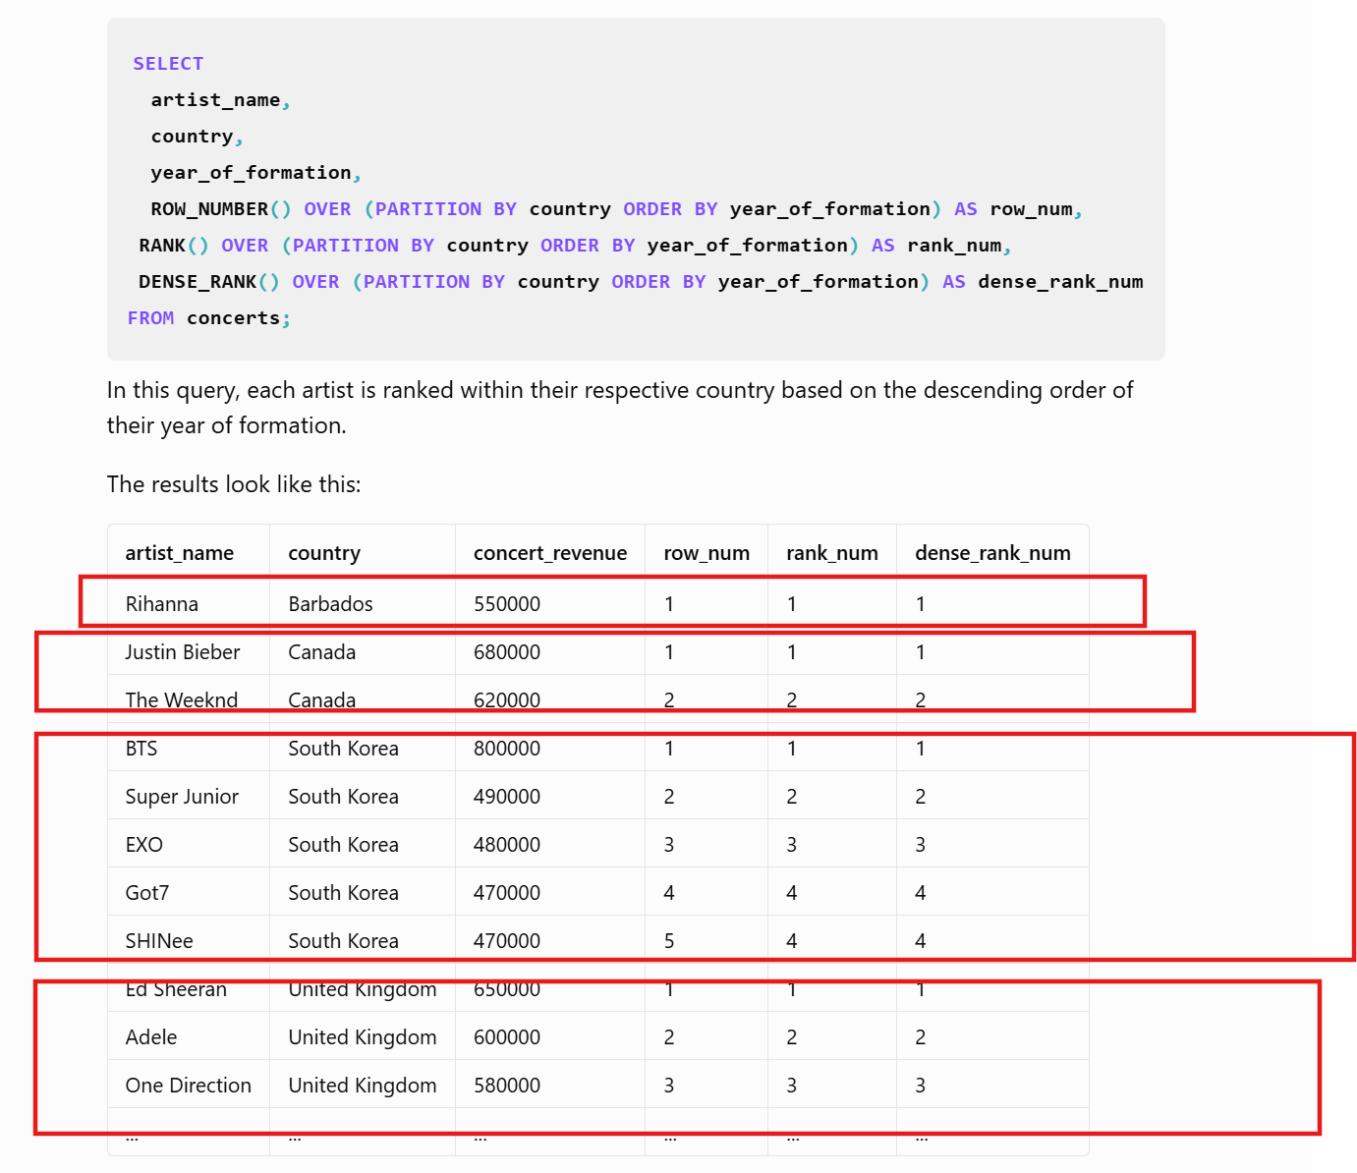
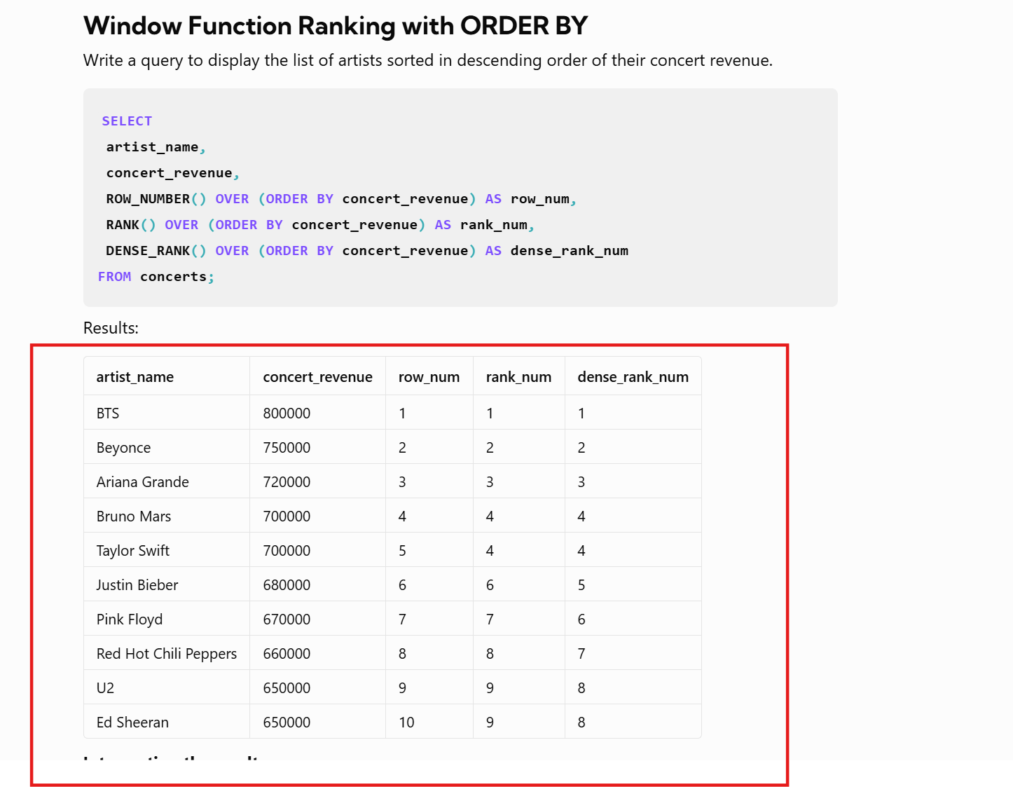

 |  |  | LEAD() | LAG

EMP_NO | MONTH | SAL | NEXT_MONTH_SAL | PREV_MONTH_SAL
100 | JAN | 9000 | 7500 | NULL
100 | FEB | 7500 | 10000 | 9000
100 | MAR | 10000 | 7500 | 7500
100 | APR | 7500 | 10000 | 10000
100 | MAY | 10000 | 5000 | 7500
100 | JUN | 5000 | NULL | 10000
101 | JUL | 9000 | 7500 | NULL
101 | AUG | 7500 | 10000 | 9000
101 | SEP | 10000 | 7500 | 7500
101 | OCT | 7500 | 10000 | 10000
101 | NOV | 10000 | 5000 | 7500
101 | DEC | 5000 | NULL | 10000

