Sheet1
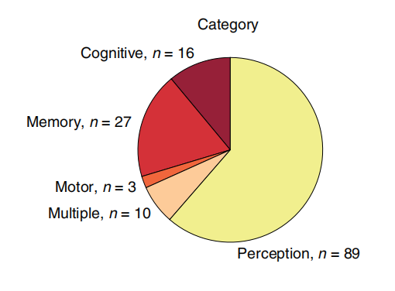
Paper | Year | Paper | Year
P5 | 2019 | P5 | 2019
P5 | 2019 | P6 | 2020
P5 | 2019 | P20 | 2020
P5 | 2019 | P46 | 2020
P6 | 2020 | P51 | 2020
P20 | 2020 | P54 | 2019
P46 | 2020 | P95 | 2018
P51 | 2020 | Pn4 | 2021
P51 | 2020 | Pn13 | 2021
P54 | 2019 | Pn16 | 2022
P54 | 2019 | Pn23 | 2021
P95 | 2018 | Ps1 | 2023
P95 | 2018 | Ps2 | 2023
Pn4 | 2021 | Ps3 | 2014
Pn13 | 2021 | Ps4 | 2015
Pn13 | 2021 | Ps5 | 2014
Pn13 | 2021 | Pt1 | 2023
Pn16 | 2022 | Pt2 | 2023
Pn16 | 2022 | Pt3 | 2021
Pn16 | 2022 | Pt5 | 2023
Pn23 | 2021 | Pt6 | 2022
Ps1 | 2023 | Pt7 | 2022
Ps2 | 2023 | Pt9 | 2020
Ps3 | 2014 | Pt10 | 2023
Ps4 | 2015 | Pt13 | NaN
Ps4 | 2015
Ps5 | 2014
Ps5 | 2014
Ps5 | 2014
Ps5 | 2014
Pt1 | 2023
Pt2 | 2023
Pt3 | 2021
Pt5 | 2023
Pt6 | 2022
Pt6 | 2022
Pt7 | 2022
Pt9 | 2020
Pt9 | 2020
Pt9 | 2020
Pt10 | 2023
Pt10 | 2023
Pt10 | 2023
Pt13
Pt13
Pt13

