Sheet1
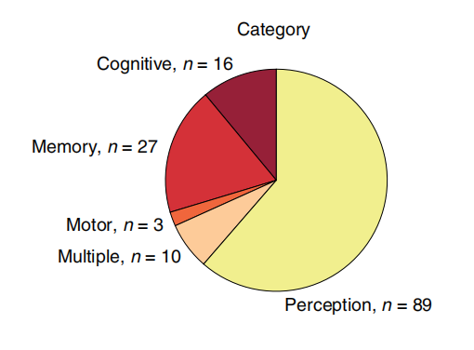
Paper | Year | Paper | Year | Paper | Year
P5 | 2019 | P5 | 2019 | P5 | 2019
P5 | 2019 | P6 | 2020 | P5 | 2019
P5 | 2019 | P20 | 2020 | P5 | 2019
P5 | 2019 | P46 | 2020 | P5 | 2019
P51 | 2020 | Pn16 | 2022 | P51 | 2020
P51 | 2020 | Pn23 | 2021 | P51 | 2020
P54 | 2019 | Ps1 | 2023 | P54 | 2019
P54 | 2019 | Ps2 | 2023 | P54 | 2019
P95 | 2018 | Ps3 | 2014 | P95 | 2018
P95 | 2018 | Ps4 | 2015 | P95 | 2018
Pn13 | 2021 | Pt1 | 2023 | Pn13 | 2021
Pn13 | 2021 | Pt2 | 2023 | Pn13 | 2021
Pn13 | 2021 | Pt3 | 2021 | Pn13 | 2021
Pn16 | 2022 | Pt5 | 2023 | Pn16 | 2022
Pn16 | 2022 | Pt6 | 2022 | Pn16 | 2022
Pn16 | 2022 | Pt7 | 2022 | Pn16 | 2022
Ps4 | 2015 |  |  | Ps4 | 2015
Ps4 | 2015 |  |  | Ps4 | 2015
Ps5 | 2014 |  |  | Ps5 | 2014
Ps5 | 2014 |  |  | Ps5 | 2014
Ps5 | 2014 |  |  | Ps5 | 2014
Ps5 | 2014 |  |  | Ps5 | 2014
Pt6 | 2022 |  |  | Pt6 | 2022
Pt6 | 2022 |  |  | Pt6 | 2022
Pt9 | 2020 |  |  | Pt9 | 2020
Pt9 | 2020 |  |  | Pt9 | 2020
Pt9 | 2020 |  |  | Pt9 | 2020
Pt10 | 2023 |  |  | Pt10 | 2023
Pt10 | 2023 |  |  | Pt10 | 2023
Pt10 | 2023 |  |  | Pt10 | 2023
Pt13 | 2021 |  |  | Pt13 | 2021
Pt13 | 2021 |  |  | Pt13 | 2021
Pt13 | 2021 |  |  | Pt13 | 2021

