Sheet1
Paper | Year
P5 | 2019
P5 | 2019
P5 | 2019
P5 | 2019
P6 | 2020
P20 | 2020
P46 | 2020
P51 | 2020
P51 | 2020
P54 | 2019
P54 | 2019
P95 | 2018
P95 | 2018
Pn4 | 2021
Pn13 | 2021
Pn13 | 2021
Pn13 | 2021
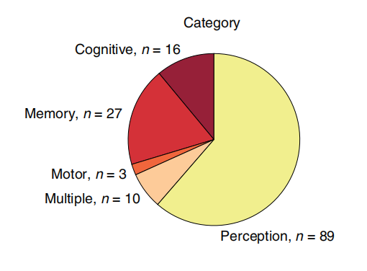
Pn16 | 2022
Pn16 | 2022
Pn16 | 2022
Pn23 | 2021
Ps1 | 2023
Ps2 | 2023
Ps3 | 2014
Ps4 | 2015
Ps4 | 2015
Ps5 | 2014
Ps5 | 2014
Ps5 | 2014
Ps5 | 2014
Pt1 | 2023
Pt2 | 2023
Pt3 | 2021
Pt5 | 2023
Pt6 | 2022
Pt6 | 2022
Pt7 | 2022
Pt9 | 2020
Pt9 | 2020
Pt9 | 2020
Pt10 | 2023
Pt10 | 2023
Pt10 | 2023
Pt13
Pt13
Pt13

