LATracker Instructions
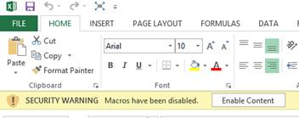
This is a beta version of the Timesheet with L/A Tracker built in. I know there will be more tweaks needed.
There are some setup instructions in the LATrackerALL sheet marked in yellow but here is the overview:

- Make changes to the yellow boxes in LATrackerALL tab when you first use the LATracker portion. There are more instructions around the yellow boxes.
- Put zeros in for Total Hours and Total Days on the day before the Service Year Begins date columns C and D in LATrackerALL tab).
- Always click “Recalculate” button on LATrackerReport tab to update the report table after editing data.
- At end of year calendar year, on LATrackerALL tab, take the last day’s Total Hours and Total Days values and type them into Row 8, Columns C and D on next year’s Timesheet.
- Should NEVER need to edit any data on the LATrackerReport.
- LATrackerALL gets automatically updated from each payperiod data.
- You probably will need to [Enable Content] when you first start using the spreadsheet. See screenshot below.

