SETUP
QUALITY INSPECTION PLAN RECORD
品檢編號： | R01-048 | 品號： |  | R1-2360 |  |  |  |  |  | 版本： | 10 | 品名： | 公轉式針基 (MALE LUER, SMALL BORE, PVC) |  |  |  | 頁次： | 1 | □
Q.I.P. NO. |  | P/N |  |  |  |  |  |  |  | REV. |  | NAME |  |  |  |  | PAGE | 2
檢驗方式： |  |  | ■ | SET UP 檢驗 |  |  |  |  | □ | 巡檢 |  | 檢驗日期： |  | 250714D |  | 機台號碼： | P17 |  | ■
INSP. MODE |  |  |  | SET UP INSP. |  |  |  |  |  | PATROL |  | DATE |  |  |  | MACHINE NO.
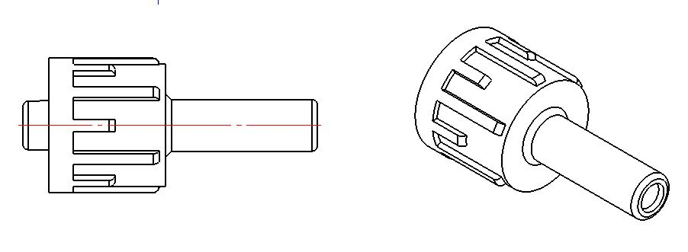
 |  |  |  |  |  |  |  |  |  |  |  |  |  |  | 適 用 品 名
 |  |  |  |  |  |  |  |  |  |  |  |  |  |  | APPLY TO PART NAME
 |  |  |  |  |  |  |  |  |  |  |  |  |  |  | R1-2360

量 測 代 碼 |  | A: Microscope B: Projector C: Caliper D: Pin gauge E: Height Caliper F: Visual inspection |  |  |  |  |  |  |  |  |  |  |  |  |  |  | 量測單位 |  | +
MEASURING CODE |  |  |  |  |  |  |  |  |  |  |  |  |  |  |  |  | 單位：Inch |  | -
檢驗項目 | 量測工具 | 模號CAVITY |  |  |  |  | 1 |  | 2 |  | 3 | 4 |  | 5 | 6 | 7 | 8 |  |  | GO
INSP. ITEM | MEASURING TOOLS | 規格/標準 SPEC/WI |  |  |  |  |  |  |  |  |  |  |  |  |  |  |  |  | Ø | NO GO
(A) | A | Ø | 0.082 |  | + | 0.002 | 0.0827 |  | 0.0827 |  | 0.0826 | 0.0830 |  | 0.0827 | 0.0827 | 0.0827 | 0.0828 |  |  | 0.0840 | 26
 |  |  |  |  | - | 0.002 |  |  |  |  |  |  |  |  |  |  |  |  |  | 0.0800 | 27
(B) | D | Ø | 1.92 | mm | / | GO | GO |  | GO |  | GO | GO |  | GO | GO | GO | GO |  |  | 0.0756 | 28
 | D | Ø | 2.01 | mm | / | NO GO | NO GO |  | NO GO |  | NO GO | NO GO |  | NO GO | NO GO | NO GO | NO GO |  |  | 0.0791 | 29
(C) | A | Ø | 0.082 |  | + | 0.002 | 0.0831 |  | 0.0830 |  | 0.0830 | 0.0830 |  | 0.0829 | 0.0830 | 0.0827 | 0.0830 |  |  | 0.0840 | 30
 |  |  |  |  | - | 0.002 |  |  |  |  |  |  |  |  |  |  |  |  |  | 0.0800 | 31
(D) | C | Ø | 0.430 |  | + | 0.005 | 0.4305 |  | 0.4300 |  | 0.4300 | 0.4300 |  | 0.4300 | 0.4300 | 0.4300 | 0.4300 |  |  | 0.4350 | 32
 |  |  |  |  | - | 0.005 |  |  |  |  |  |  |  |  |  |  |  |  |  | 0.4250 | 33
(E) | C | Ø | 0.395 |  | + | 0.005 | 0.3960 |  | 0.3960 |  | 0.3965 | 0.3970 |  | 0.3965 | 0.3970 | 0.3970 | 0.3965 |  |  | 0.4000 | 34
 |  |  |  |  | - | 0.005 |  |  |  |  |  |  |  |  |  |  |  |  |  | 0.3900 | 35
(F) | T020701 | 塞規測試 QE10019 |  |  |  |  | GO |  | GO |  | GO | GO |  | GO | GO | GO | GO |  |  | 0.0000 | 36
 |  | Go/No-go Gauge test |  |  |  |  |  |  |  |  |  |  |  |  |  |  |  |  |  | 0.0000 | 37
(G) | T1705001 | 6% Taper QE10002 |  |  |  |  | GO |  | GO |  | GO | GO |  | GO | GO | GO | GO |  |  | 0.0000 | 38
 | (公 M) | Gauging test |  |  |  |  |  |  |  |  |  |  |  |  |  |  |  |  |  | 0.0000 | 39
(H) | T1405002 | 氣密測試 QE10001 |  |  |  |  | OK |  | OK |  | OK | OK |  | OK | OK | OK | OK |  |  | 0.0000 | 40
 | (公 M) | Air leaking test
I | T1405002 | 壓裂測試 QE10017 |  |  |  |  | OK |  | OK |  | OK | OK |  | OK | OK | OK | OK
 | (公 M) | Stress cracking test
J | T1405002 | 滑牙測試 QE10014 |  |  |  |  | OK |  | OK |  | OK | OK |  | OK | OK | OK | OK
 |  | Resistance to overriding test
K | T1405002 | 分離力測試 QE10016 |  |  |  |  | OK |  | OK |  | OK | OK |  | OK | OK | OK | OK
 |  | Separation force test
L | T1405002 | 可旋出扭矩測試 QE10018 |  |  |  |  | OK |  | OK |  | OK | OK |  | OK | OK | OK | OK
 |  | Unscrewing torque test
(M) | F | 外觀檢驗 MO09003 |  |  |  |  | OK |  | OK |  | OK | OK |  | OK | OK | OK | OK
 |  | Appearance inspection

1.SET-UP與下模時需進行全部項目檢驗，巡檢僅檢驗( )項目。
A full inspection is required during mold startup and shutdown, while the patrol inspection only checks ( ) items.
2.各項不良之缺點, 請參考缺點代碼表(M10001-R01)。 |  |  |  |  |  |  |  |  |  |  |  |  |  | E | 2025-03-28
Please refer to Defection Code (M10001-R01) for detailed defect categories.
 |  |  |  |  |  |  |  |  |  |  |  |  |  | D | 2025-01-23

 |  |  |  |  |  |  |  |  |  |  |  |  |  | C | 2019-03-22

(A) (C): M12002， (B):M08006， (D)(E): M15012 |  |  |  |  |  |  |  |  |  |  |  |  |  | B | 2017-09-05

 |  |  |  |  |  |  |  |  |  |  |  |  |  | A | 2015-10-08

 |  |  |  |  |  |  |  | 檢驗員： |  | 湯子誼 |  |  |  | 版本 | 日期 | 製表 | 審核
 |  |  |  |  |  |  |  | INSPECTOR |  |  |  |  |  | REV. | DATE | ISSUED BY | APP.
MOULDEX QC10004-R02.B

