5_eigs
 | n = 50 | M = 1000

 | mean | 1 | 0.25 | 0.1111 | 0.0625 | 0.04
 | bias
Est mean | Trunc_valley | -0.079 (0.007) | -0.025 (0.002) | -0.013 (0.001) | -0.020 (0.001) | -0.023 (0.001)
 | Trunc_mild | -0.034 (0.008) | -0.016 (0.003) | -0.012 (0.001) | -0.020 (0.001) | -0.023 (0.000)
Known Mean | Trunc_valley | 0.075 (0.008) | 0.024 (0.002) | 0.020 (0.001) | 0.001 (0.001) | -0.009 (0.001)
 | Trunc_mild | 0.088 (0.008) | 0.027 (0.003) | 0.018 (0.001) | -0.001 (0.001) | -0.009 (0.001)
 | MSE (1/lambda_j)
Est mean | Trunc_valley | 0.13 | 4.985 | 699.085 | 10725.721 | 269192.094
 | Trunc_mild | 0.099 | 4.54 | 236.707 | 17941.968 | 289862.073
Known Mean | Trunc_valley | 0.062 | 1.38 | 11.941 | 292.376 | 3388.894
 | Trunc_mild | 0.058 | 1.439 | 14.615 | 479.827 | 4349.94
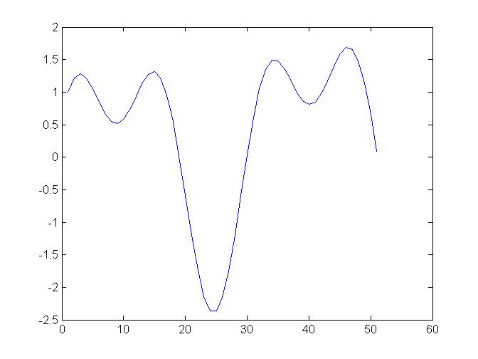
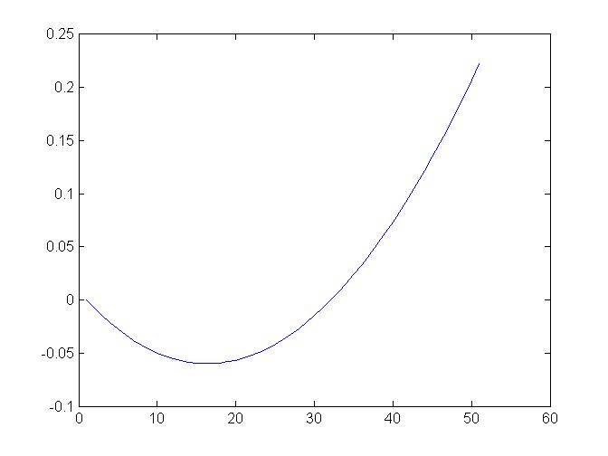

 | Valley |  |  | Mild

