Sheet1
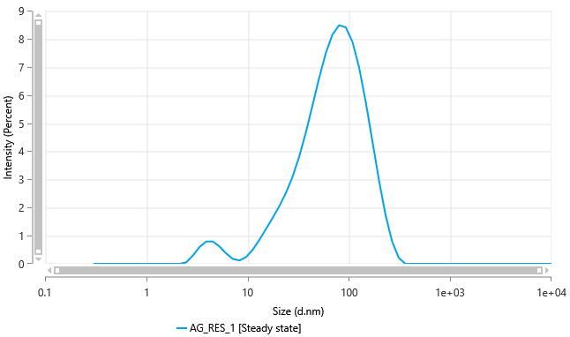
Size (d.nm) - AG_RES_1 [Steady state] | Intensity (Percent) - AG_RES_1 [Steady state] |  |  | Size (d.nm) - AG_RES_1 | Count of Particles (particles/ml) - AG_RES_1
0.3 | 0 |  |  | 0.3 | 0 | 2446294100000
0.3489 | 0 |  |  | 0.3217 | 0
0.4057 | 0 | Size (d.nm) - AG_RES_1 [Steady state] | Volume (Percent) - AG_RES_1 [Steady state] | 0.345 | 0
0.4718 | 0 | 0.3 | 0 | 0.37 | 0
0.5487 | 0 | 0.3489 | 0 | 0.3968 | 0
0.6381 | 0 | 0.4057 | 0 | 0.4255 | 0
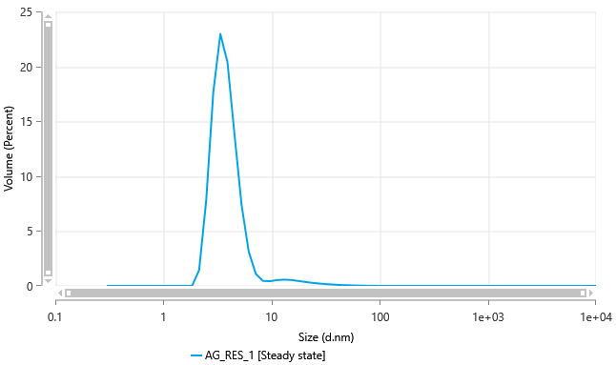
0.742 | 0 | 0.4718 | 0 | 0.4563 | 0
0.8629 | 0 | 0.5487 | 0 | 0.4893 | 0
1.003 | 0 | 0.6381 | 0 | 0.5248 | 0
1.167 | 0 | 0.742 | 0 | 0.5627 | 0
1.357 | 0 | 0.8629 | 0 | 0.6035 | 0
1.578 | 0 | 1.003 | 0 | 0.6472 | 0
1.835 | 0 | 1.167 | 0 | 0.694 | 0
2.134 | 0 | 1.357 | 0 | 0.7443 | 0
2.482 | 0.05489 | 1.578 | 0 | 0.7982 | 0
2.886 | 0.2977 | 1.835 | 0 | 0.8559 | 0
3.357 | 0.6012 | 2.134 | 1.433 | 0.9179 | 0
3.903 | 0.796 | 2.482 | 7.805 | 0.9844 | 0
4.539 | 0.7933 | 2.886 | 17.65 | 1.056 | 0
5.279 | 0.6166 | 3.357 | 22.96 | 1.132 | 0
6.139 | 0.3692 | 3.903 | 20.39 | 1.214 | 0
7.139 | 0.1742 | 4.539 | 13.76 | 1.302 | 0
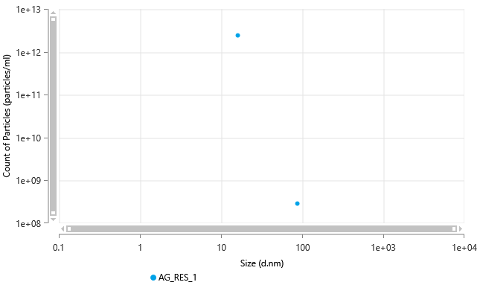
8.302 | 0.121 | 5.279 | 7.351 | 1.396 | 0
9.655 | 0.2388 | 6.139 | 3.128 | 1.497 | 0
11.23 | 0.5015 | 7.139 | 1.099 | 1.606 | 0
13.06 | 0.8529 | 8.302 | 0.4625 | 1.722 | 0
15.18 | 1.239 | 9.655 | 0.4329 | 1.846 | 0
17.66 | 1.634 | 11.23 | 0.5338 | 1.98 | 0
20.53 | 2.048 | 13.06 | 0.5772 | 2.124 | 0
23.88 | 2.518 | 15.18 | 0.5398 | 2.277 | 0
27.77 | 3.095 | 17.66 | 0.4564 | 2.442 | 0
32.3 | 3.811 | 20.53 | 0.3636 | 2.619 | 0
37.56 | 4.67 | 23.88 | 0.2813 | 2.809 | 0
43.68 | 5.629 | 27.77 | 0.2152 | 3.012 | 0
50.79 | 6.606 | 32.3 | 0.1634 | 3.23 | 0
59.07 | 7.486 | 37.56 | 0.1223 | 3.464 | 0
68.69 | 8.148 | 43.68 | 0.08911 | 3.714 | 0
79.88 | 8.481 | 50.79 | 0.06247 | 3.983 | 0
92.89 | 8.409 | 59.07 | 0.0417 | 4.272 | 0
108 | 7.906 | 68.69 | 0.02639 | 4.581 | 0
125.6 | 7.002 | 79.88 | 0.01597 | 4.913 | 0
146.1 | 5.785 | 92.89 | 0.009583 | 5.268 | 0
169.9 | 4.393 | 108 | 0.006162 | 5.65 | 0
197.6 | 2.987 | 125.6 | 0.004629 | 6.059 | 0
229.8 | 1.738 | 146.1 | 0.004065 | 6.497 | 0
267.2 | 0.7859 | 169.9 | 0.003764 | 6.968 | 0
310.7 | 0.212 | 197.6 | 0.003292 | 7.472 | 0
361.3 | 0 | 229.8 | 0.002502 | 8.013 | 0
420.2 | 0 | 267.2 | 0.001521 | 8.593 | 0
488.7 | 0 | 310.7 | 0.0006399 | 9.215 | 0
568.3 | 0 | 361.3 | 0.0001324 | 9.882 | 0
660.9 | 0 | 420.2 | 0 | 10.6 | 0
768.5 | 0 | 488.7 | 0 | 11.37 | 0
893.8 | 0 | 568.3 | 0 | 12.19 | 0
1039 | 0 | 660.9 | 0 | 13.07 | 0
1209 | 0 | 768.5 | 0 | 14.02 | 0
1406 | 0 | 893.8 | 0 | 15.03 | 0
1635 | 0 | 1039 | 0 | 16.12 | 2.45E+12
1901 | 0 | 1209 | 0 | 17.29 | 0
2211 | 0 | 1406 | 0 | 18.54 | 0
2571 | 0 | 1635 | 0 | 19.88 | 0
2990 | 0 | 1901 | 0 | 21.32 | 0
3477 | 0 | 2211 | 0 | 22.86 | 0
4043 | 0 | 2571 | 0 | 24.52 | 0
4702 | 0 | 2990 | 0 | 26.29 | 0
5468 | 0 | 3477 | 0 | 28.2 | 0
6358 | 0 | 4043 | 0 | 30.24 | 0
7394 | 0 | 4702 | 0 | 32.43 | 0
8599 | 0 | 5468 | 0 | 34.77 | 0
1.00E+04 | 0 | 6358 | 0 | 37.29 | 0
 |  | 7394 | 0 | 39.99 | 0
 |  | 8599 | 0 | 42.89 | 0
 |  | 1.00E+04 | 0 | 45.99 | 0
 |  |  |  | 49.32 | 0
 |  |  |  | 52.89 | 0
 |  |  |  | 56.72 | 0
 |  |  |  | 60.83 | 0
 |  |  |  | 65.23 | 0
 |  |  |  | 69.95 | 0
 |  |  |  | 75.02 | 0
 |  |  |  | 80.45 | 0
 |  |  |  | 86.27 | 2.94E+08
 |  |  |  | 92.52 | 0
 |  |  |  | 99.21 | 0
 |  |  |  | 106.4 | 0
 |  |  |  | 114.1 | 0
 |  |  |  | 122.4 | 0
 |  |  |  | 131.2 | 0
 |  |  |  | 140.7 | 0
 |  |  |  | 150.9 | 0
 |  |  |  | 161.8 | 0
 |  |  |  | 173.5 | 0
 |  |  |  | 186.1 | 0
 |  |  |  | 199.6 | 0
 |  |  |  | 214 | 0
 |  |  |  | 229.5 | 0
 |  |  |  | 246.1 | 0
 |  |  |  | 264 | 0
 |  |  |  | 283.1 | 0
 |  |  |  | 303.6 | 0
 |  |  |  | 325.5 | 0
 |  |  |  | 349.1 | 0
 |  |  |  | 374.4 | 0
 |  |  |  | 401.5 | 0
 |  |  |  | 430.6 | 0
 |  |  |  | 461.7 | 0
 |  |  |  | 495.2 | 0
 |  |  |  | 531 | 0
 |  |  |  | 569.4 | 0
 |  |  |  | 610.7 | 0
 |  |  |  | 654.9 | 0
 |  |  |  | 702.3 | 0
 |  |  |  | 753.1 | 0
 |  |  |  | 807.7 | 0
 |  |  |  | 866.1 | 0
 |  |  |  | 928.8 | 0
 |  |  |  | 996.1 | 0
 |  |  |  | 1068 | 0
 |  |  |  | 1146 | 0
 |  |  |  | 1228 | 0
 |  |  |  | 1317 | 0
 |  |  |  | 1413 | 0
 |  |  |  | 1515 | 0
 |  |  |  | 1625 | 0
 |  |  |  | 1742 | 0
 |  |  |  | 1868 | 0
 |  |  |  | 2004 | 0
 |  |  |  | 2149 | 0
 |  |  |  | 2304 | 0
 |  |  |  | 2471 | 0
 |  |  |  | 2650 | 0
 |  |  |  | 2842 | 0
 |  |  |  | 3048 | 0
 |  |  |  | 3268 | 0
 |  |  |  | 3505 | 0
 |  |  |  | 3759 | 0
 |  |  |  | 4031 | 0
 |  |  |  | 4323 | 0
 |  |  |  | 4635 | 0
 |  |  |  | 4971 | 0
 |  |  |  | 5331 | 0
 |  |  |  | 5717 | 0
 |  |  |  | 6131 | 0
 |  |  |  | 6575 | 0
 |  |  |  | 7051 | 0
 |  |  |  | 7561 | 0
 |  |  |  | 8108 | 0
 |  |  |  | 8695 | 0
 |  |  |  | 9325 | 0
 |  |  |  | 1.00E+04 | 0

