Sheet1
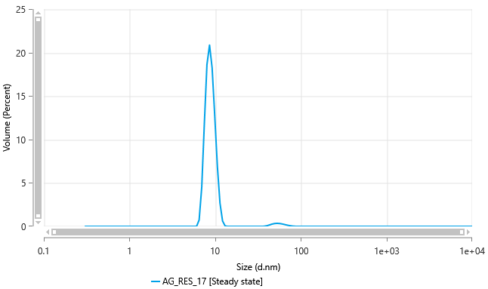
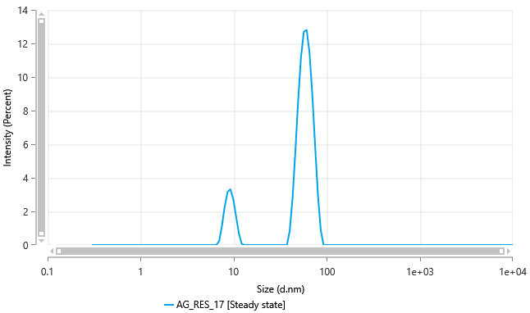
Size (d.nm) - AG_RES_17 [Steady state] | Intensity (Percent) - AG_RES_17 [Steady state] | Size (d.nm) - AG_RES_17 [Steady state] | Volume (Percent) - AG_RES_17 [Steady state] | Size (d.nm) - AG_RES_17 [Steady state] | Intensity (Percent) - AG_RES_17 [Steady state] | Size (d.nm) - AG_RES_17 | Count of Particles (particles/ml) - AG_RES_17
0.3 | 0 | 0.3 | 0 | 0.3 | 0 | 0.3 | 0 | 59534649000000
0.3217 | 0 | 0.3217 | 0 | 0.3217 | 0 | 0.3217 | 0
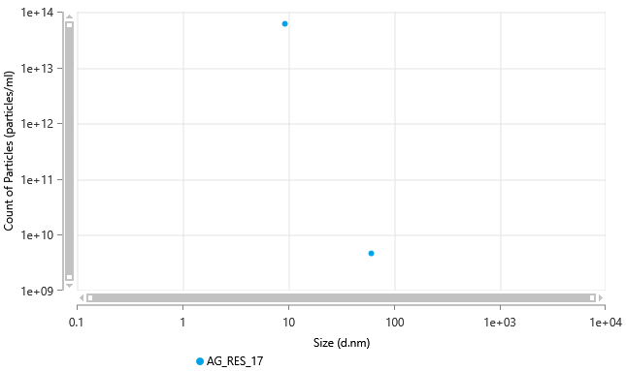
0.345 | 0 | 0.345 | 0 | 0.345 | 0 | 0.345 | 0
0.37 | 0 | 0.37 | 0 | 0.37 | 0 | 0.37 | 0
0.3968 | 0 | 0.3968 | 0 | 0.3968 | 0 | 0.3968 | 0
0.4255 | 0 | 0.4255 | 0 | 0.4255 | 0 | 0.4255 | 0
0.4563 | 0 | 0.4563 | 0 | 0.4563 | 0 | 0.4563 | 0
0.4893 | 0 | 0.4893 | 0 | 0.4893 | 0 | 0.4893 | 0
0.5248 | 0 | 0.5248 | 0 | 0.5248 | 0 | 0.5248 | 0
0.5627 | 0 | 0.5627 | 0 | 0.5627 | 0 | 0.5627 | 0
0.6035 | 0 | 0.6035 | 0 | 0.6035 | 0 | 0.6035 | 0
0.6472 | 0 | 0.6472 | 0 | 0.6472 | 0 | 0.6472 | 0
0.694 | 0 | 0.694 | 0 | 0.694 | 0 | 0.694 | 0
0.7443 | 0 | 0.7443 | 0 | 0.7443 | 0 | 0.7443 | 0
0.7982 | 0 | 0.7982 | 0 | 0.7982 | 0 | 0.7982 | 0
0.8559 | 0 | 0.8559 | 0 | 0.8559 | 0 | 0.8559 | 0
0.9179 | 0 | 0.9179 | 0 | 0.9179 | 0 | 0.9179 | 0
0.9844 | 0 | 0.9844 | 0 | 0.9844 | 0 | 0.9844 | 0
1.056 | 0 | 1.056 | 0 | 1.056 | 0 | 1.056 | 0
1.132 | 0 | 1.132 | 0 | 1.132 | 0 | 1.132 | 0
1.214 | 0 | 1.214 | 0 | 1.214 | 0 | 1.214 | 0
1.302 | 0 | 1.302 | 0 | 1.302 | 0 | 1.302 | 0
1.396 | 0 | 1.396 | 0 | 1.396 | 0 | 1.396 | 0
1.497 | 0 | 1.497 | 0 | 1.497 | 0 | 1.497 | 0
1.606 | 0 | 1.606 | 0 | 1.606 | 0 | 1.606 | 0
1.722 | 0 | 1.722 | 0 | 1.722 | 0 | 1.722 | 0
1.846 | 0 | 1.846 | 0 | 1.846 | 0 | 1.846 | 0
1.98 | 0 | 1.98 | 0 | 1.98 | 0 | 1.98 | 0
2.124 | 0 | 2.124 | 0 | 2.124 | 0 | 2.124 | 0
2.277 | 0 | 2.277 | 0 | 2.277 | 0 | 2.277 | 0
2.442 | 0 | 2.442 | 0 | 2.442 | 0 | 2.442 | 0
2.619 | 0 | 2.619 | 0 | 2.619 | 0 | 2.619 | 0
2.809 | 0 | 2.809 | 0 | 2.809 | 0 | 2.809 | 0
3.012 | 0 | 3.012 | 0 | 3.012 | 0 | 3.012 | 0
3.23 | 0 | 3.23 | 0 | 3.23 | 0 | 3.23 | 0
3.464 | 0 | 3.464 | 0 | 3.464 | 0 | 3.464 | 0
3.714 | 0 | 3.714 | 0 | 3.714 | 0 | 3.714 | 0
3.983 | 0 | 3.983 | 0 | 3.983 | 0 | 3.983 | 0
4.272 | 0 | 4.272 | 0 | 4.272 | 0 | 4.272 | 0
4.581 | 0 | 4.581 | 0 | 4.581 | 0 | 4.581 | 0
4.913 | 0 | 4.913 | 0 | 4.913 | 0 | 4.913 | 0
5.268 | 0 | 5.268 | 0 | 5.268 | 0 | 5.268 | 0
5.65 | 0 | 5.65 | 0 | 5.65 | 0 | 5.65 | 0
6.059 | 0 | 6.059 | 0 | 6.059 | 0 | 6.059 | 0
6.497 | 0 | 6.497 | 0.7477 | 6.497 | 0 | 6.497 | 0
6.968 | 0.227 | 6.968 | 4.527 | 6.968 | 0.227 | 6.968 | 0
7.472 | 1.135 | 7.472 | 11.82 | 7.472 | 1.135 | 7.472 | 0
8.013 | 2.31 | 8.013 | 18.6 | 8.013 | 2.31 | 8.013 | 0
8.593 | 3.166 | 8.593 | 20.86 | 8.593 | 3.166 | 8.593 | 0
9.215 | 3.322 | 9.215 | 18.2 | 9.215 | 3.322 | 9.215 | 5.95E+13
9.882 | 2.744 | 9.882 | 12.68 | 9.882 | 2.744 | 9.882 | 0
10.6 | 1.714 | 10.6 | 6.909 | 10.6 | 1.714 | 10.6 | 0
11.37 | 0.688 | 11.37 | 2.702 | 11.37 | 0.688 | 11.37 | 0
12.19 | 0.07862 | 12.19 | 0.6204 | 12.19 | 0.07862 | 12.19 | 0
13.07 | 0 | 13.07 | 0.04852 | 13.07 | 0 | 13.07 | 0
14.02 | 0 | 14.02 | 0 | 14.02 | 0 | 14.02 | 0
15.03 | 0 | 15.03 | 0 | 15.03 | 0 | 15.03 | 0
16.12 | 0 | 16.12 | 0 | 16.12 | 0 | 16.12 | 0
17.29 | 0 | 17.29 | 0 | 17.29 | 0 | 17.29 | 0
18.54 | 0 | 18.54 | 0 | 18.54 | 0 | 18.54 | 0
19.88 | 0 | 19.88 | 0 | 19.88 | 0 | 19.88 | 0
21.32 | 0 | 21.32 | 0 | 21.32 | 0 | 21.32 | 0
22.86 | 0 | 22.86 | 0 | 22.86 | 0 | 22.86 | 0
24.52 | 0 | 24.52 | 0 | 24.52 | 0 | 24.52 | 0
26.29 | 0 | 26.29 | 0 | 26.29 | 0 | 26.29 | 0
28.2 | 0 | 28.2 | 0 | 28.2 | 0 | 28.2 | 0
30.24 | 0 | 30.24 | 0 | 30.24 | 0 | 30.24 | 0
32.43 | 0 | 32.43 | 0 | 32.43 | 0 | 32.43 | 0
34.77 | 0 | 34.77 | 0 | 34.77 | 0 | 34.77 | 0
37.29 | 0 | 37.29 | 0.01512 | 37.29 | 0 | 37.29 | 0
39.99 | 0.8301 | 39.99 | 0.07167 | 39.99 | 0.8301 | 39.99 | 0
42.89 | 2.787 | 42.89 | 0.1659 | 42.89 | 2.787 | 42.89 | 0
45.99 | 5.584 | 45.99 | 0.2629 | 45.99 | 5.584 | 45.99 | 0
49.32 | 8.615 | 49.32 | 0.3304 | 49.32 | 8.615 | 49.32 | 0
52.89 | 11.19 | 52.89 | 0.3531 | 52.89 | 11.19 | 52.89 | 0
56.72 | 12.7 | 56.72 | 0.3318 | 56.72 | 12.7 | 56.72 | 0
60.83 | 12.81 | 60.83 | 0.2781 | 60.83 | 12.81 | 60.83 | 4.65E+09
65.23 | 11.46 | 65.23 | 0.2082 | 65.23 | 11.46 | 65.23 | 0
69.95 | 8.956 | 69.95 | 0.1375 | 69.95 | 8.956 | 69.95 | 0
75.02 | 5.873 | 75.02 | 0.0778 | 75.02 | 5.873 | 75.02 | 0
80.45 | 2.946 | 80.45 | 0.03543 | 80.45 | 2.946 | 80.45 | 0
86.27 | 0.8686 | 86.27 | 0.0114 | 86.27 | 0.8686 | 86.27 | 0
92.52 | 0 | 92.52 | 0.001881 | 92.52 | 0 | 92.52 | 0
99.21 | 0 | 99.21 | 0 | 99.21 | 0 | 99.21 | 0
106.4 | 0 | 106.4 | 0 | 106.4 | 0 | 106.4 | 0
114.1 | 0 | 114.1 | 0 | 114.1 | 0 | 114.1 | 0
122.4 | 0 | 122.4 | 0 | 122.4 | 0 | 122.4 | 0
131.2 | 0 | 131.2 | 0 | 131.2 | 0 | 131.2 | 0
140.7 | 0 | 140.7 | 0 | 140.7 | 0 | 140.7 | 0
150.9 | 0 | 150.9 | 0 | 150.9 | 0 | 150.9 | 0
161.8 | 0 | 161.8 | 0 | 161.8 | 0 | 161.8 | 0
173.5 | 0 | 173.5 | 0 | 173.5 | 0 | 173.5 | 0
186.1 | 0 | 186.1 | 0 | 186.1 | 0 | 186.1 | 0
199.6 | 0 | 199.6 | 0 | 199.6 | 0 | 199.6 | 0
214 | 0 | 214 | 0 | 214 | 0 | 214 | 0
229.5 | 0 | 229.5 | 0 | 229.5 | 0 | 229.5 | 0
246.1 | 0 | 246.1 | 0 | 246.1 | 0 | 246.1 | 0
264 | 0 | 264 | 0 | 264 | 0 | 264 | 0
283.1 | 0 | 283.1 | 0 | 283.1 | 0 | 283.1 | 0
303.6 | 0 | 303.6 | 0 | 303.6 | 0 | 303.6 | 0
325.5 | 0 | 325.5 | 0 | 325.5 | 0 | 325.5 | 0
349.1 | 0 | 349.1 | 0 | 349.1 | 0 | 349.1 | 0
374.4 | 0 | 374.4 | 0 | 374.4 | 0 | 374.4 | 0
401.5 | 0 | 401.5 | 0 | 401.5 | 0 | 401.5 | 0
430.6 | 0 | 430.6 | 0 | 430.6 | 0 | 430.6 | 0
461.7 | 0 | 461.7 | 0 | 461.7 | 0 | 461.7 | 0
495.2 | 0 | 495.2 | 0 | 495.2 | 0 | 495.2 | 0
531 | 0 | 531 | 0 | 531 | 0 | 531 | 0
569.4 | 0 | 569.4 | 0 | 569.4 | 0 | 569.4 | 0
610.7 | 0 | 610.7 | 0 | 610.7 | 0 | 610.7 | 0
654.9 | 0 | 654.9 | 0 | 654.9 | 0 | 654.9 | 0
702.3 | 0 | 702.3 | 0 | 702.3 | 0 | 702.3 | 0
753.1 | 0 | 753.1 | 0 | 753.1 | 0 | 753.1 | 0
807.7 | 0 | 807.7 | 0 | 807.7 | 0 | 807.7 | 0
866.1 | 0 | 866.1 | 0 | 866.1 | 0 | 866.1 | 0
928.8 | 0 | 928.8 | 0 | 928.8 | 0 | 928.8 | 0
996.1 | 0 | 996.1 | 0 | 996.1 | 0 | 996.1 | 0
1068 | 0 | 1068 | 0 | 1068 | 0 | 1068 | 0
1146 | 0 | 1146 | 0 | 1146 | 0 | 1146 | 0
1228 | 0 | 1228 | 0 | 1228 | 0 | 1228 | 0
1317 | 0 | 1317 | 0 | 1317 | 0 | 1317 | 0
1413 | 0 | 1413 | 0 | 1413 | 0 | 1413 | 0
1515 | 0 | 1515 | 0 | 1515 | 0 | 1515 | 0
1625 | 0 | 1625 | 0 | 1625 | 0 | 1625 | 0
1742 | 0 | 1742 | 0 | 1742 | 0 | 1742 | 0
1868 | 0 | 1868 | 0 | 1868 | 0 | 1868 | 0
2004 | 0 | 2004 | 0 | 2004 | 0 | 2004 | 0
2149 | 0 | 2149 | 0 | 2149 | 0 | 2149 | 0
2304 | 0 | 2304 | 0 | 2304 | 0 | 2304 | 0
2471 | 0 | 2471 | 0 | 2471 | 0 | 2471 | 0
2650 | 0 | 2650 | 0 | 2650 | 0 | 2650 | 0
2842 | 0 | 2842 | 0 | 2842 | 0 | 2842 | 0
3048 | 0 | 3048 | 0 | 3048 | 0 | 3048 | 0
3268 | 0 | 3268 | 0 | 3268 | 0 | 3268 | 0
3505 | 0 | 3505 | 0 | 3505 | 0 | 3505 | 0
3759 | 0 | 3759 | 0 | 3759 | 0 | 3759 | 0
4031 | 0 | 4031 | 0 | 4031 | 0 | 4031 | 0
4323 | 0 | 4323 | 0 | 4323 | 0 | 4323 | 0
4635 | 0 | 4635 | 0 | 4635 | 0 | 4635 | 0
4971 | 0 | 4971 | 0 | 4971 | 0 | 4971 | 0
5331 | 0 | 5331 | 0 | 5331 | 0 | 5331 | 0
5717 | 0 | 5717 | 0 | 5717 | 0 | 5717 | 0
6131 | 0 | 6131 | 0 | 6131 | 0 | 6131 | 0
6575 | 0 | 6575 | 0 | 6575 | 0 | 6575 | 0
7051 | 0 | 7051 | 0 | 7051 | 0 | 7051 | 0
7561 | 0 | 7561 | 0 | 7561 | 0 | 7561 | 0
8108 | 0 | 8108 | 0 | 8108 | 0 | 8108 | 0
8695 | 0 | 8695 | 0 | 8695 | 0 | 8695 | 0
9325 | 0 | 9325 | 0 | 9325 | 0 | 9325 | 0
1.00E+04 | 0 | 1.00E+04 | 0 | 1.00E+04 | 0 | 1.00E+04 | 0

