Part 4 P1
m1 | m2 | v1x,initial | v1y,initial | v2x,initial | v2y,initial | v1x,final | v1y,final | v2x,final | v2y,final
0.0506 | 0.0506 | 0.76 | 0.67 | 0.06 | 0.09 | -0.53 | 0.47 | 0.82 | 0.73

p1x,initial | p1y,initial | p2x,initial | p2y,initial | p1x,final | p1y,final | p2x,final | p2y,final | Dpx | Dpy | KEinitial | KEfinal | DKE
0.038456 | 0.033902 | 0.003036 | 0.004554 | -0.026818 | 0.023782 | 0.041492 | 0.036938 | -0.026818 | 0.022264 | 0.014974067108 | 0.04318963 | 0.028215562892

puck 1(left) |  | Puck 2 (right)
Run #1 | Run #1 | Run #1 | Run #1
x-Velocity (m/s) | y-Velocity (m/s) | x-Velocity (m/s) | y-Velocity (m/s)
0 | 0 | 0.03 | -0.03
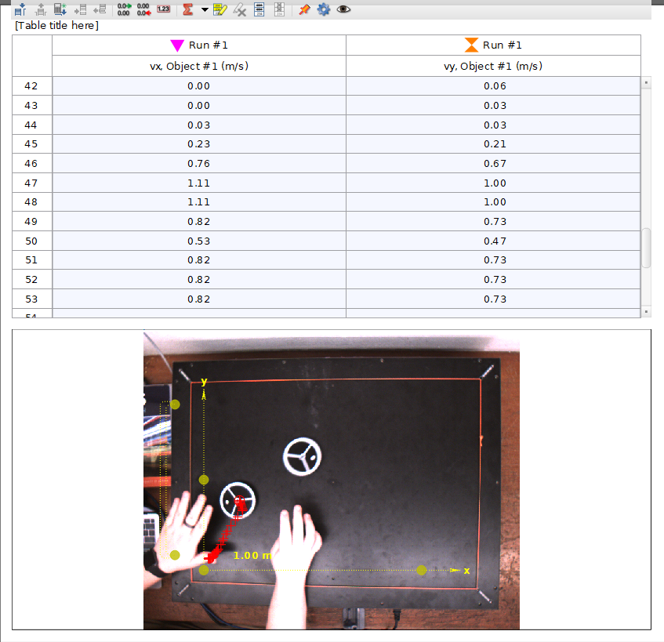
0 | 0 | 0 | 0.03
0 | 0 | 0 | 0.06
0 | 0 | 0 | 0.09
0 | 0.03 | 0 | 0.09
0 | 0.06 | 0 | 0.06
0 | 0.09 | 0 | 0.06
0 | 0.09 | 0 | 0.06
0 | 0.06 | 0 | 0.06
0 | 0.06 | 0 | 0.06
0 | 0.06 | 0 | 0.03
0 | 0.06 | 0.03 | 0.03
0 | 0.06 | 0.23 | 0.21
0 | 0.03 | 0.76 | 0.67
0.03 | 0.03 | 1.11 | 1
0.23 | 0.21 | 1.11 | 1
0.76 | 0.67 | 0.82 | 0.73
1.11 | 1 | 0.53 | 0.47
1.11 | 1 | 0.82 | 0.73
0.82 | 0.73 | 0.82 | 0.73
0.53 | 0.47 | 0.82 | 0.73
0.82 | 0.73 | 1.11 | 1
0.82 | 0.73 | 0.82 | 0.73
0.82 | 0.73 | 0.53 | 0.47
1.11 | 1 | 0.82 | 0.73
0.82 | 0.73 | 0.82 | 0.73
0.53 | 0.47 | 0.53 | 0.47
0.82 | 0.73 | 1.08 | 0.97
0.82 | 0.73 | 1.38 | 1.23
0.53 | 0.47 | 0.82 | 0.73
1.08 | 0.97 | 0.53 | 0.47
1.38 | 1.23 | 0.82 | 0.7
0.82 | 0.73 | 0.82 | 0.7
0.53 | 0.47 | 0.82 | 0.7
0.82 | 0.7 | 1.11 | 0.94
 |  | 0.82 | 0.7
 |  | 0.53 | 0.47
 |  | 0.53 | 0.47
 |  | 0.53 | 0.44
 |  | 1.05 | 0.73
 |  | 1.29 | 0.76
 |  | 0.73 | 0.29
 |  | 0.47 | 0.09
 |  | 0.44 | 0.03
 |  | 0.41 | -0.03
 |  | 0.38 | -0.12
 |  | 0.35 | -0.21
 |  | 0.59 | -0.97
 |  | 0.79 | -1.35
 |  | 0.56 | -0.76
 |  | 0.35 | -0.53
 |  | 0.35 | -0.53
 |  | 0.56 | -0.79
 |  | 0.76 | -1.05
 |  | 0.59 | -0.79
 |  | 0.59 | -0.79
 |  | 0.59 | -0.79
 |  | 0.41 | -0.53
 |  | 0.41 | -0.5
 |  | 0.62 | -0.7
 |  | 0.82 | -0.94
 |  | 0.59 | -0.67
 |  | 0.35 | -0.41
 |  | 0.35 | -0.41
 |  | 0.35 | -0.41
 |  | 0.5 | -0.64
 |  | 0.64 | -0.88
 |  | 0.64 | -0.88
 |  | 0.47 | -0.64
 |  | 0.29 | -0.41
 |  | 0.44 | -0.64
 |  | 0.44 | -0.64
 |  | 0.76 | -2.84
 |  | -0.85 | -7.12
 |  | -25.96 | 5.27
 |  | -24.52 | 9.87
 |  | -0.06 | 0.18
 |  | -0.09 | 0.23
 |  | -0.09 | 0.29
 |  | -0.06 | 0.18
 |  | -0.06 | 0.12
 |  | -0.06 | 0.12
 |  | -0.06 | 0.12
 |  | -0.06 | 0.18
 |  | -0.06 | 0.23
 |  | -0.06 | 0.18
 |  | -0.06 | 0.18
 |  | -0.06 | 0.18
 |  | -0.06 | 0.12
 |  | -0.06 | 0.12
 |  | -0.12 | 0.23
 |  | -0.12 | 0.29
 |  | -0.06 | 0.15
 |  | -0.06 | 0.06
 |  | -0.06 | 0.06
 |  | -0.06 | 0.12
 |  | -0.06 | 0.15
 |  | -0.09 | 0.21
 |  | -0.09 | 0.21
 |  | -0.06 | 0.15
 |  | -0.06 | 0.12
 |  | -0.06 | 0.06
 |  | -0.06 | 0.06
 |  | -0.06 | 0.15
 |  | -0.06 | 0.23
 |  | -0.03 | 0.18
 |  | 0 | 0.12
 |  | 0 | 0.12
 |  | 0 | 0.09
 |  | 0 | 0.06
 |  | 0.03 | 0.09
 |  | 0.09 | 0.12
 |  | 0.09 | 0.12
 |  | 0.06 | 0.18
 |  | 0.06 | 0.18
 |  | 0.06 | 0.12
 |  | 0.09 | 0.15
 |  | 0.12 | 0.15
 |  | 0.09 | 0.09

Part 4 p2
m1 | m2 | v1x,initial | v1y,initial | v2x,initial | v2y,initial | v1x,final | v1y,final | v2x,final | v2y,final
0.0506 | 0.0506 | 0.76 | 0.67 | -0.82 | 0.73 | -0.82 | 0.73 | 0.53 | 0.47

p1x,initial | p1y,initial | p2x,initial | p2y,initial | p1x,final | p1y,final | p2x,final | p2y,final | Dpx | Dpy | KEinitial | KEfinal | DKE
0.038456 | 0.033902 | -0.041492 | 0.036938 | -0.041492 | 0.036938 | 0.026818 | 0.023782 | -0.011638 | -0.01012 | 0.045172147108 | 0.04318963 | -0.001982517108

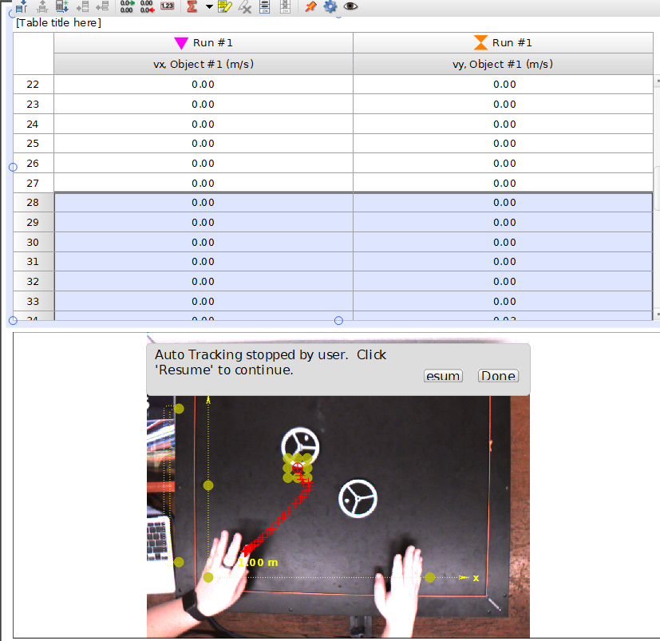
puck 1 (left) |  |  | puck 2(right)
Run #1 | Run #1 |  | Run #1 | Run #1
x-Velocity (m/s) | y-Velocity (m/s) |  | x-Velocity (m/s) | y-Velocity (m/s)
0 | 0 |  | 0 | 0.06
0 | 0 |  | 0 | 0.09
0 | 0 |  | 0 | 0.09
0 | 0 |  | 0 | 0.06
0 | 0 |  | 0 | 0.06
0 | 0 |  | 0 | 0.06
0 | 0.03 |  | 0 | 0.06
0 | 0.06 |  | 0 | 0.06
0 | 0.09 |  | 0 | 0.03
0 | 0.09 |  | 0.03 | 0.03
0 | 0.06 |  | 0.23 | 0.21
0 | 0.06 |  | 0.76 | 0.67
0 | 0.06 |  | 1.11 | 1
0 | 0.06 |  | 1.11 | 1
0 | 0.06 |  | 0.82 | 0.73
0 | 0.03 |  | 0.53 | 0.47
0.03 | 0.03 |  | 0.82 | 0.73
0.23 | 0.21 |  | 0.82 | 0.73
0.76 | 0.67 |  | 0.82 | 0.73
1.11 | 1 |  | 1.11 | 1
1.11 | 1 |  | 0.82 | 0.73
-0.82 | 0.73 |  | 0.53 | 0.47
-0.53 | 0.47 |  | 0.82 | 0.73
-0.82 | 0.73 |  | 0.82 | 0.73
-0.82 | 0.73 |  | 0.53 | 0.47
0.82 | 0.73 |  | 1.08 | 0.97
1.11 | 1 |  | 1.38 | 1.23
0.82 | 0.73 |  | 0.82 | 0.73
0.53 | 0.47 |  | 0.53 | 0.47
0.82 | 0.73
0.82 | 0.73
0.53 | 0.47

