Sheet7
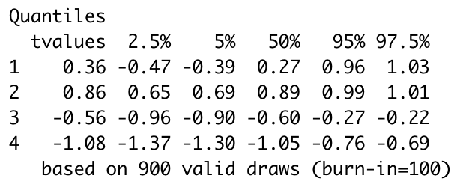
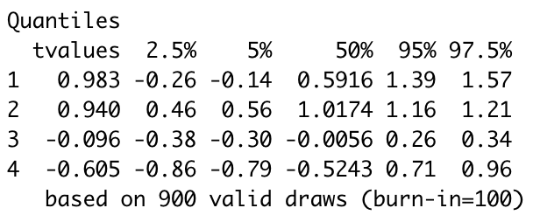
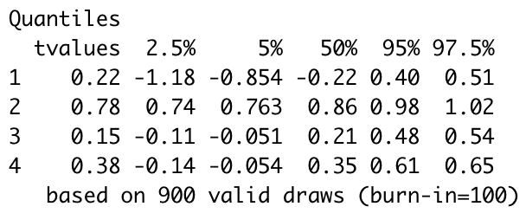
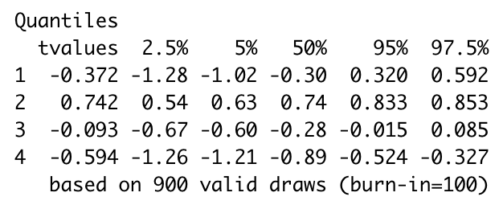
Crime: violent | Crime: weapon | Crime: property | Crime: drug
Precicnt: less than 10% black population | Precicnt: less than 10% black population | Precicnt: less than 10% black population | Precicnt: less than 10% black population
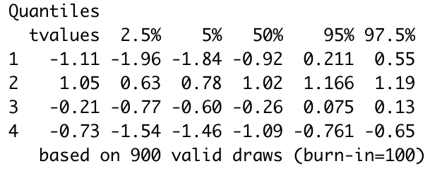
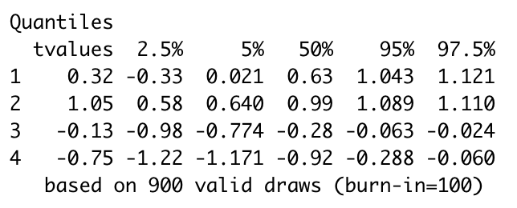
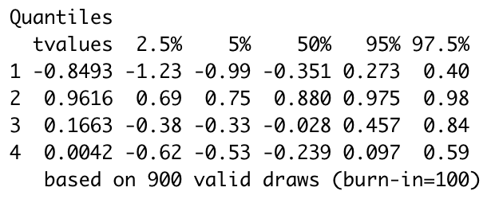
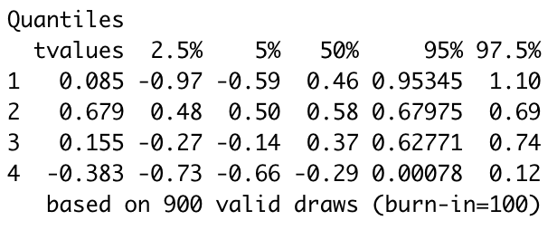

Precicnt: 10-40% black population | Precicnt: 10-40% black population | Precicnt: 10-40% black population | Precicnt: 10-40% black population
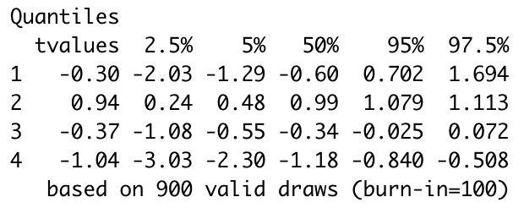
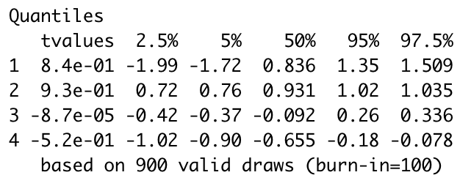
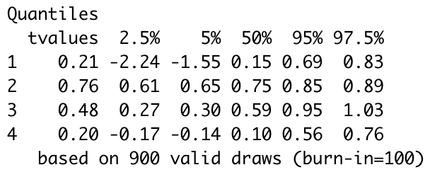
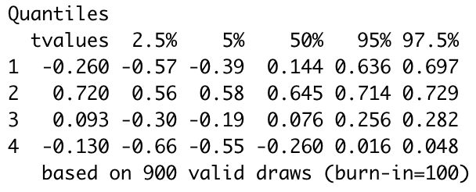

Precicnt: >40% black population | Precicnt: >40% black population | Precicnt: >40% black population | Precicnt: >40% black population

