Sheet7
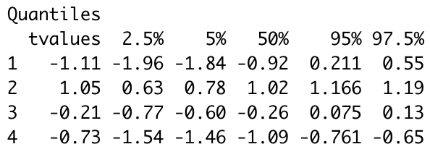
crime=1, precinct =1

